Sheet2
Height
218 |  |  | Normal Bell Curve
169
246
211
158
208
189
212
229 |  |  |  |  |  | 29.63499175
242
163 | Mean |  |  |  |  | 198.792
163 | 1 SD | 68 |  |  | 169.15700825 |  | 228.42699175
199 | 2 SD | 95 |  | 139.5220165 |  |  |  | 258.0619835
154 | 3 SD | 99.7 | 109.88702475 |  |  |  |  |  | 287.69697525
249
164
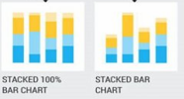
242
230
183
236
229
212
152
182
243
157
234
191
204
197
176
178
190 | Category | SubCategory1 | SubCategory2 | SubCategory3 | SubCategory4
227 | Category A | 40 | 30 | 20 | 10
228 | Category B | 20 | 40 | 30 | 10
229 | Category C | 10 | 20 | 50 | 20
151 | Category D | 30 | 20 | 30 | 20
248
218
226
218
189
181
186
213
227
213
166
230
177
238
220
235
161
160
233
234
227
173 |  | x | y |  |  | x | y | z | a
206 |  | 206 | 220 |  |  | 206 | 220 | 100 | 206
244 |  | 244 | 235 |  |  | 244 | 235 | 10 | 244
150 |  | 150 | 161 |  |  | 150 | 161 | 160 | 150
199 |  | 199 | 160 |  |  | 199 | 160 | 233 | 199
207 |  | 207 | 233 |  |  | 207 | 233 | 234 | 207
247 |  | 247 | 234 |  |  | 247 | 234 | 150 | 247
157 |  | 157 | 227 |  |  | 157 | 227 | 173 | 157
165 |  | 165 | 173 |  |  | 165 | 173 | 206 | 165
211 |  | 211 | 206 |  |  | 211 | 206 | 244 | 211
234 |  | 234 | 160 |  |  | 234 | 160 | 150 | 234
185 |  |  |  |  |  |  |  |  | 185
196
227
192
227
222
162
211
209
217
218
189
236
151
199
219
155
246
150
186
198
248
202
164
195
232
203
189
176
212
237
244
239 |  | Category | Variable1 | Variable2 | Variable3 | Variable4 | Variable5
195 |  | Category A | 80 | 70 | 90 | 60 | 85
189 |  | Category B | 60 | 80 | 70 | 85 | 75
217 |  | Category C | 75 | 65 | 80 | 70 | 95
212 |  | Category D | 90 | 85 | 75 | 80 | 70
211
160
183
206
188
202
169
244
240
217
231
194
245
159
171
218
247
177
224
152
217
185
244
183
155 |  | Category | North | South | East | West
178 |  | Q1 | 5000 | 3000 | 4500 | 6000
225 |  | Q2 | 5500 | 3500 | 5000 | 6500
161 |  | Q3 | 6000 | 4000 | 5500 | 7000
184 |  | Q4 | 6500 | 4500 | 6000 | 7500
202
249
180
156
194
153
165
201
227
191
176
172
212
213
236
241
207
210
222
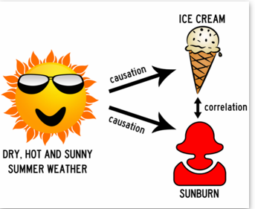
209
234 |  |  |  |  |  |  | City | No Of Ice Cream | Getting Sun Burn
194 |  |  |  |  |  |  | A | 100 | 120
169 |  |  |  |  |  |  | B | 150 | 130
220 |  |  |  |  |  |  | C | 250 | 280
248 |  |  |  |  |  |  | D | 300 | 390
174
197
229 |  |  |  |  |  |  |  | 0.97386157872
157
211
227
221
204
185
201
233
214
151
223
167
243
200
183
168
169
184
213
204
212
224
180
223
199
188
199
196
177
240
244
155
204
244
248
151
178
172
184
199
200
215
176
153
250
201
163
242
217
241
159
192
236
157
218
198
192
175
208
244
229
239
166
243
192
230
188
165
250
209
209
156
222
202
213
159
183
242
195
176
238
186
220
249
195
241
216
214
214
215
207
152
232
226
153
205
211
190
223
159
180
245
239
157
194
151
213
221
199
240
225
186
178
213
171
215
218
182
246
215
193
206
168
192
218
159
153
151
166
211
182
207
217
245
227
182
235
186
170
158
218
152
185
156
203
150
177
191
156
217
232
177
244
173
204
152
200
182
224
157
225
191
163
172
187
177
172
183
162
231
193
244
160
229
230
181
157
193
250
160
171
245
155
158
206
242
185
224
178
181
236
152
158
207
183
163
174
228
219
161
176
156
203
236
194
192
249
175
169
244
197
195
207
197
163
248
159
169
187
162
199
248
198
214
226
207
219
172
193
170
215
169
194
176
187
182
167
155
241
201
154
159
222
219
247
222
246
247
168
236
230
167
150
237
218
215
168
190
203
248
236
150
219
181
201
197
188
242
232
151
177
150
190
222
171
168
156
235
158
243
178
183
165
244
221
237
170
159
248
175
181
225
218
189
194
212
160
175
226
202
204
172
217
186
245
166
203
240
228
150
176
195
195
156
156
198
192
150
233
170
192
154
232
179
227
150
168
236
156
160
169
180
223
182
159
235
162

Probability
Chances of Favorable outcome

Rohan | It might will rain tomorrow
Sohan | There is a probability of 70 % that it will rain

Favorable Outcome |  | Outcome | Sample Space
Total Outcome

Tossing a single Coin

Head
Tail

What is the posibility of getting head

Coin
Dice
Deck of Cards

Two Coins |  | HH | TH
 |  | HT | TT

 |  | HH | TH
 |  | HT | TT
 |  | HH | TH
 |  | HT | TT

 |  | HHH | HTH
 |  | HHT | HTT
 |  | THH | TTH
 |  | THT | TTT

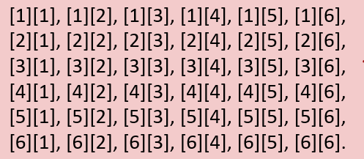

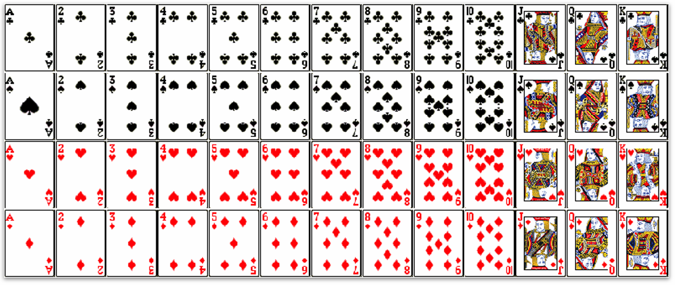

Simple Event
Compound

