12
Class 10

 | No Of Students | 50

 |  |  | 1 | 95 | 1 | 65.78 | 27
 |  |  | 2 | 66 | 1
 |  |  | 3 | 40 | 0
 |  |  | 4 | 74 | 1
 |  |  | 5 | 56 | 0
 |  |  | 6 | 63 | 0
 |  |  | 7 | 67 | 1
 |  |  | 8 | 88 | 1
 |  |  | 9 | 60 | 0
 |  |  | 10 | 70 | 1
 |  |  | 11 | 35 | 0
 |  |  | 12 | 79 | 1
 |  |  | 13 | 69 | 1
 |  |  | 14 | 69 | 1
 |  |  | 15 | 39 | 0
 |  |  | 16 | 46 | 0
 |  |  | 17 | 68 | 1
 |  |  | 18 | 90 | 1
 |  |  | 19 | 40 | 0
 |  |  | 20 | 47 | 0
 |  |  | 21 | 35 | 0
 |  |  | 22 | 99 | 1
 |  |  | 23 | 81 | 1
 |  |  | 24 | 88 | 1
 |  |  | 25 | 32 | 0
 |  |  | 26 | 90 | 1
 |  |  | 27 | 51 | 0
 |  |  | 28 | 80 | 1
 |  |  | 29 | 33 | 0
 |  |  | 30 | 77 | 1
 |  |  | 31 | 68 | 1
 |  |  | 32 | 64 | 0
 |  |  | 33 | 89 | 1
 |  |  | 34 | 47 | 0
 |  |  | 35 | 52 | 0
 |  |  | 36 | 65 | 0
 |  |  | 37 | 97 | 1
 |  |  | 38 | 61 | 0
 |  |  | 39 | 73 | 1
 |  |  | 40 | 89 | 1
 |  |  | 41 | 61 | 0
 |  |  | 42 | 76 | 1
 |  |  | 43 | 88 | 1
 |  |  | 44 | 39 | 0
 |  |  | 45 | 53 | 0
 |  |  | 46 | 81 | 1
 |  |  | 47 | 50 | 0
 |  |  | 48 | 57 | 0
 |  |  | 49 | 70 | 1
 |  |  | 50 | 82 | 1

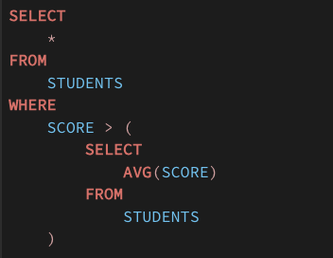

Subquery => query within the query

 | Scalar |  | 1 Row | 1 Column
 | Multi Row |  | M Rows | 1 Column
 | Derived Tables |  | M Rows | N Columns

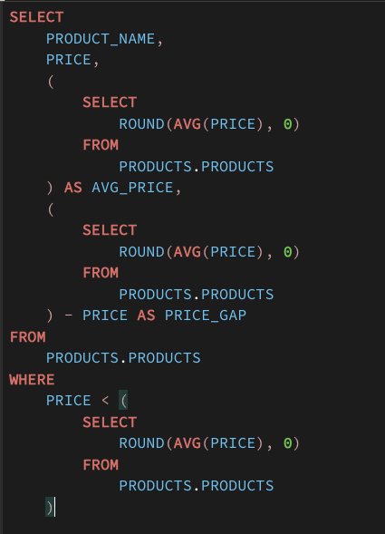

Guest_name | Is_VIP |  |  | Name | City
A | 0 |  |  |  | Delhi
B | 1 |  |  |  | Gurgoan
C | 0 |  |  |  | Lucknow

