Sub Query
Subquery | Saas Bahu Of SQL

 | Mom | Asked | Dad | Ask | Son

 | At Dinner
 |  | Mom Ask Dad

 |  | Who eats more than the average at this table?

6 Examples
 | 2 Easy
 | 2 Medium
 | 1 Hard
 | 1 Crazy Hard

Mom _ Dad | 4 |  | 100 | 200 | 300 | 400 | 250

Chacha - Chachi | 3

Mama - Mami | 5

 | Outer Employee |  | Inner_employee
1 |  |  | 1 |  | 1 | 2
1 |  |  | 1
1 |  |  | 2 |  | 2
2 |  |  | 2
2 |  |  | 3 |  | 3
3 |  |  | 3

Where id =<conditon> |  | Condition => Sub Query
from <table_name> |  | Table_name => Sub Query

 | Orders
order_id | store_id | amount |  |  | Row Labels | Sum of amount
1 | 1 | 100 |  |  | 1 | 300 |  | 500
2 | 1 | 200 |  |  | 2 | 700 |  | 99
3 | 2 | 300 |  |  | 3 | 500
4 | 2 | 400 |  |  | Grand Total | 1500
5 | 3 | 500
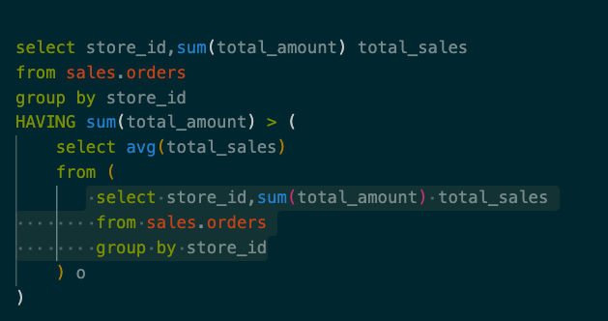
 |  | 300
 |  | 200

Operator | How to Remember (Desi Example) | SQL Use
IN | “Check if name is in WhatsApp group” 📱 | Matches list of values
EXISTS | “See if there’s any reply in chat” 💬 | Returns true if rows exist | Condition => True False
ANY | “Is my salary higher than any cousin’s?” | Compare with any returned value | OR
ALL | “Is my salary higher than everyone’s?” 😎 | Compare with all returned values | AND

