joins
🎯 TOPIC 1: JOIN FUNDAMENTALS & CONCEPTS

📖 Definition

A JOIN is a SQL operation that combines rows from two or more tables based on a related column between them, typically using foreign key relationships. JOINs enable querying of normalized database structures where data is distributed across multiple tables to reduce redundancy.

Layman's Terms:

Imagine you have two different notebooks 📓📓 - one with customer names and one with their orders. A JOIN is like having a magical highlighter that connects information from BOTH notebooks based on a common identifier (like customer ID). Instead of flipping between notebooks, you see the complete picture in one view!

Think of it like a family photo album 👨‍👩‍👧‍👦:

Album 1: Names and birthdates of family members
Album 2: Addresses where each person lives
JOIN: Creating a new album that shows name, birthdate, AND address together!

Customer |  |  |  | Orders
PK |  |  |  | PK | FK
cust_id | full_name | city |  | order_id | cust_id | total_amount

 |  |  |  |  |  | Joins |  | Common Column

 |  |  |  |  |  | Union |  | Same Column Structure

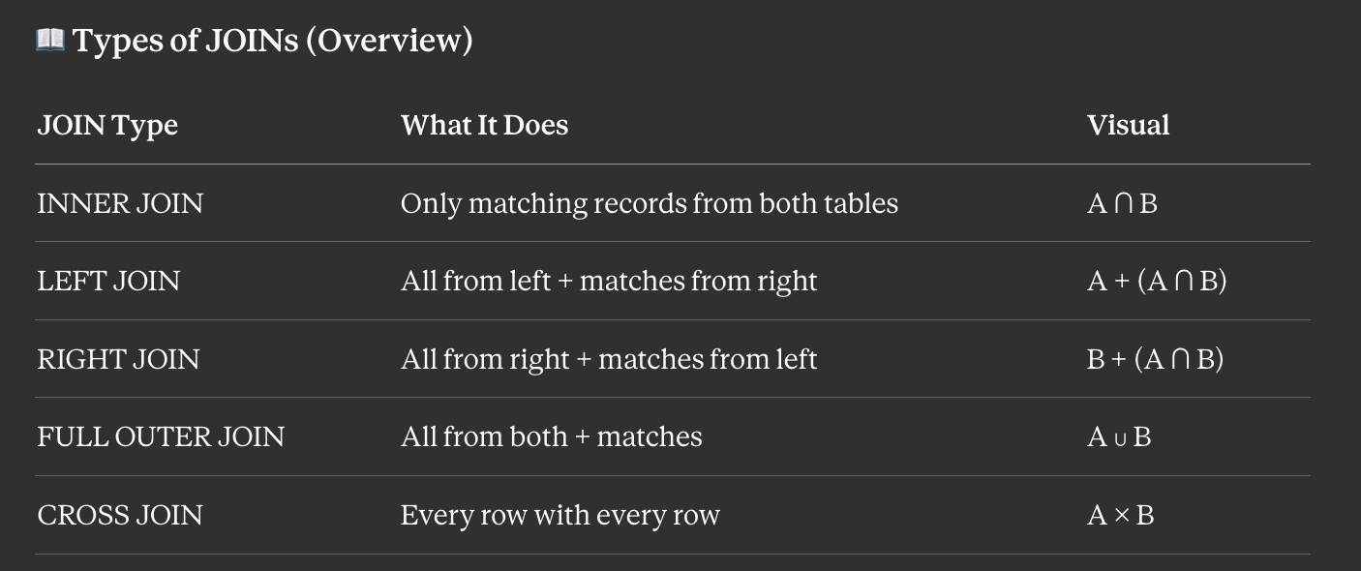

Table1 |  |  | Table2 |  |  | Table1 |  | Table2
id | name |  | id | name |  | id | name | id | name
1 | a |  | 1 | p |  | 1 | a | 1 | p
2 | b |  | 1 | q |  | 1 | a | 1 | q | Inner Join
2 | c |  | 1 | r |  | 1 | a | 1 | r
3 | d |  | 2 | s |  | 2 | b | 2 | s
3 | e |  | 4 | t |  | 2 | c | 2 | s
3 | f |  | 4 | u |  | 4 | g | 4 | t
4 | g |  | 6 | v |  | 4 | g | 4 | u
5 | h |  | 6 | w
7 | i |  | 6 | x

Table1 |  |  | Table2 |  |  | Table1 |  | Table2
id | name |  | id | name |  | id | name | id | name
1 | a |  | 1 | p |  | 1 | a | 1 | p
2 | b |  | 1 | q |  | 1 | a | 1 | q | Left Join
2 | c |  | 1 | r |  | 1 | a | 1 | r
3 | d |  | 2 | s |  | 2 | b | 2 | s
3 | e |  | 4 | t |  | 2 | c | 2 | s
3 | f |  | 4 | u |  | 3 | d | null | null
4 | g |  | 6 | v |  | 3 | e | null | null
5 | h |  | 6 | w |  | 3 | f | null | null
7 | i |  | 6 | x |  | 4 | g | 4 | t
 |  |  |  |  |  | 4 | g | 4 | u
 |  |  |  |  |  | 5 | h | null | null
 |  |  |  |  |  | 7 | i | null | null

Table1 |  |  | Table2 |  |  | Table1 |  | Table2
id | name |  | id | name |  | id | name | id | name
1 | a |  | 1 | p |  | 1 | a | 1 | p
2 | b |  | 1 | q |  | 1 | a | 1 | q
2 | c |  | 1 | r |  | 1 | a | 1 | r | Right Join
3 | d |  | 2 | s |  | 2 | b | 2 | s
3 | e |  | 4 | t |  | 2 | c | 2 | s
3 | f |  | 4 | u |  | 4 | g | 4 | t
4 | g |  | 6 | v |  | 4 | g | 4 | u
5 | h |  | 6 | w |  | null | null | 6 | v
7 | i |  | 6 | x |  | null | null | 6 | w
 |  |  |  |  |  | null | null | 6 | x

Table1 |  |  | Table2 |  |  | Table1 |  | Table2
id | name |  | id | name |  | id | name | id | name
1 | a |  | 1 | p |  | 1 | a | 1 | p
2 | b |  | 1 | q |  | 1 | a | 1 | q | Full Outer Join
2 | c |  | 1 | r |  | 1 | a | 1 | r
3 | d |  | 2 | s |  | 2 | b | 2 | s
3 | e |  | 4 | t |  | 2 | c | 2 | s
3 | f |  | 4 | u |  | 3 | d | null | null
4 | g |  | 6 | v |  | 3 | e | null | null
5 | h |  | 6 | w |  | 3 | f | null | null
7 | i |  | 6 | x |  | 4 | g | 4 | t
 |  |  |  |  |  | 4 | g | 4 | u
 |  |  |  |  |  | 5 | h | null | null
 |  |  |  |  |  | null | null | 6 | v
 |  |  |  |  |  | null | null | 6 | w
 |  |  |  |  |  | null | null | 6 | x
 |  |  |  |  |  | 7 | i | null | null

Table1 |  |  | Table2 |  |  | Table1 |  | Table2
id | name |  | id | name |  | id | name | id | name
1 | a |  | 1 | p |  | 1 | a | 1 | p
2 | b |  | 1 | q |  | 1 | a | 1 | q
2 | c |  | 1 | r |  | 1 | a | 1 | r
3 | d |  | 2 | s |  | 1 | a | 2 | s | Cross Join
3 | e |  | 4 | t |  | 1 | a | 4 | t
3 | f |  | 4 | u |  | 1 | a | 4 | u
4 | g |  | 6 | v |  | 1 | a | 6 | v
5 | h |  | 6 | w |  | 1 | a | 6 | w
7 | i |  | 6 | x |  | 1 | a | 6 | x
 |  |  |  |  |  | 2 | b | 1 | p
 |  |  |  |  |  |  |  | 1 | q
 |  |  |  |  |  |  |  | 1 | r
 |  |  |  |  |  |  |  | 2 | s
 |  |  |  |  |  |  |  | 4 | t
 |  |  |  |  |  |  |  | 4 | u
 |  |  |  |  |  |  |  | 6 | v
 |  |  |  |  |  |  |  | 6 | w
 |  |  |  |  |  |  |  | 6 | x
 |  |  |  |  |  |  |  | 1 | p
 |  |  |  |  |  |  |  | 1 | q
 |  |  |  |  |  |  |  | 1 | r
 |  |  |  |  |  |  |  | 2 | s
 |  |  |  |  |  |  |  | 4 | t
 |  |  |  |  |  |  |  | 4 | u
 |  |  |  |  |  |  |  | 6 | v
 |  |  |  |  |  |  |  | 6 | w
 |  |  |  |  |  |  |  | 6 | x
 |  |  |  |  |  |  |  | 1 | p
 |  |  |  |  |  |  |  | 1 | q
 |  |  |  |  |  |  |  | 1 | r
 |  |  |  |  |  |  |  | 2 | s
 |  |  |  |  |  |  |  | 4 | t
 |  |  |  |  |  |  |  | 4 | u
 |  |  |  |  |  |  |  | 6 | v
 |  |  |  |  |  |  |  | 6 | w
 |  |  |  |  |  |  |  | 6 | x

