Cross_join
If | Nested If | If within If

Query | Nested Query | Query in Query |  |  | Sub Queries

 | Sometime we don’t have data in the required format
 | We transform that data and use query instead of direct table

 | Chicken Salad |  |  |  |  | Table
 |  | Cook It |  |  |  | Order It
 |  | Chicken |  | Table |  | cooked chicken | Tables
 |  |  | buy | Where |  | Chopped Veg | Tables
 |  |  | clean | select specific |  | all sauce | Tables
 |  |  | chop | distinct
 |  |  | merinate | date_truc |  | Open and use / mix
 |  |  | roast/grill
 |  |  | cooked chicken | result 22 Rows

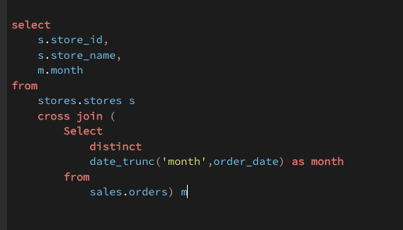

 |  |  |  |  |  |  |  |  | 2

 |  |  |  |  |  |  |  |  | 2

 |  |  | O1 < I1 <I2 <I3
 |  |  |  |  |  |  |  |  | 2
 |  |  | Output of I3 | Input for I2 |  | I1 | res_i1
 |  |  | Output of I2 | Input for I1 |  | I2 | res_i2
 |  |  |  |  |  | I3 | res_i3
 |  |  |  |  |  | I4 | res_i4
 |  |  |  |  |  | O1 | res

 |  |  |  |  |  |  |  |  | 2

 |  |  |  |  |  |  |  |  | 2

 |  | Sub Query

 |  | CTE | Common Table Expression

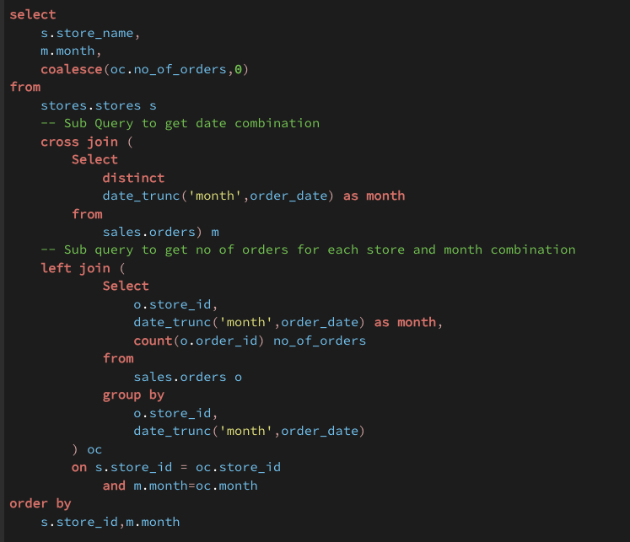
 |  |  |  |  |  |  |  | select s.store_name, m.month, coalesce(oc.no_of_orders,0) from stores.stores s -- Sub Query to get date combination cross join monthly m -- Sub query to get no of orders for each store and month combination left join order_count oc on s.store_id = oc.store_id and m.month=oc.month order by s.store_id,m.month

