Agenda
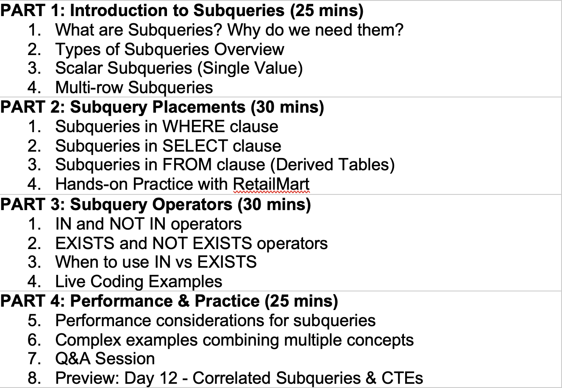

discussion
Orders
order_id | cust_id | total_amount
1 | 1 | 100 | 250
2 | 2 | 150
3 | 3 | 50
4 | 1 | 300
5 | 2 | 400
6 | 3 | 500 |  |  |  | Physically present in schema
 |  |  |  |  |  | temp_table which we have created using cte
Row Labels | Sum of total_amount |  | 500
1 | 400
2 | 550
3 | 550
Grand Total | 1500

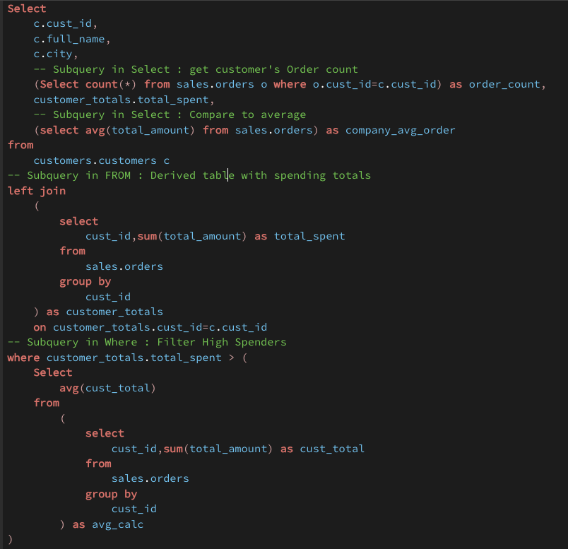
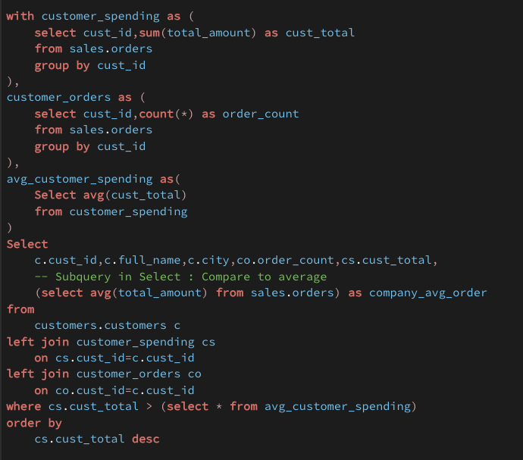
cte 1
 |  |  |  | From
 |  |  |  | Left Join
 |  |  |  |  | Sub 3
Sub 1
 |  |  |  | Where
 |  |  |  |  | Sub 4
 |  |  |  |  | Sub 5
Sub 2
cte 2
 |  |  |  | Select
 |  |  |  |  | Sub 1
 |  |  |  |  | Sub 2

cte 3
Sub 3
 |  |  |  | cte1
 |  |  |  | cte2
 |  |  |  | cte3 | cte1

Sub 4

Sub 5

