Agenda
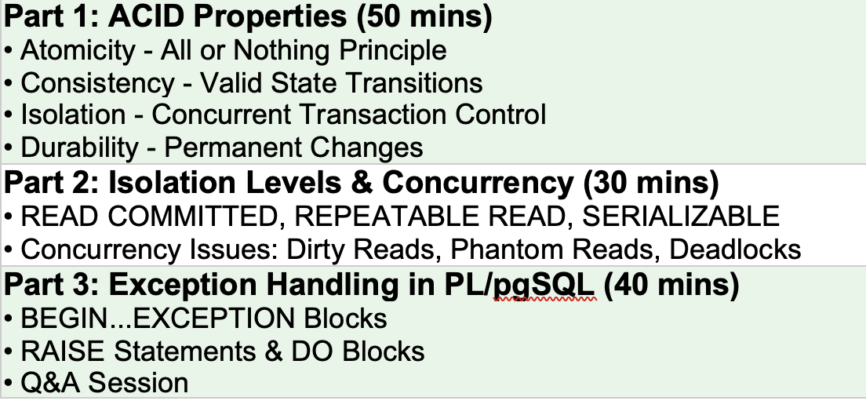

Retailmart
 | customers
 | products
 | hr
 | core
 | finance
 | sales
 | stores

