Agenda
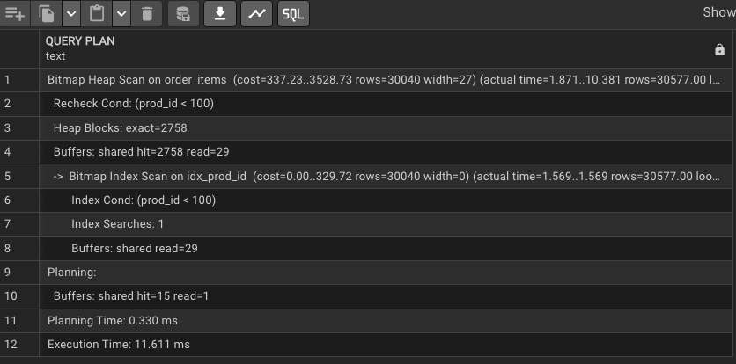
Priya | Traditional Dress->Saree | TD -> Salwar Kurta |  | Jeans & Tops |  | Casual Dress |  | Sandals & shoes
Mona

 | Office Dress |  |  |  |  | Purse

Office | She will able to find the dress litlle bit quickly

Marriage | Will she take mor time here to find the dress

Table | PK |  | Orders
 | index |  | order_id | cust_id | store_id | city | order_status
 | clustered index |  |  |  |  | 4 Lakh

 |  |  | select * from sales.orders |  |  | 5s

 |  |  | select * from sales.orders where order_id in (sub query) |  |  | 150000 | 10
 |  |  |  |  |  | 1500000 |  |  | 50s

 |  |  |  |  |  | 150000 | 10
 |  |  |  |  |  | 1500000 |  |  | 50s

 |  |  | Order_id |  |  |  |  |  |  |  | 1
 |  |  |  |  |  |  |  |  |  |  | 2
 |  |  |  |  |  | 150000 | 10 |  | 30s |  | 3
 |  |  |  |  |  | 1500000 |  |  |  |  | 4

 |  |  | Select * from sales.orders where cust_id in (sub_query)
 |  |  |  |  |  | 150000 | 10 |  | 50s
 |  |  |  |  |  | 1500000
 |  |  | cust_id
 | Index for cust_id
 | non_clustered_index |  |  |  |  | 150000 | 10 |  | 30s
 |  |  |  |  |  | 1500000

 |  |  |  |  |  |  |  |  |  | 1000$
 |  |  |  |  |  |  |  |  |  | 500$

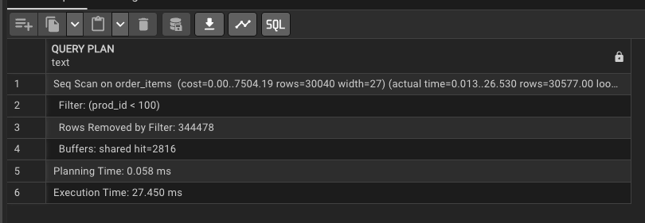
 |  |  |  |  |  |  |  |  |  | Customers | 100 | 75 | where | cust_Id
 |  |  |  |  |  |  |  |  |  |  | 100 | 10 | where | cust_id

