Agenda
🎯 Project Overview

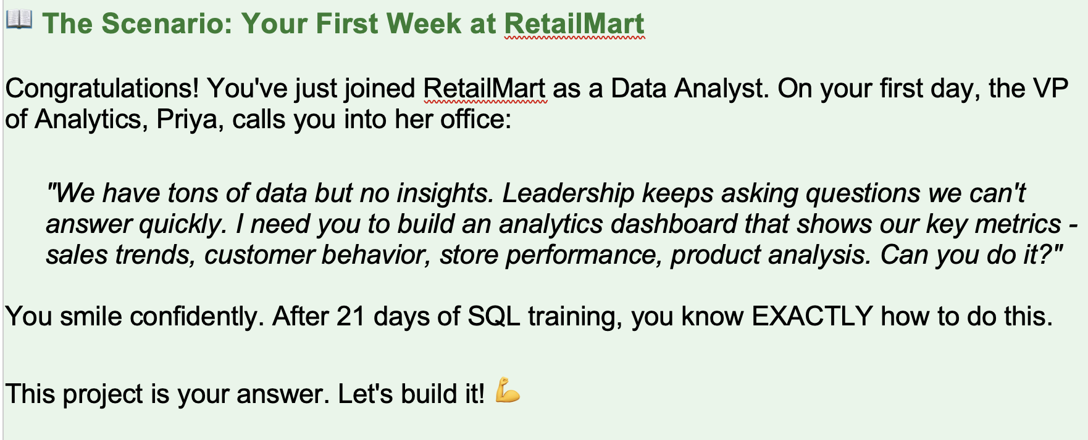

Project Deliverables

Project setup, Analytics schema, Sales & Customer KPIs
Store & Product KPIs, JSON export functions
Dashboard (HTML/CSS/JS), GitHub deployment

📁 Project Structure

Create this folder structure. This is how analytics projects are organized at companies like Flipkart and Amazon:



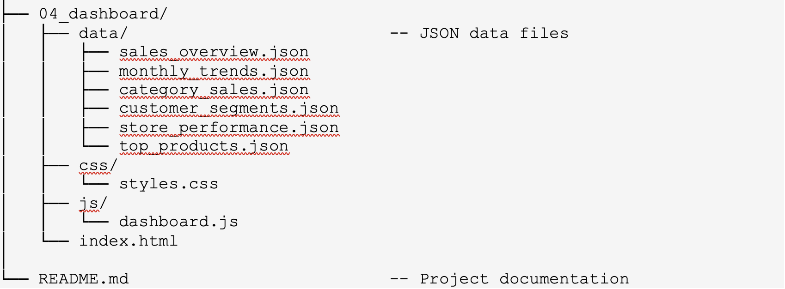

💡 Why this structure?
• Numbered folders show execution order
• Each SQL file has a single responsibility
• Dashboard is self-contained (can be deployed independently)
• Professional structure that impresses hiring managers

