Recap
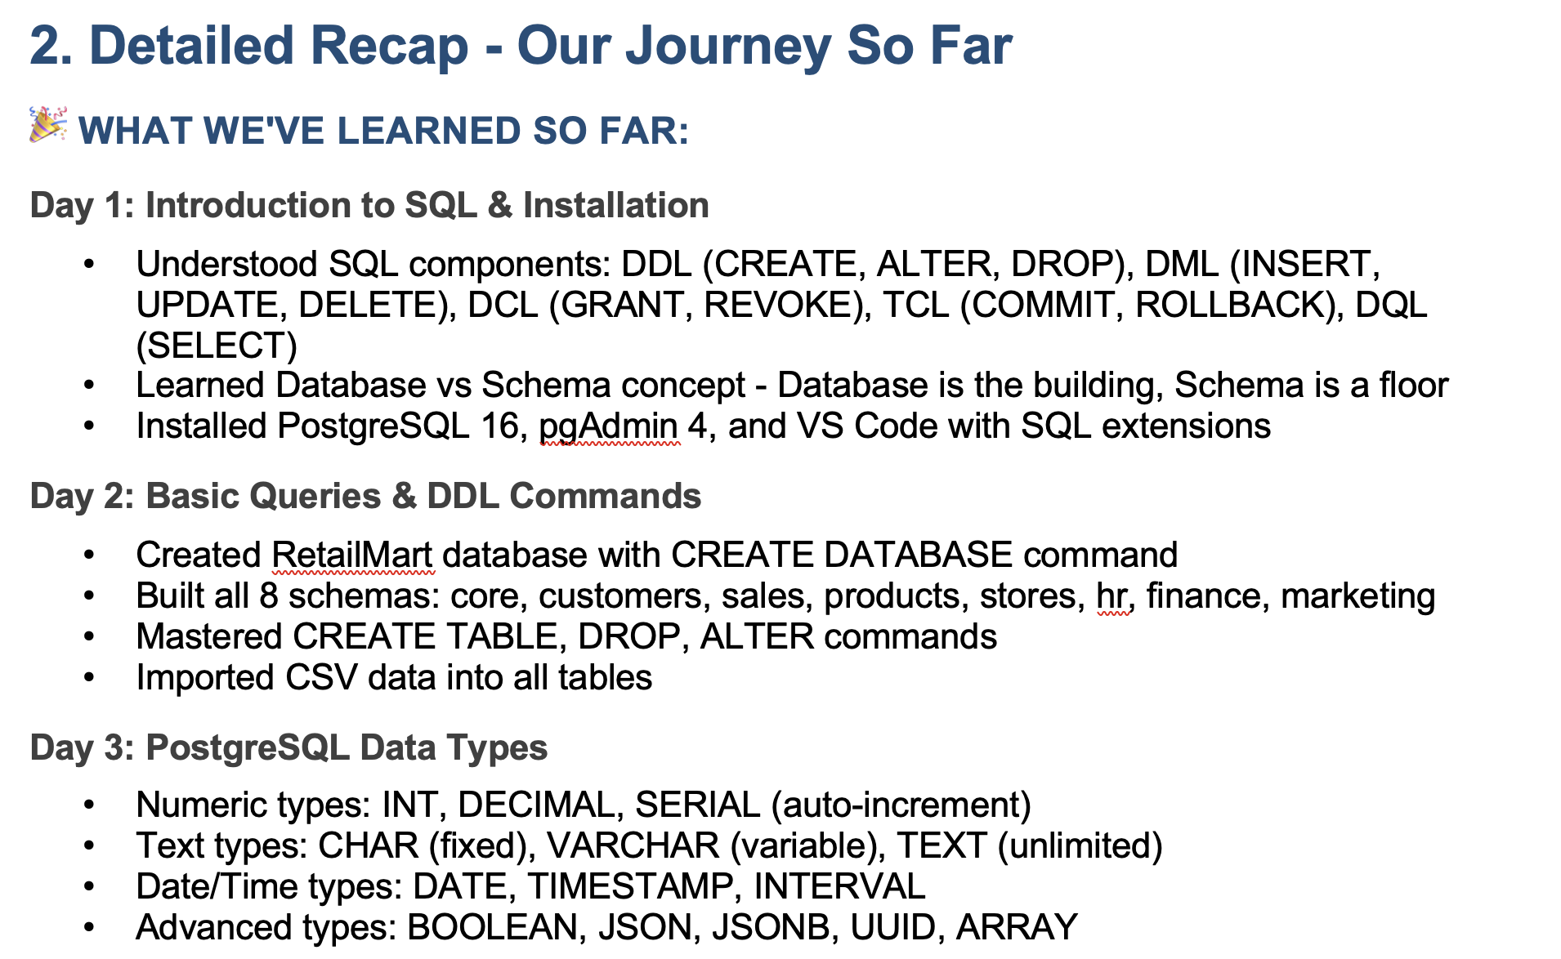

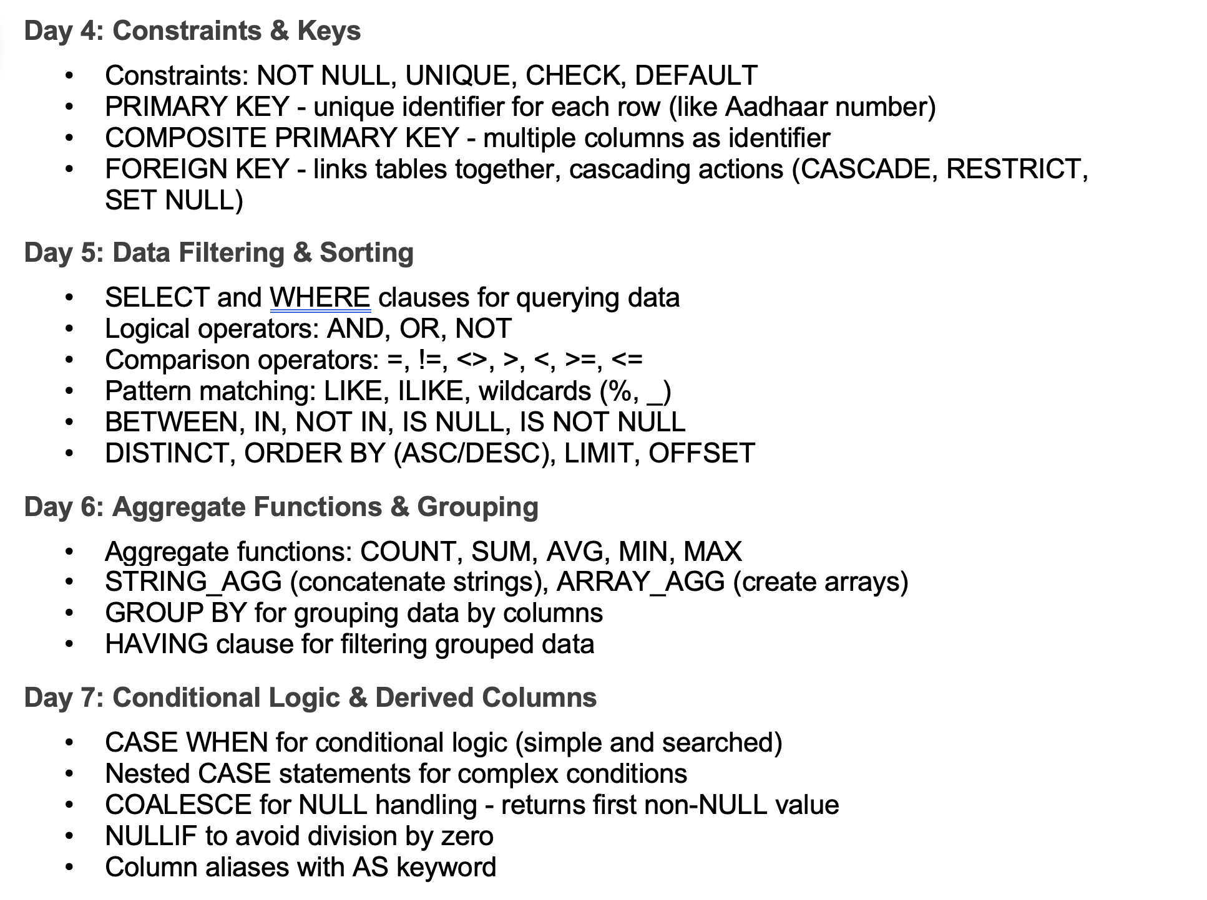

Agenda
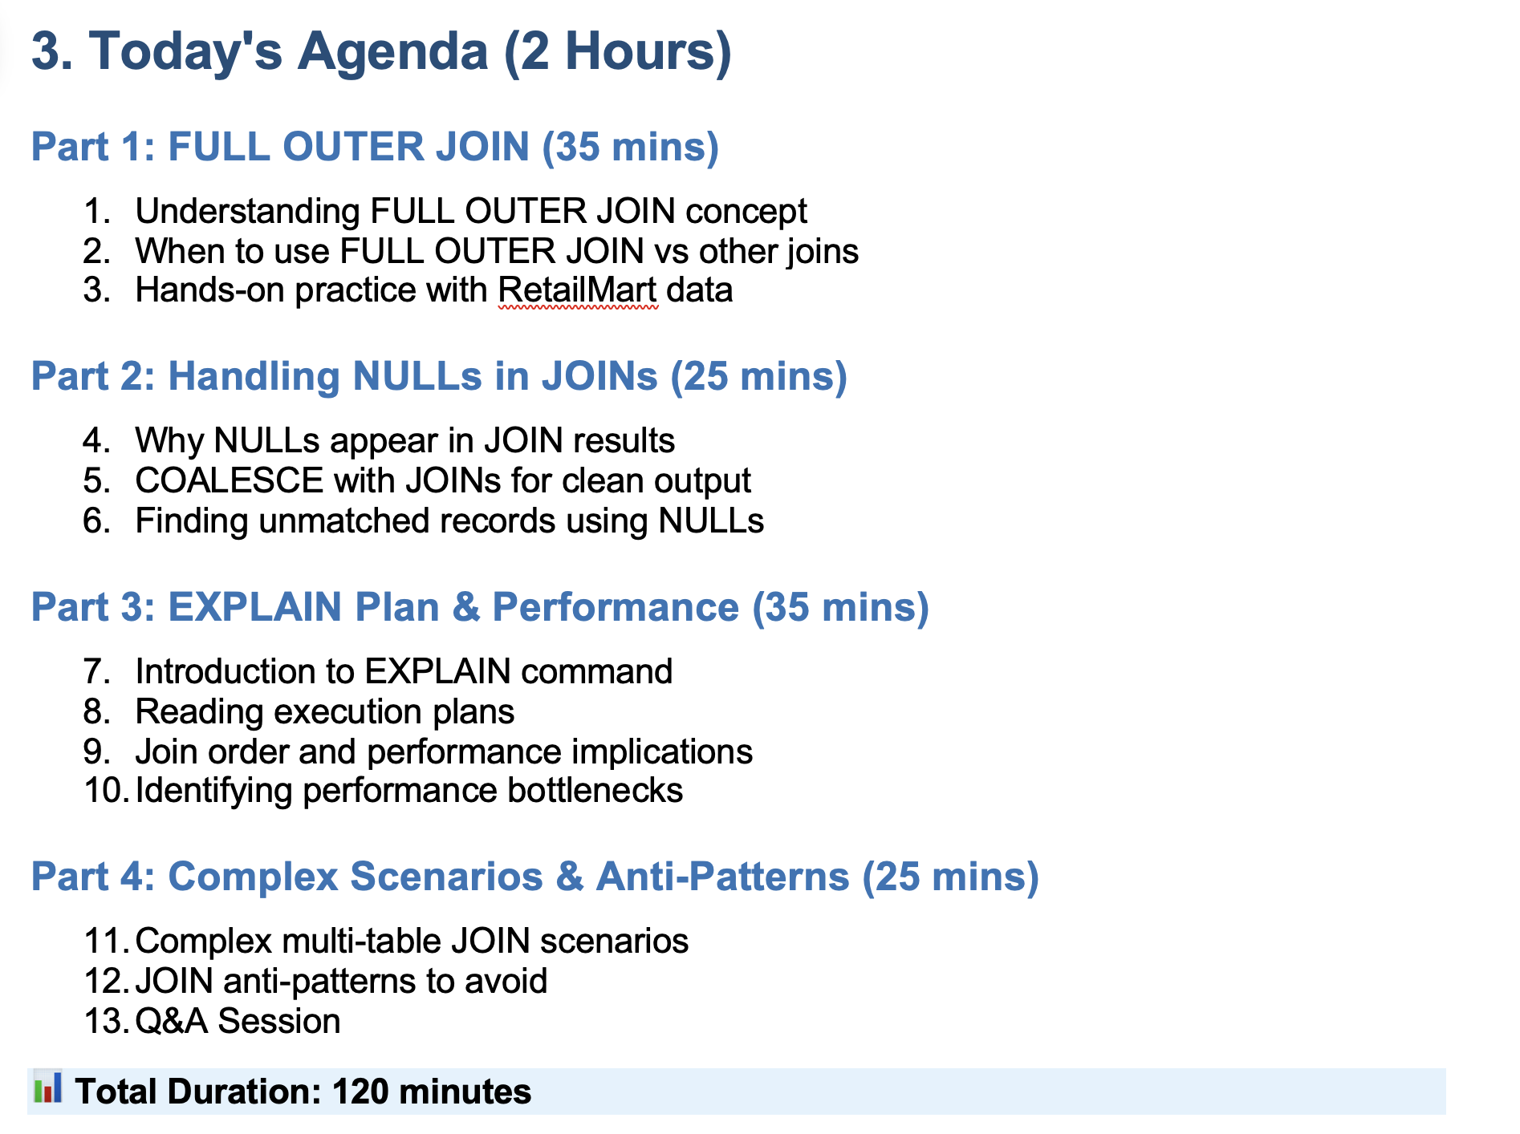

Full Outer Join
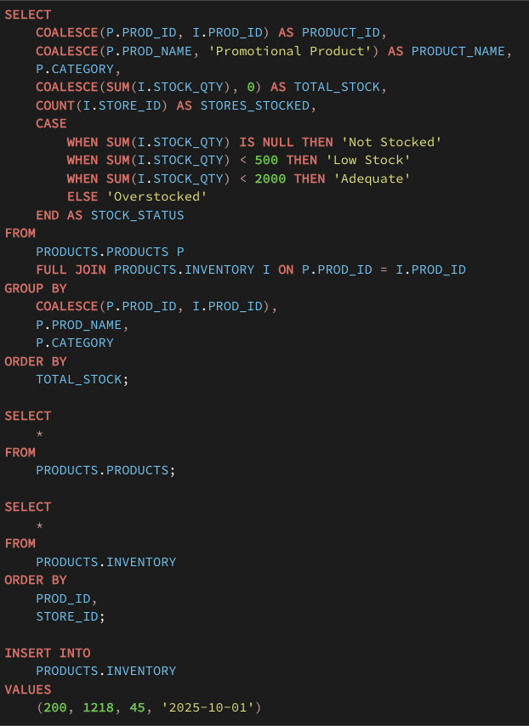
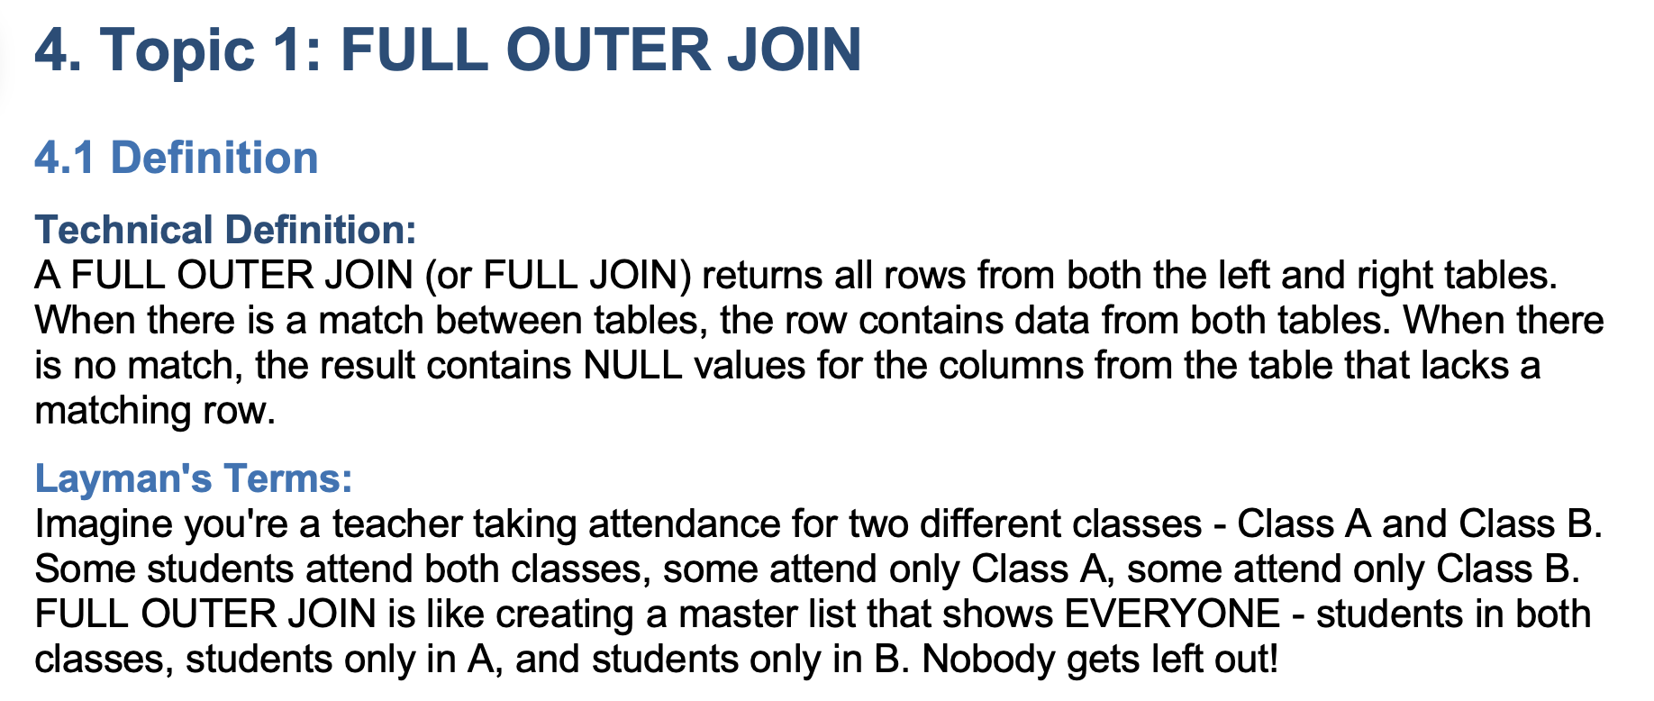

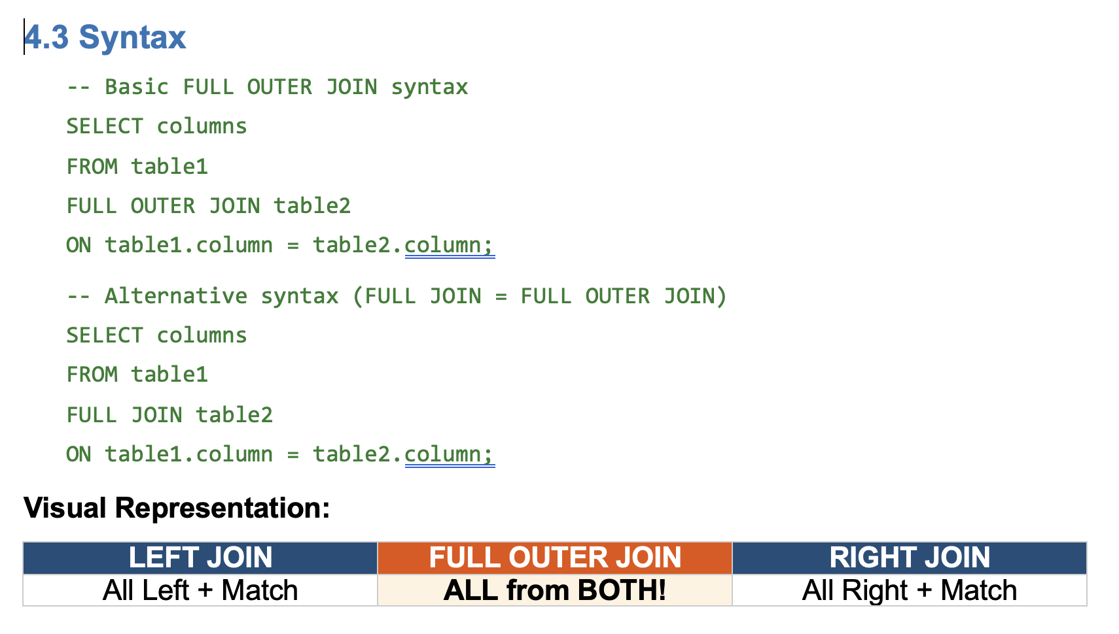

 | Left |  |  | Right | Orders |  |  | Customers
 |  |  |  |  | order_id | cust_id |  | cust_id |  | If we have to find unmatched records from right table
 | Orders |  |  | Customers | 1 | 2 |  | 2 |  | where o.cust_id is NULL
 | order_id | cust_id |  | cust_id | 2 | 2 |  | 2
 | 1 | 2 |  | 1 | 3 | 2 |  | 2 |  | If we have to find unmatched records from left table
 | 2 | 2 |  | 2 | 4 | 3 |  | 3 |  | Where c.cust_id is null
 | 3 | 2 |  | 3 | 5 | 1 |  | 1
 | 4 | 3 |  | 4 | 6 | 1 |  | 1
 | 5 | 1 |  | 5 | NULL | NULL |  | 4
 | 6 | 1 |  | 6 | NULL | NULL |  | 5
 | 7 | -2 |  | 7 | NULL | NULL |  | 6
 | 8 | -2 |  |  | NULL | NULL |  | 7
 | 9 | -1 |  |  | 7 | -2 |  | NULL
 | 10 | -1 |  |  | 8 | -2 |  | NULL

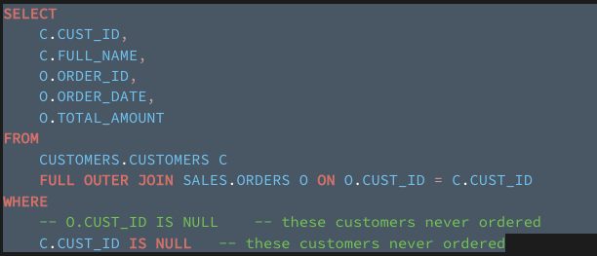

 | products | inventory | case
a | 100 | 90 | new product which is not sent for inventory
b | 100 | 110 | newly launched product for marketing or promotion

 | products |  | inventory |  | products |  | inventory
 | prod_id |  | prod_id | stock_qty | prod_id |  | prod_id
 | 1 |  | 1 | 10 | 1 |  | 1 |  | 1
 | 2 |  | 2 | 5 | 2 |  | 2 |  | 2
 | 3 |  | 3 | 0 | 3 |  | 3 |  | 3
 | 4 |  | 6 | 4 | 4 |  | NULL |  | 4
 | 5 |  | 7 | 5 | 5 |  | NULL |  | 5
 |  |  |  |  | NULL |  | 6 |  | 6
 |  |  |  |  | NULL |  | 7 |  | 7
 | Sugar | 10 Kg
 | Sugar Can | 0 Kg

 | Jaggery

NULL Handing in Joins
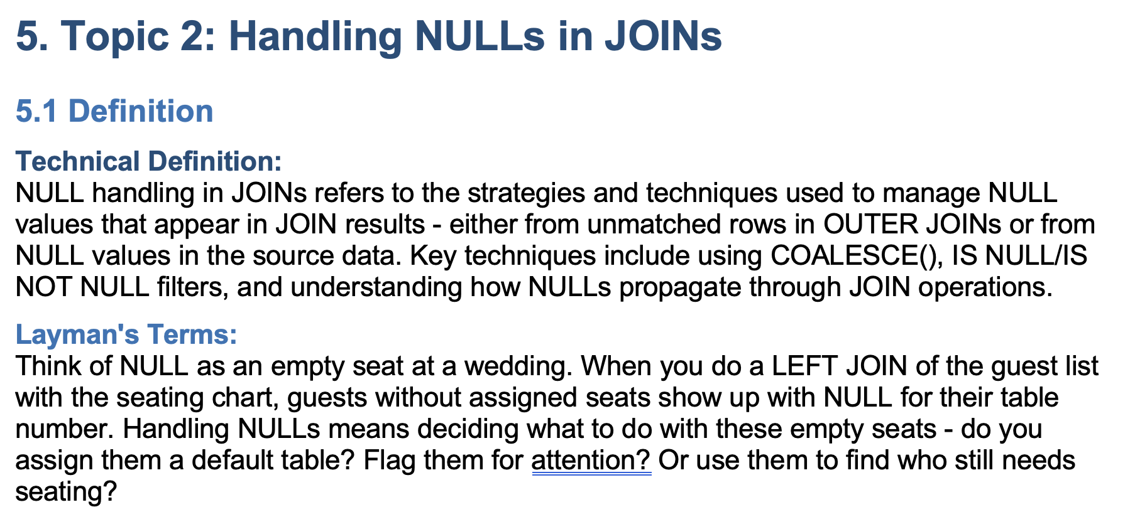

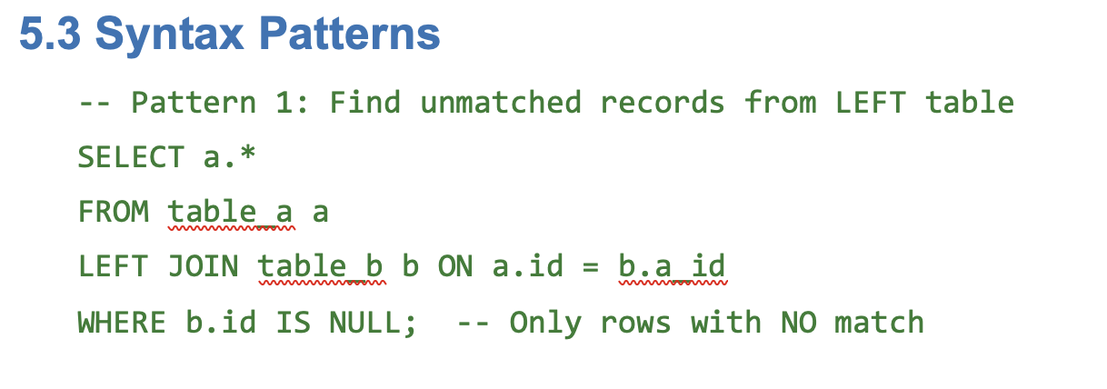

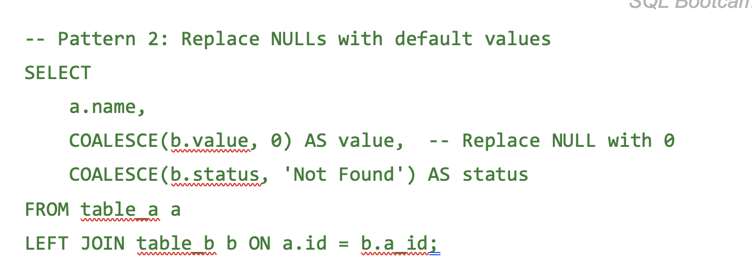

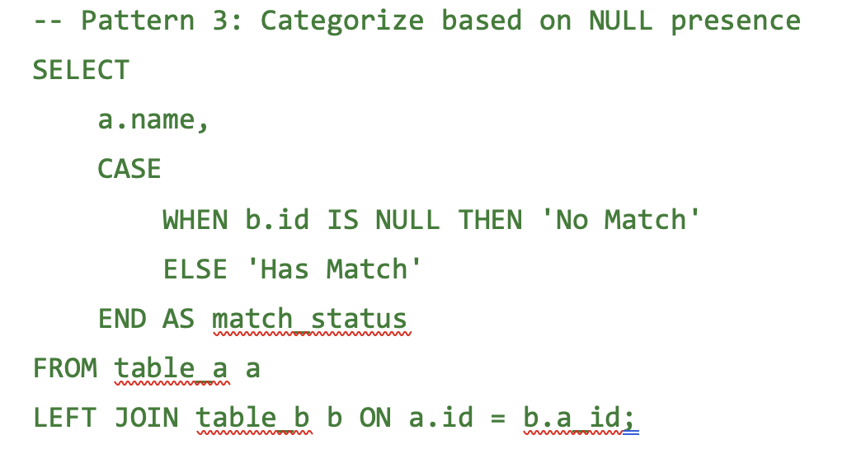

Explain
Google Maps
 | If we are starting any journey start location and destination

 | Route |  |  | Route1 | Route2
 | Estimated Time |  |  | 45 Min | 50 Min
 | Traffic Condition | `+5 Congestion | Road Condition | Medium | Very Good
 |  | Blue | Congestion | 4 min | 10 min
 |  | Orange
 |  | Red |  | 1 Hour 5 min | 45 min

PostgresSQL
 | How queries are executed
 | How DBMS plans to execute the query

 | 100 lines | 10 min
 | 150 lines | 5 min

 | Mummy is making roti | 10 Seconds
 | You are making roti | 2 min

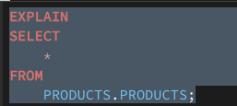
 |  |  |  |  |  | App1 | 2s
 |  |  |  |  |  | App2 | 5s
 |  |  |  |  |  | App3 | 7s
 |  |  |  |  |  | App2 | 1s

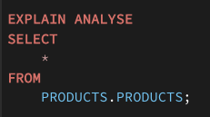
 |  | Bits | 1 0
 |  | 8 Bit | 1 Byte
 |  | 1024 Bytes | 1 KB
 |  | 1024 KB | 1 MB |  |  | Shared Hit | RAM
 |  | 1024 MB | 1 GB |  |  | Shared Read | Hard Disk

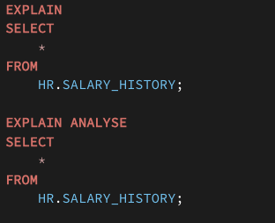

 |  |  |  |  |  |  | Hard Disk

 |  |  |  |  |  |  | RAM

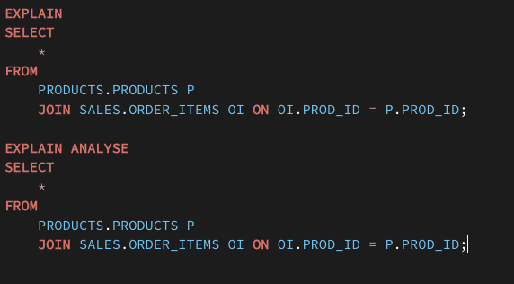

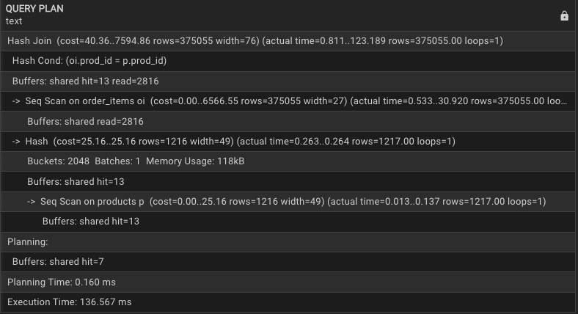

 | Biryani

 | Rice | 1kg | Bowl
 | Chicken | 1kg | Bowl

 |  | Container

Anti Join
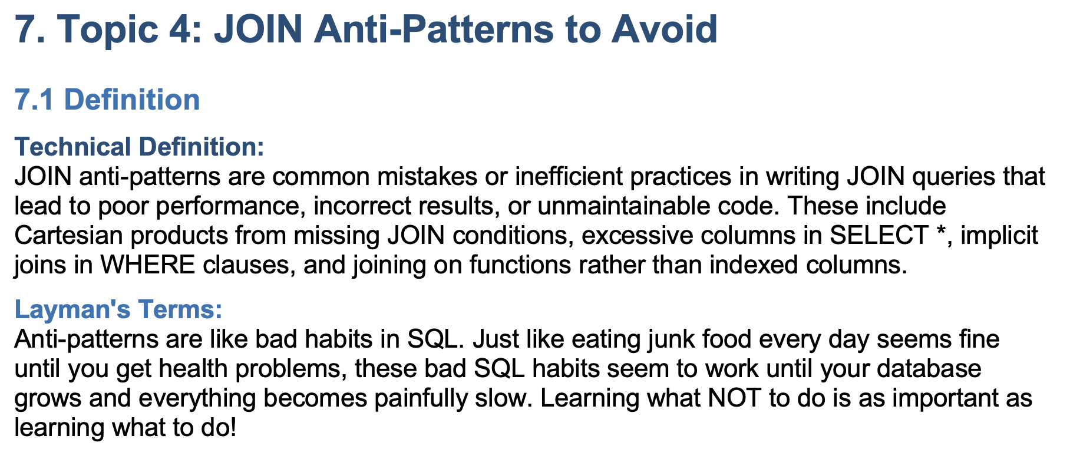

Cartesian Product | Table1 |  | Table2 | Join
Cross Join | 1 |  | 1 | 1 | 1
 | 2 |  | 2 | 1 | 2
 | 3 |  | 3 | 1 | 3
 |  |  | 4 | 1 | 4
 |  |  |  | 2 | 1
 |  |  |  | 2 | 2
 | m |  | n | 2 | 3
 |  |  |  | 2 | 4
 |  | m x n |  | 3 | 1
 |  |  |  | 3 | 2
 |  |  |  | 3 | 3
 |  |  |  | 3 | 4

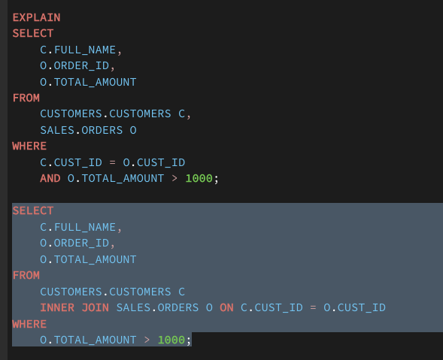

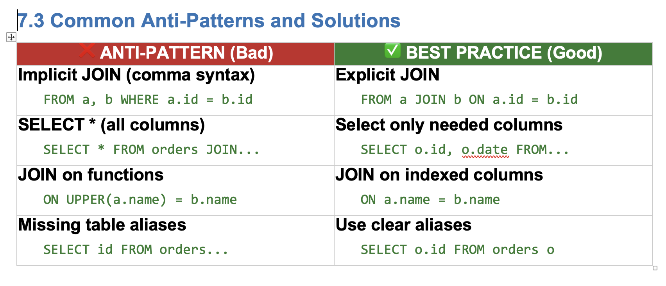

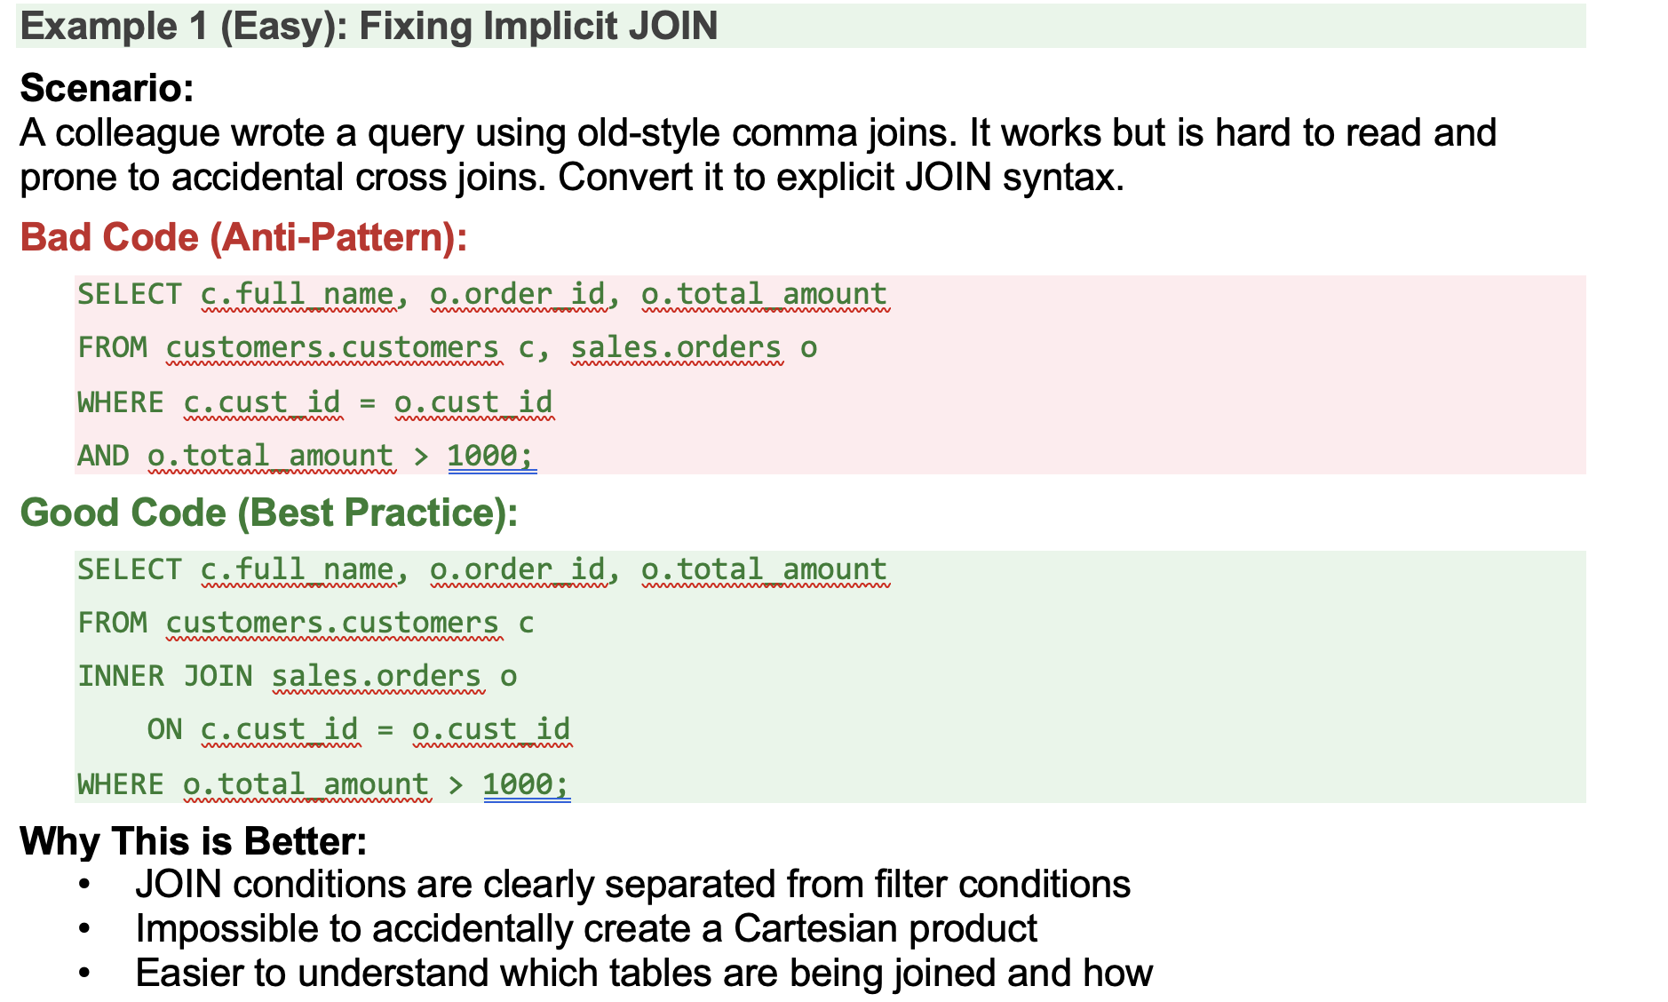

 |  |  |  |  |  | 1kg
 |  |  |  |  |  | 1kg

 |  |  |  |  |  | 10 kg

Summary
