Recap
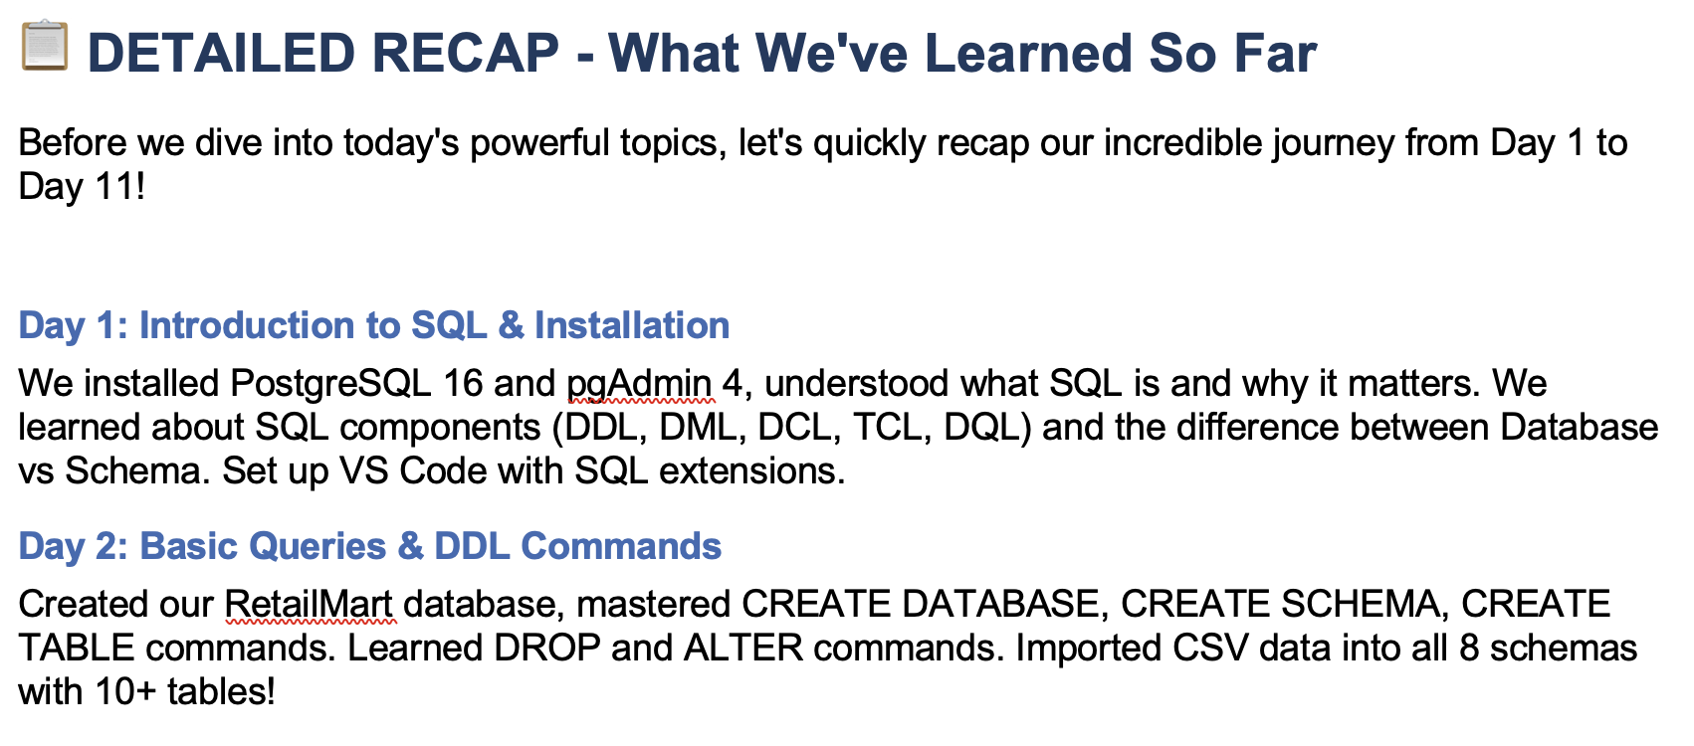

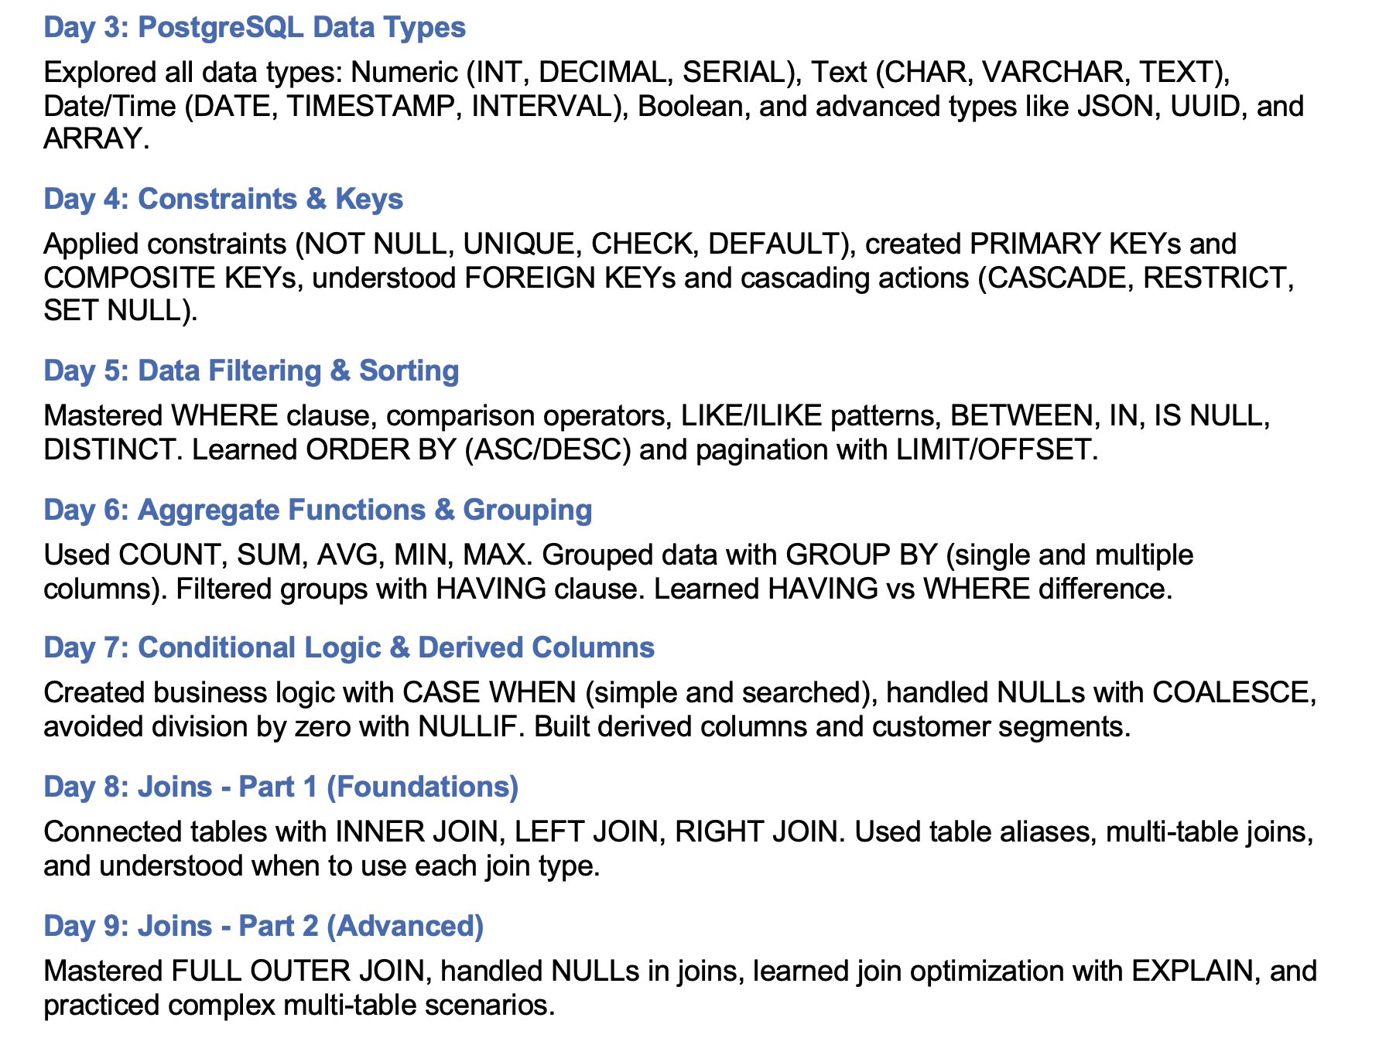

Correlated Subqueries
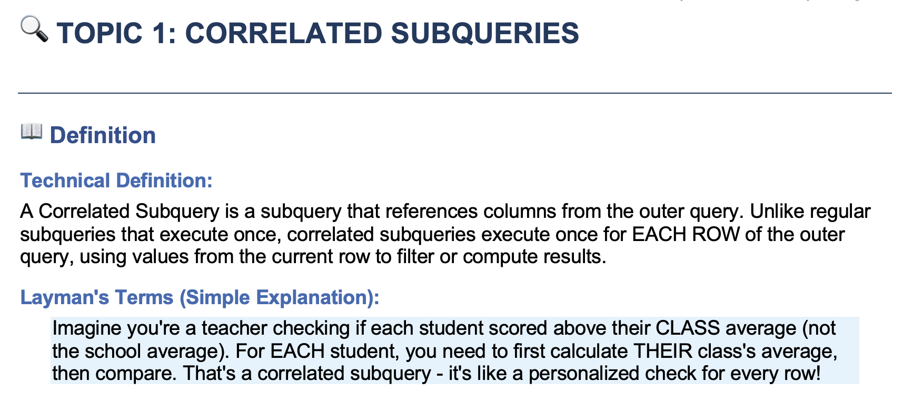
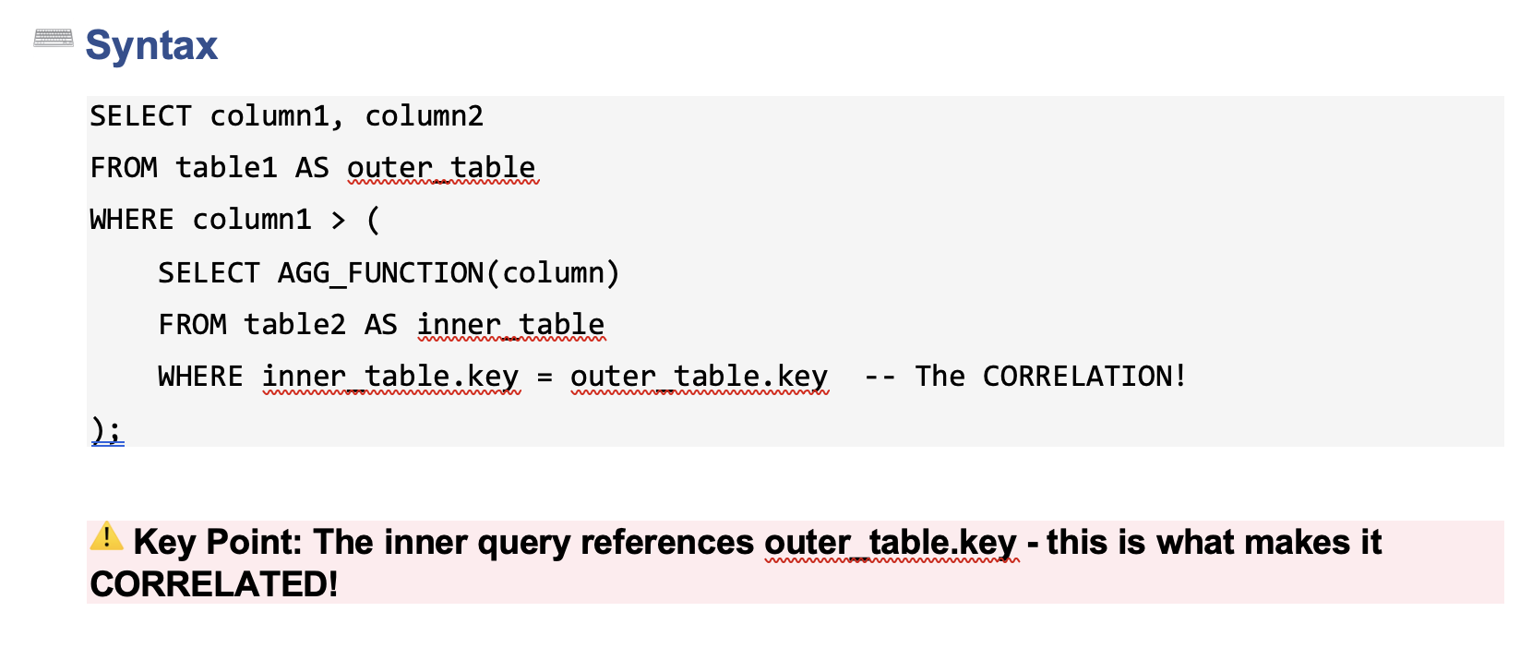
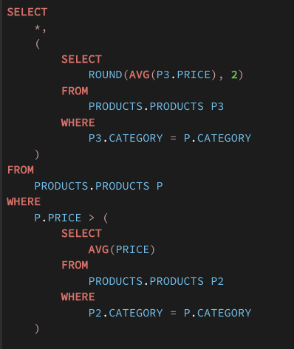
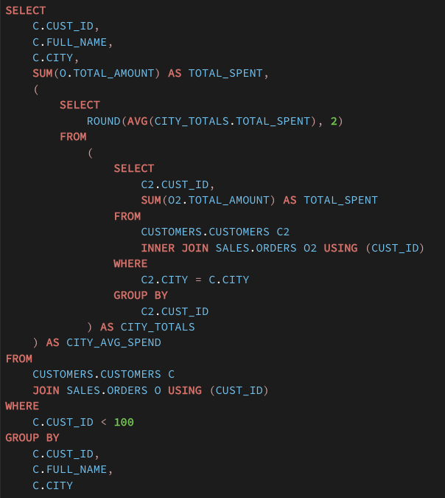
Rahul
 | Science Exhibition
 | You have to create your own project don’t buy it from outside

 | Projects | Part 1 | At Home
 |  | Part 2 | At Home
 |  | Part 3 | Bought from Market

Any_Some_All_Operators
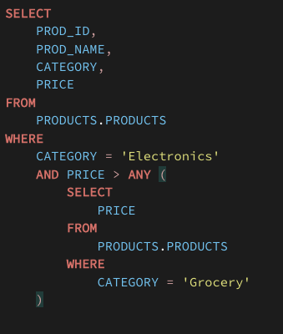
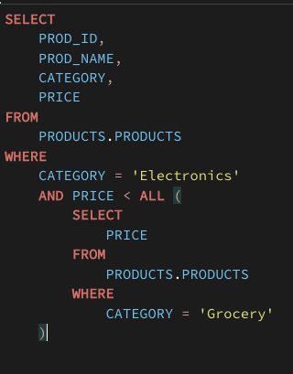
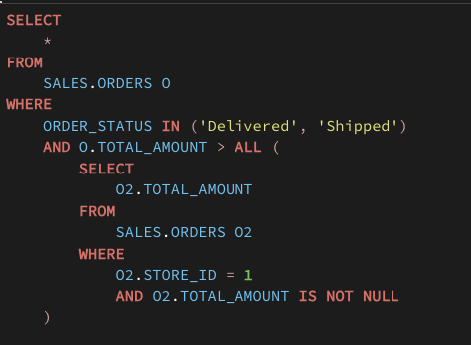
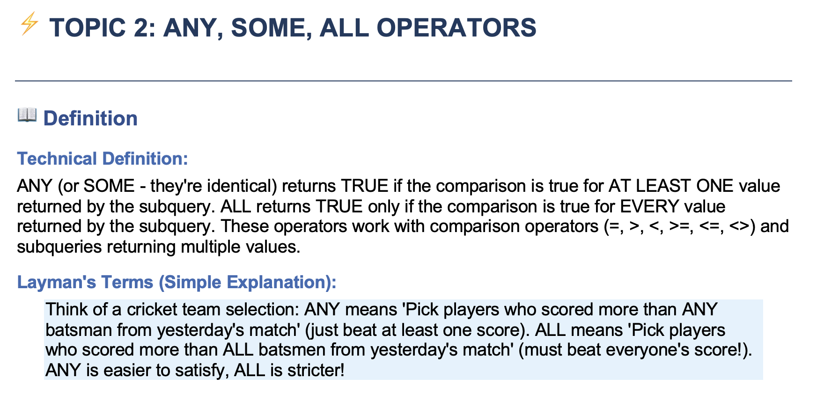

ANY | OR |  | `= > < with multi- value subqueries
ALL | AND |  | IN NOT IN

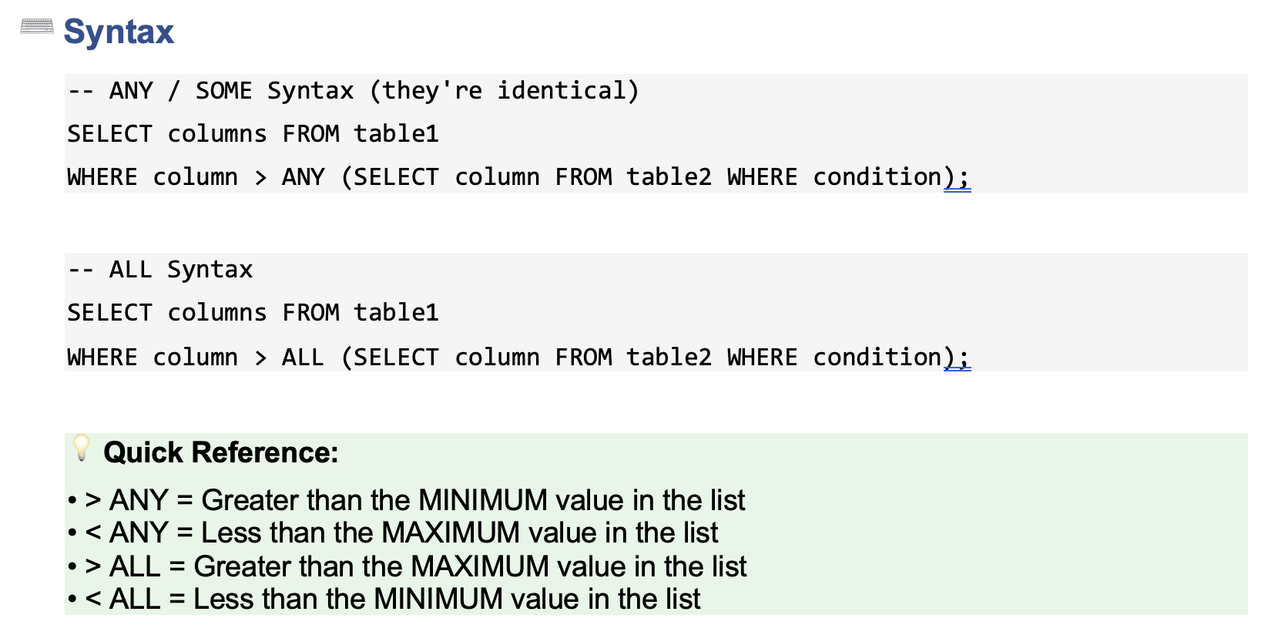

Products |  |  |  | ANY |  |  | AND
prod_id | category | price
1 | Electronics | 100 |  | 100 | 150 | 50 | 100 | 150 | 50
2 | Electronics | 150
3 | Grocery | 200 |  | 0 | 0 | 0
4 | Electronics | 50
5 | Grocery | 25 |  | 1 | 1 | 1
6 | Grocery | 250 |  | 0 | 0 | 0

CTEs
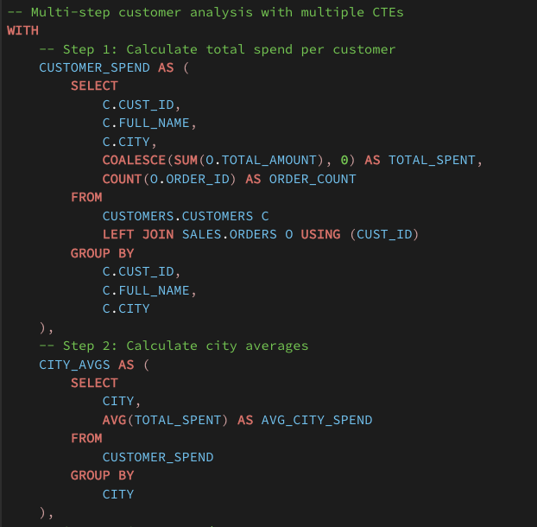
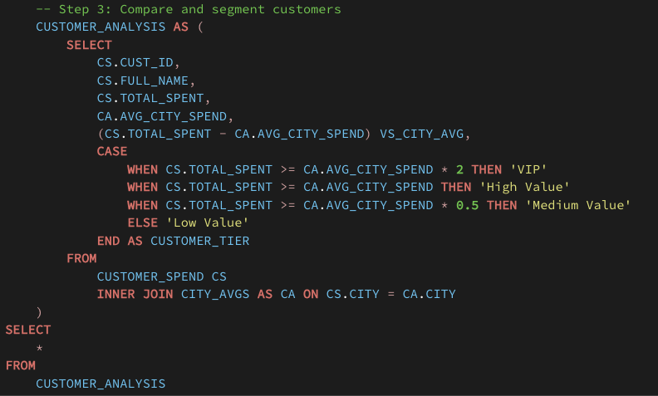
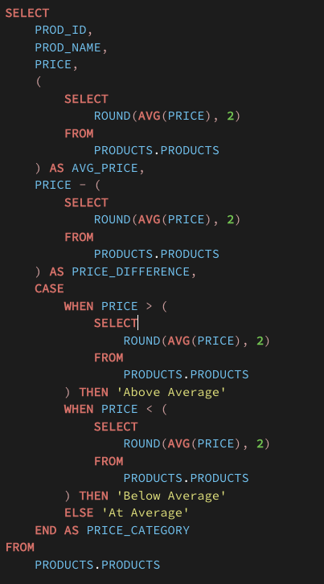

 |  |  |  |  |  |  |  |  | Avg_price

 |  |  |  |  |  |  |  | spro

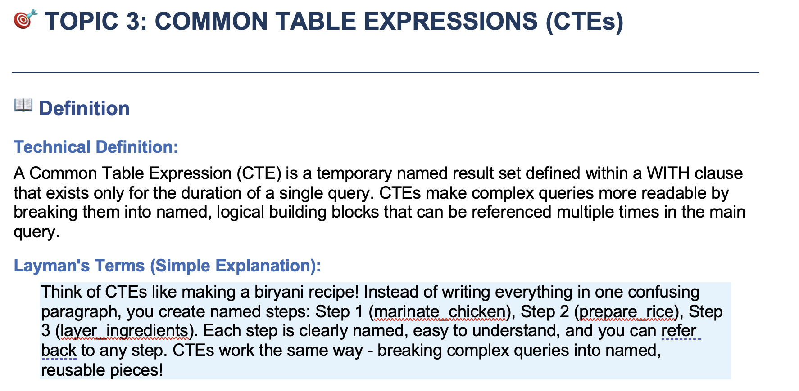

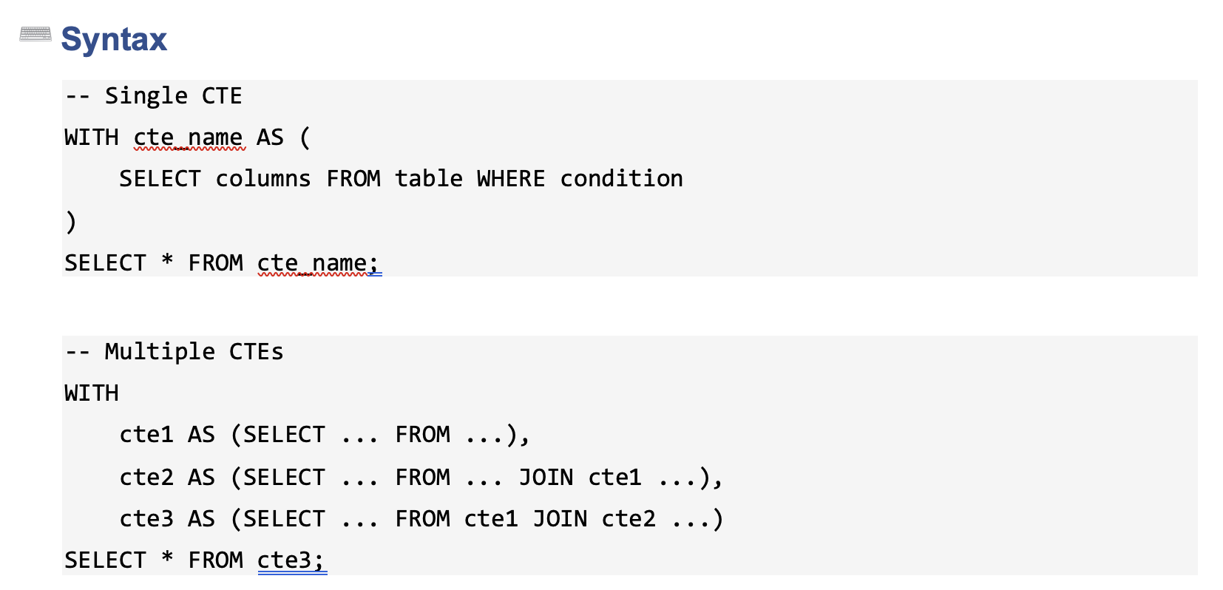

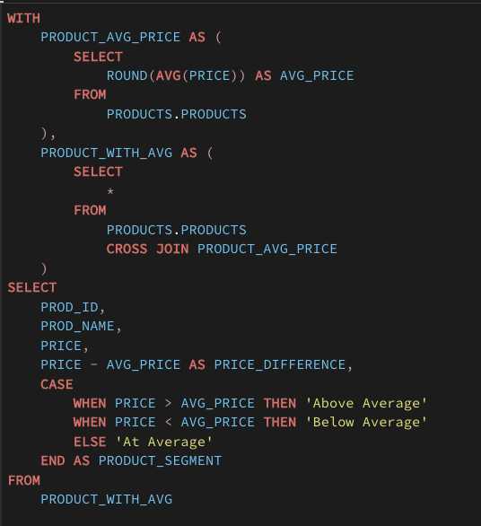

Better Readability
Reuse same logic

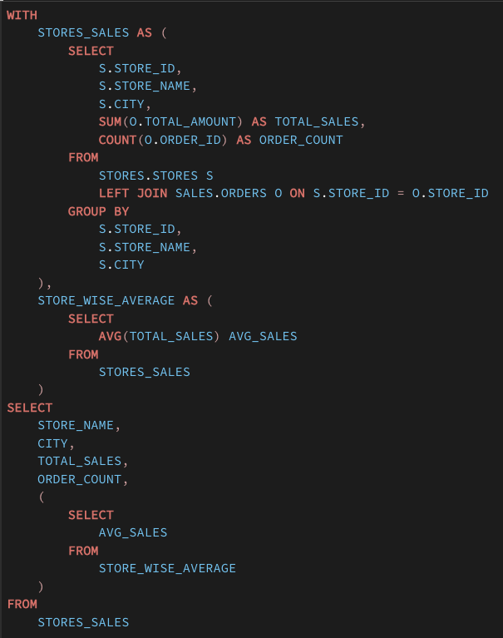

Orders
cust_id | city | amount |  |  | cust_id | total_spend | avg_spent |  | city | total_spend | avg_spent
1 | 1 | 100 |  |  | 1 | 400 | 133.33333333 |  | 1 | 200 | 100
1 | 2 | 200 |  |  | 2 | 700 | 350 |  | 2 | 200 | 200
1 | 1 | 100 |  |  | 3 | 300 | 300 |  | 3 | 1000 | 333.33333333
2 | 3 | 500
3 | 3 | 300
2 | 3 | 200

city | avg_city_spend |  | city | total_spent |  |  | cust_id | customer_city | stores_city
Mangalore | 1014770.9598 |  | Jaipur | 332,704.48 | 1,012,365.84 |  | 1 | 1 | 3
Imphal | 948990.84445 |  | Rourkela | 337,975.56 | 1,048,109.38 |  | 1 | 2 | 3
Bilaspur | 978749.66653 |  | Gwalior | 340,097.26 | 1,017,359.92 |  | 1 | 1 | 1
Bhopal | 998979.54461 |  | Mangalore | 337,012.25 | 1,014,770.96 |  | 2 | 3 | 1
Puri | 997854.83388 |  | Dhanbad | 334,513.26 | 1,014,540.21 |  | 3 | 1 | 2
Bhubaneswar | 999454.26265 |  | Karimnagar | 324,099.92 | 1,012,047.87 |  | 2 | 3 | 2
Kanpur | 972913.10953 |  | Warangal | 337,795.55 | 1,006,822.62
Gandhinagar | 1023091.6409 |  | Imphal | 330,063.42 | 948,990.84
Rajkot | 1016912.4139 |  | Bilaspur | 332,558.59 | 978,749.67
Muzaffarpur | 1041404.2896 |  | Delhi | 339,262.88 | 1,018,258.55
Udupi | 1002989.5985 |  | Bhopal | 328,242.31 | 998,979.54
Aizawl | 954292.2363 |  | Thane | 329,411.06 | 988,233.17
Udaipur | 943207.49938 |  | Port Blair | 342,928.68 | 1,010,959.37
Jamshedpur | 1018964.8707 |  | Bengaluru | 339,488.75 | 998,212.67
Indore | 1005201.4881 |  | Dehradun | 345,220.04 | 1,046,780.65
Srinagar | 1045611.6283 |  | Ludhiana | 333,981.17 | 998,515.56
Mumbai | 1000464.784 |  | Puri | 339,652.50 | 997,854.83
Prayagraj | 1018215.4334 |  | Bhubaneswar | 340,148.40 | 999,454.26
Pune | 998654.35941 |  | Agra | 335,244.73 | 987,499.12
Leh | 1007228.2381 |  | Surat | 337,000.44 | 1,060,273.10
Trichy | 992435.52284 |  | Kanpur | 337,501.87 | 972,913.11
Nagpur | 1026708.6896 |  | Cuttack | 338,690.33 | 1,032,459.23
Patiala | 986744.26336 |  | New Delhi | 339,775.80 | 1,012,355.24
Shimla | 1017637.1351 |  | Ranchi | 333,500.61 | 986,860.78
Panaji | 1022262.5796 |  | Gandhinagar | 340,555.57 | 1,023,091.64
Siliguri | 1004813.2053 |  | Rajkot | 334,108.83 | 1,016,912.41
Vadodara | 1014256.7666 |  | Varanasi | 333,119.65 | 1,025,789.10
Agartala | 1009740.5063 |  | Chennai | 337,146.94 | 1,023,312.19
Jodhpur | 1020478.4936 |  | Nashik | 338,263.53 | 1,034,946.17
Mysuru | 999166.87261 |  | Muzaffarpur | 343,822.41 | 1,041,404.29
Salem | 1020447.0498 |  | Kota | 333,032.06 | 1,027,773.95
Meerut | 999699.35909 |  | Udupi | 334,015.35 | 1,002,989.60
Jaipur | 1012365.8365 |  | Patna | 342,076.73 | 1,019,784.59
Rourkela | 1048109.3779 |  | Aizawl | 337,010.43 | 954,292.24
Gwalior | 1017359.9151 |  | Noida | 341,075.70 | 1,027,002.86
Dhanbad | 1014540.2138 |  | Hyderabad | 339,302.88 | 1,012,475.83
Karimnagar | 1012047.8709 |  | Udaipur | 333,945.17 | 943,207.50
Warangal | 1006822.6201 |  | Indore | 331,109.08 | 1,005,201.49
Delhi | 1018258.5469 |  | Jamshedpur | 342,994.26 | 1,018,964.87
Thane | 988233.16797 |  | Srinagar | 333,950.85 | 1,045,611.63
Port Blair | 1010959.3734 |  | Gaya | 343,579.72 | 1,046,144.23
Dehradun | 1046780.6465 |  | Mumbai | 332,211.75 | 1,000,464.78
Bengaluru | 998212.67409 |  | Prayagraj | 337,080.45 | 1,018,215.43
Ludhiana | 998515.56246 |  | Amritsar | 331,661.77 | 1,017,764.28
Agra | 987499.12197 |  | Pune | 336,432.68 | 998,654.36
Surat | 1060273.1026 |  | Guwahati | 336,038.13 | 1,010,610.95
Cuttack | 1032459.2253 |  | Raipur | 335,941.27 | 996,738.24
New Delhi | 1012355.244 |  | Lucknow | 338,431.72 | 1,018,268.21
Ranchi | 986860.7759 |  | Leh | 324,636.37 | 1,007,228.24
Varanasi | 1025789.1002 |  | Trichy | 336,573.00 | 992,435.52
Chennai | 1023312.1949 |  | Shillong | 340,706.57 | 1,009,206.65
Nashik | 1034946.1739 |  | Nagpur | 340,222.16 | 1,026,708.69
Kota | 1027773.9527 |  | Erode | 339,720.59 | 1,005,987.02
Patna | 1019784.5921 |  | Kolkata | 339,364.28 | 1,019,043.44
Noida | 1027002.8595 |  | Patiala | 336,482.97 | 986,744.26
Hyderabad | 1012475.8293 |  | Shimla | 346,844.25 | 1,017,637.14
Gaya | 1046144.2308 |  | Ahmedabad | 338,537.42 | 1,008,994.22
Amritsar | 1017764.2778 |  | Panaji | 334,751.75 | 1,022,262.58
Guwahati | 1010610.9507 |  | Chandigarh | 351,103.12 | 1,049,140.59
Raipur | 996738.24393 |  | Coimbatore | 333,715.72 | 976,774.66
Lucknow | 1018268.2059 |  | Siliguri | 332,368.27 | 1,004,813.21
Shillong | 1009206.6456 |  | Howrah | 336,752.30 | 999,393.92
Erode | 1005987.0211 |  | Vadodara | 329,778.09 | 1,014,256.77
Kolkata | 1019043.4439 |  | Agartala | 339,452.83 | 1,009,740.51
Ahmedabad | 1008994.2205 |  | Madurai | 347,331.51 | 1,046,900.33
Chandigarh | 1049140.5915 |  | Jodhpur | 339,451.20 | 1,020,478.49
Coimbatore | 976774.65506 |  | Mysuru | 333,207.36 | 999,166.87
Howrah | 999393.91551 |  | Salem | 332,833.98 | 1,020,447.05
Madurai | 1046900.331 |  | Haridwar | 334,114.92 | 989,934.78
Haridwar | 989934.78011 |  | Meerut | 336,865.52 | 999,699.36

Summary
