Recap
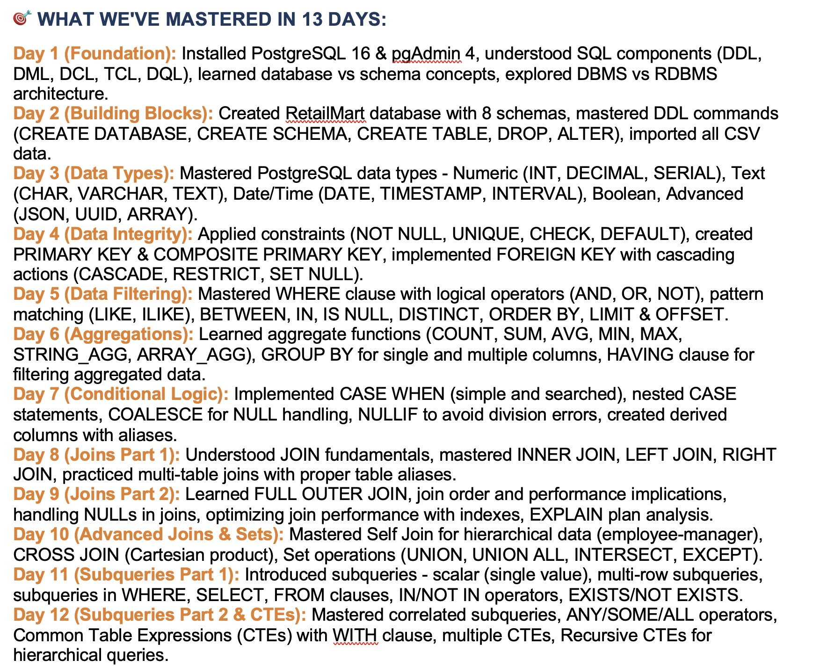

Over
 | Partion by
 | Order by

Lag_Lead
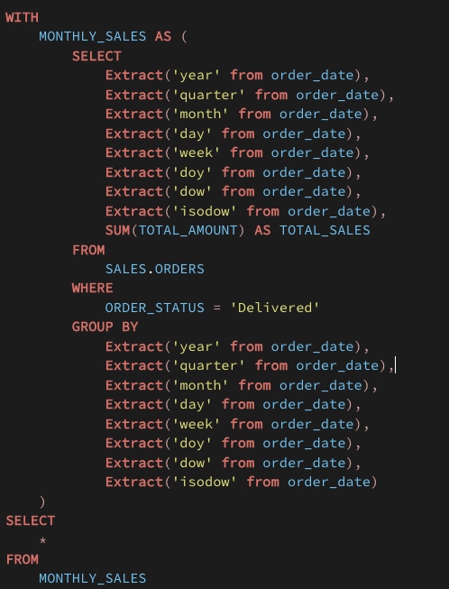
Orders |  |  |  | I want to find day by day growth %

order_date | sales
31/01/2026 | 3152 | 0 |  | order_date | sales | previous_day_sale | current_day_growth | Next_day_growth
01/02/2026 | 2146 | -31.92% |  | 31/01/2026 | 3152 | 0 | #DIV/0! | -31.92%
02/02/2026 | 4328 | 101.68% |  | 01/02/2026 | 2146 | 3152 | -31.92% | 101.68%
03/02/2026 | 4670 | 7.90% |  | 02/02/2026 | 4328 | 2146 | 101.68% | 7.90%
04/02/2026 | 4712 | 0.90% |  | 03/02/2026 | 4670 | 4328 | 7.90% | 0.90%
05/02/2026 | 1808 | -61.63% |  | 04/02/2026 | 4712 | 4670 | 0.90% | -61.63%
06/02/2026 | 1625 | -10.12% |  | 05/02/2026 | 1808 | 4712 | -61.63% | -10.12%
07/02/2026 | 1906 | 17.29% |  | 06/02/2026 | 1625 | 1808 | -10.12% | 17.29%
08/02/2026 | 3246 | 70.30% |  | 07/02/2026 | 1906 | 1625 | 17.29% | 70.30%
09/02/2026 | 1982 | -38.94% |  | 08/02/2026 | 3246 | 1906 | 70.30% | -38.94%
10/02/2026 | 4730 | 138.65% |  | 09/02/2026 | 1982 | 3246 | -38.94% | 138.65%
 |  |  |  | 10/02/2026 | 4730 | 1982 | 138.65% | -100.00%

 |  |  |  | order_date | sales | next_day_sale | Next_day_growth
 |  |  |  | 31/01/2026 | 3152 | 2146 | -31.92%
 |  |  |  | 01/02/2026 | 2146 | 4328 | 101.68%
 |  |  |  | 02/02/2026 | 4328 | 4670 | 7.90%
 |  |  |  | 03/02/2026 | 4670 | 4712 | 0.90%
 |  |  |  | 04/02/2026 | 4712 | 1808 | -61.63%
 |  |  |  | 05/02/2026 | 1808 | 1625 | -10.12%
 |  |  |  | 06/02/2026 | 1625 | 1906 | 17.29%
 |  |  |  | 07/02/2026 | 1906 | 3246 | 70.30%
 |  |  |  | 08/02/2026 | 3246 | 1982 | -38.94%
 |  |  |  | 09/02/2026 | 1982 | 4730 | 138.65%
 |  |  |  | 10/02/2026 | 4730 | 0 | -100.00%

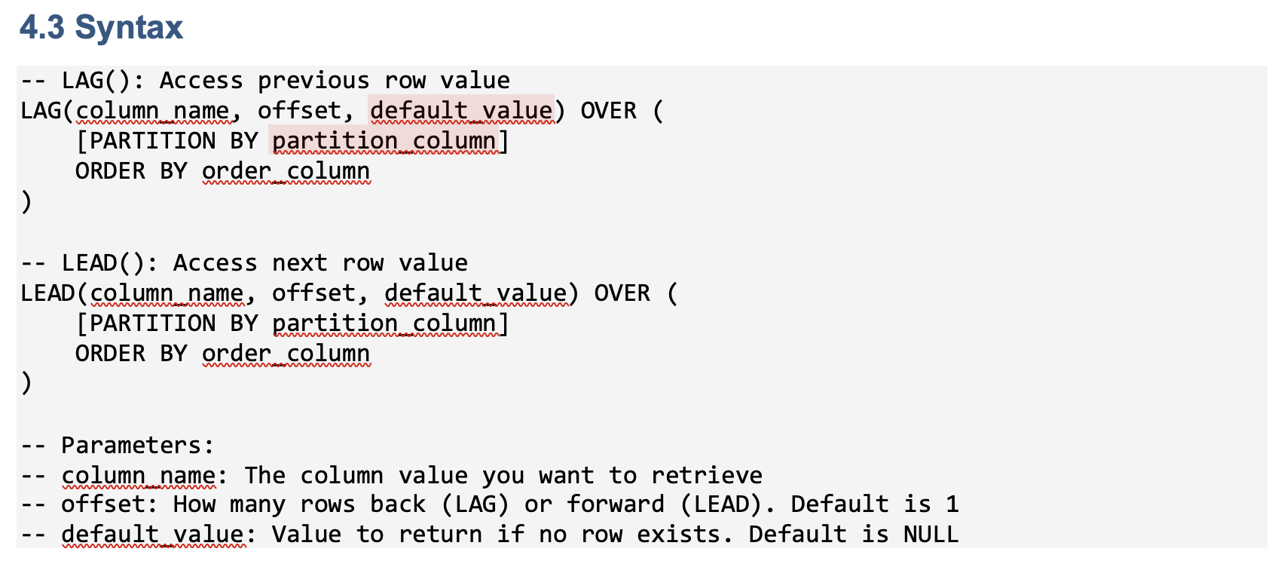

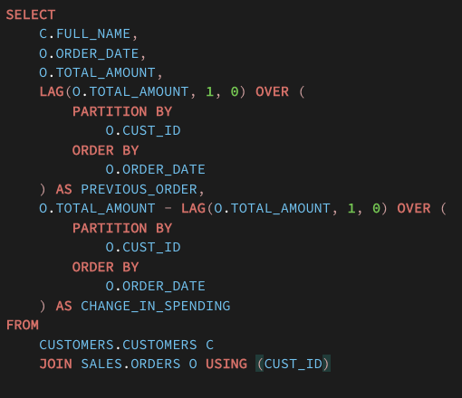

Siraj Ali

name | 5
 | Siraj
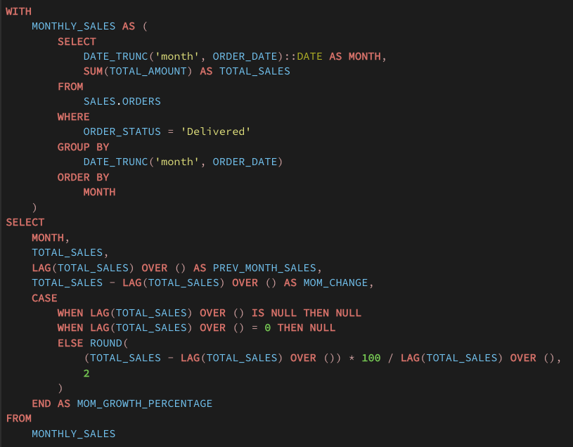

 |  | Sunday | 0 | 7
 |  | Monday | 1 | 1
 |  | Tuesday | 2 | 2
 |  | Wednesday | 3 | 3
 |  | Thursday | 4 | 4
 |  | Friday | 5 | 5
 |  | Saturday | 6 | 6

Nth_value
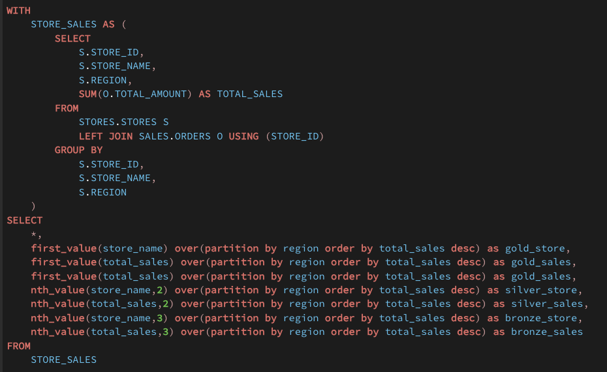
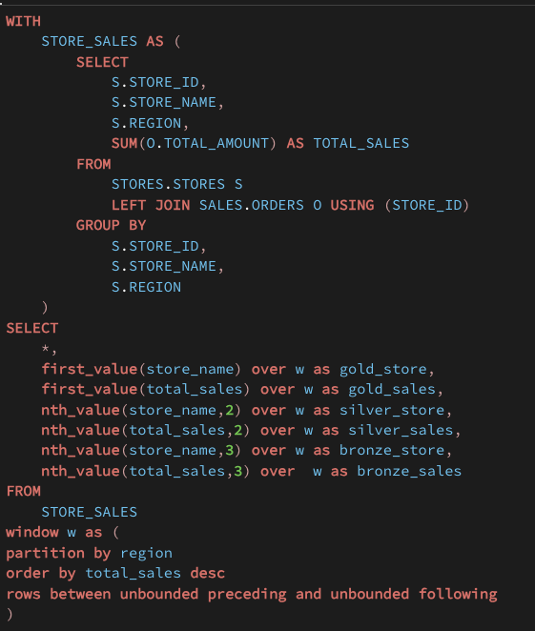
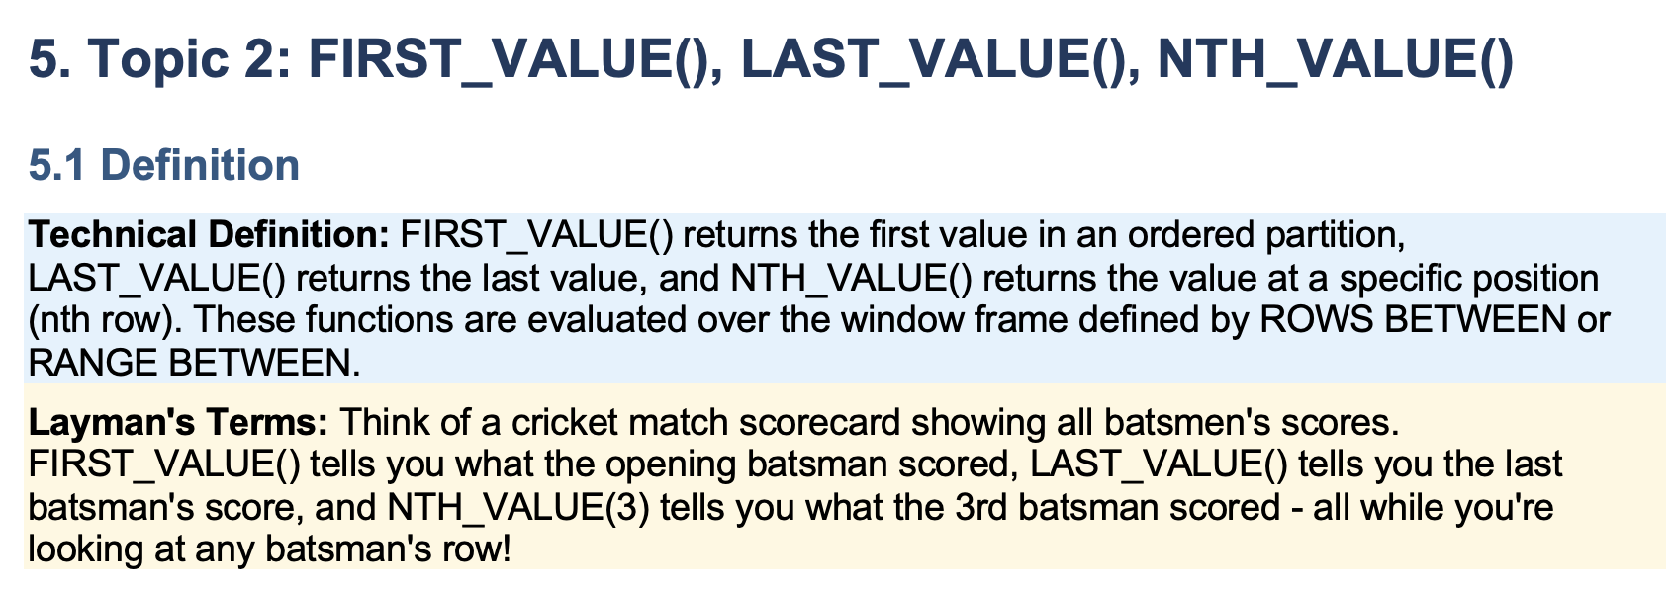

 | 10 |  |  |  | Dept
 | 100 |  |  |  | 1
 | 1000 |  |  |  | 1
 | 10000 |  |  |  | 1
 |  |  |  |  | 2
 |  |  |  |  | 2
 |  |  |  |  | 2
 |  |  |  |  | 2
 |  |  |  |  | 2
 |  |  |  |  | 3
 |  |  |  |  | 3

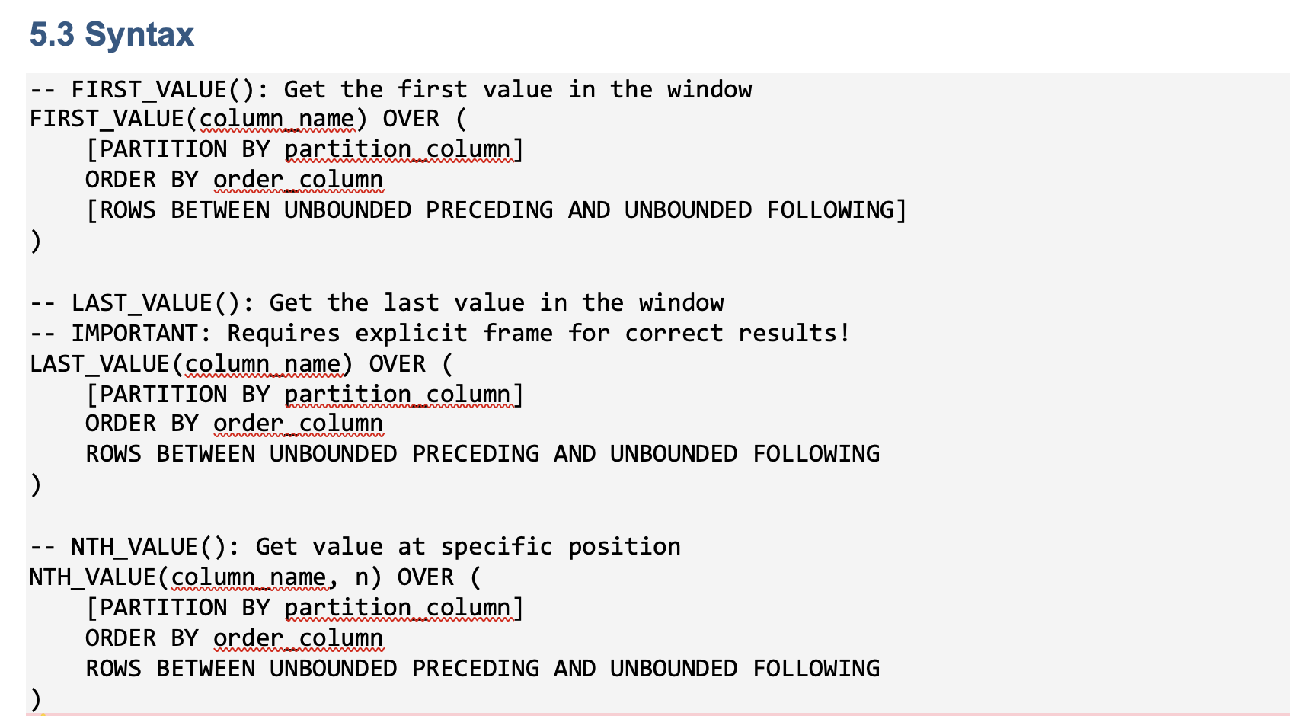

 | Windows
 |  | ROWS
 |  | RANGE
 |  | GROUPS

 |  | ROWS
 |  |  | Start | End
 |  |  | Beginning | End | Of that partition

 | rows between 3 preceding and current row

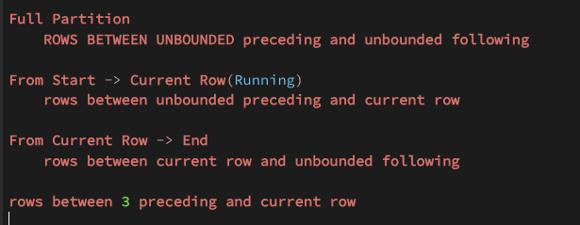

Starting |  |  |  |  |  |  | Partition

Ending

 | Unbounded | Unbounded | Current | 3 | Current | 3
 | Preceding | Preceding | Row | Preceding | Row | Preceding

 | Unbounded | Current | Unbounded | Current | 3 | 2
 | Following | Row | Following | Row | Following | Following

Window_frames
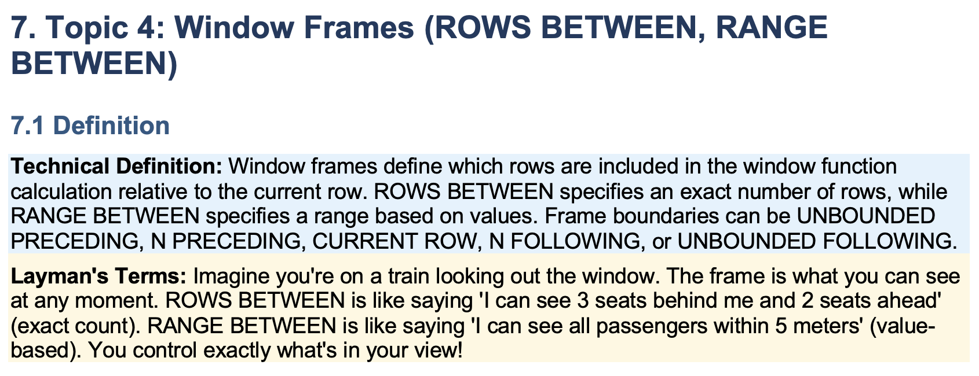

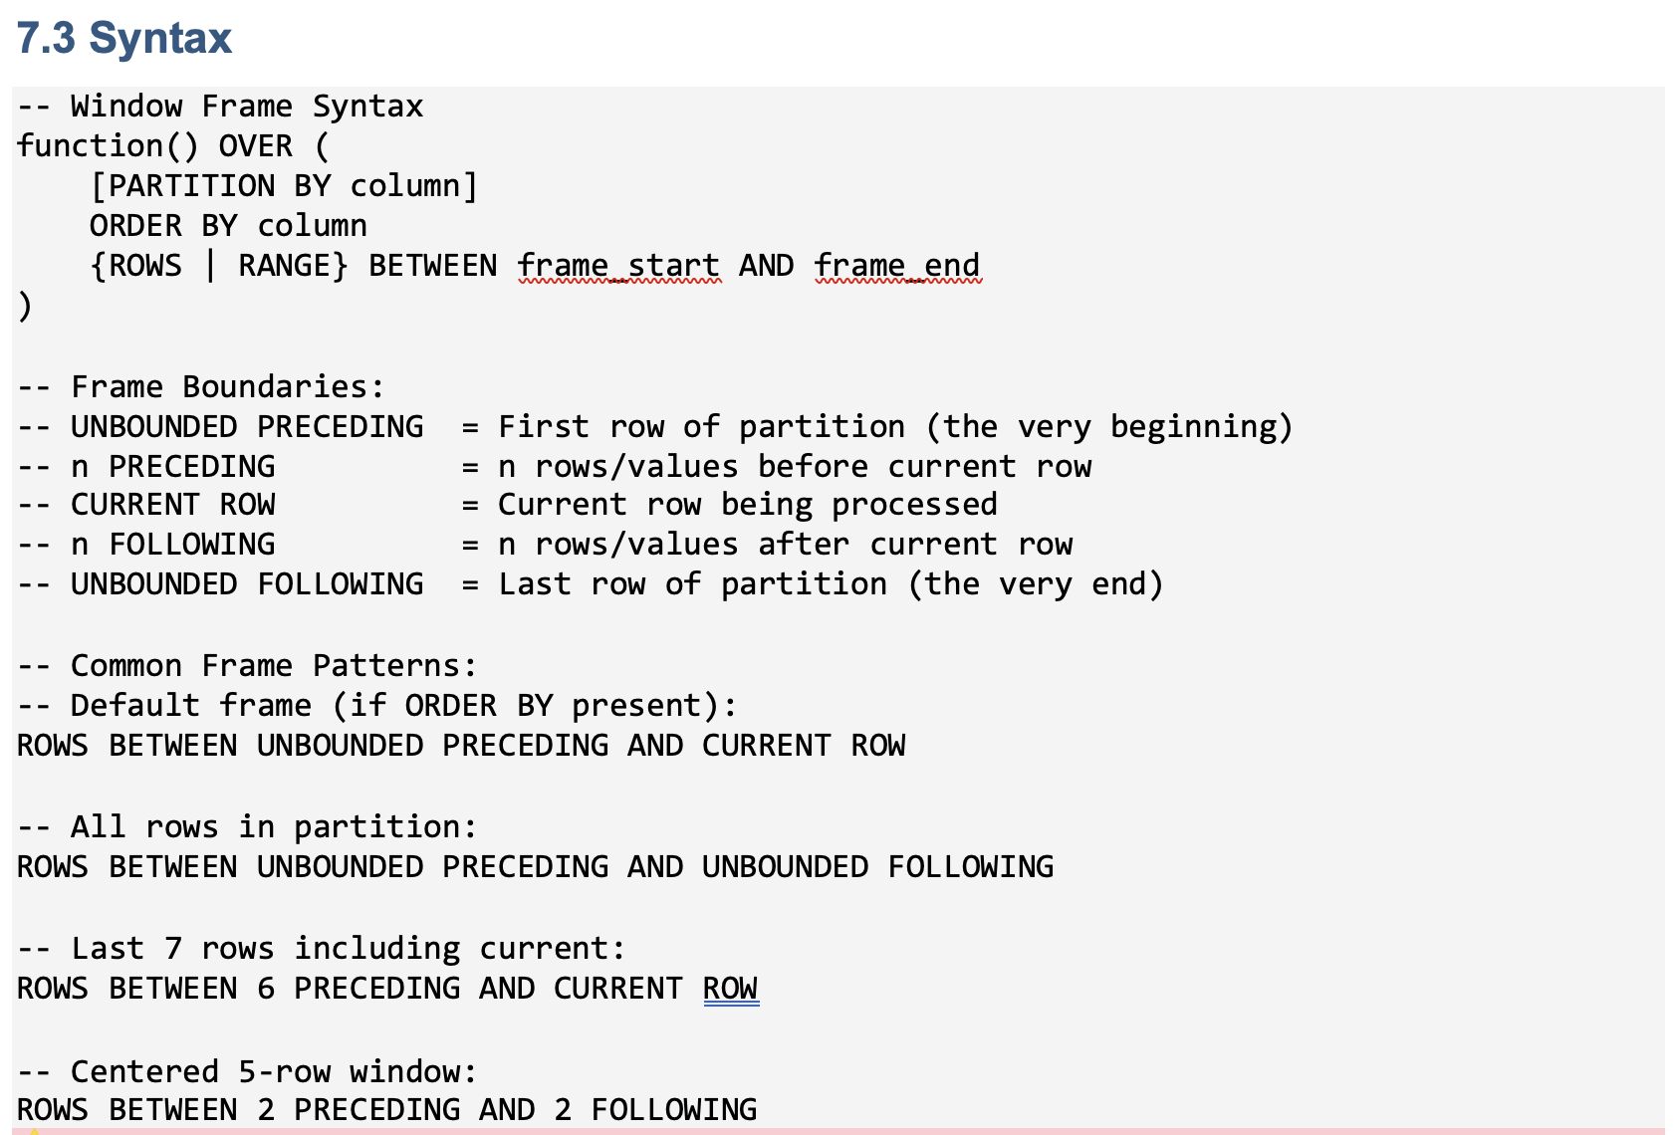

Ntile Percent_rank
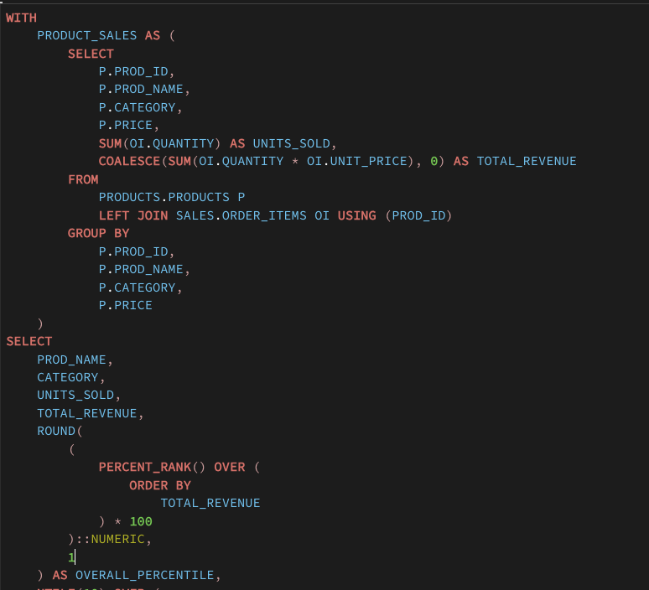
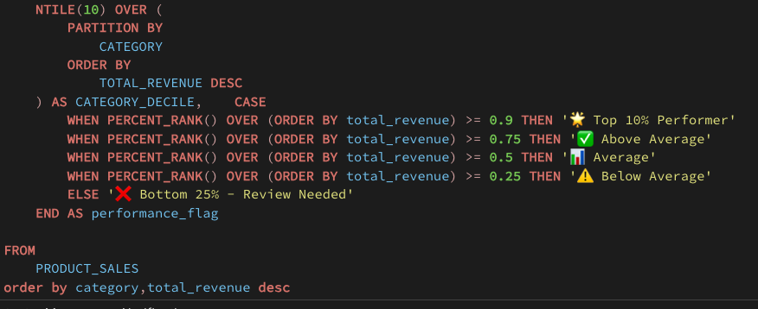
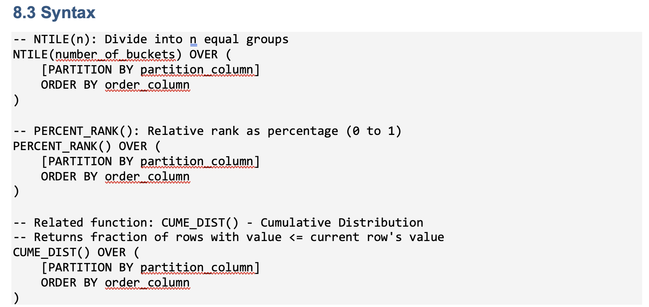

 |  |  |  |  | bins | buckets
 |  | 1 |  | 1-10
 |  | 100 |  | 10-20
 |  |  |  | 20-30

182 |  |  | 114 | 1 | 1 | 114 | 0 | 0% | 0 | Min
114 |  |  | 114 | 1 | 2 |  | 0 | 100%
156 |  |  | 121 | 2 | 3 |  | 0.285
137 |  |  | 137 | 2 | 4 |  | 0.428 |  | 0.5 | Median
114 |  |  | 156 | 3 | 5 |  | 0.571
121 |  |  | 160 | 3 | 6 |  | 0.714
160 |  |  | 182 | 4 | 7 |  | 0.857
183 |  |  | 183 | 4 | 8 |  | 1 |  | 1 | Max

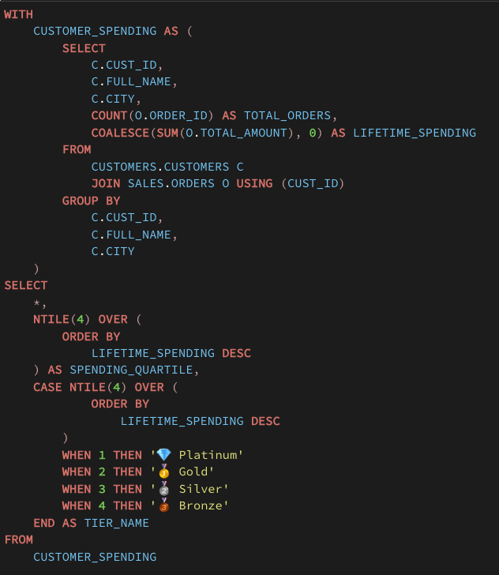

ASCII |  |  | 1 |  | I
UTF |  |  | 2 |  | II
 |  |  | 3 |  | III

char | 5 | AB | AB\0\0\0
varchar | 5 | AB | AB

Summary
