Recap
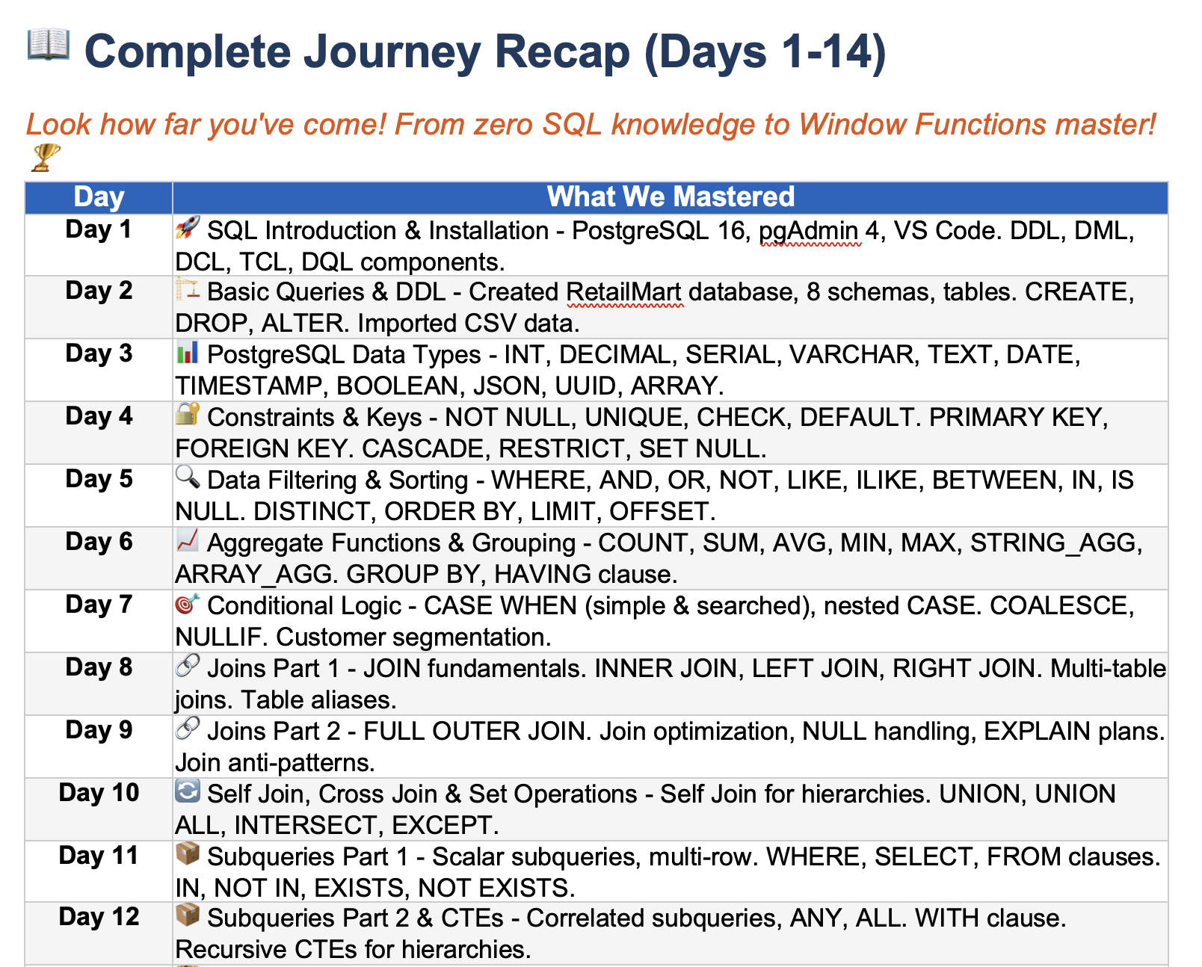

Agenda
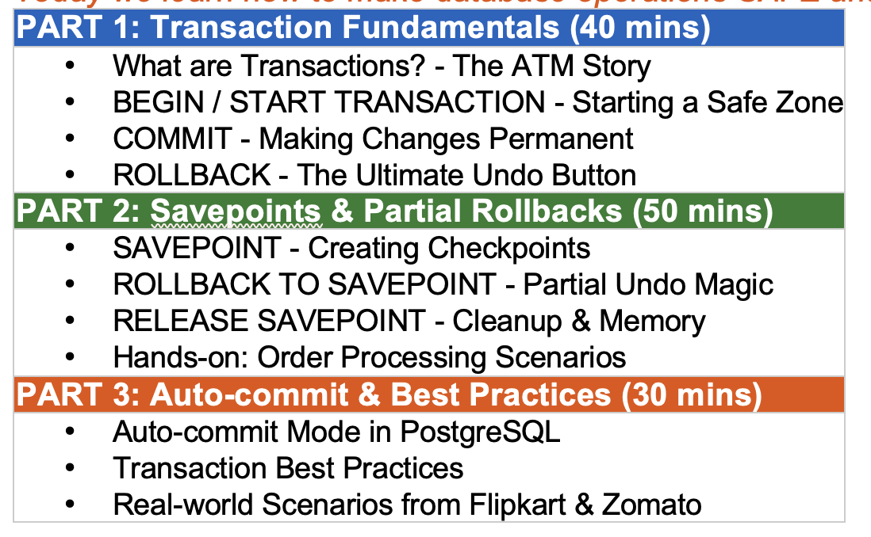

Discussion
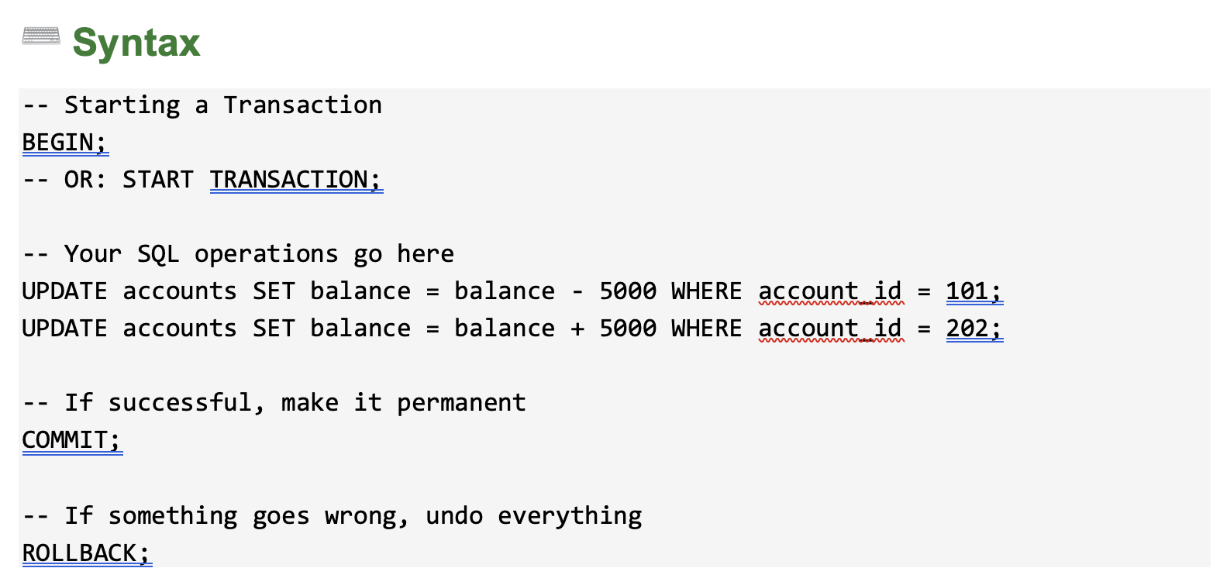
Types Of Command

 | DDL | create | alter | drop | truncate
 | DML | insert | update | delete
 | DQL | select
 | DCL | grant | revoke
 | TCL | begin | commit | rollback | savepoint

 |  |  |  |  |  |  |  | Some Other Also | Try
Cricket |  |  |  |  |  |  |  | Private Property | Iron Box
2 Years

Bat
Ball
Stumps

2 years

SQL |  |  |  |  |  | Eldest
Mummy
 |  |  |  |  |  | Middle

 |  |  |  |  |  | Youngest

 |  |  |  |  |  | Siraj | Insert Into table
 |  |  |  |  |  | Venkat | Insert Into table
 |  |  |  |  |  | Yash | Insert Into table
 |  |  |  |  |  | Ritika | Insert Into table
 |  |  |  |  |  | Jaya | Insert Into table

 |  | Mobile |  | Laptop

 |  |  | No Tick | Not Sent yet
 |  | Send | One tick | Sent to whatsapp server
 |  |  | Two Tick | Delievred to th user
 |  |  | Blue Tick | Read by the user

 | TCL

 |  | Diwali
 |  |  | Rohan send 5000 to his sister priya

 |  |  |  | Initiate the transaction |  | Initiate the transaction
 |  |  |  | They will deduct 5000 from Rohan |  | They will deduct 5000 from Rohan
 |  |  |  | Deposit the 5000 to His sisters wallet |  | Deposit the 5000 to His sisters wallet
 |  |  |  | Success |  | Fail
 |  |  |  |  |  | Refund

 |  |  | Excel
 |  | Begin | Open The excel
 |  |  | Created the chart
 |  |  | created pivot table
 |  |  | Added the data from github
 |  | Commit | Ctrl S
 |  | Rollback | Ctrl Z
 |  | Savepoint | CTrl Z Ctrl Z Ctrl Z

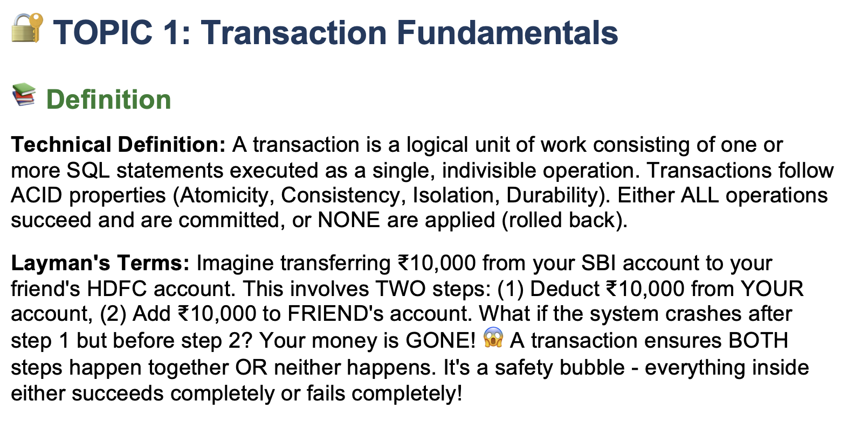

 | Created a table
 | primary key |  | 1
 |  | Insert
 |  | Insert
 |  | Insert | 1
 |  | Insert
 |  | Insert
 |  | Insert

Transaction Fundamental
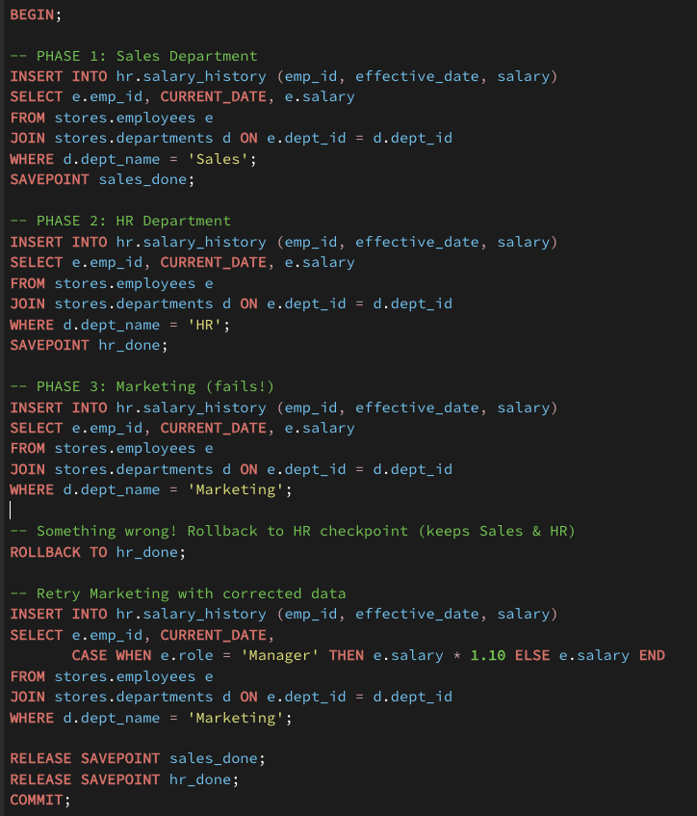
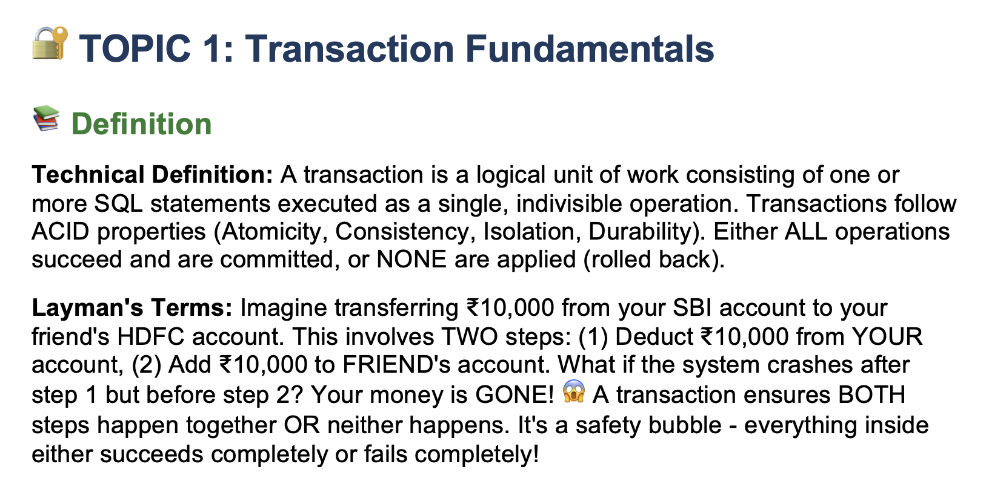

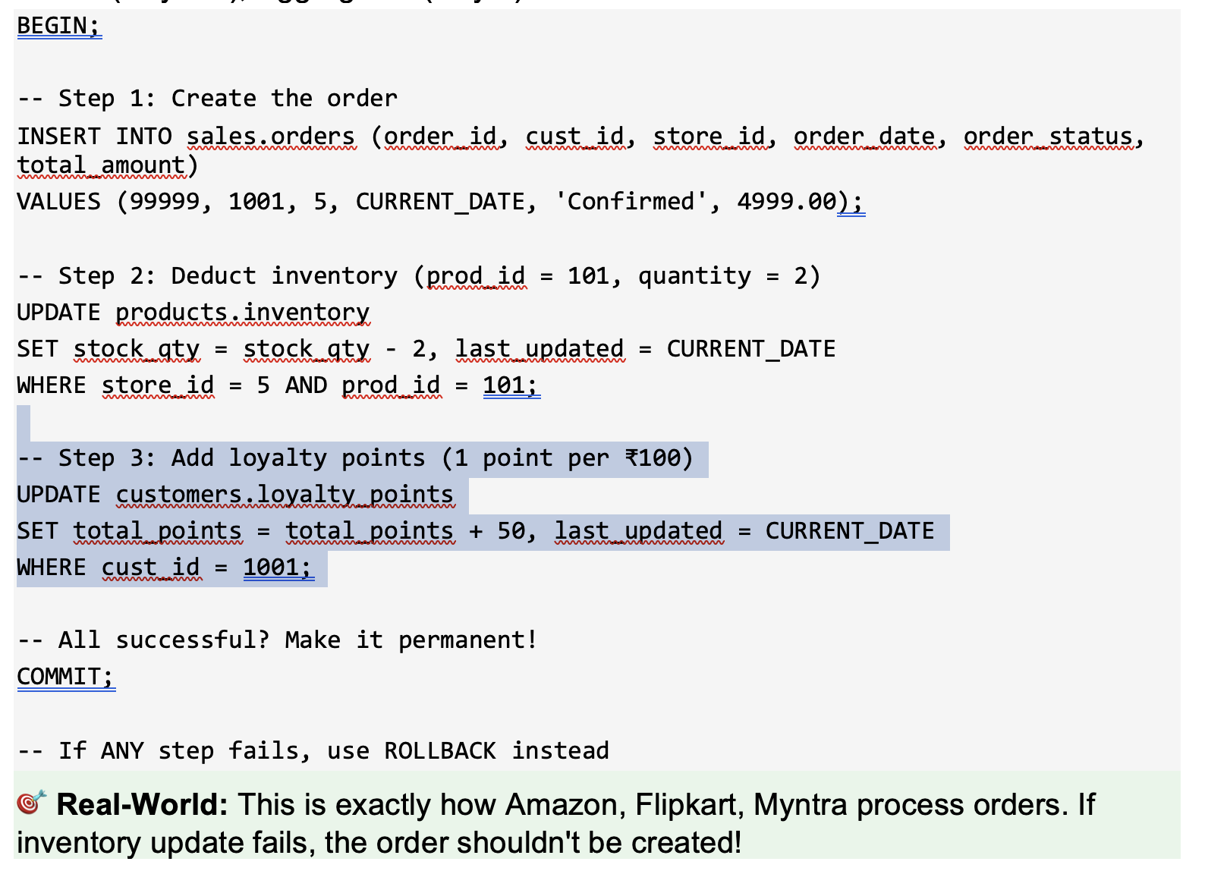

Rollback | Ctrl Z |  | Last Step | Last Transaction
 |  |  |  |  | Chapter 1 |  | Save This progress
Savepoint |  |  |  |  | Chapter 2 |  |  | Last Saved Point
 | Restore Point
 | Time Machine

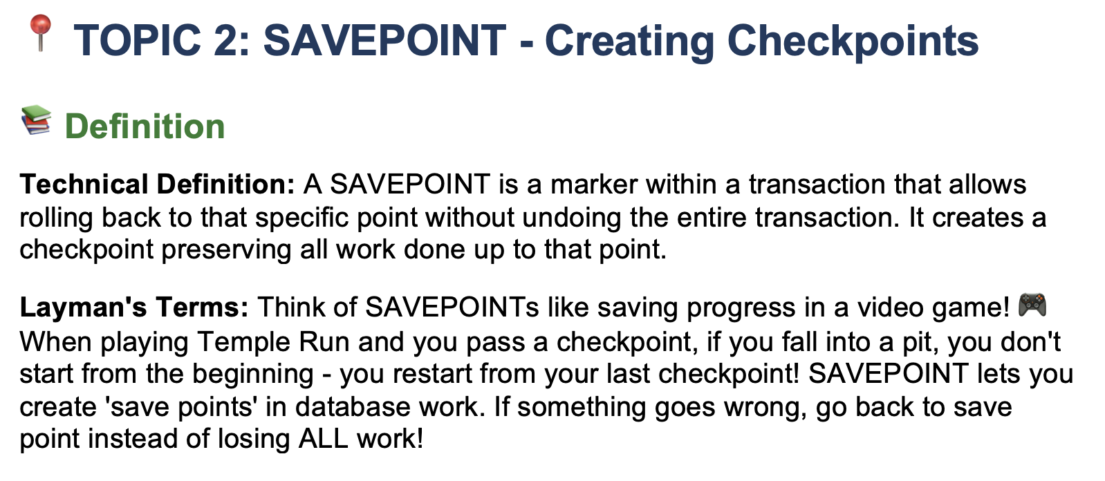

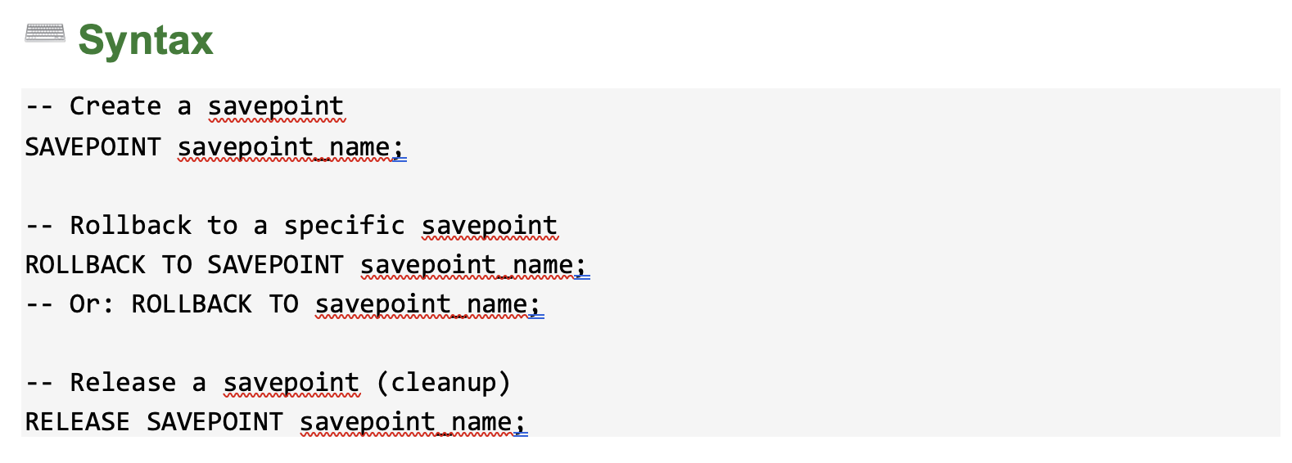

Placed an order |  | Insert into orders
 |  | insert into order_items
 |  | update the inventory
 |  | we have to insert into payments
 |  | we can update the loyalty point also

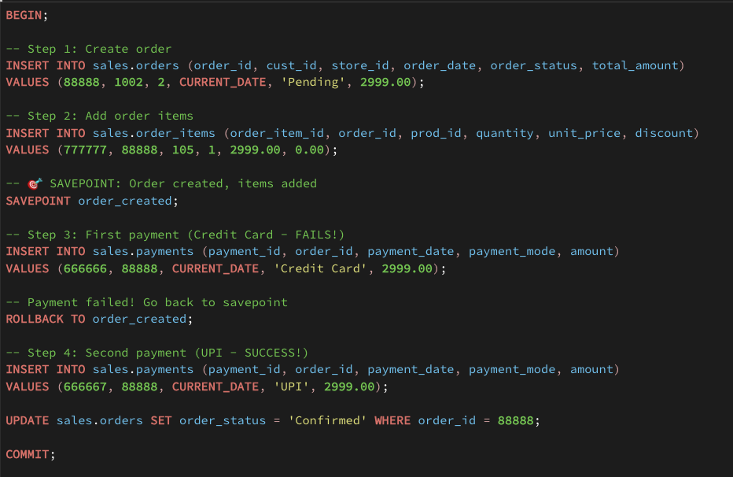

 |  |  |  |  |  | Marathon | 10k

Auto Commit
