Recap
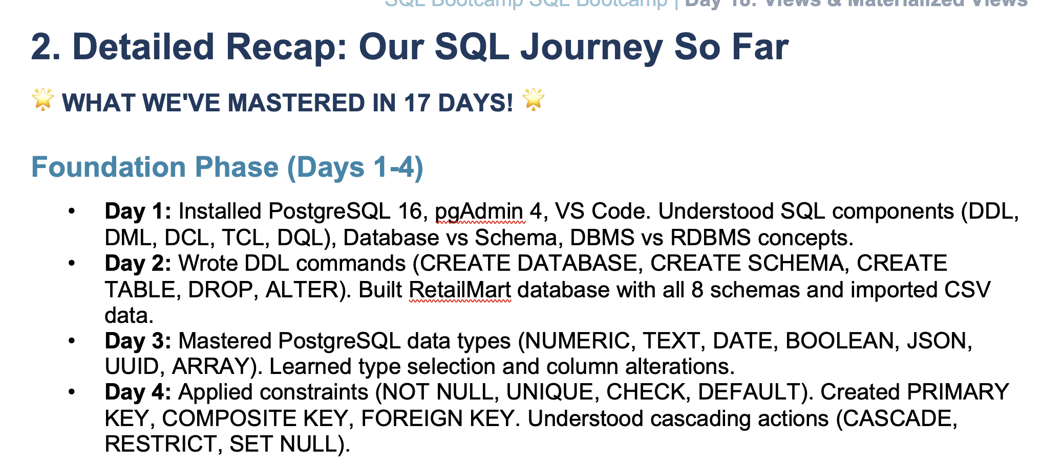

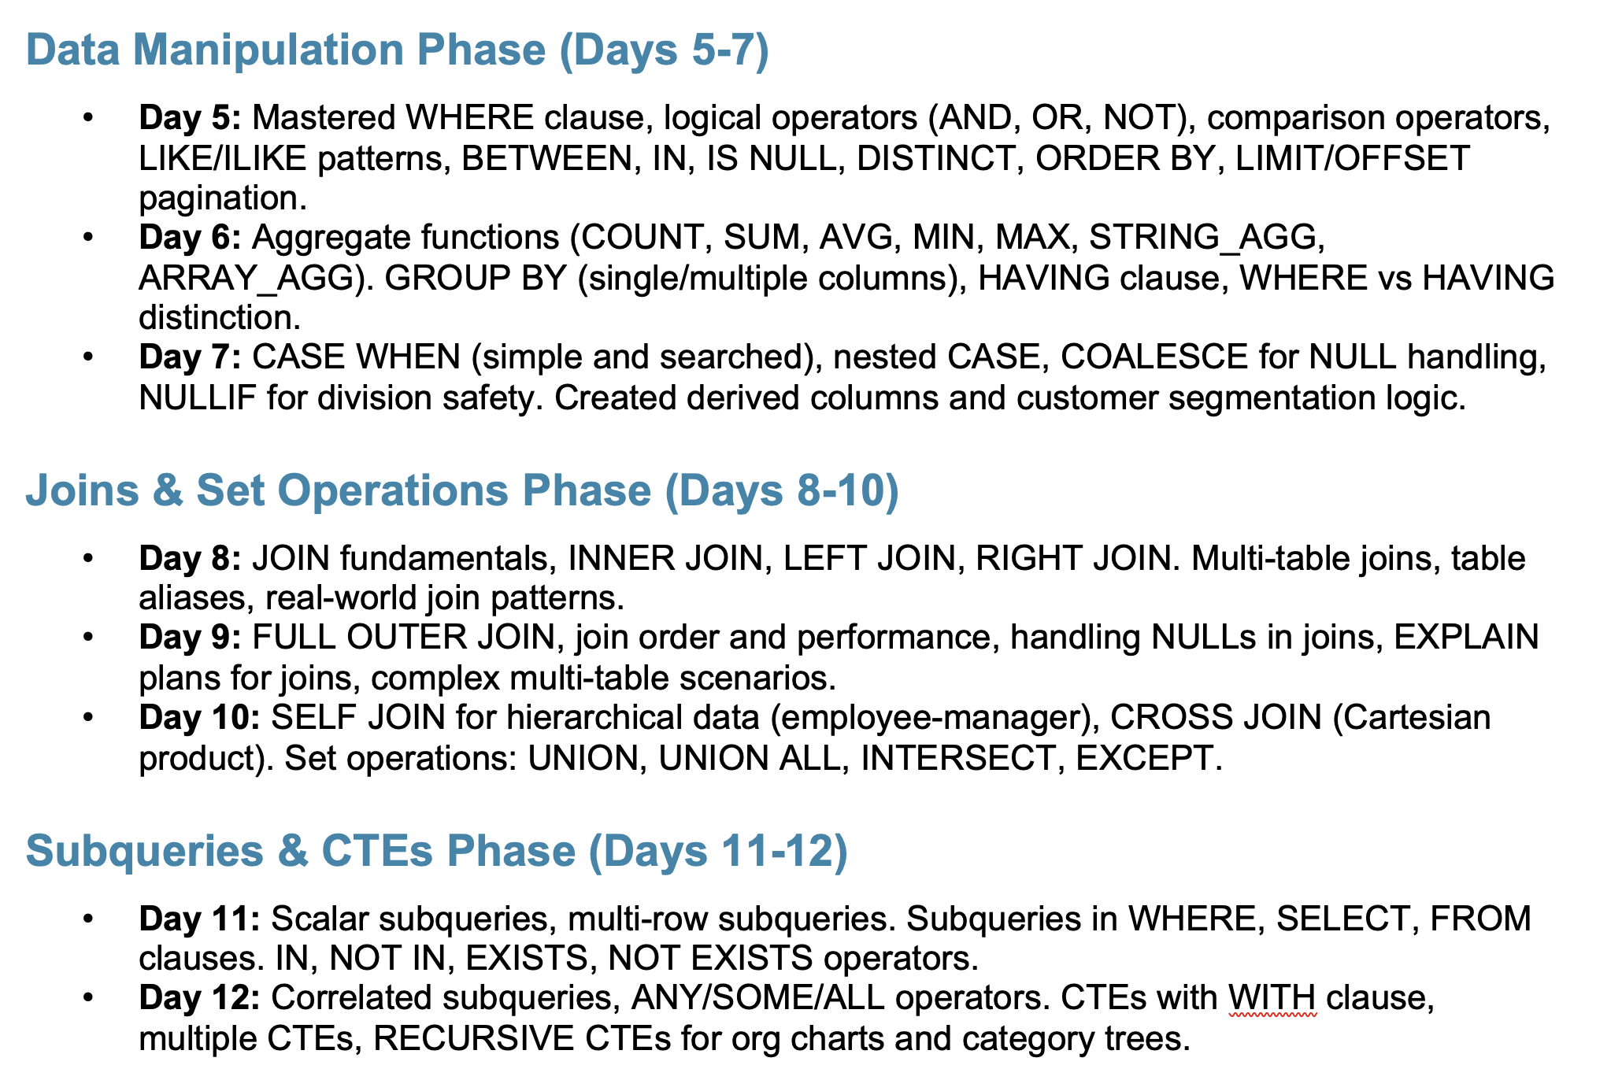

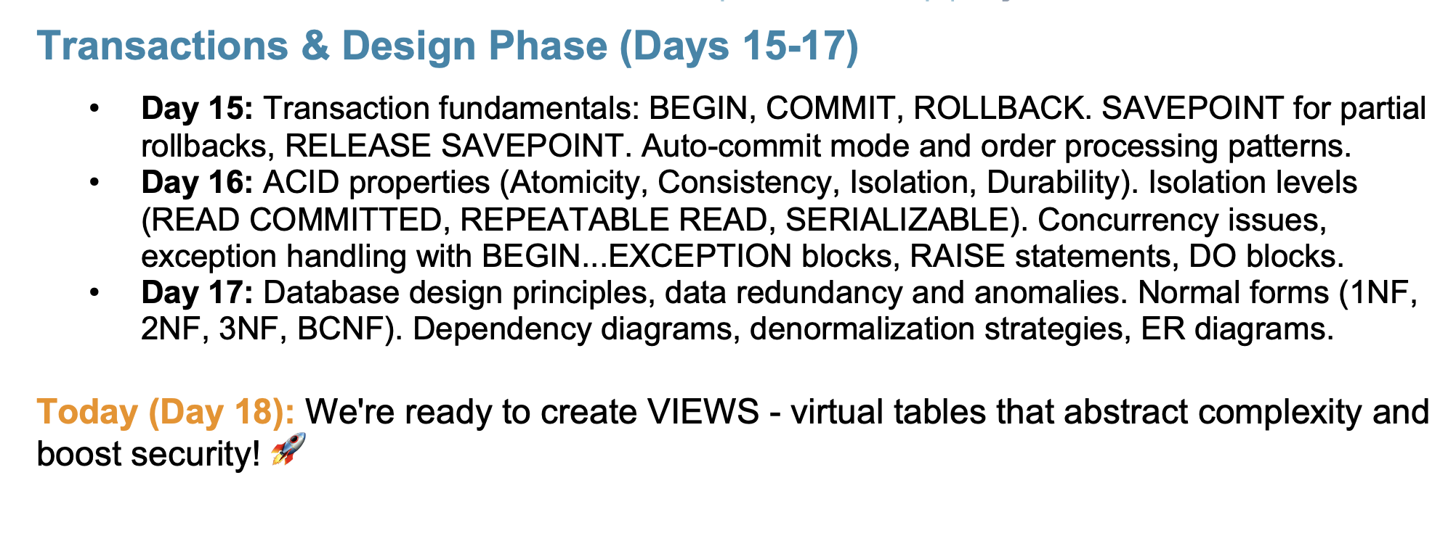

Agenda
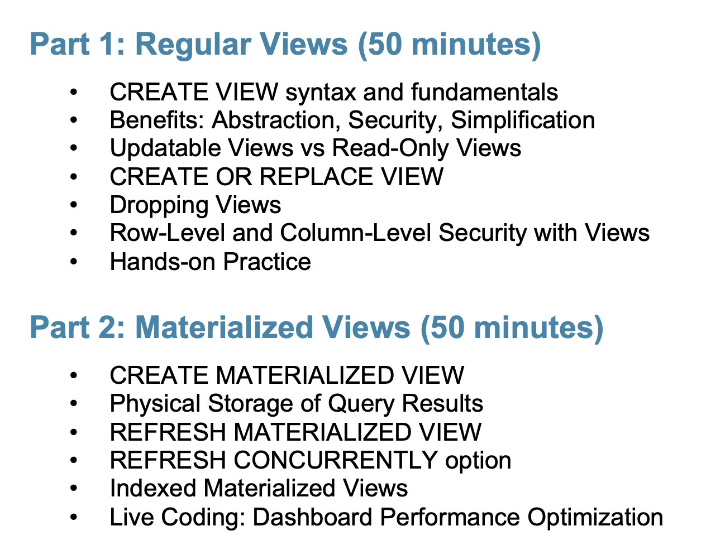

View
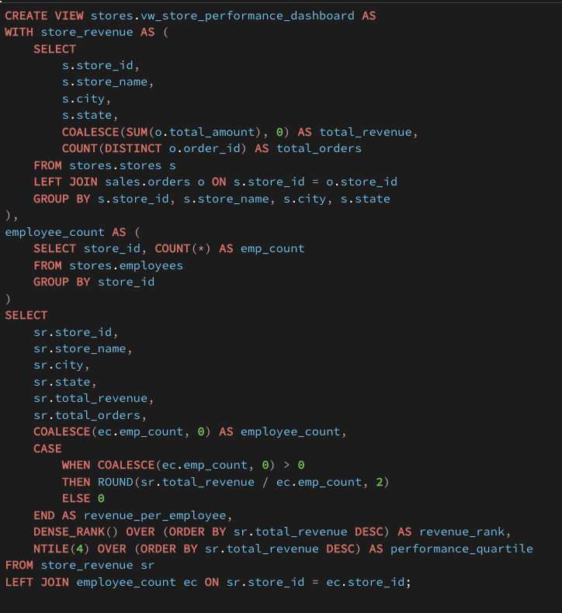
Machine |  |  | Steps to wash cloth |  |  | Business Problem
 | Input |  |  | Collect the dirty Clothes |  |  | Identify the tables
 | Processing |  |  | Soak in detergent |  |  | Identify how to combine (Join / Set operations
 | Output |  |  | Brush and Clean it |  |  | Grouping
 |  |  |  | Soak it |  |  | Window Functions
 |  |  |  | Dry it |  |  | CTE
 |  |  |  | Iron |  |  | Filtering

Washing Machine
 |  |  |  | 1st of every Month | 150+

 | Big Basket | Junior Analyst

 | Rahul | Sales Report
 |  |  | 200+ | 5 |  | Txt ? Doc

 | She | Sales report only for Delhi |  |  |  | View
 |  | Sales Report + Finance
 |  |  | 300+

 |  | Haryana
 |  | Store Information

 |  | View |  |  | Ready Only table which will process you 200+ line sof query and give the result as table
 | Meera
 |  | Sales_report

 |  | Select * from Sales_report whre city = Delhi

 |  | Finance |  |  |  | Store

 |  | Select * from sales_report join finance join store

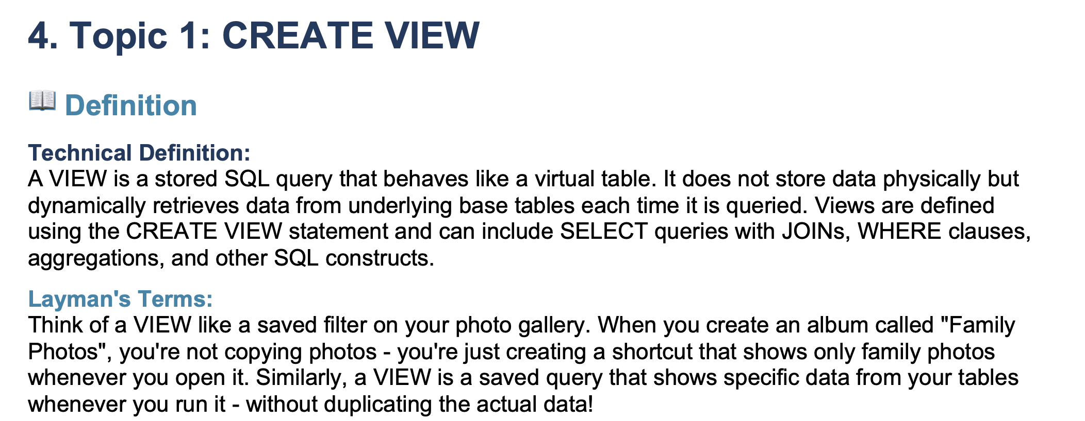

 | Table | View |  | View => Read only Table

 | DDL | DDL
 | DML | DML
 | DQL | DQL

 |  | Data Engineer |  | Data Analyst
 | Sales Report |  |  |  |  | Power BI
 |  | Customers |  | Total Sales |  | Compute
 |  | Orders |  | Total Profit |  | Price
 |  | Order_items
 |  | Products
 |  | Shipment
 |  | Returns

 |  |  |  |  |  | Kitchen

 |  |  |  |  |  | Biryani | 30 minute
 |  |  |  |  |  | Paneer Bhurji | 20 minute

 |  |  |  |  |  | Kitchen

 |  |  | Rice | Dum | 5 | Biryani | 5 Minutes
 |  |  | Chicken |  |  | Paneer Bhurji | 4 Minutes

 |  |  | Burji Masala | Paneer | 4

 | ETL
 | ELT
 |  | E | 23:00:00 |  | T | 23:30:00 | L | 7:00:00

 |  | Big basket |  |  | 4 Hours
 |  |  |  |  |  |  | Dashboard
 |  | Customers | 50000 |  | Sales Report | 100
 |  | Orders | 150000 |  | Finance Report | 50
 |  | Order_items
 |  | Products
 |  | Shipment
 |  | Returns

 | Installed |  | Google Chrome |  | Application | Table
 |  |  |  |  | Shortcut | View
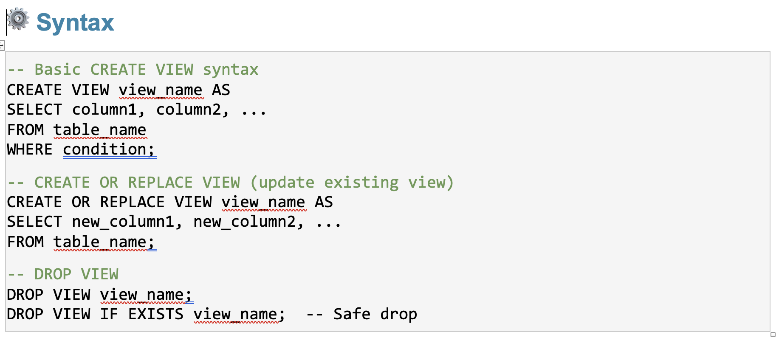

View |  |  |  | 20 minutes | 5 Tables | 5 lakh

 |  |  |  | 20 minutes | 5 Tables | 5 lakh

 | It doesn't store the data
 |  |  |  | Data | 20 seconds
 | It is storing the SQL query
 |  |  |  | MV | 7:00:00
 | Execute |  |  | Refresh

 | Result

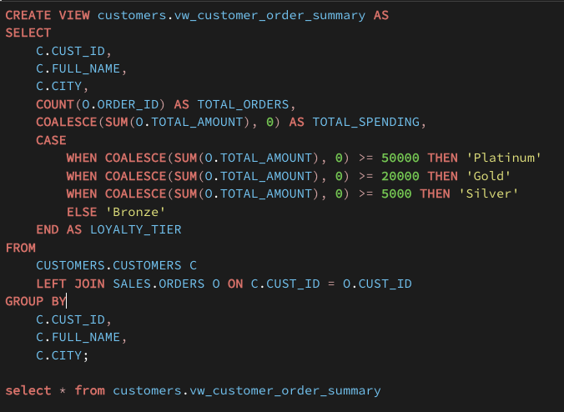

CTE
 | Store_revenue
 |  | Stores
 |  | Orders

 | Employee_count
 |  | Employees

Updatable
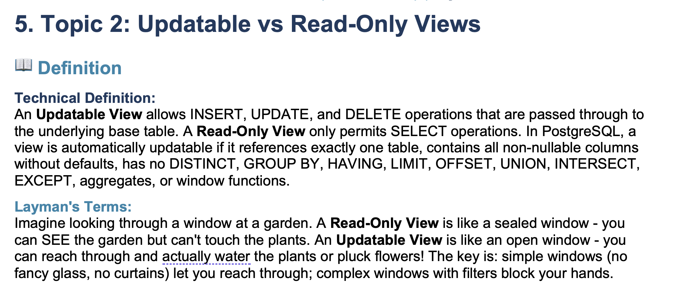

Customers

Create view as vw_customers select * from customers

Row Level and Column level Security
Through Views

Dept1 | Manager | Dept1
Dept2
Dept3 | Employees | EMp1
 |  | EMp2 | Compensation
 |  |  | Rating
 |  |  | Hike

Materialized Views
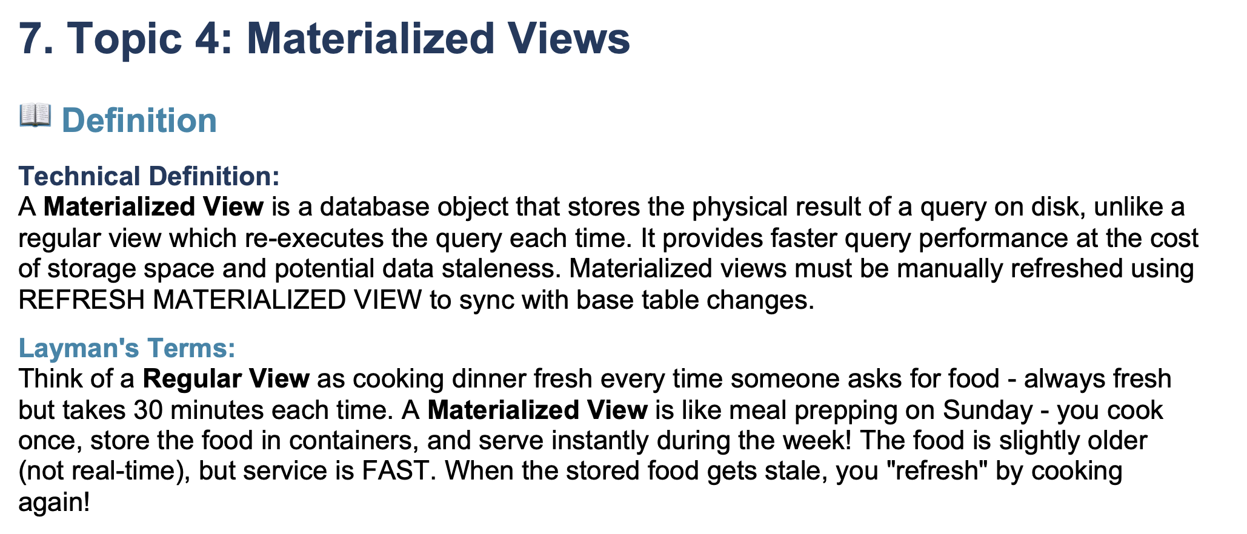

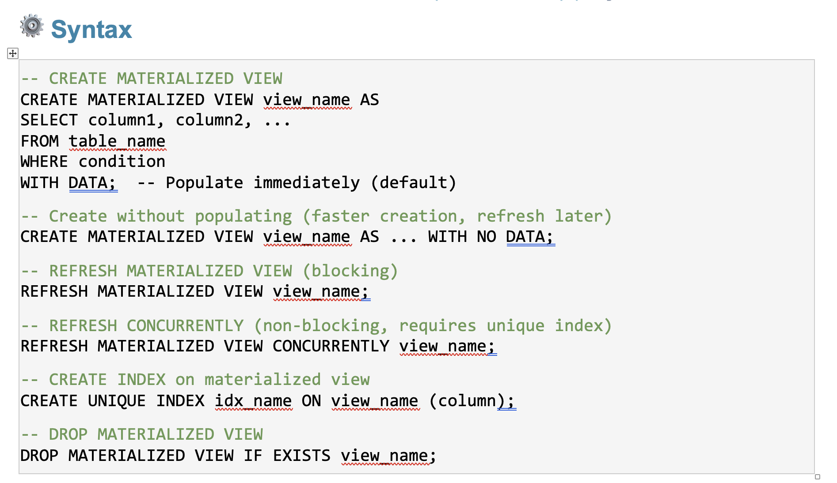

Materialised View |  | Physically store
 |  |  |  | With Data | Create the structure | Load the data
 |  |  |  | With No Data | Create the structure

View | Read Only |  | Stores only SQL Query
Updatable Views | DML |  | If
Materialized View | Store Data physically |  | Creation | Nothing | Create Structure | Load the data
 |  |  |  | With Data | Create Structure | Load the data
 |  |  |  | With No Data | Create Structure
 | Update MV |  | Refresh | Block

Booking | A15 | NO |  |  | A15
 |  | Payment
 |  | 10 min
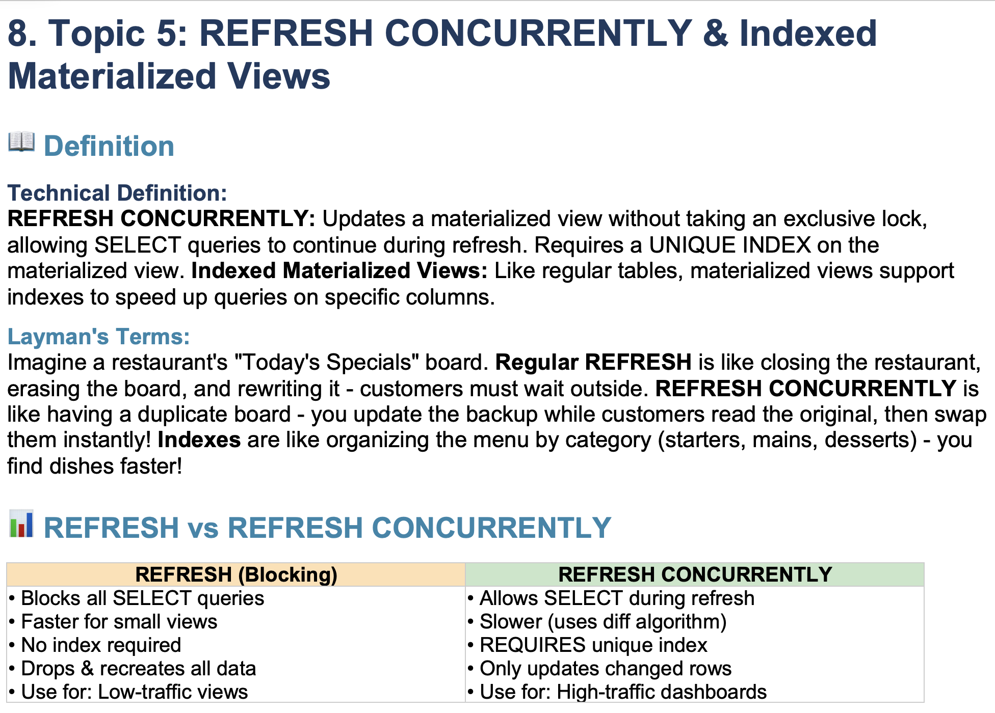

Microsoft Update |  | Backend | You can work

Merge |  | 1 |  | Truncate Load | Remove all rows |  | 2
 |  | 2 |  |  | Insert new rows |  | 4
 |  | 3 |  |  |  |  | 5
2
4 |  |  |  | Merge |  |  | 1 | Nothing
5 |  |  |  |  |  |  | 2 | Update
 |  |  |  |  |  |  | 3 | Nothing
 |  |  |  |  |  |  | 4 | Insert
 |  |  |  |  |  |  | 5 | Insert

