Recap
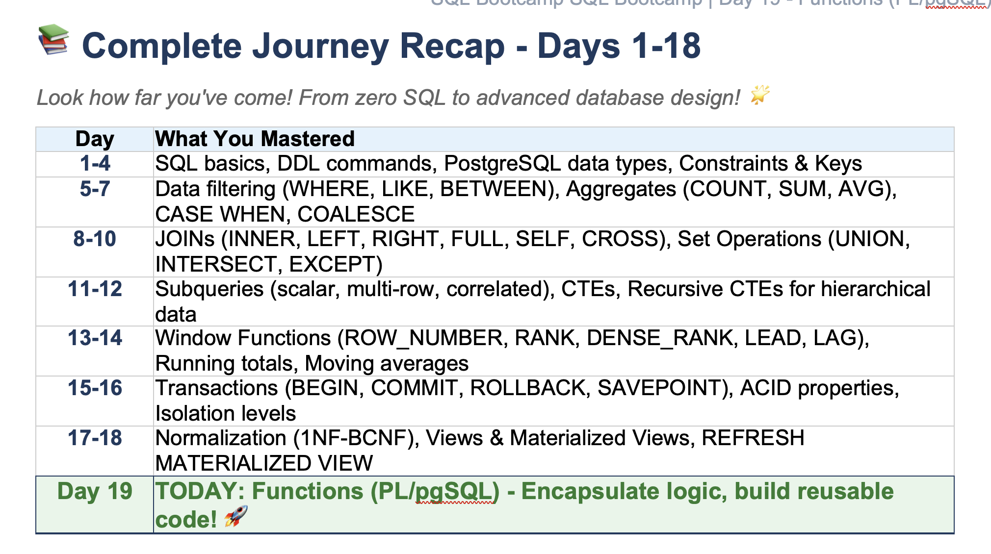

PL pgSQL
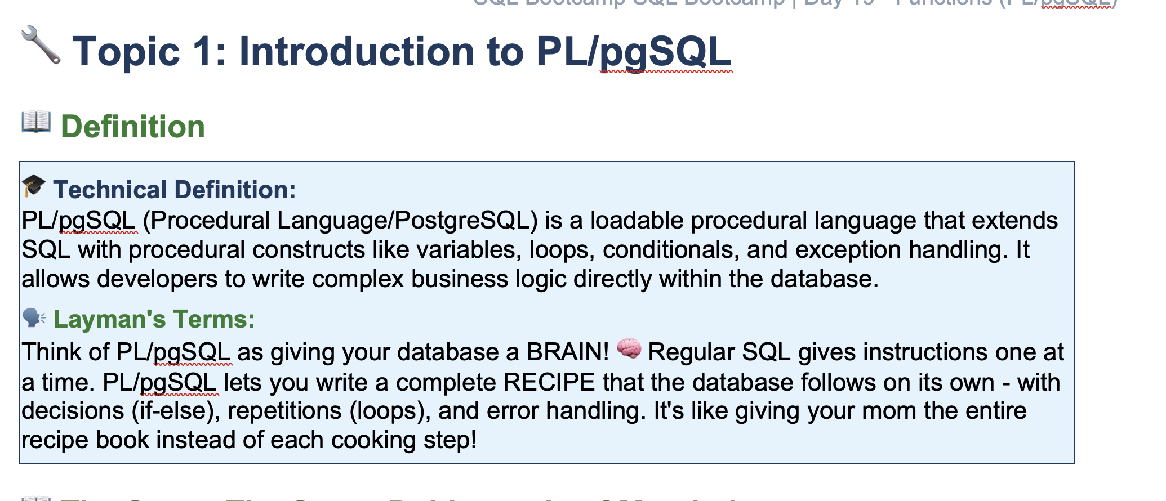
Dabbawaala

 | Ramesh | 50 Lunch

 | 200+
 |  |  | Pickup

 |  | Pickup Tiffin
 |  | Check Special request
 |  |  | Update Bill
 |  | Delivery

 | View
 |  | Total Revenue | Year | Which will calculate the revenue on the basis of input
 |  |  | Month
 |  |  | Last Three Month

Functions
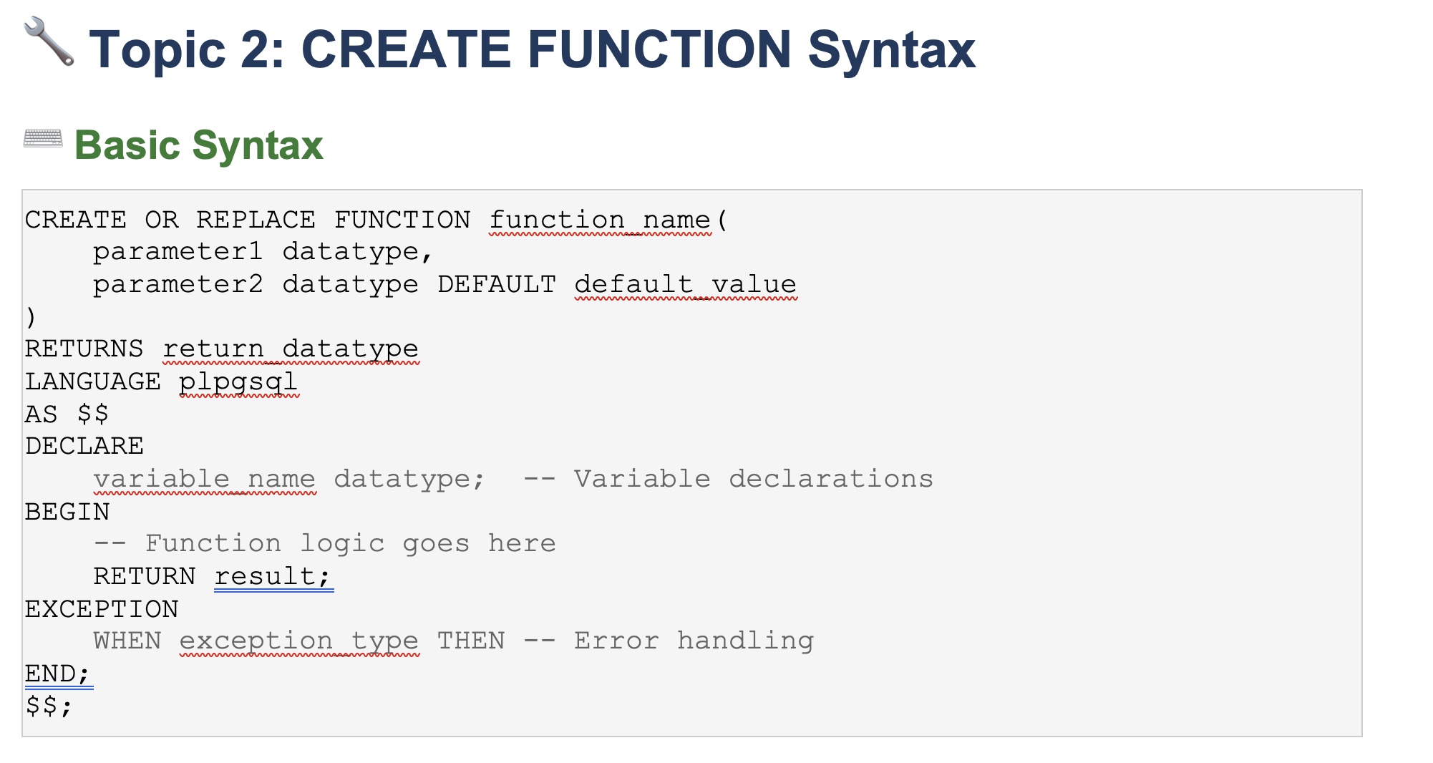

Base_price | 1000 | 500
product_category | Food | Electronics

gst_rate | 0 | 0.18

 | 1000 | 590

Parameters
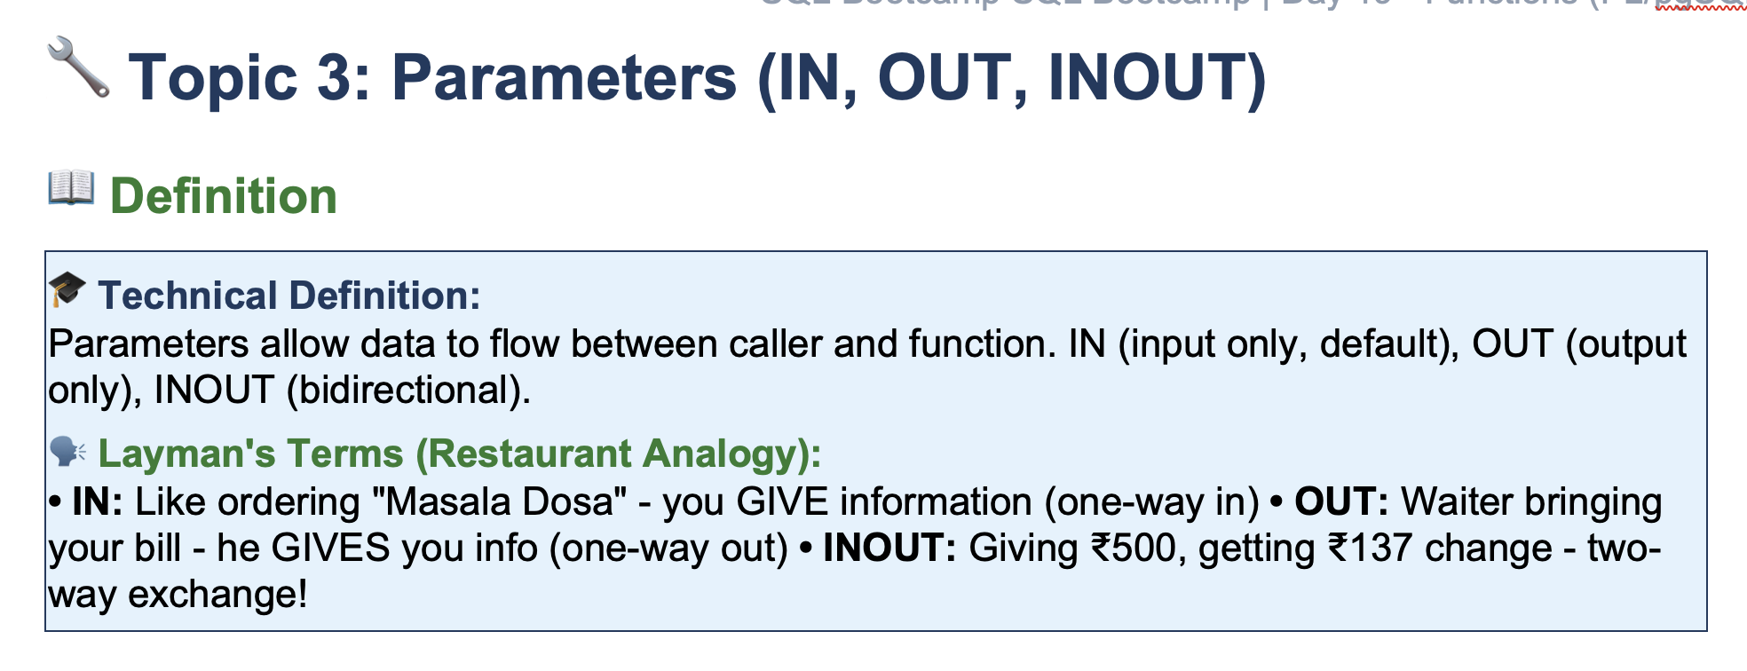

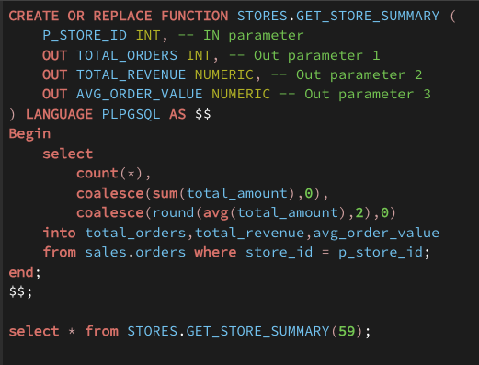

Return
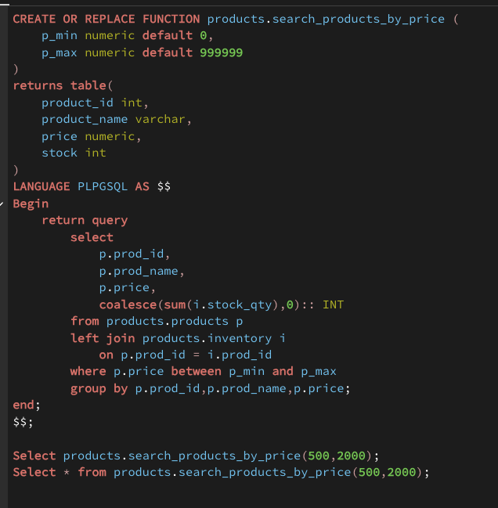
100 | 1000

Exception Handling
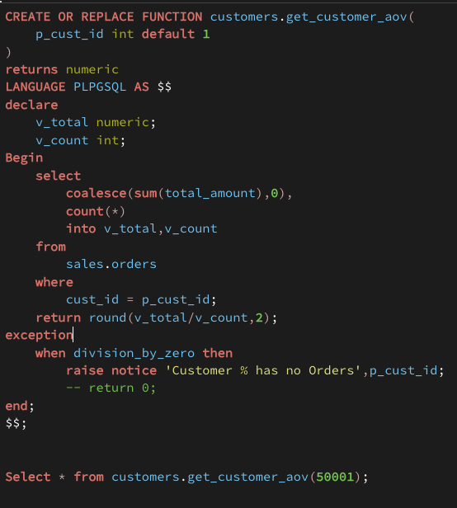

Summary
