Recap
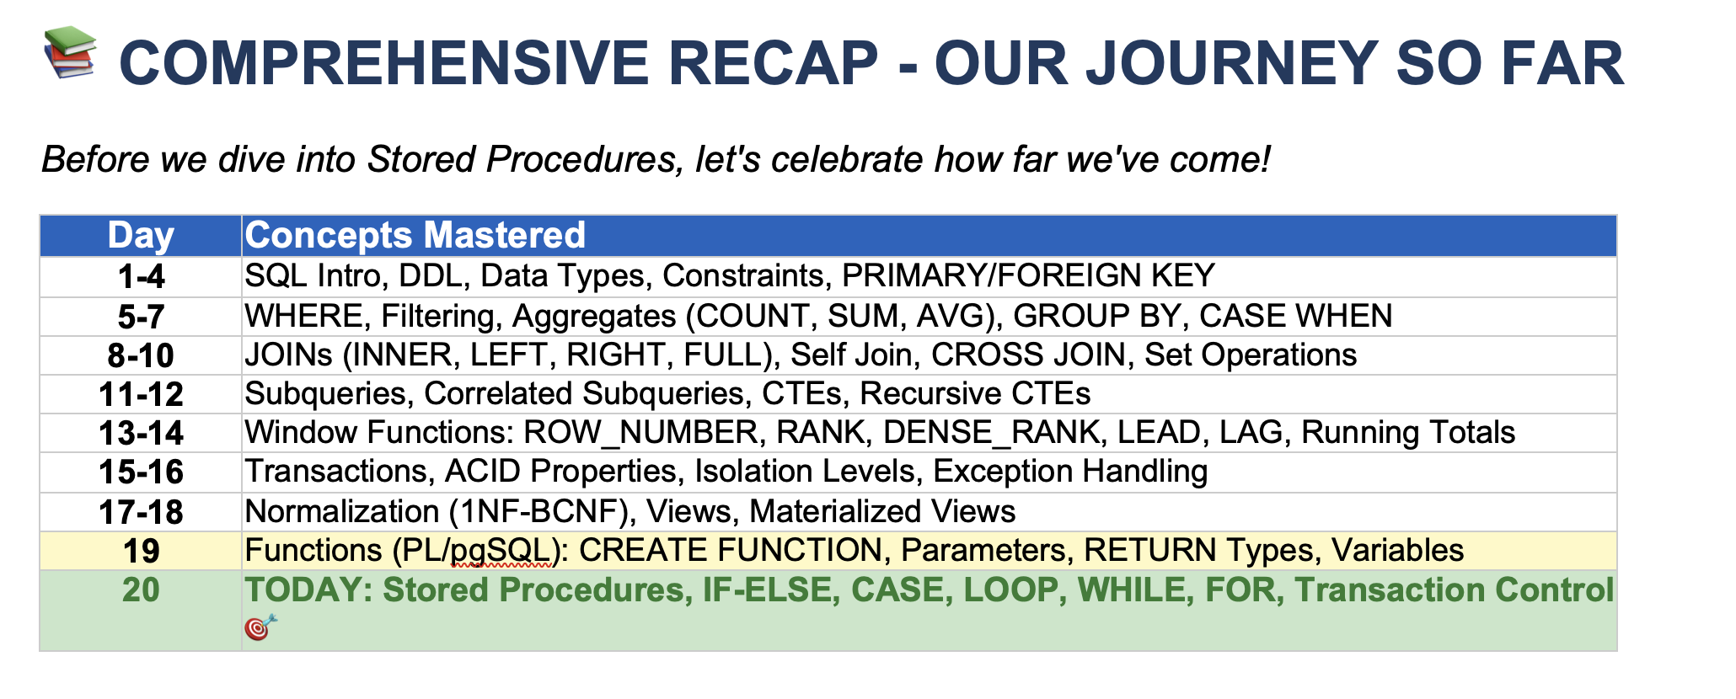

Stored Procedure
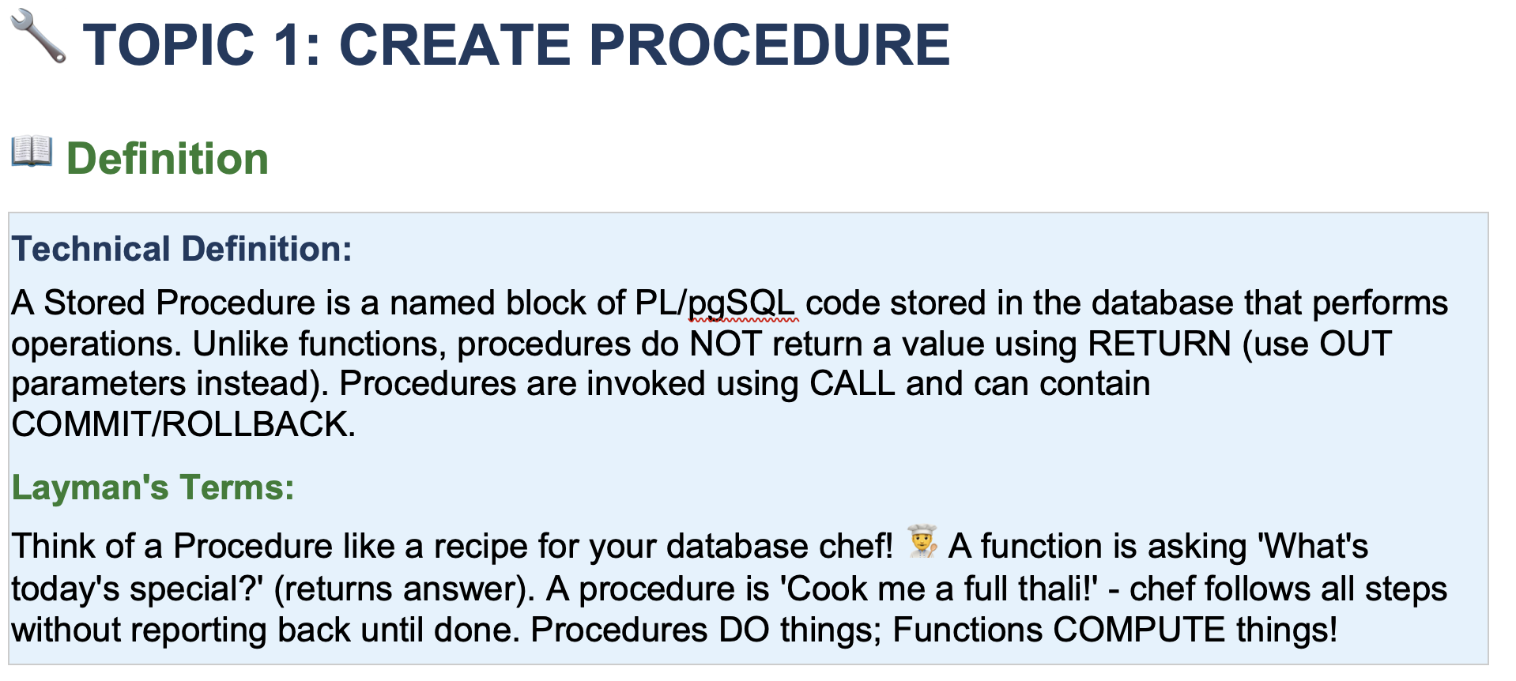
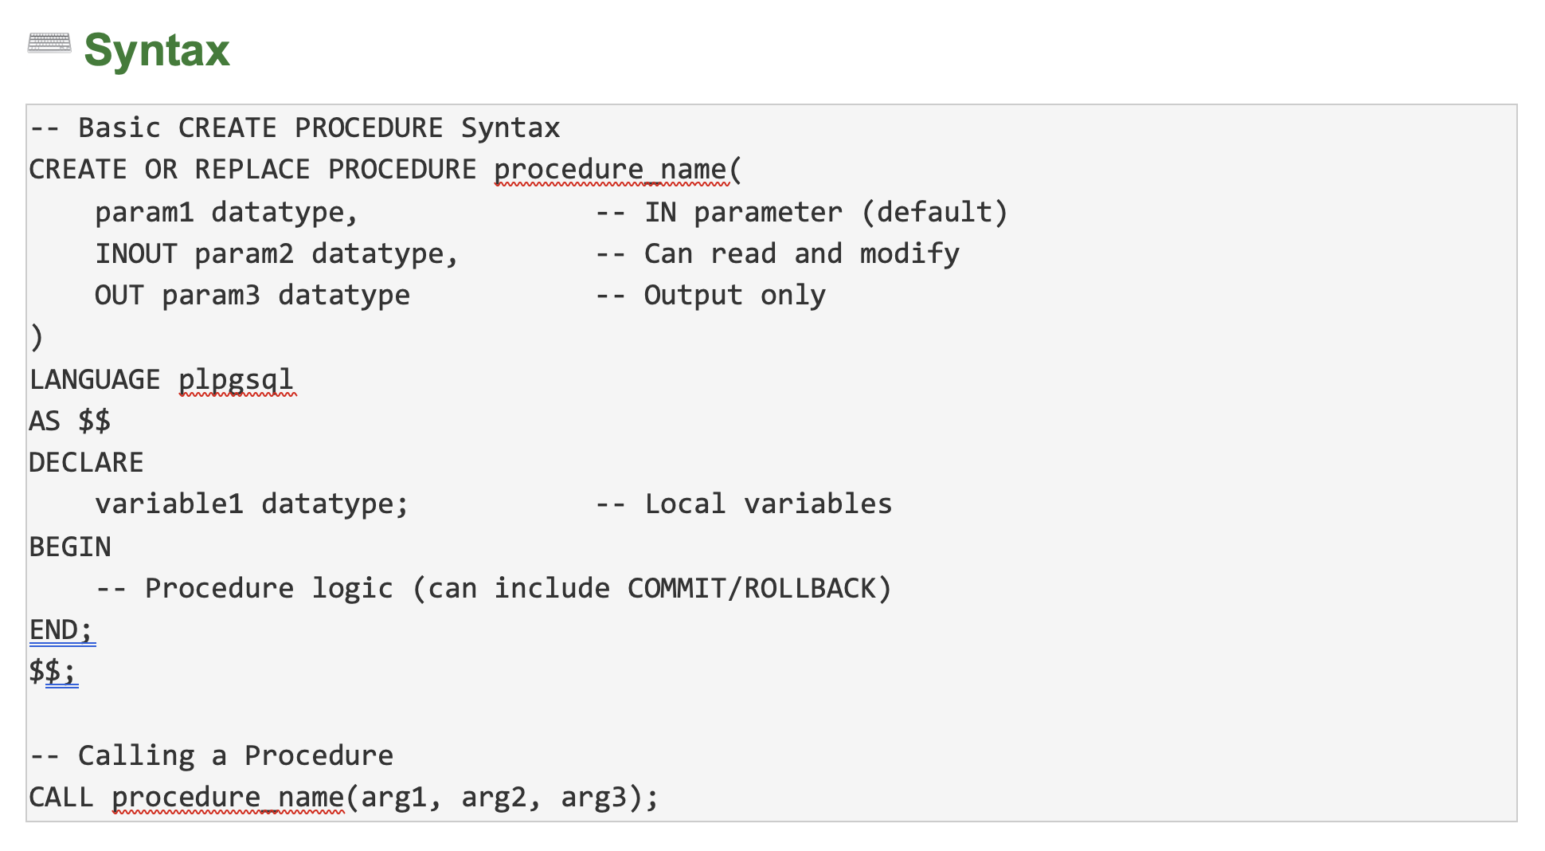
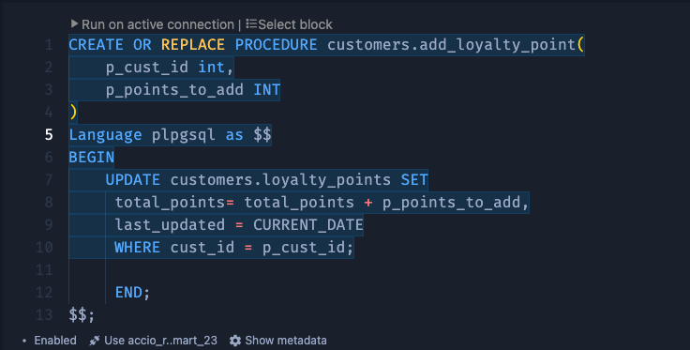
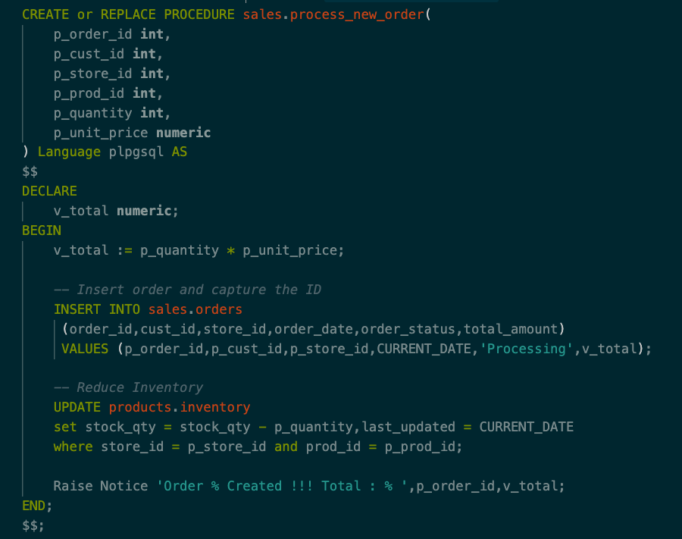
Data Architect
 | Swiggy
 |  | Whenever we place a order
 |  |  | Validate the Order | SQL 1
 |  |  | Deduct Wallet | SQL 2
 |  |  | Notify The restaurent | SQL 3
 |  |  | Assign the delivery | SQL 4
 |  |  | Update points | SQL 5

Write 5 separate queries
Combine all in a single function

If_else
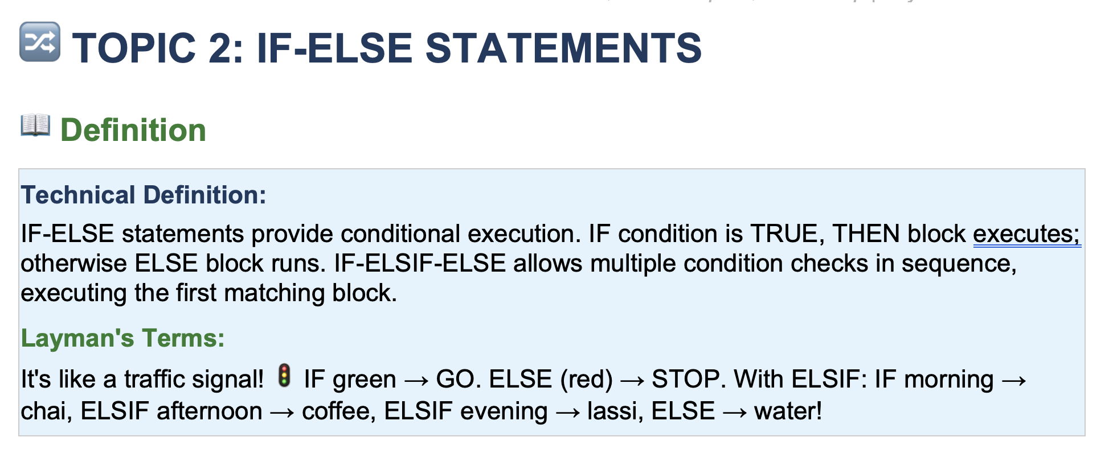
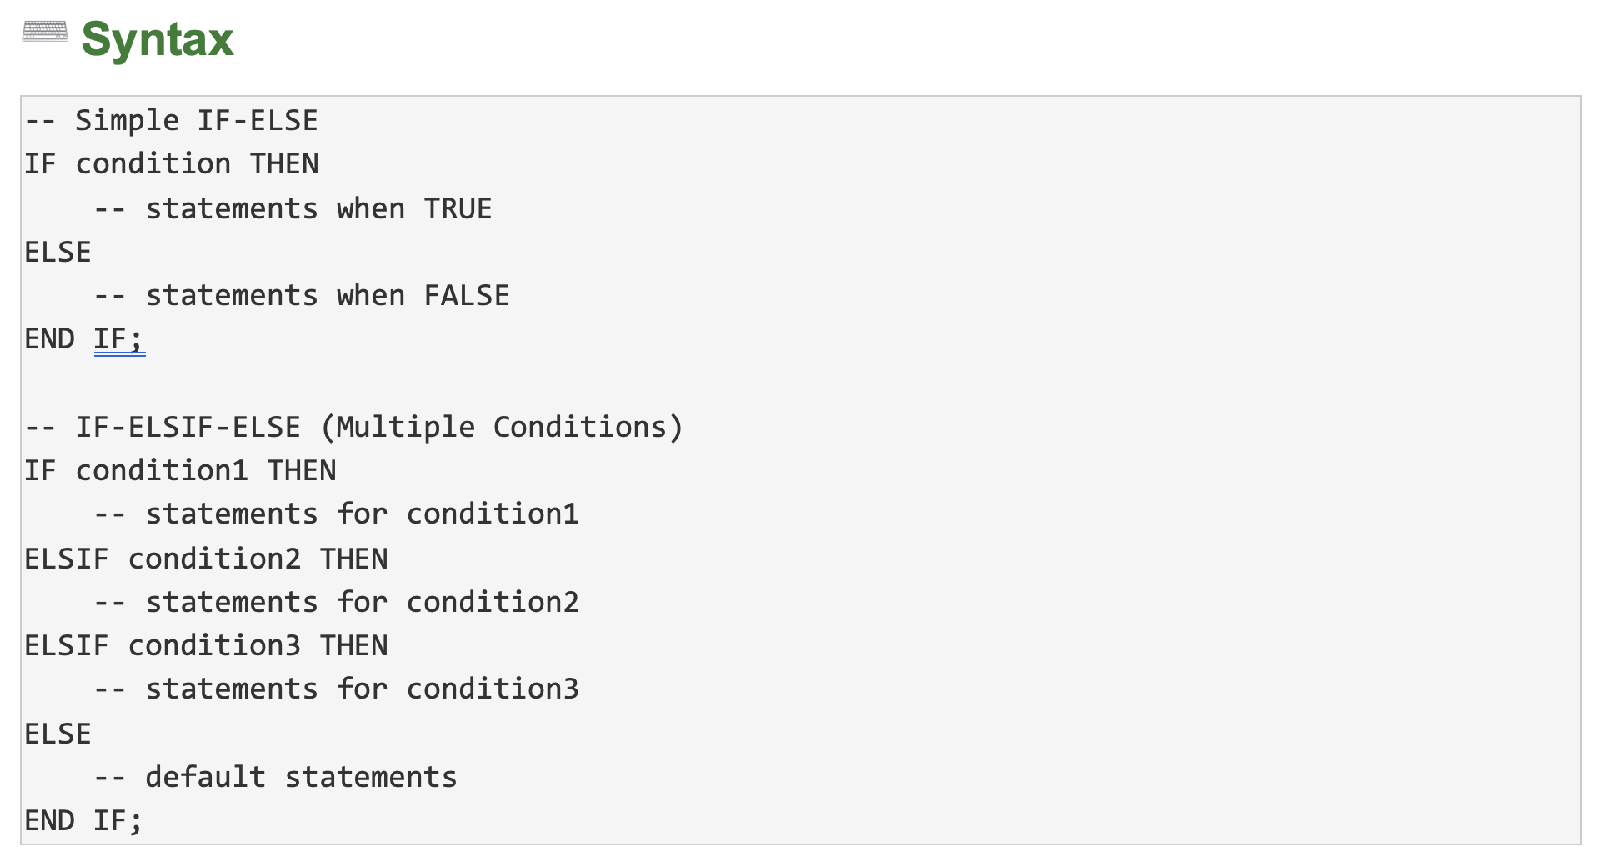
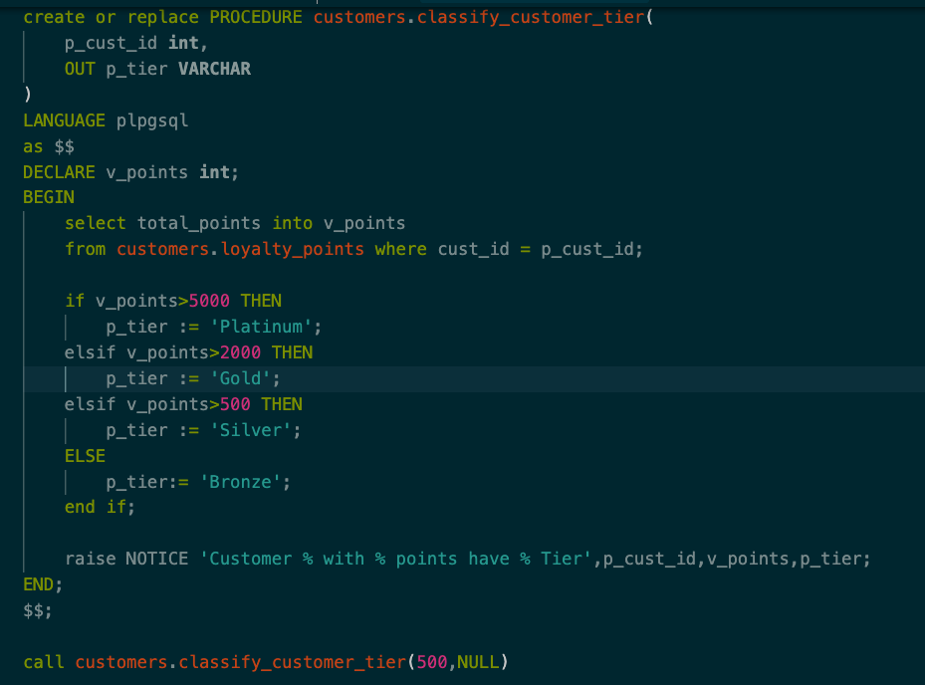
If
 | Condition
 | Value_if_true
 | value_if_false

 | If | Condition
 |  | TRUE
 |  | block
 | else
 |  | block

Loops
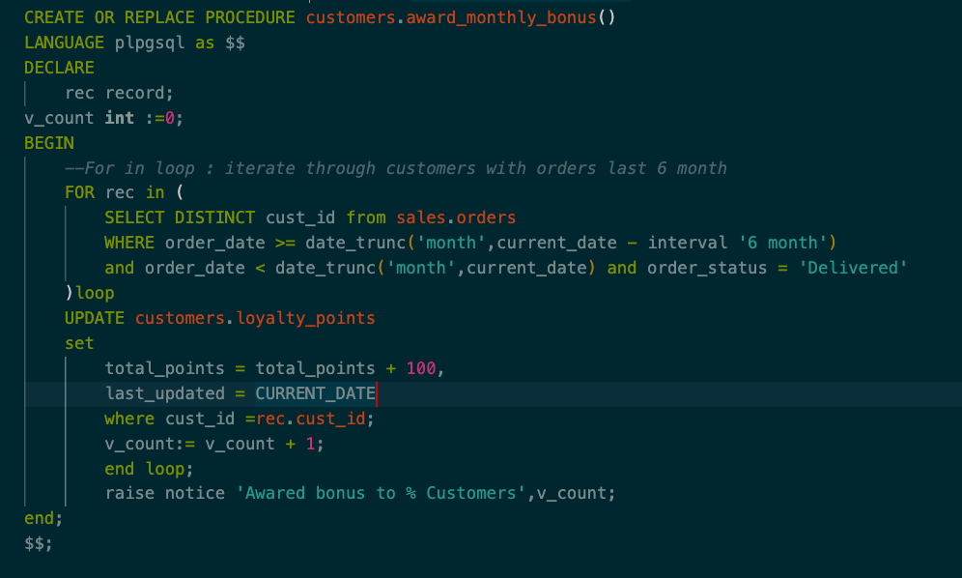
Person
 | Rohan
 |  | 7:00:00 | Wake up | Repeating
 |  | 8:00:00 | Office
 |  | 16:00:00 | Back Home
 |  | 17:00:00 | Dinner
 |  | 22:00:00 | Sleep

 |  | 7:00:00 | Wake up
 |  | 8:00:00 | Office
 |  | 16:00:00 | Back Home
 |  | 17:00:00 | Dinner
 |  | 22:00:00 | Sleep

 |  | 7:00:00 | Wake up
 |  | 8:00:00 | Office
 |  | 16:00:00 | Back Home
 |  | 17:00:00 | Dinner
 |  | 22:00:00 | Sleep

 |  | 7:00:00 | Wake up
 |  | 8:00:00 | Office
 |  | 16:00:00 | Back Home
 |  | 17:00:00 | Dinner
 |  | 22:00:00 | Sleep

Hello
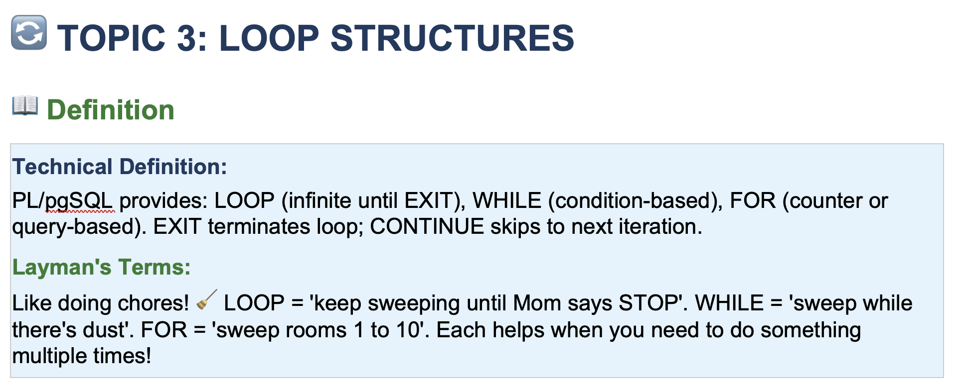

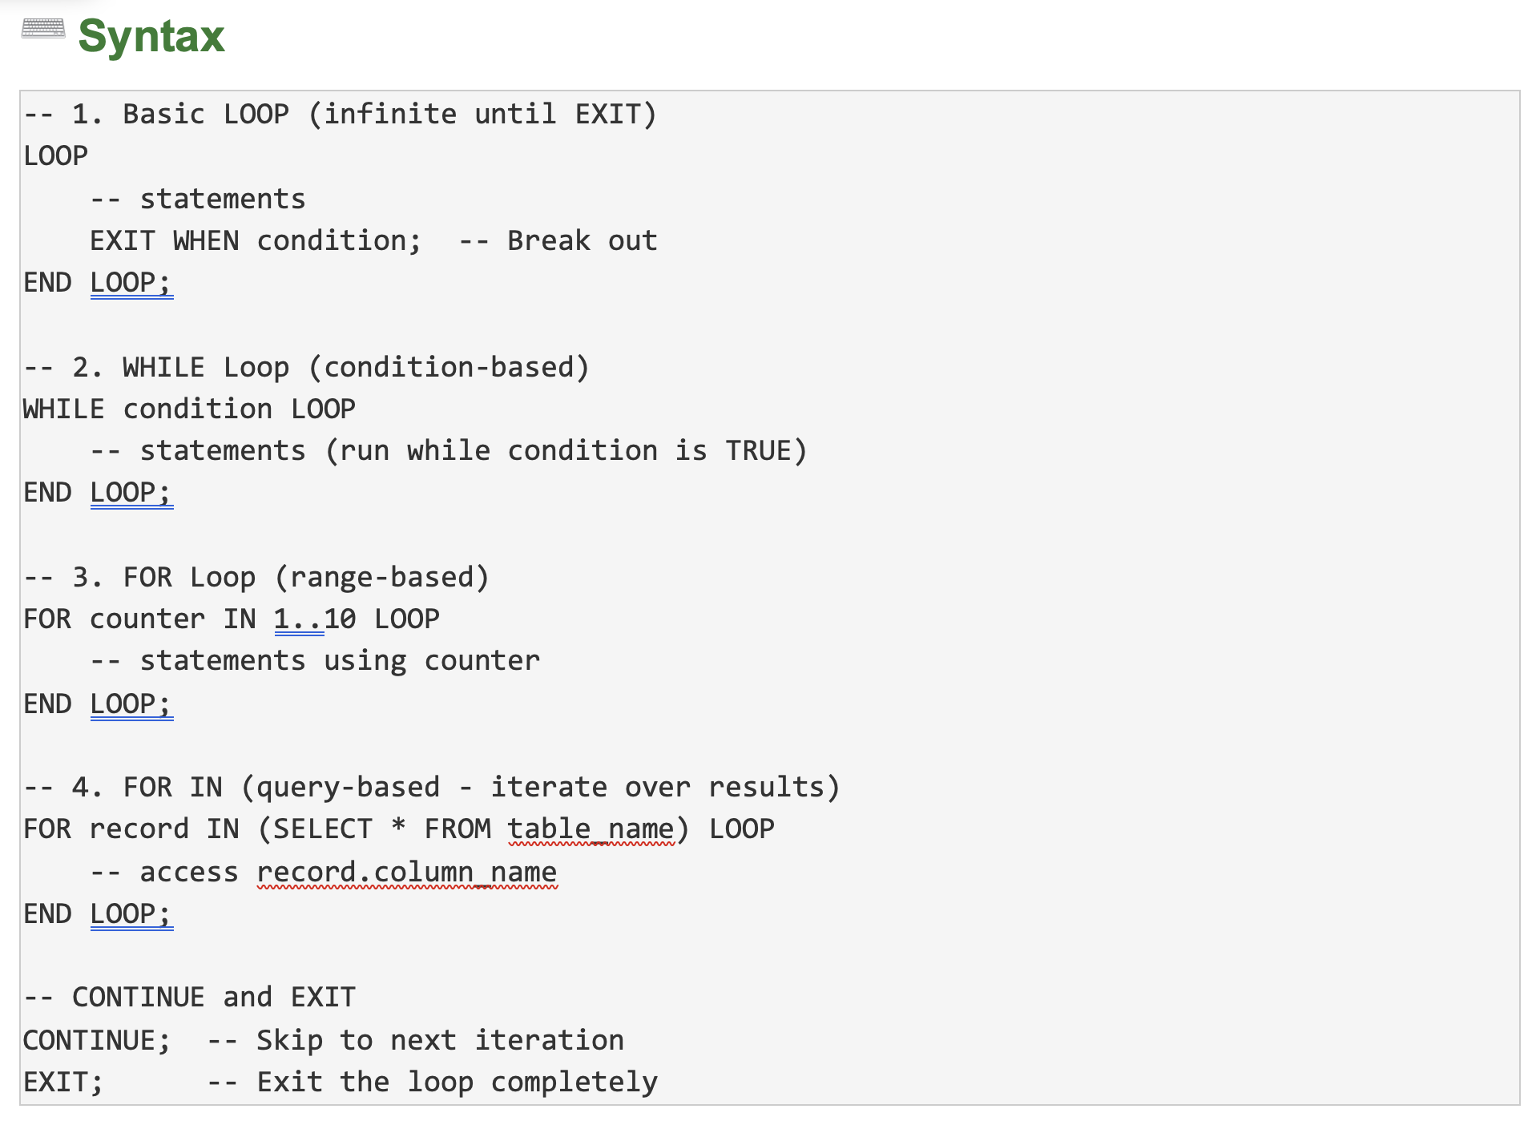

[ 1 , 2, 3,4,5] |  | i | 1
 |  | j | 2
 |  | k | 3
 |  | rec | 4
 |  |  | 5

