Recap
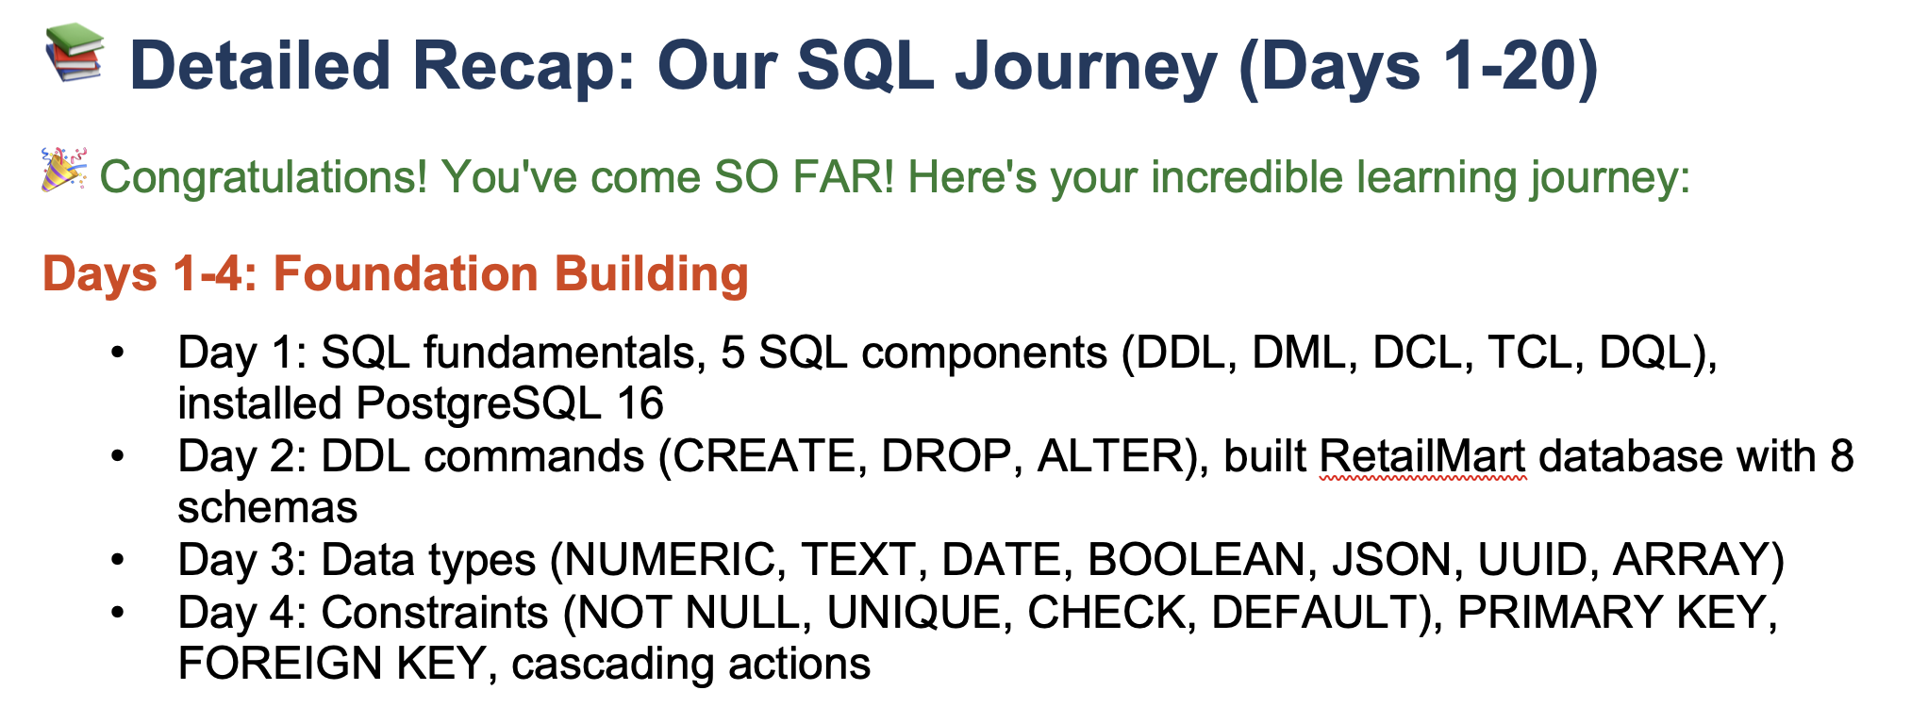

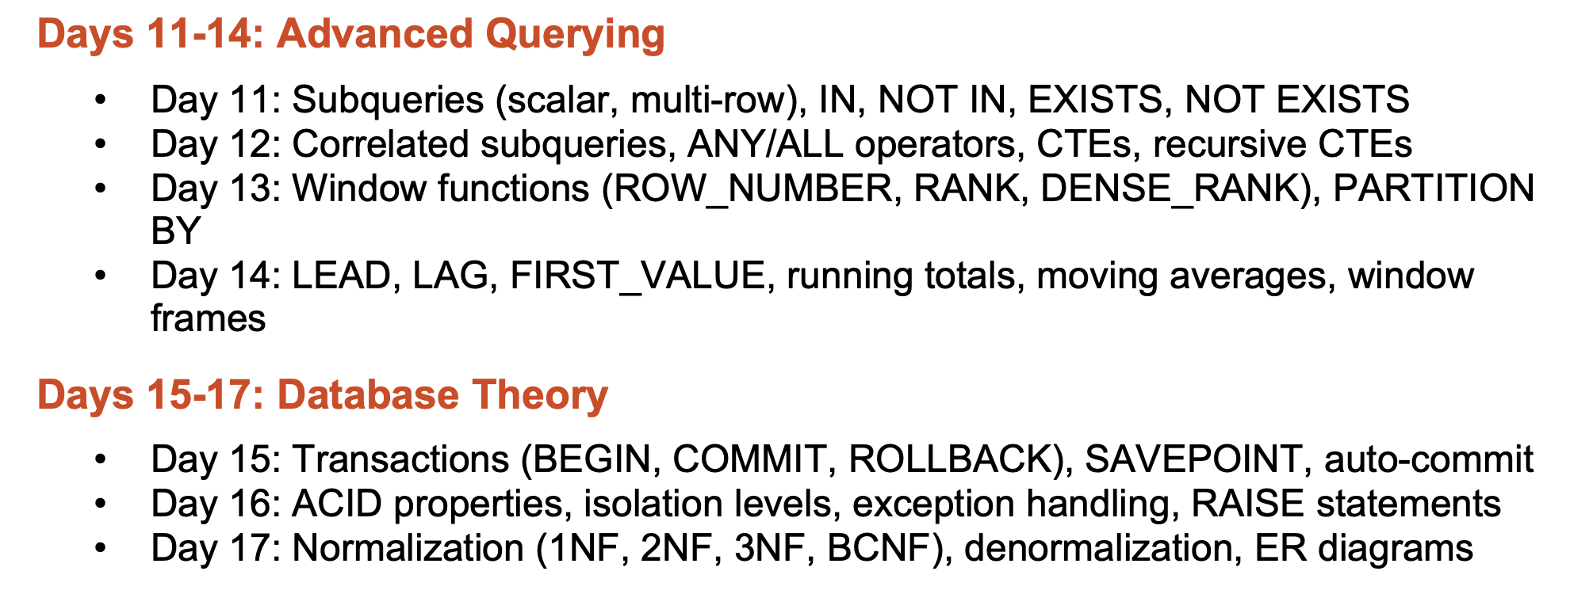

Agenda
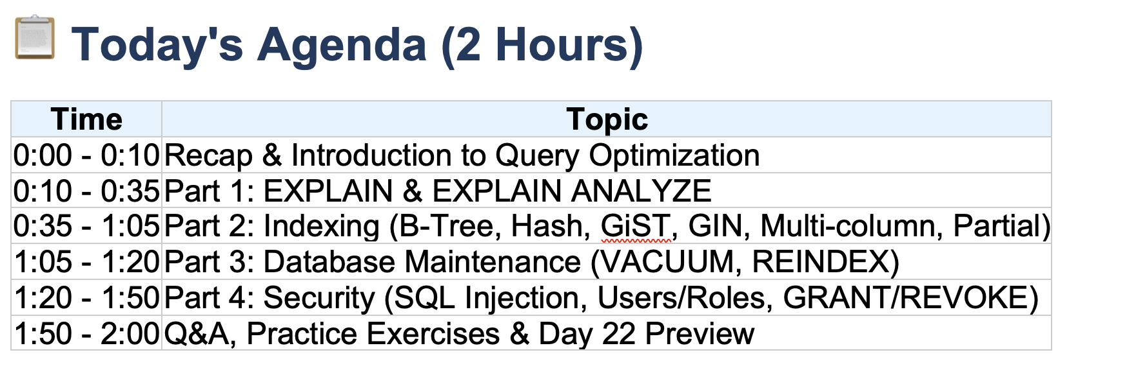

Explain
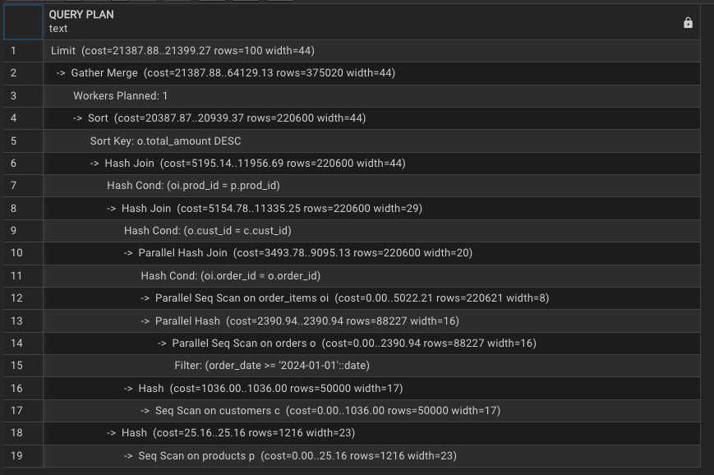
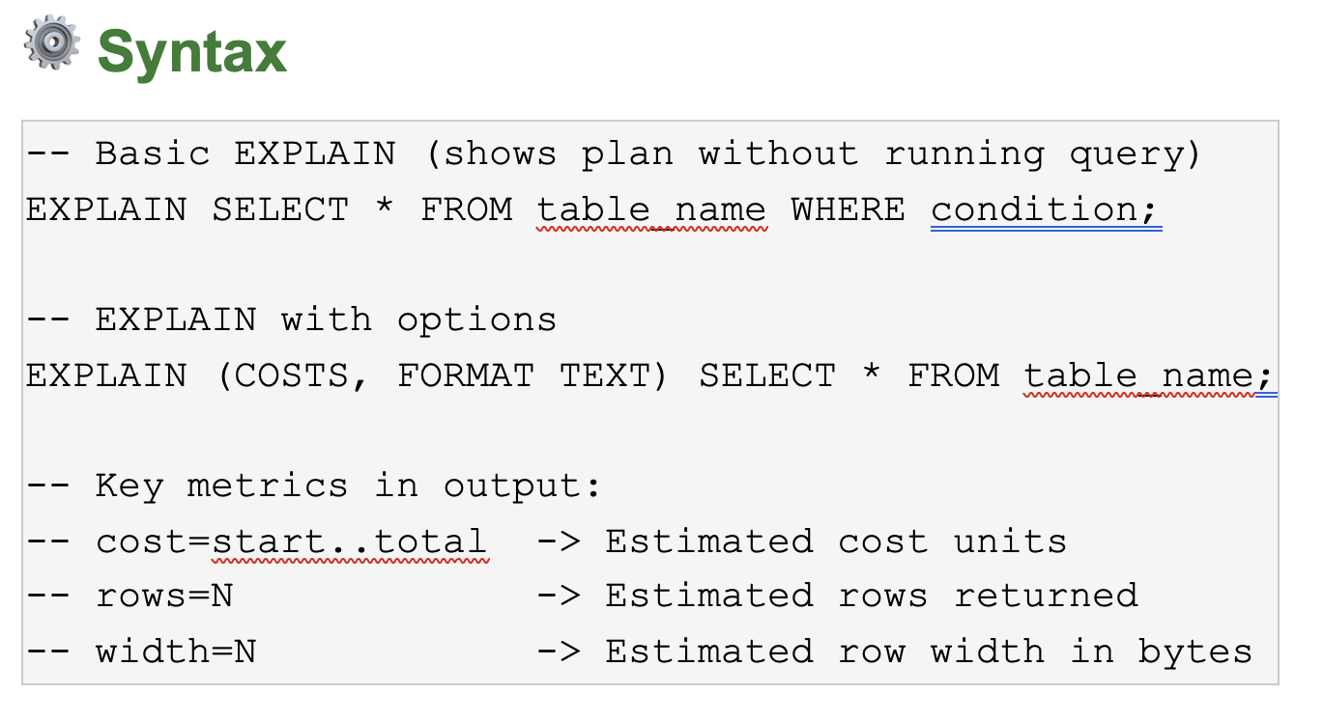

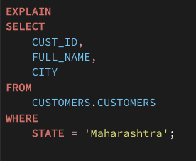

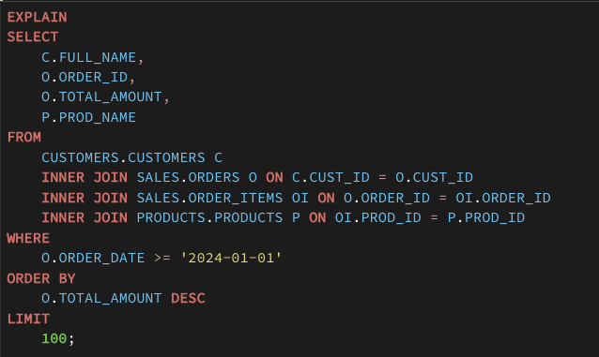

 | Hash Playground

10 hours | 5
 | 2 Hrs

Explain Analyze
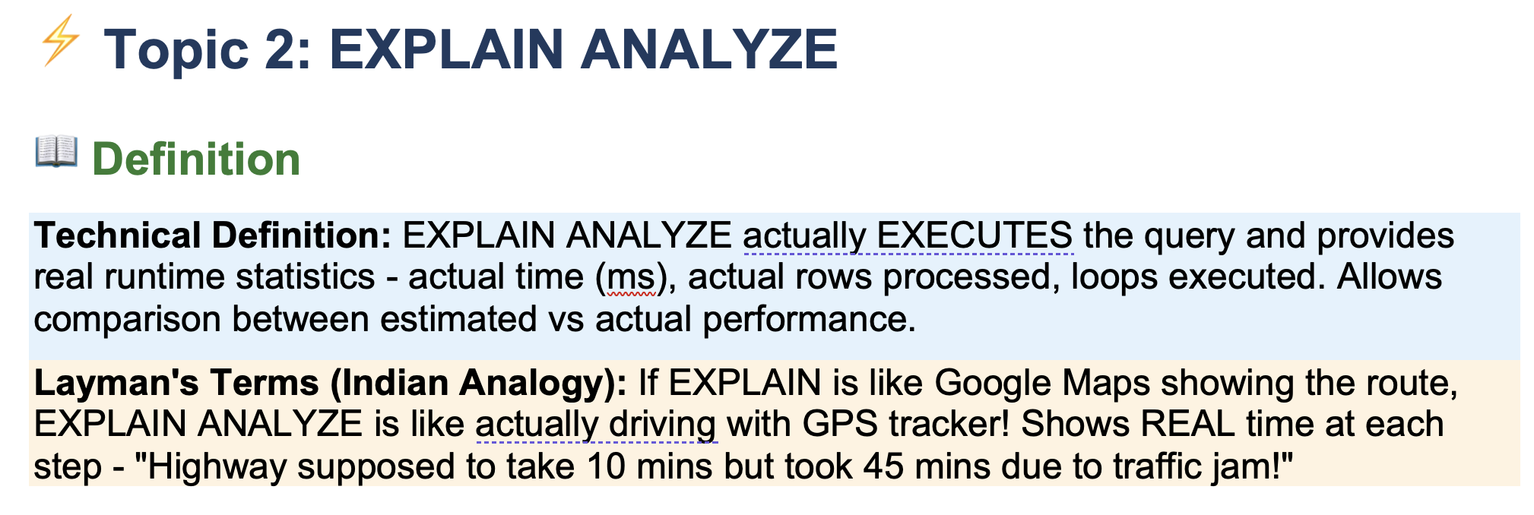

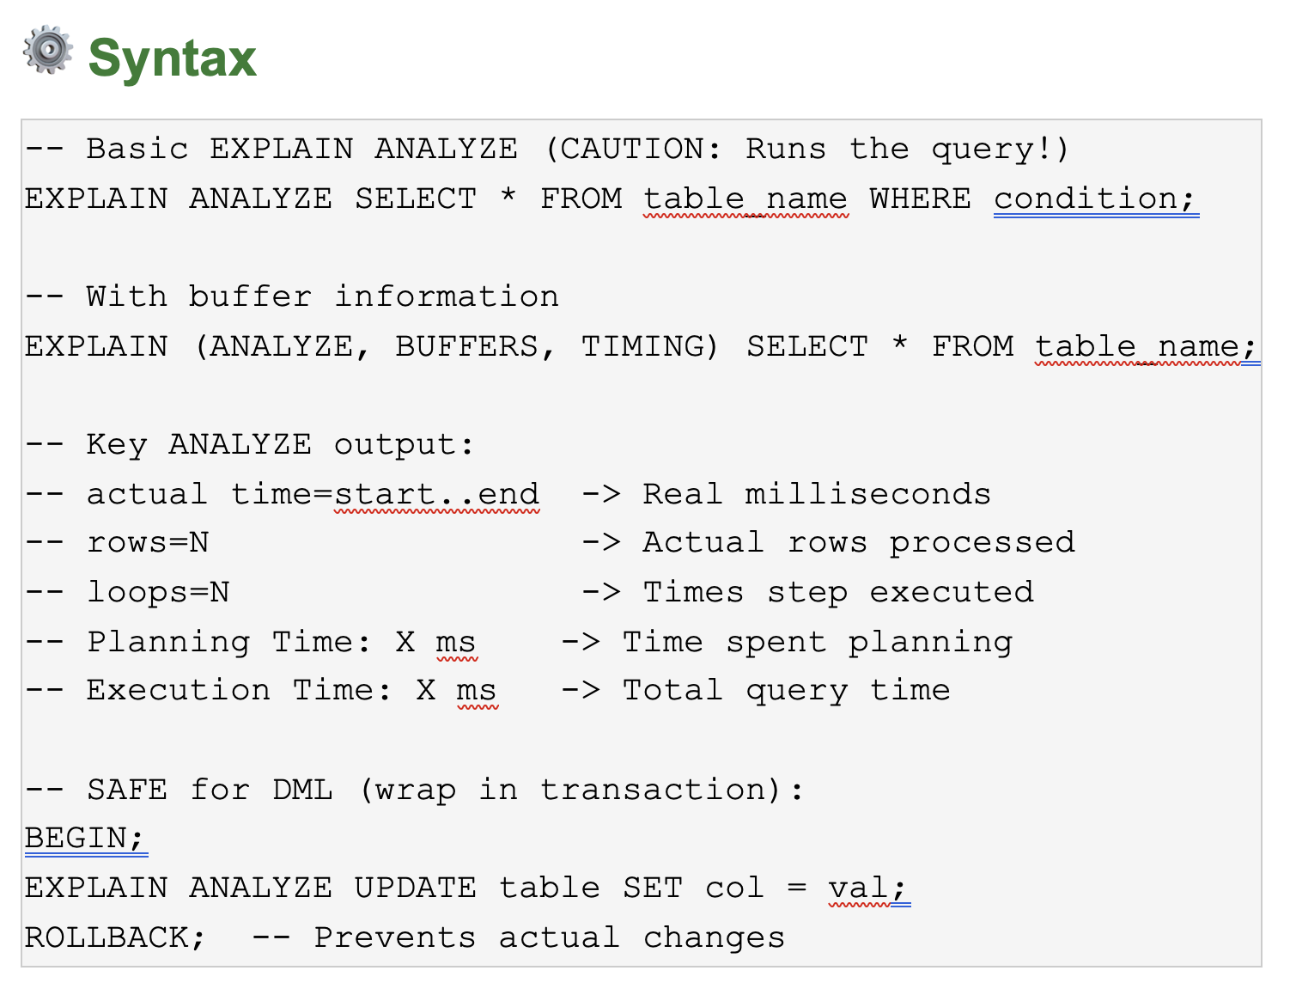

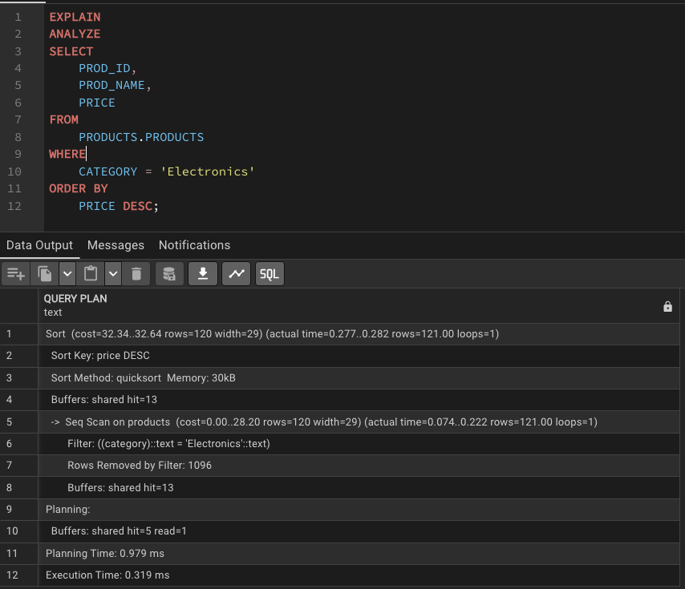

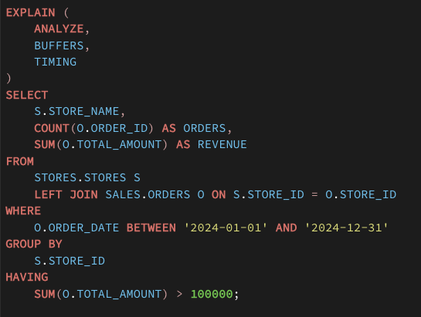

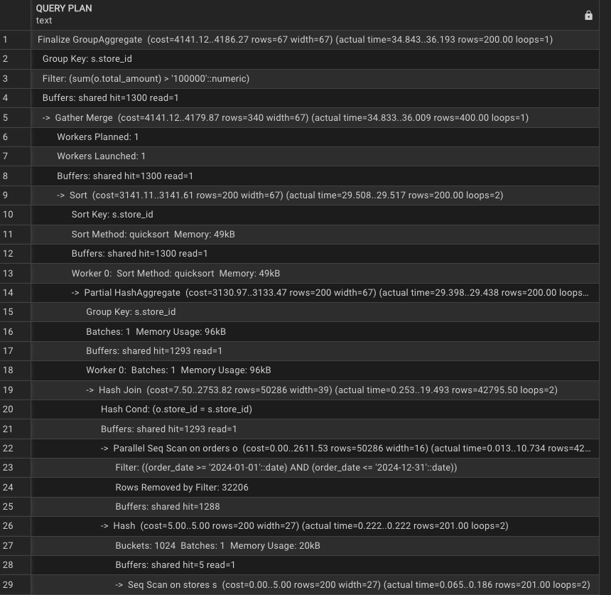

30 ms |  |  | 30 ms
73 ms |  | Postgres 18 Server |  | pgadmin 4

Azure | Databricks
AWS |  | Unity Catalogue
GCP |  | Dashboard
 |  | ADF
 |  | Notebooks

Index
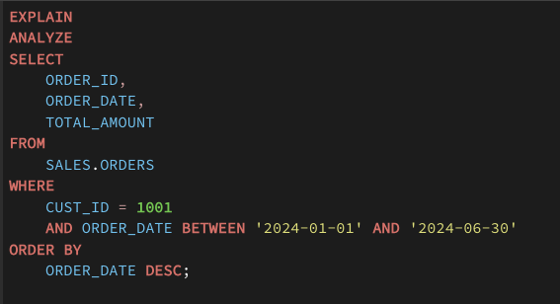
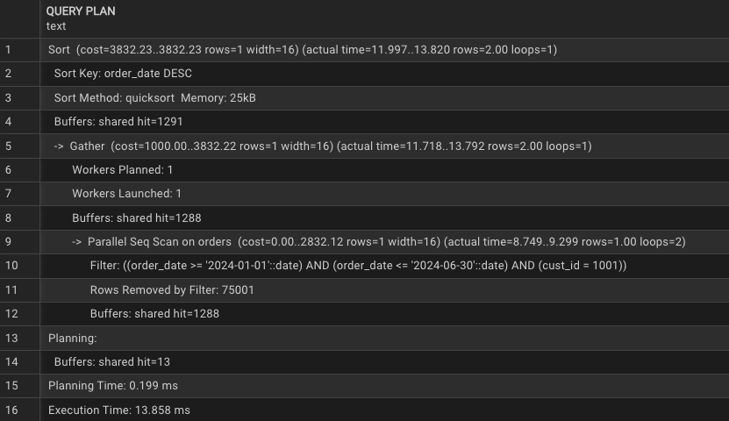
Rahul | Home |  |  |  | Office

 | Day 1 | Its Very Long | 1 hr
 | 5 Month |  | 45 Min

Scan Every row of the table

Orders
order_id | Index | 45 | 50sec | 30sec
cust_id | index | 40 | 45 sec | 25 sec
store_id |  | 15

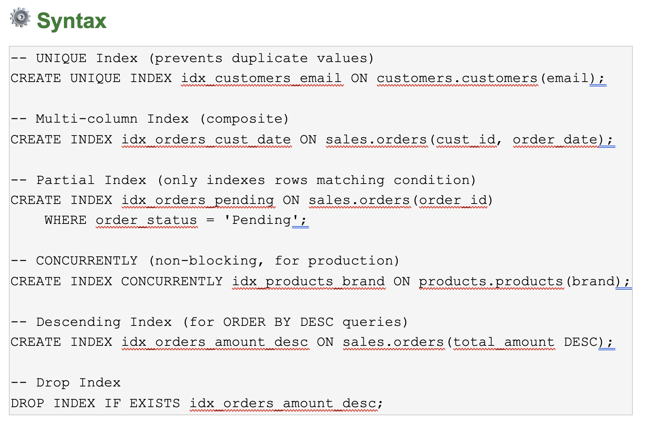

 |  |  |  |  |  | 2 min

SQL Injection
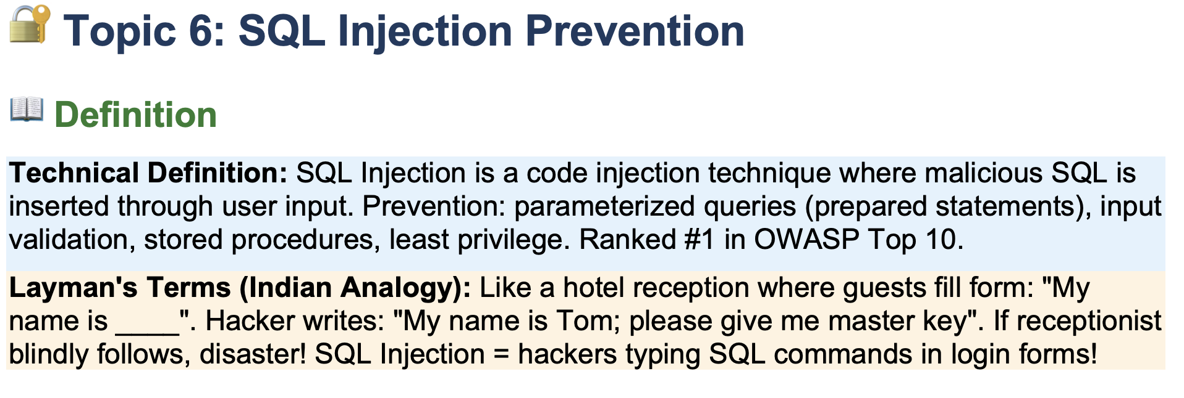

UserName | siraj | siraj' or '1' = '1' or (
Password | password | password' or '1' = '1')'

Select * from users where username = 'siraj' and password = 'password'

username
password
query = "Select * from users where username = '"+username+"'+ "and password = '"+password+"'"

Select * from users where username = 'siraj' or '1' = '1' or (and password = 'password' or '1' = '1')

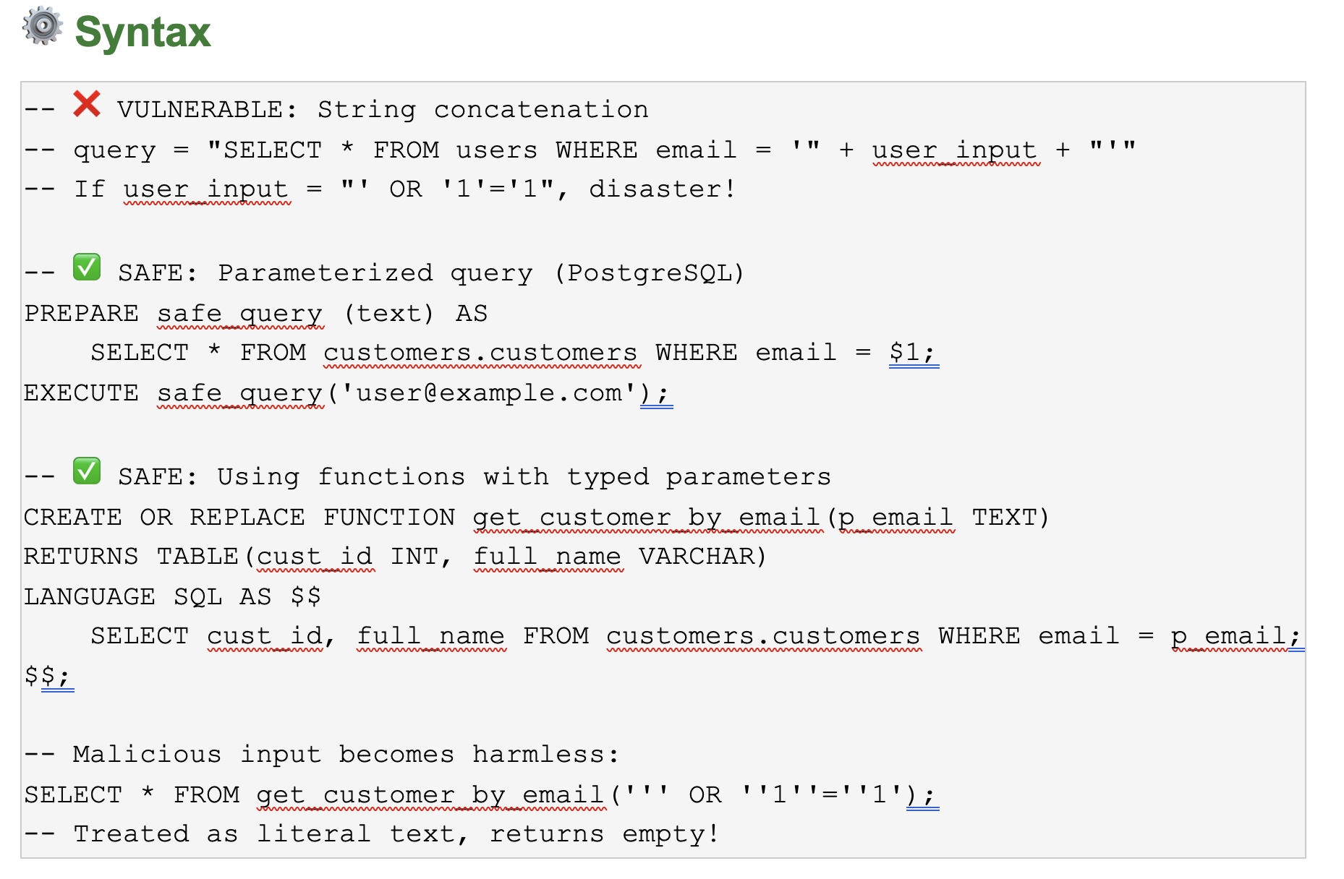

Select * from users where username = "'siraj' or '1' = '1' or (" and password = "'password' or '1' = '1')"

Roles
