Agenda
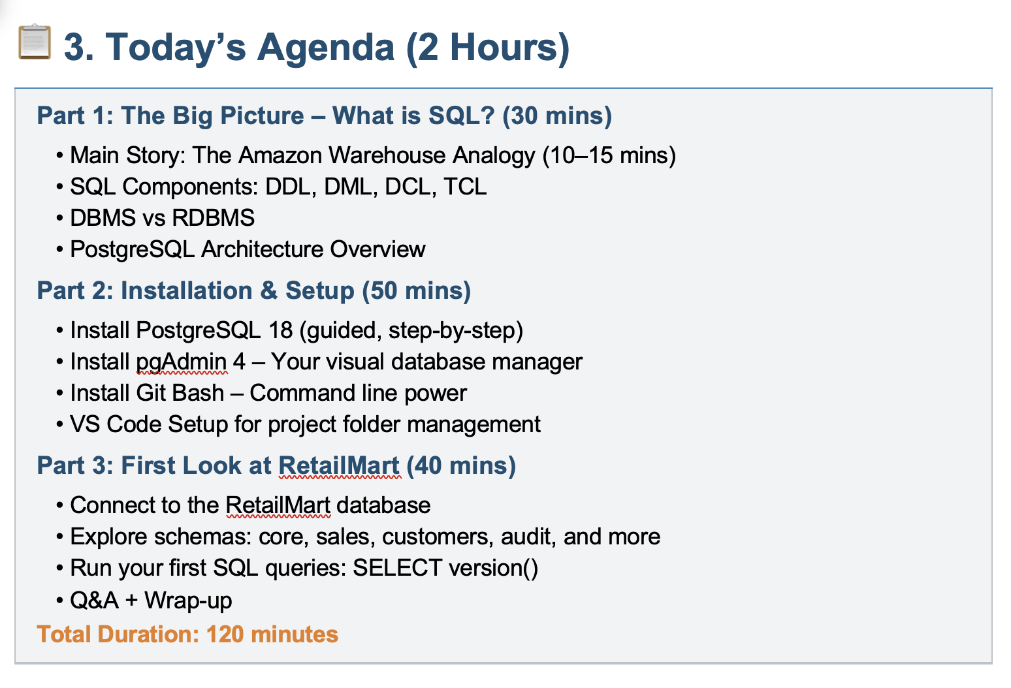

SQL Components
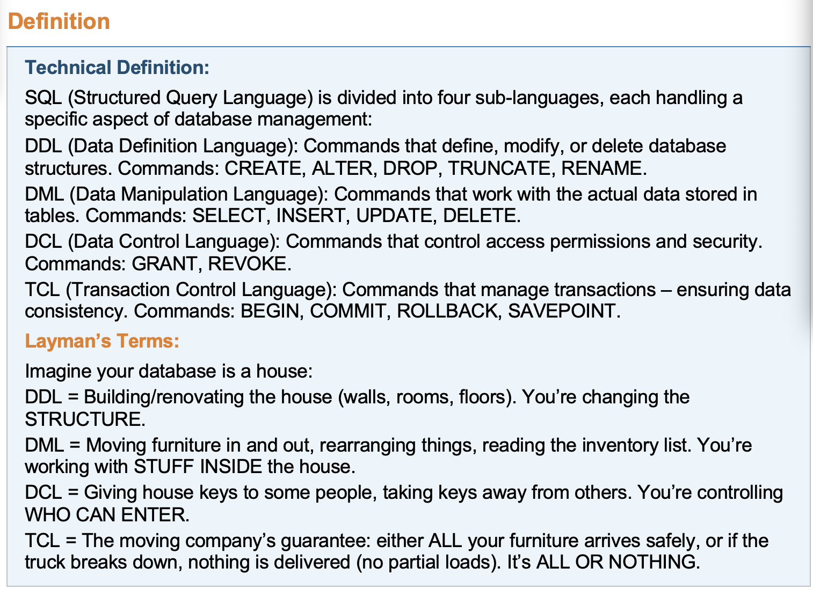

Architecture
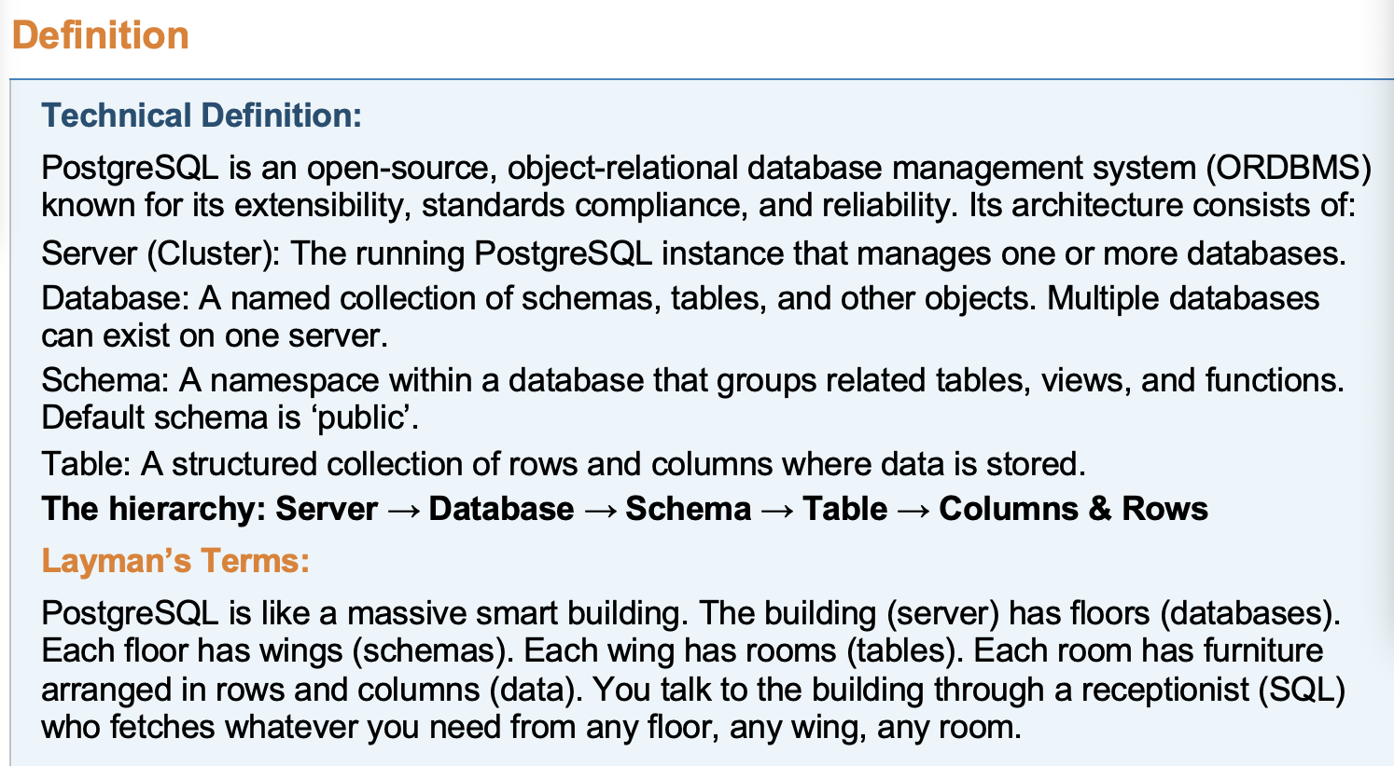
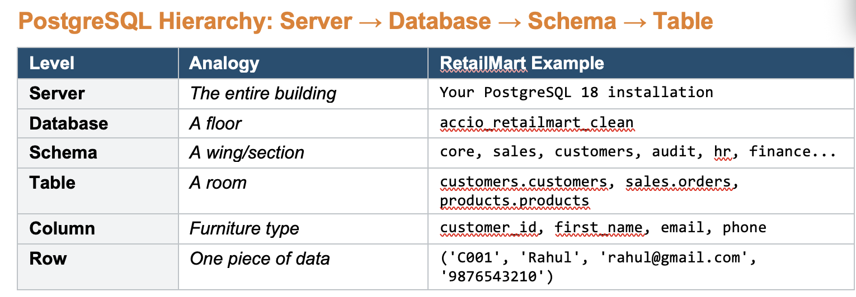
5 Star Hotel |  |  |  | Amazon

Building | Postgres Server | Sales | Seller | Customers | Support | Delivery

Floor | Databases | Orders
 |  | Return
Rooms | Schema | Shipping
 |  | Order_item
Furniture | Table

Reception | Query Processor

Security | Authencation

Summary
