Recap
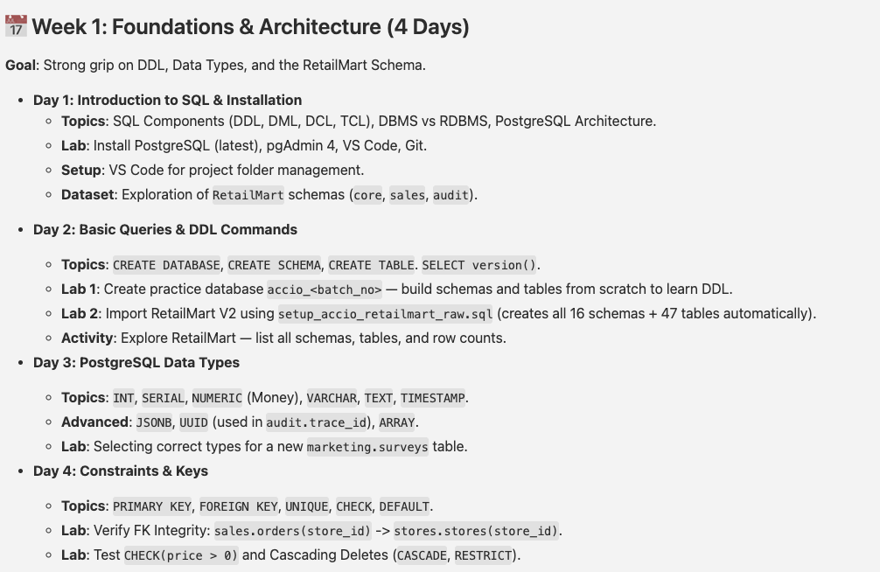

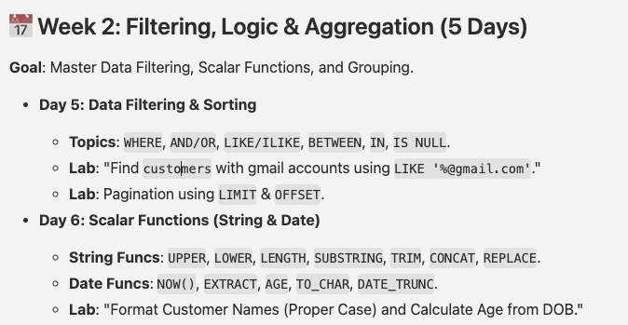

Agenda
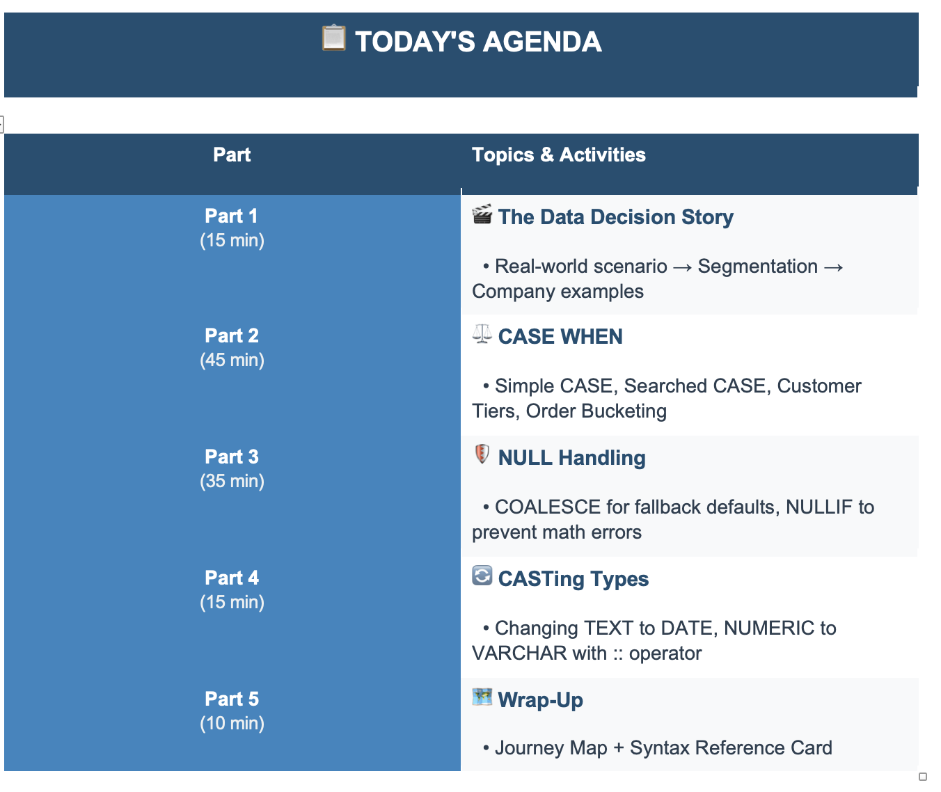

Discussion
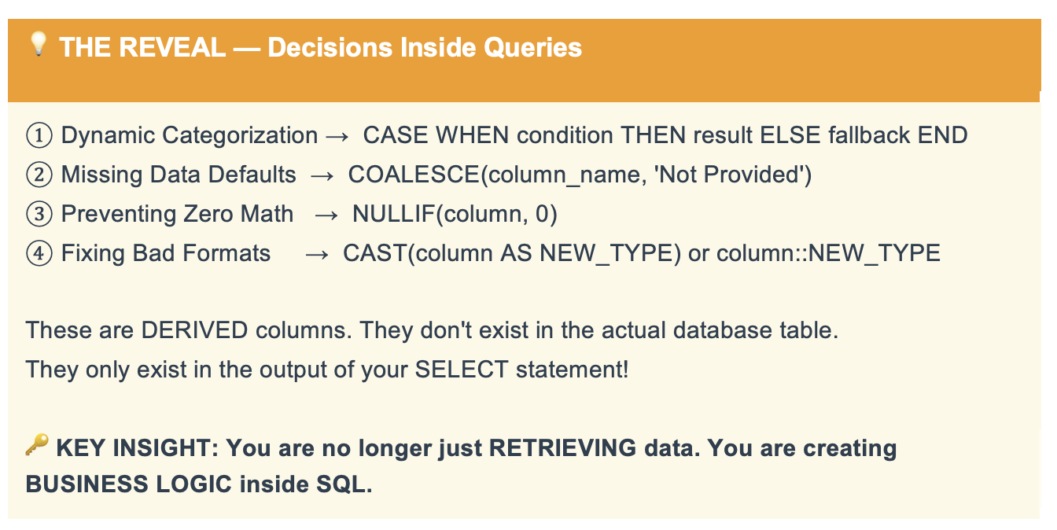
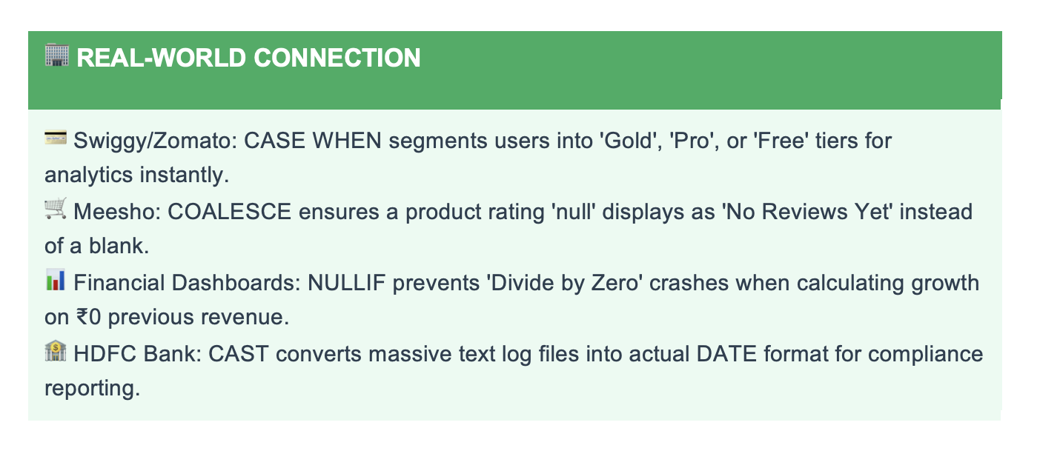
D Mart

Data Daily |  | Master File |  | Employees
 |  |  |  | Store
 | ETL |  |  | Customer
 | ELT |  |  | Orders
 |  | Extract |  | Return
 |  | Transform |  | Marketing
 |  | Load

 | Bronze | Raw | Unchanged | Data with Issue |  |  | Data Pipeline
 |  | Edam | Column_name | Data Type | Data Value | Null | Schduled | 7:00:00
 | Silver | Sat | Data Modeling
 |  |  | Business
 | Gold | Gold

 |  | Tableau |  | ML |  | AI
 |  | Excel
 |  | Power BI

Retail Brand
Pepsi

Orders | 150000

Buckets / Bins | >50000 | High Value |  | Functions
 | 10000-50000 | Medium |  | View
 | <10000 | Low Value |  | Stored Procedure

Customers | We don’t have contact details
 | Phone No | Not Provided

Add new column in your tables?

Case
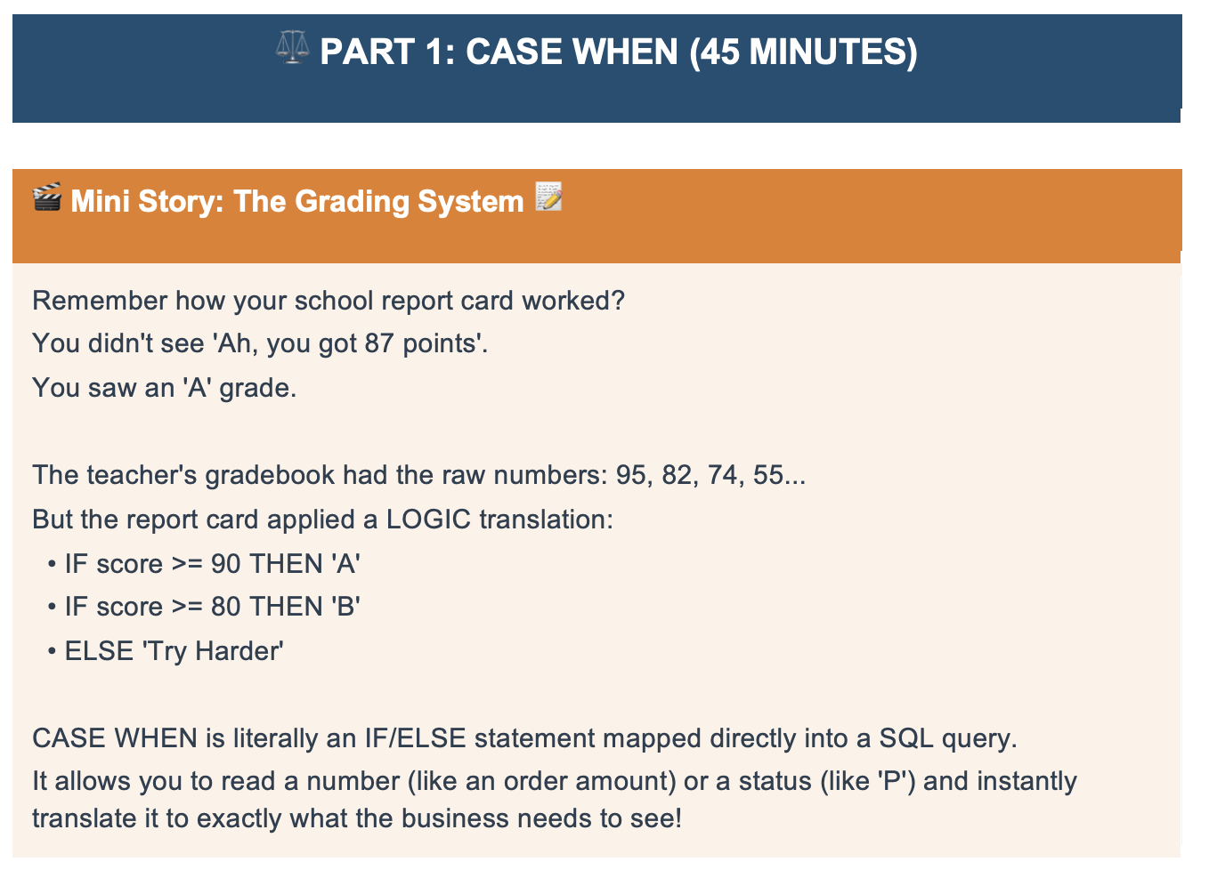

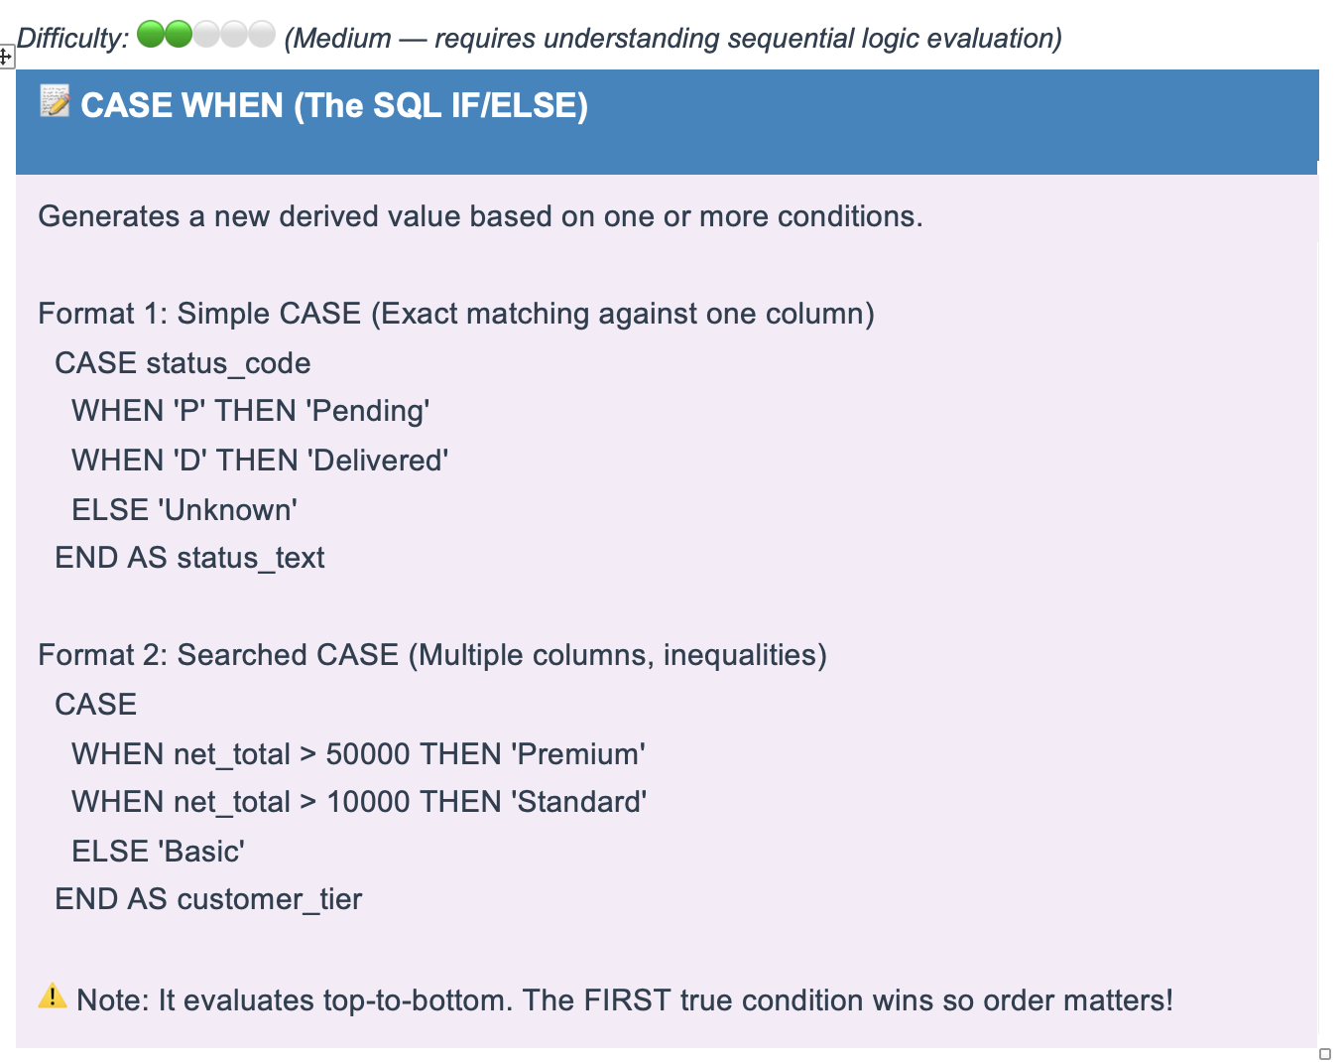

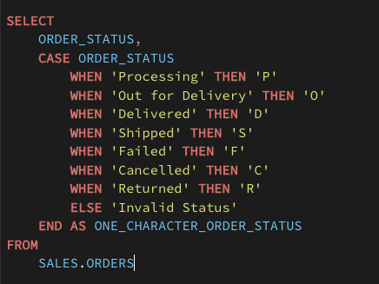
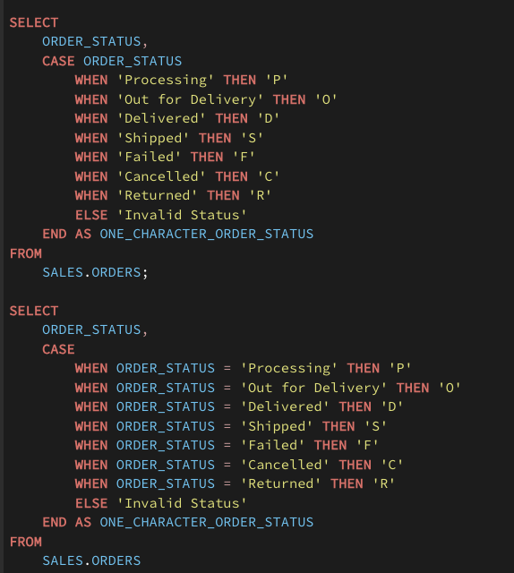

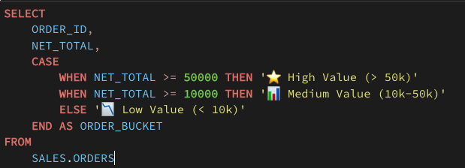

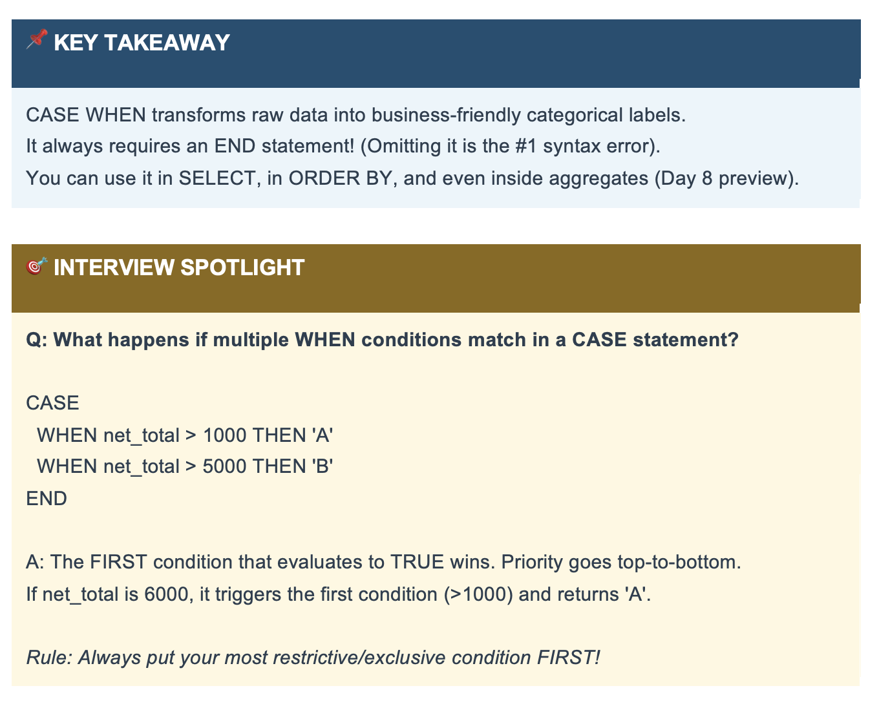

Coalesce
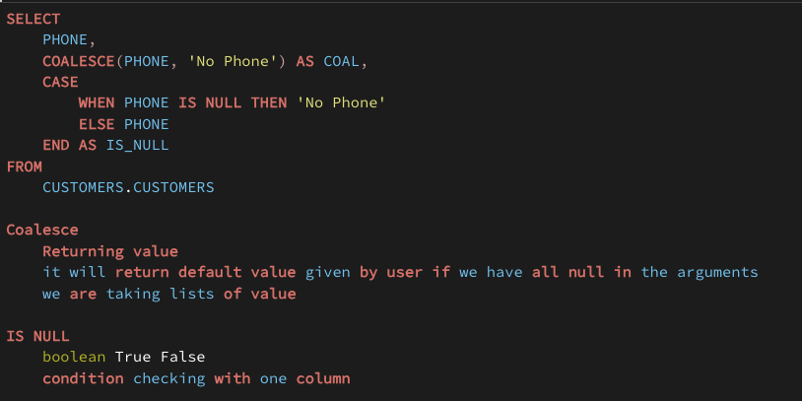
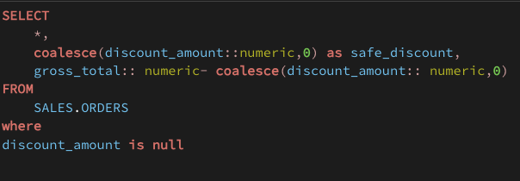
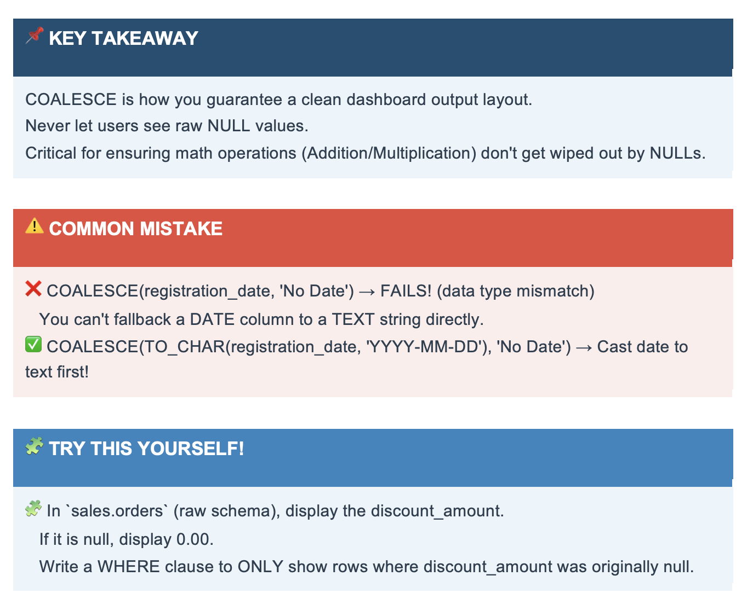
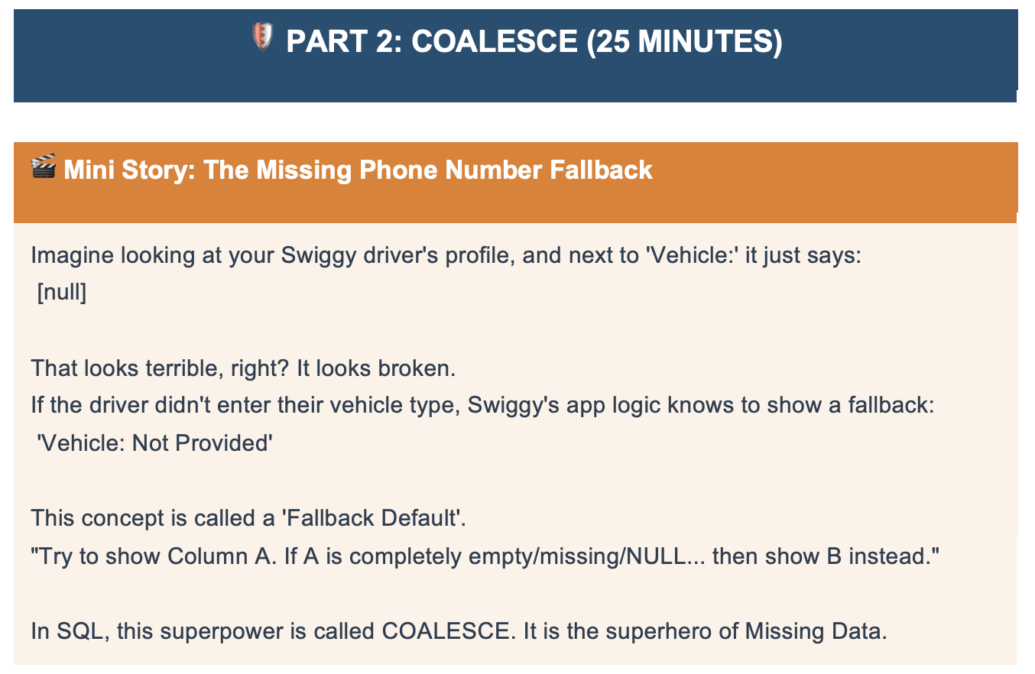

Name
DOB
DOE | NULL

Manager
 | KYC

 | Database
 |  | Alternate | Phone

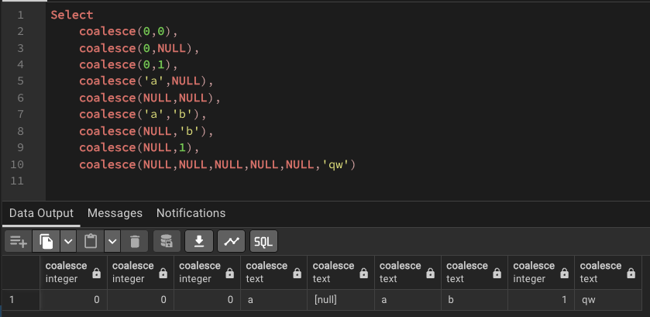

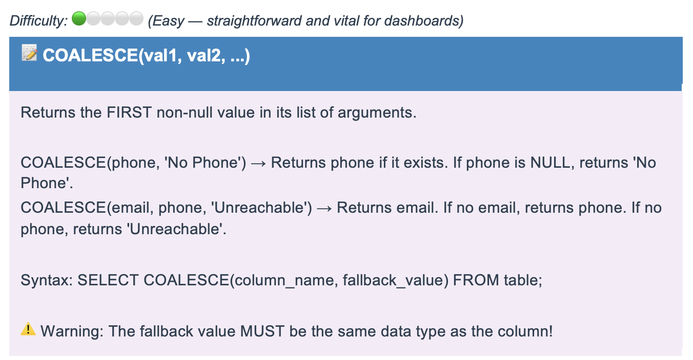

email
meera.naidu0@bmw.com

lakshmi.singh1@expedia.com
zoya.lal2@yahoo.com
pallavi.vyas3@manoj.com

jaspreet.shetty4@tcs.com
pallavi.chauhan5@yahoo.com
rashmi.bhattacharya6@gmail.com

deepti.kashyap7@vikas.com
nikhil.vyas8@gmail.com
tanisha.panda9@gmail.com

NULLIF
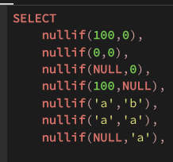

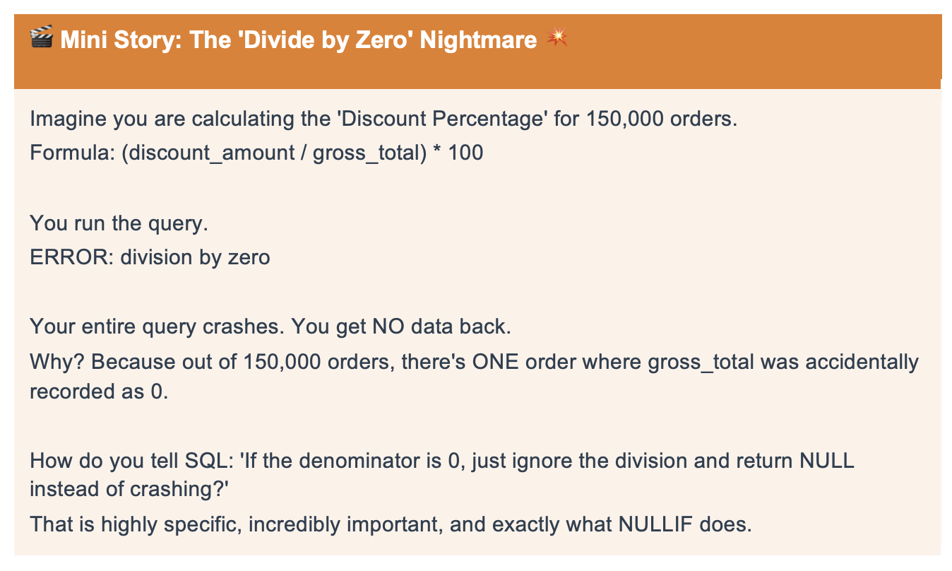

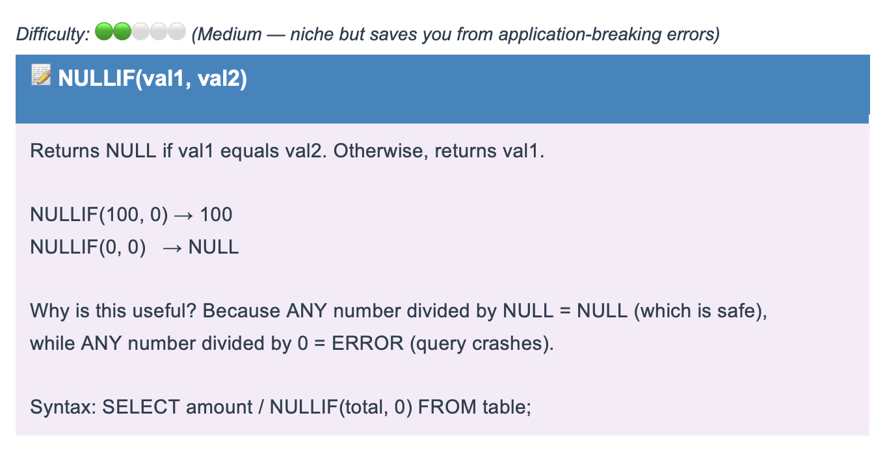

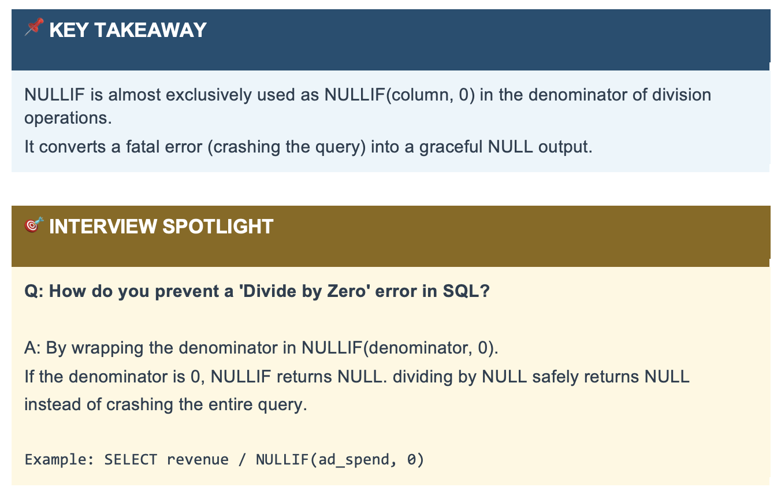

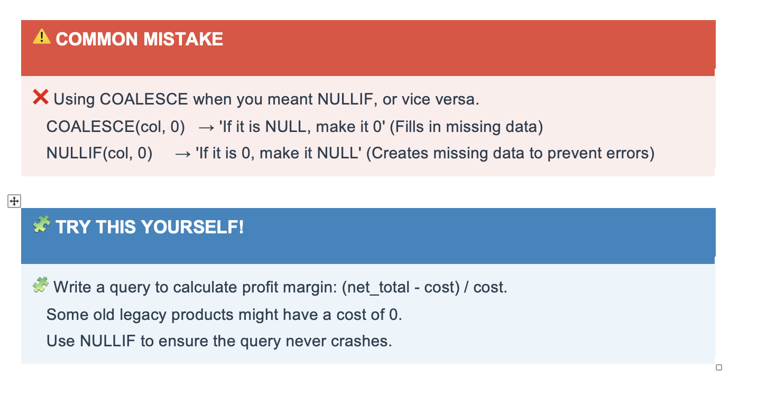

Casting
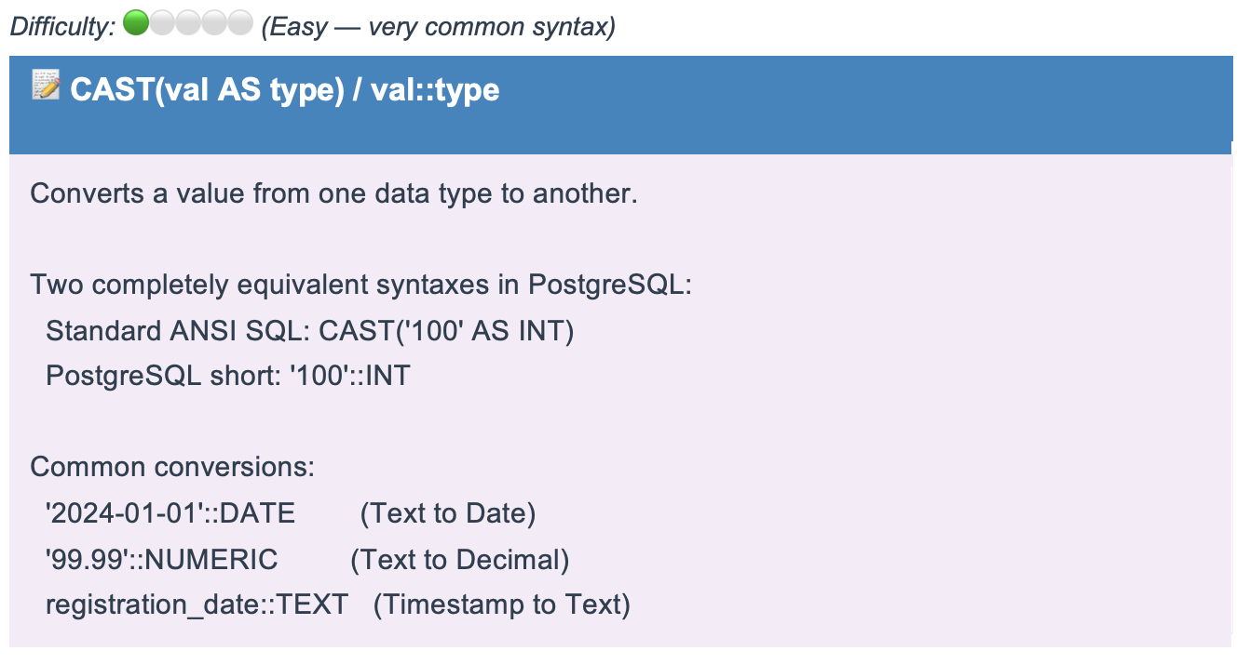
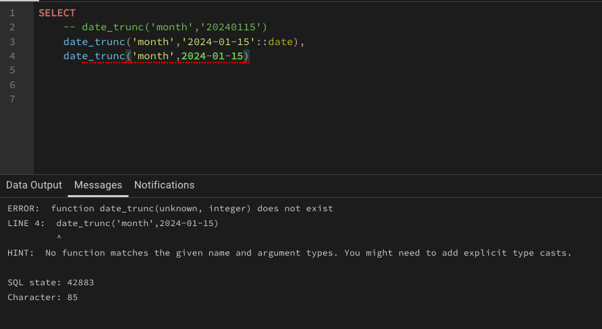
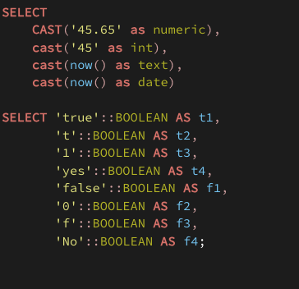
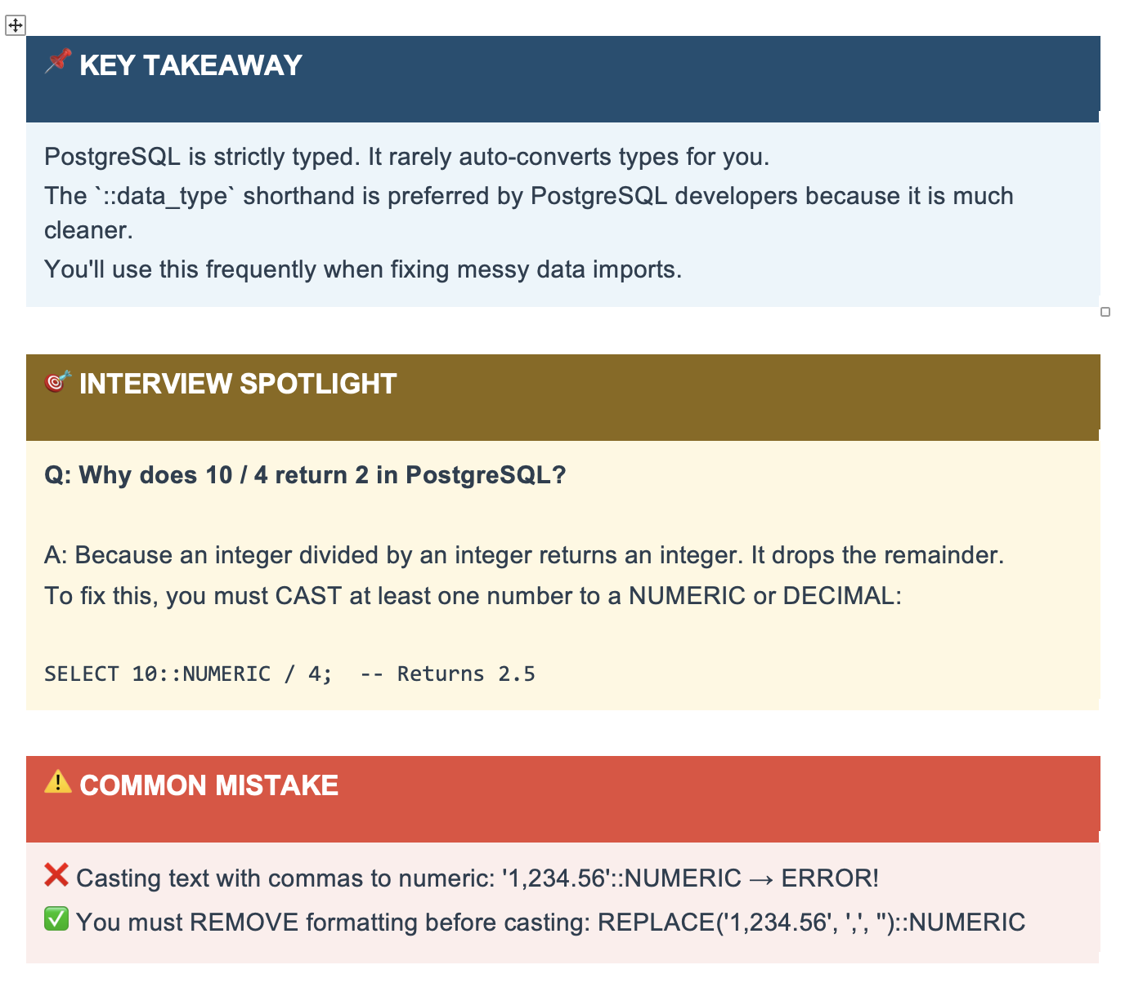
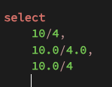
CSV
 | join_date
 | 20240115 | yyyymmdd
 |  | text

Distinct
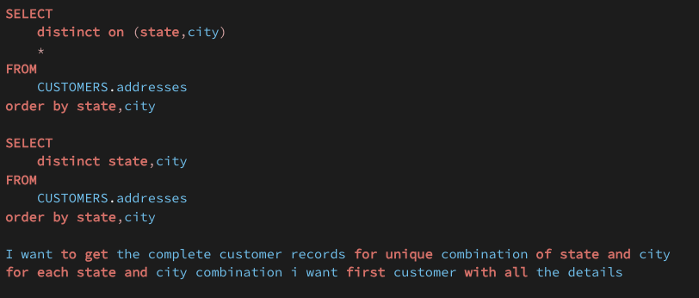
Distinct

Summary
