Recap
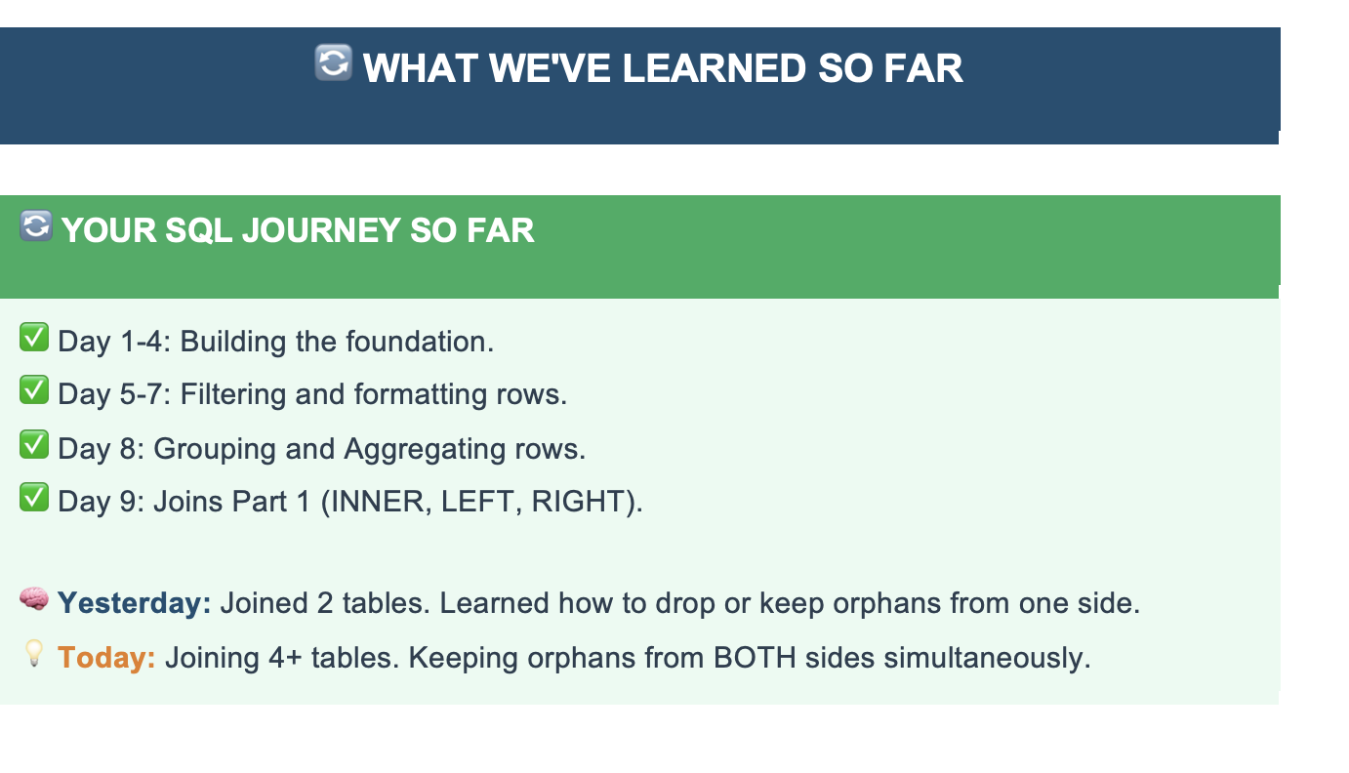

Agenda
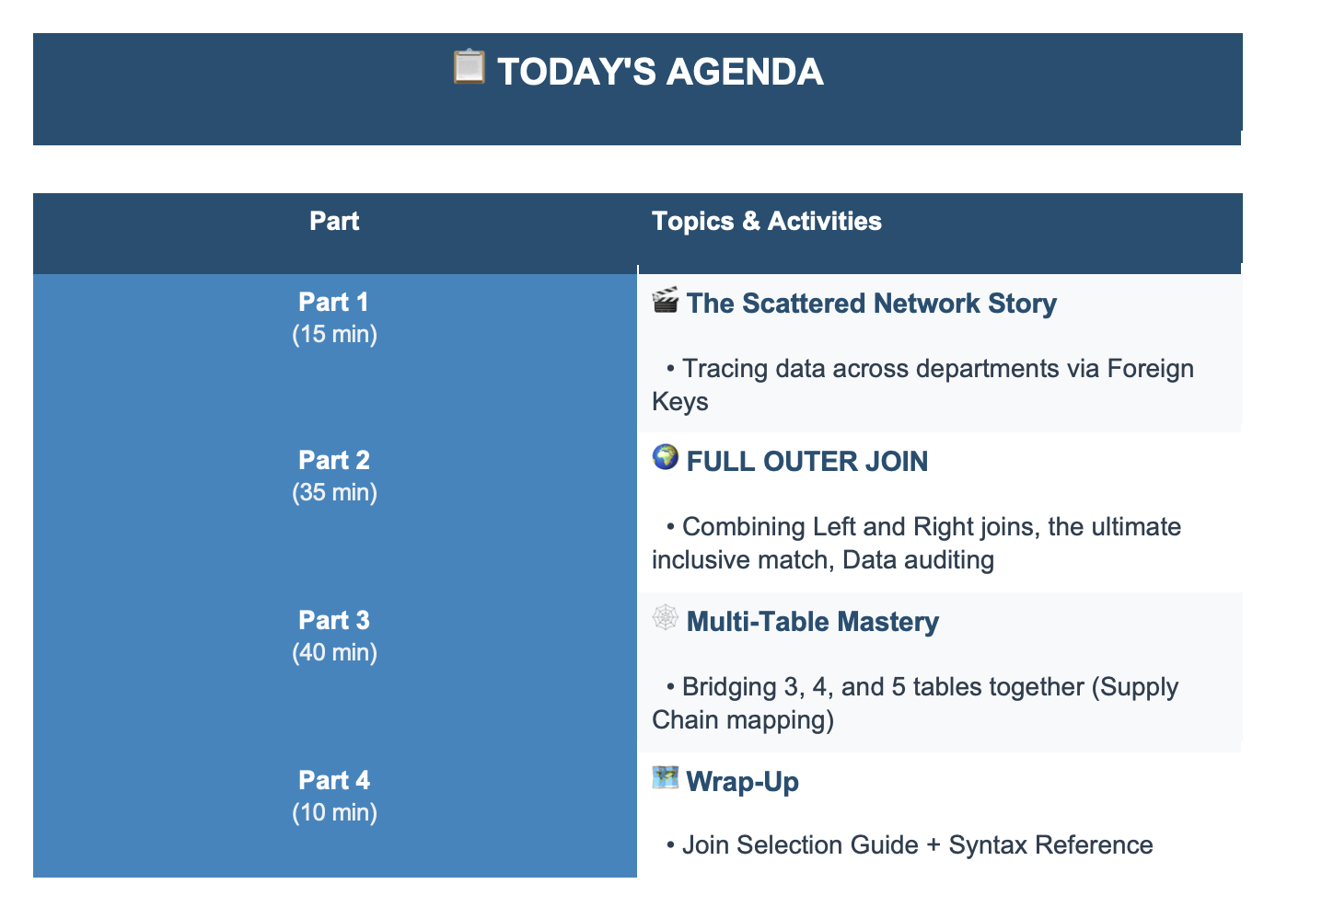

Muti Join
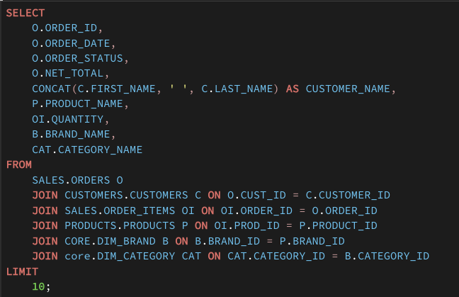
 | Orders | Left join | customers | inner join | products
 |  | inner join

Left | There will be some orders which have illegal cust_id
Right | There will be customers who never placed any order
inner | Orders with legal cust_id

