Recap
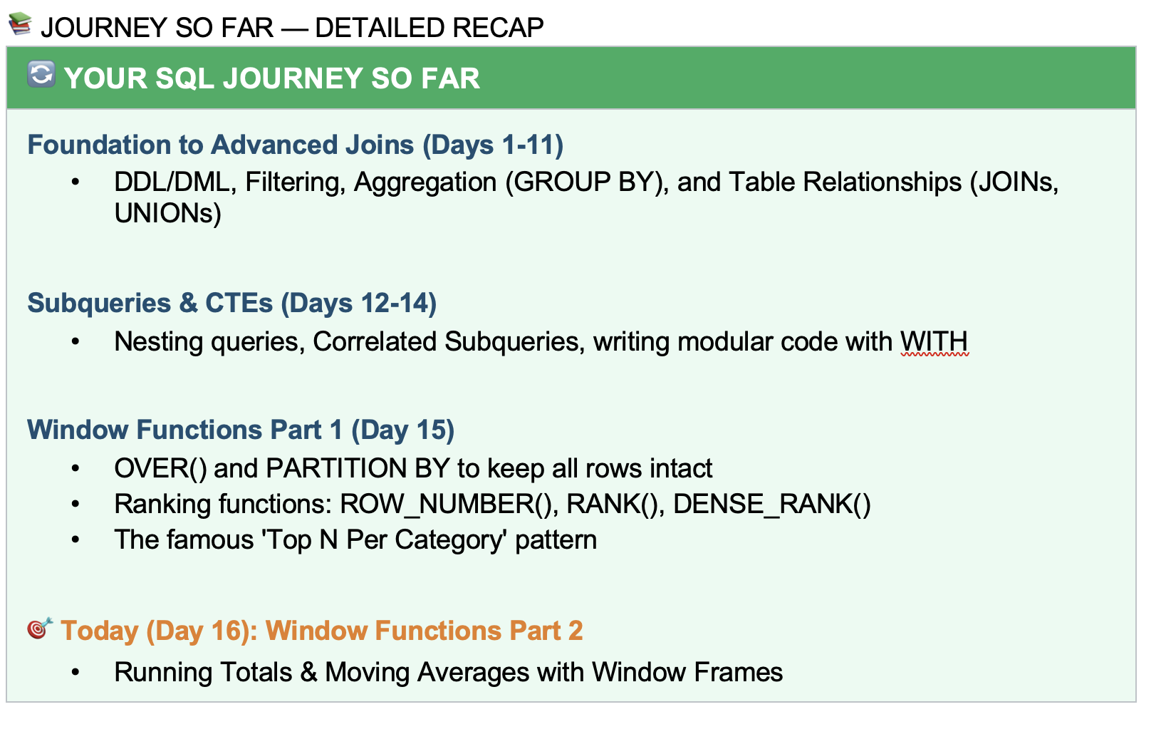

Agenda
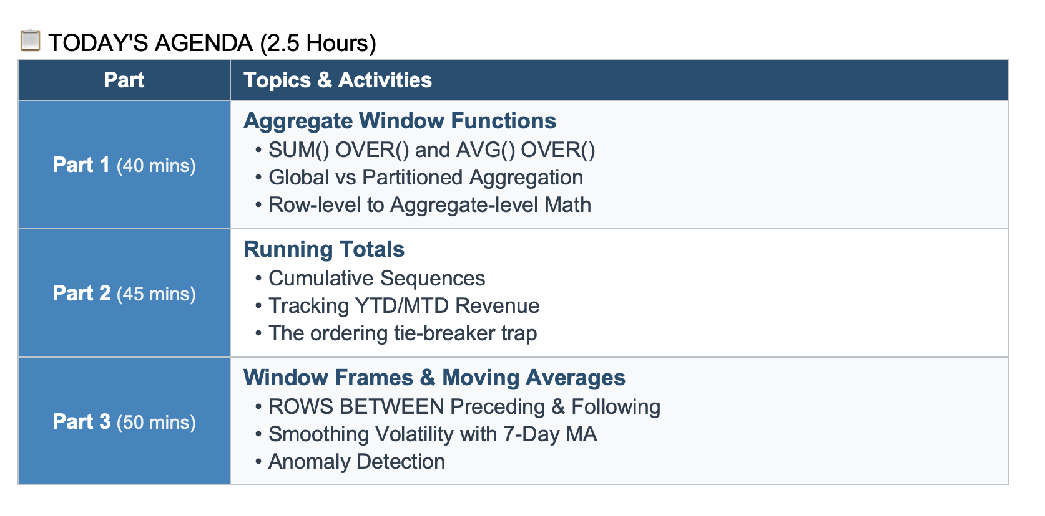

Aggregate_Window_Fucntions
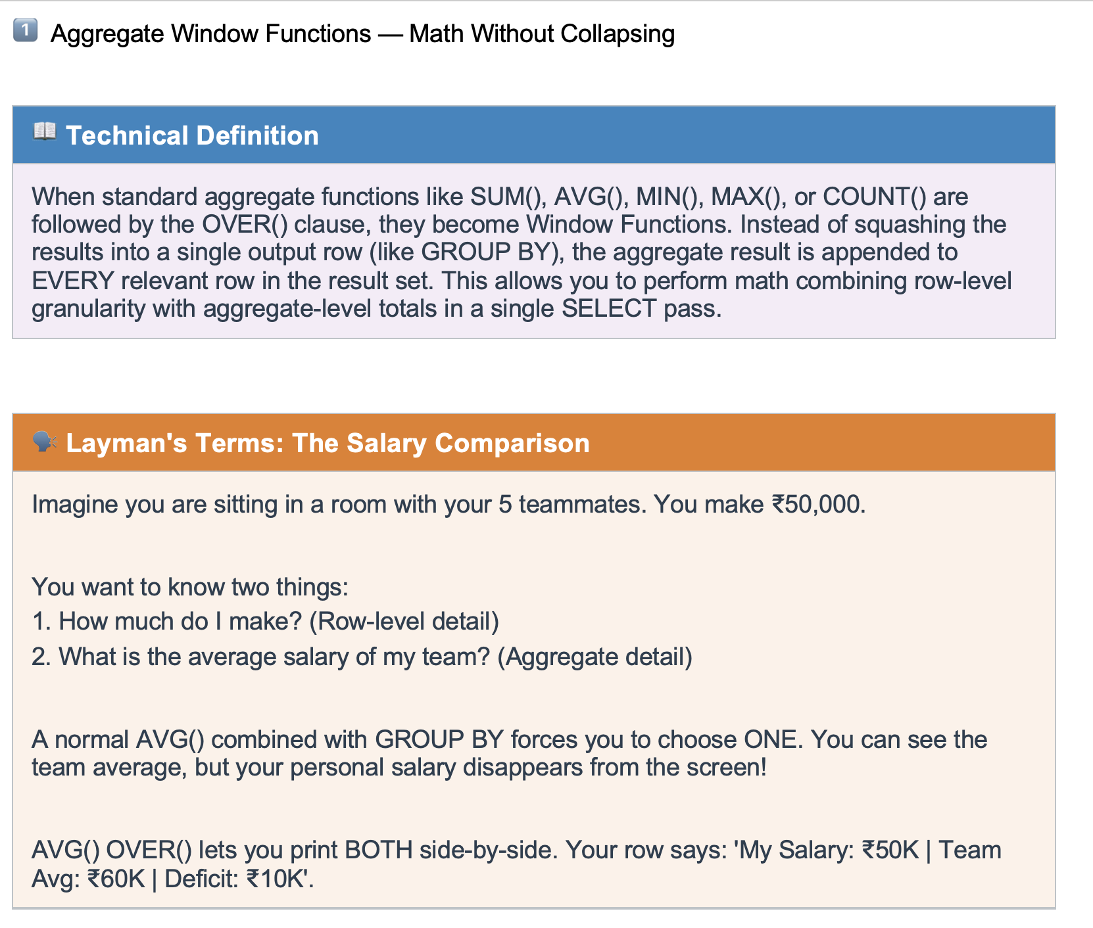

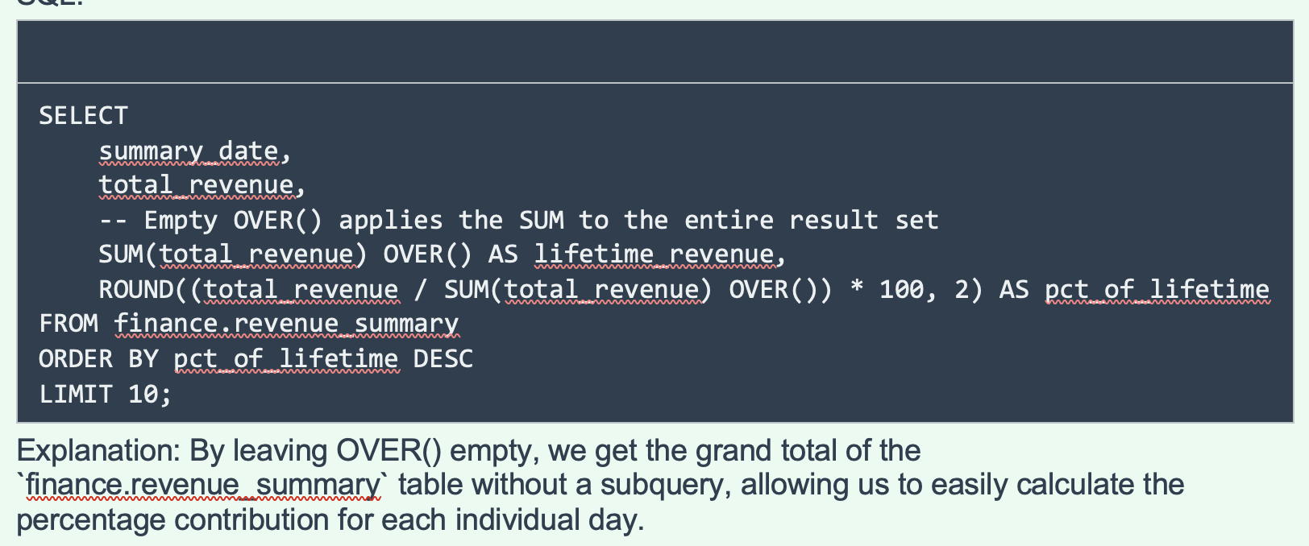

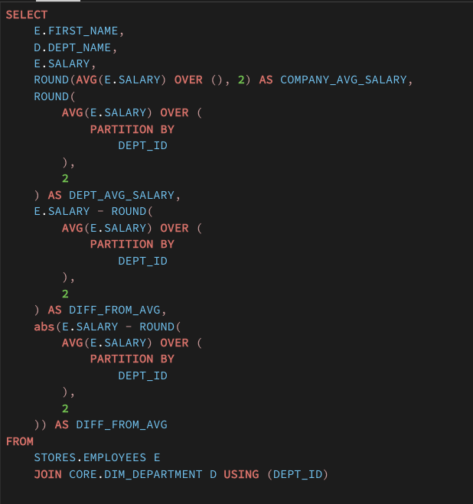

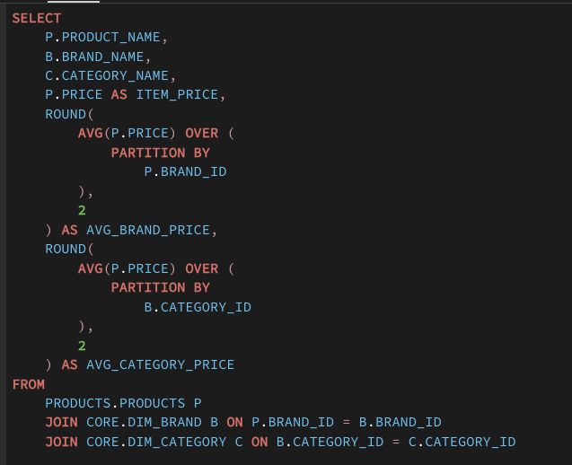

Running_Total
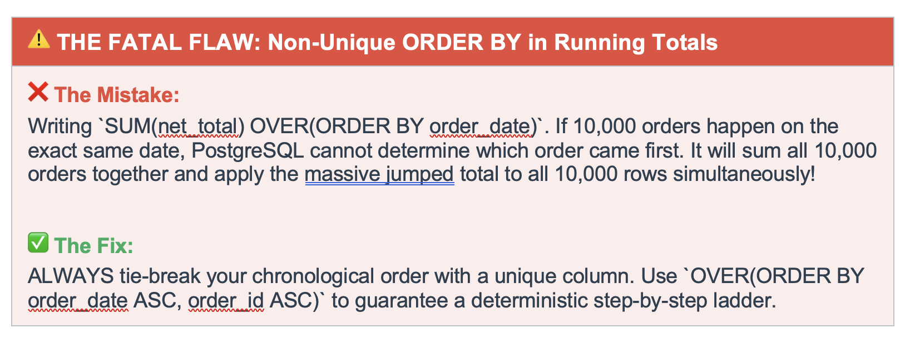
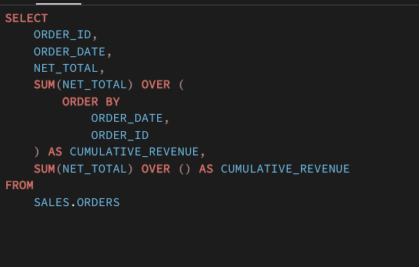
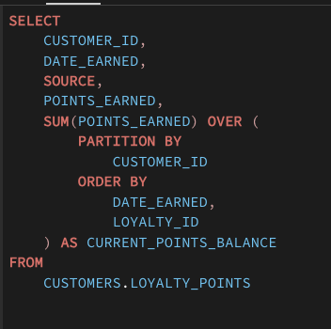
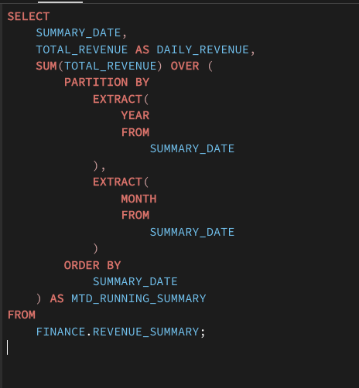
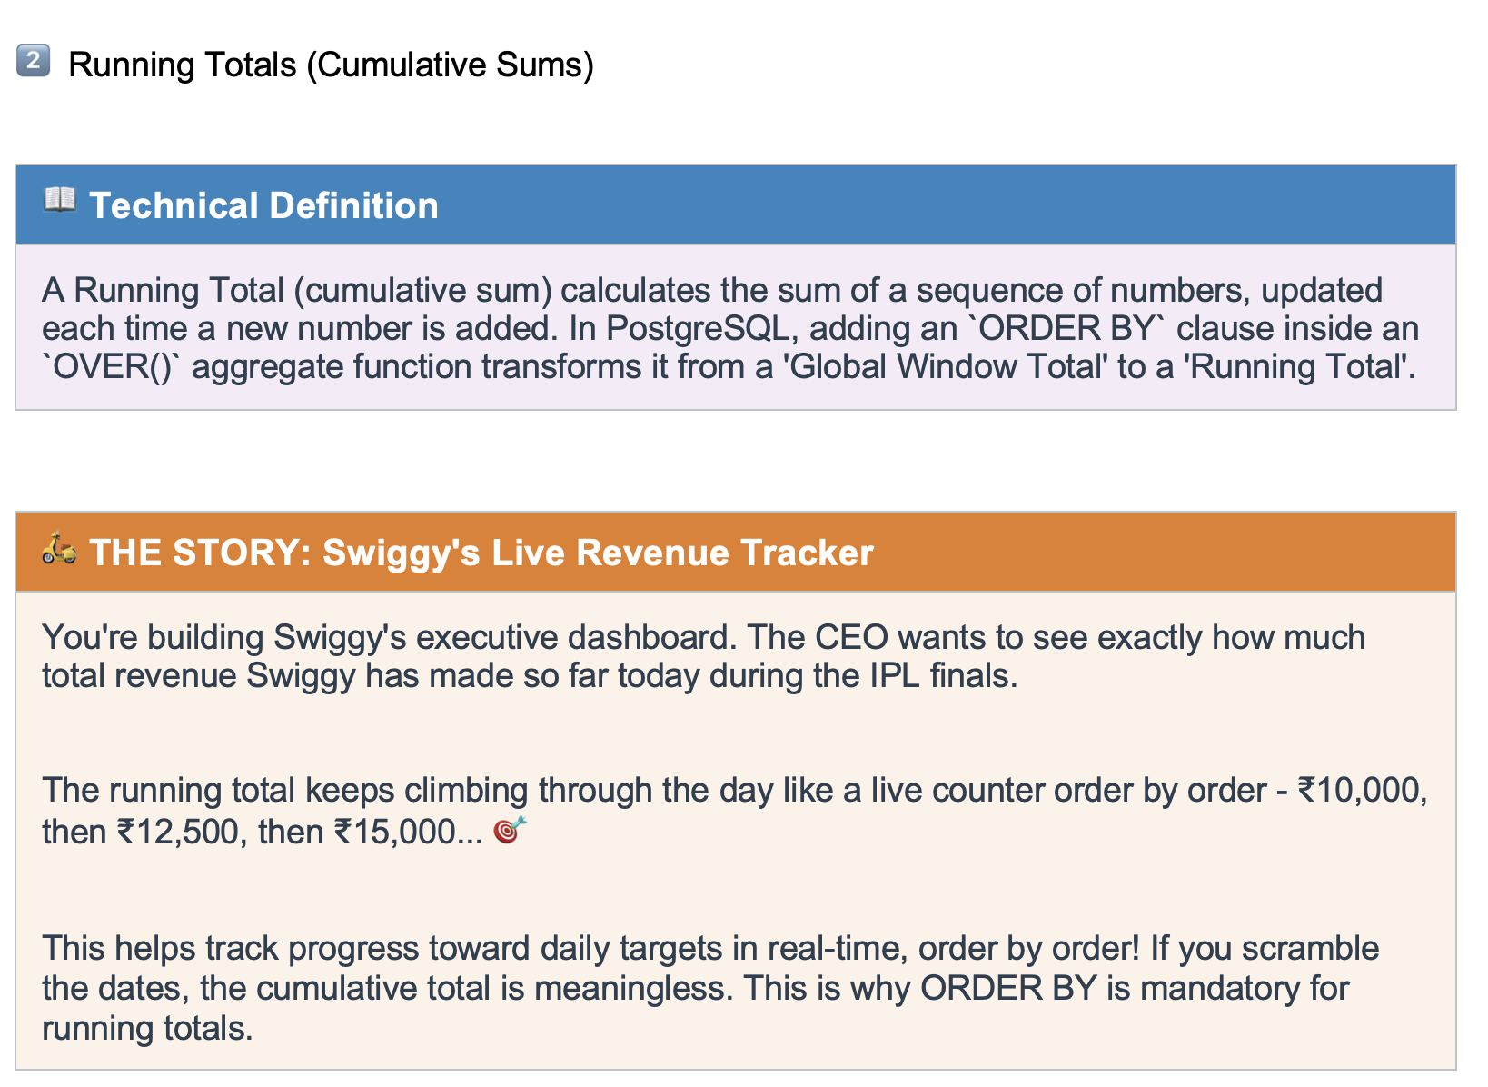

Price
50 | 50
100 | 150
100 | 250
150 | 400

Window Frames
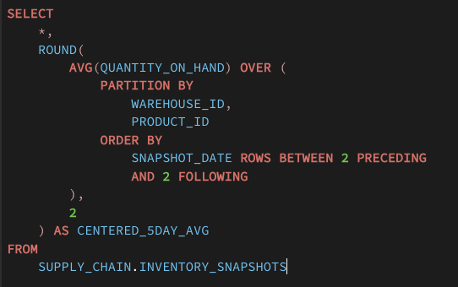
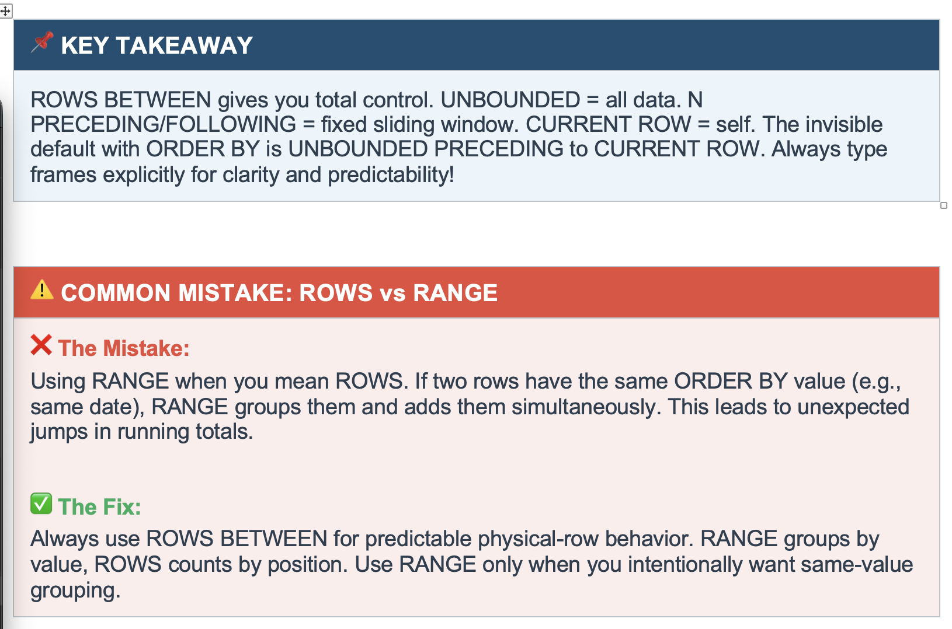
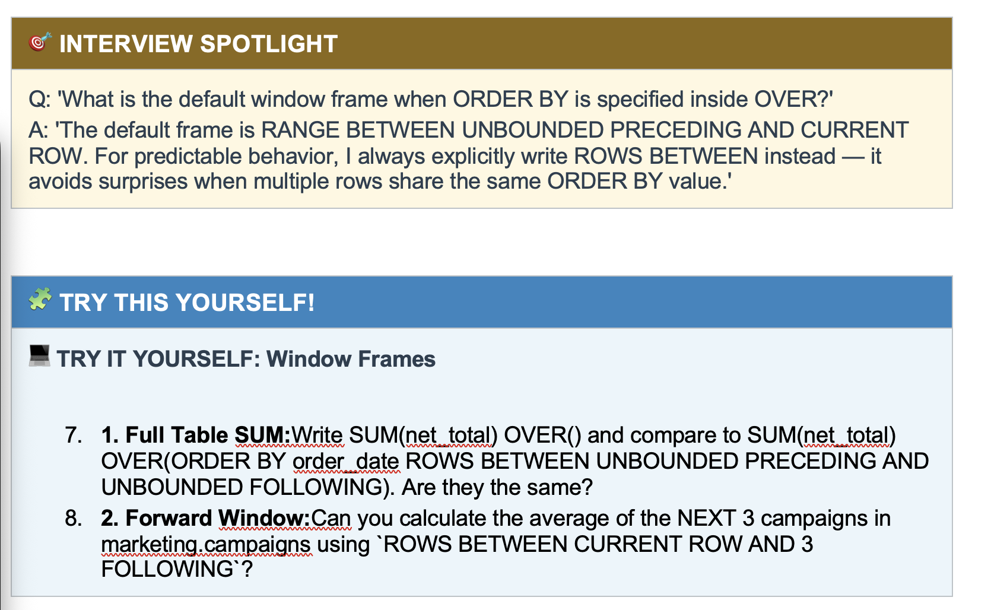
 |  | Cust_id
 | Window
 | Partition
 | Frames | 1

 |  | 2

 |  | 3

Windows | Total | Over()
Partition | Running Total | Over(Order By)
Frame

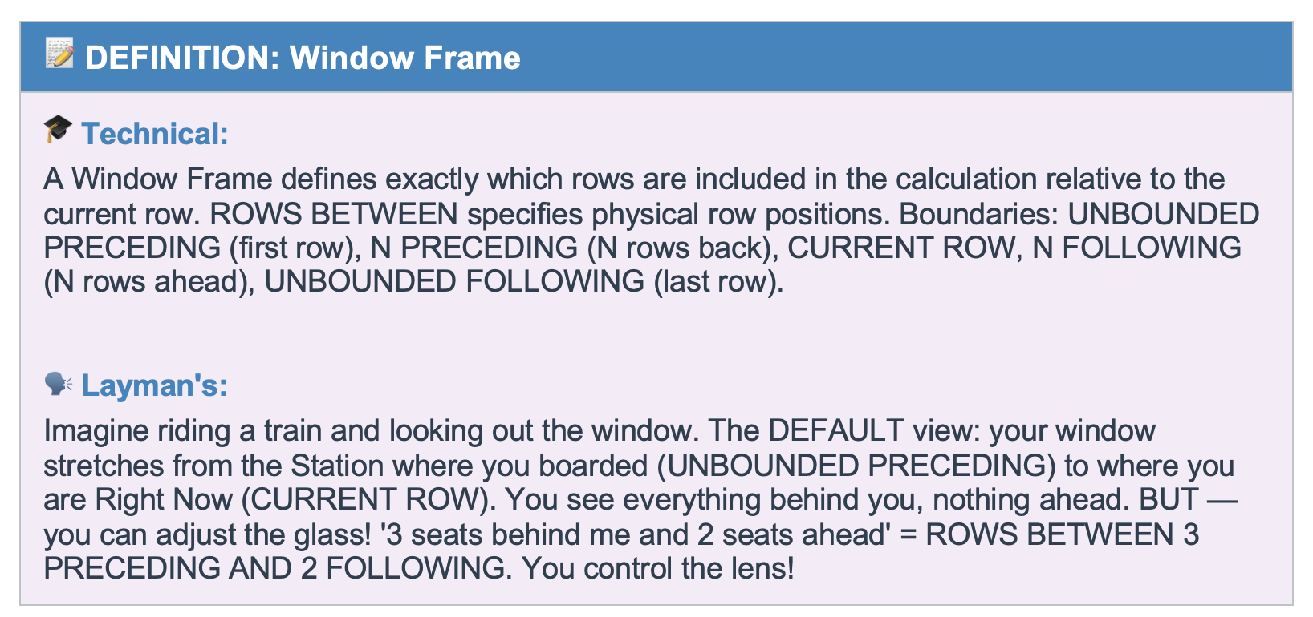

 | Start |  |  |  | Current |  |  |  | End

 |  | Price | Global | Running Total
 |  | 72 | 887 | 72 |  | Start |  | Unbounded Preceding
 |  | 74 | 887 | 146
 |  | 78 | 887 | 224
 |  | 58 | 887
 |  | 70 | 887
 |  | 89 | 887 |  |  | Current |  | Current Row
 |  | 77 | 887
 |  | 88 | 887
 |  | 87 | 887
 |  | 61 | 887
 |  | 77 | 887
 |  | 56 | 887 |  |  | End |  | Unbounded Following

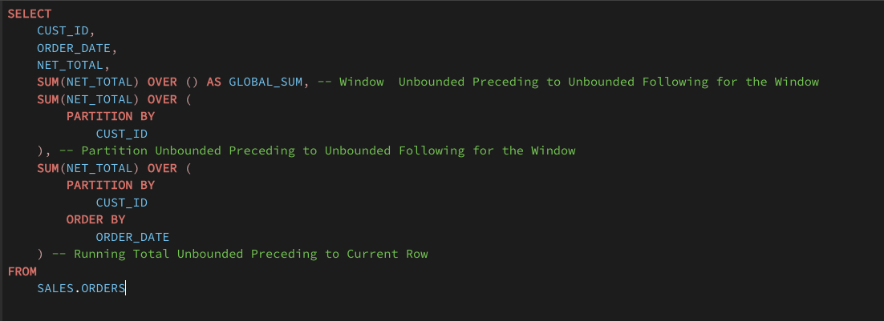

 | Compare Current Sales with last 3 month Sales
 | Compare Current Sales with Last year sales

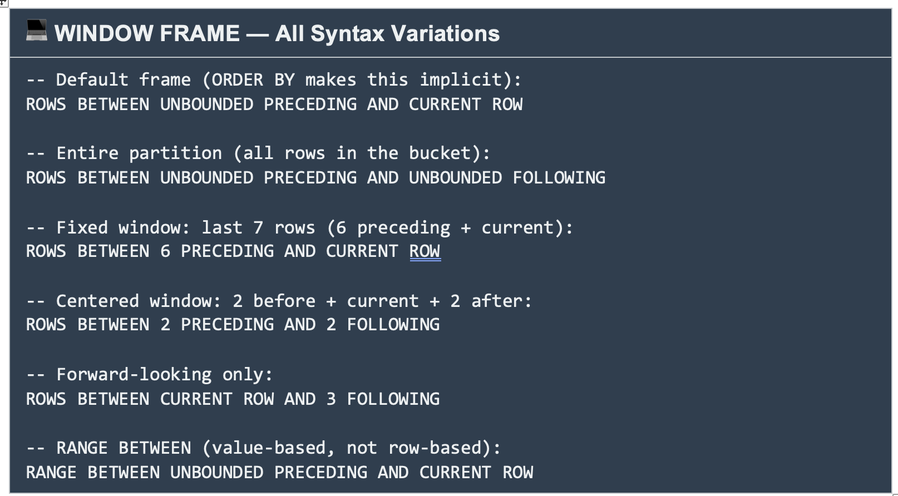

 |  | Order_date
 |  | 2024-01-01 | 100 | 300
 |  | 2024-01-01 | 150 | 300
 |  | 2024-01-01 | 50 | 300
 |  | 2024-01-02 | 100 | 900
 |  | 2024-01-02 | 200 | 900
 |  | 2024-01-02 | 300 | 900
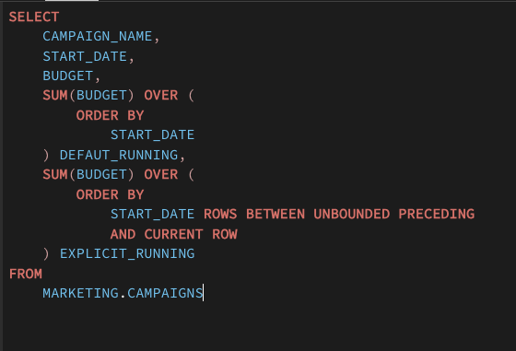

 | campaign_name | start_date | budget | defaut_running | explicit_running
 | Secured tertiary extranet | 2024-01-01 | 110231.45 | 110231.45 | 110231.45 |  | 110231.45
 | Realigned transitional solution | 2024-01-04 | 228537.15 | 338768.6 | 338768.6 |  | 338768.6
 | Fundamental coherent function | 2024-01-09 | 545617.8 | 884386.4 | 884386.4 |  | 884386.4
 | De-engineered empowering project | 2024-01-10 | 487326.72 | 1371713.12 | 1371713.12 |  | 1371713.12
 | Face-to-face modular task-force | 2024-01-11 | 950556.76 | 2322269.88 | 2322269.88
 | Extended asymmetric info-mediaries | 2024-01-14 | 762881.77 | 3704118.14 | 3085151.65
 | Object-based bottom-line paradigm | 2024-01-14 | 618966.49 | 3704118.14 | 3704118.14 |  | Rows => Range
 | Multi-layered fresh-thinking concept | 2024-01-20 | 128326.69 | 4043780.26 | 3832444.83
 | Decentralized demand-driven approach | 2024-01-20 | 211335.43 | 4043780.26 | 4043780.26
 | Ameliorated zero tolerance moderator | 2024-01-26 | 639565.73 | 4683345.99 | 4683345.99

 | campaign_name | start_date | budget | rolling_3_campaign_avg
 | Secured tertiary extranet | 2024-01-01 | 110231.45 | 110231.45 |  | 110231.45
 | Realigned transitional solution | 2024-01-04 | 228537.15 | 169384.3 |  | 169384.3
 | Fundamental coherent function | 2024-01-09 | 545617.8 | 294795.47 |  | 294795.46667
 | De-engineered empowering project | 2024-01-10 | 487326.72 | 420493.89 |  | 420493.89
 | Face-to-face modular task-force | 2024-01-11 | 950556.76 | 661167.09 |  | 661167.09333
 | Extended asymmetric info-mediaries | 2024-01-14 | 762881.77 | 733588.42 |  | 733588.41667
 | Object-based bottom-line paradigm | 2024-01-14 | 618966.49 | 777468.34 |  | 777468.34
 | Multi-layered fresh-thinking concept | 2024-01-20 | 128326.69 | 503391.65
 | Decentralized demand-driven approach | 2024-01-20 | 211335.43 | 319542.87
 | Ameliorated zero tolerance moderator | 2024-01-26 | 639565.73 | 326409.28

 | campaign_name | start_date | budget | rolling_3_campaign_avg | current_next_2_rows | moving_average | moving_average-2
 | Secured tertiary extranet | 2024-01-01 | 110231.45 | 110231.45 | 294795.47 | 110231.45 | 110231.45 |  | 294795.46667
 | Realigned transitional solution | 2024-01-04 | 228537.15 | 169384.3 | 420493.89 | 169384.3 | 169384.3 |  | 420493.89
 | Fundamental coherent function | 2024-01-09 | 545617.8 | 294795.47 | 661167.09 | 294795.47 | 294795.47 |  | 661167.09333
 | De-engineered empowering project | 2024-01-10 | 487326.72 | 420493.89 | 733588.42 | 342928.28 | 342928.28 |  | 733588.41667
 | Face-to-face modular task-force | 2024-01-11 | 950556.76 | 661167.09 | 777468.34 | 464453.98 | 464453.98 |  | 777468.34
 | Extended asymmetric info-mediaries | 2024-01-14 | 762881.77 | 733588.42 | 503391.65 | 529159.73 | 514191.94 |  | 503391.65
 | Object-based bottom-line paradigm | 2024-01-14 | 618966.49 | 777468.34 | 319542.87 | 529159.73 | 529159.73 |  | 319542.87
 | Multi-layered fresh-thinking concept | 2024-01-20 | 128326.69 | 503391.65 | 326409.28 | 449308.92 | 479055.6 |  | 326409.28333
 | Decentralized demand-driven approach | 2024-01-20 | 211335.43 | 319542.87 | 516154.59 | 449308.92 | 449308.92 |  | 425450.58
 | Ameliorated zero tolerance moderator | 2024-01-26 | 639565.73 | 326409.28 | 658460.64 | 468334.6 | 468334.6 |  | 639565.73

 |  |  |  | Start |  | Unbounded Preceding

 |  |  |  | Current |  | Current Row

 |  |  |  | End |  | Unbounded Following

 |  | Start | End
 | Start - End | Unbounded Preceding | Unbounded Following
 | Start - 2 next row | Unbounded Preceding | 2 Following
 | Start - Current Row | Unbounded Preceding | Current Row
 | Current Row - End | Current Row | Unbounded Following
 | Current Row - next 5 rows | Current Row | 5 Following
 | Previous 4 rows - Current Row | 4 Preceding | Current Row

 | Start Date will have duplicate

 | store_id | expense_date | expense_type | amount | store_total_expenses | pct_ofstore_expenses
 | 1 | 2025-10-21 | Cleaning | 8324.82 | 523821.44 | 1.59 | 1.59%
 | 1 | 2025-03-01 | Repair | 9511.87 | 523821.44 | 1.82 | 1.82%
 | 1 | 2026-02-08 | Security | 9055.53 | 523821.44 | 1.73 | 1.73%
 | 1 | 2026-02-04 | Electricity | 4524.79 | 523821.44 | 0.86 | 0.86%
 | 1 | 2025-09-03 | Internet | 5001.61 | 523821.44 | 0.95 | 0.95%
 | 1 | 2025-04-04 | Security | 2743.69 | 523821.44 | 0.52 | 0.52%
 | 1 | 2025-11-09 | Security | 753.43 | 523821.44 | 0.14 | 0.14%

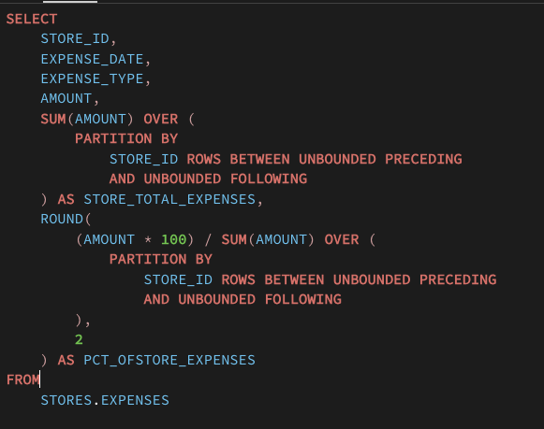

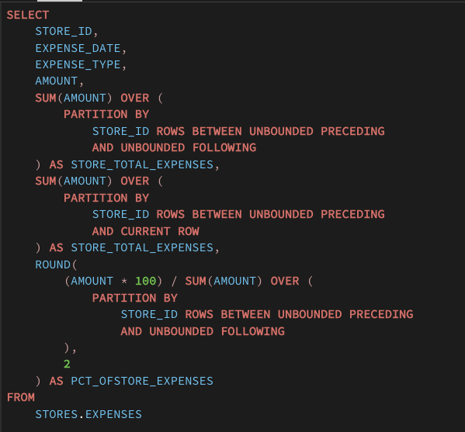

 | warehouse_id | product_id | snapshot_date | quantity_on_hand | centered_5day_avg
 | 1 | 476 | 2025-02-26 | 1002 | 1009.33 | 1009.3333333
 | 1 | 476 | 2025-02-27 | 1020 | 1008 | 1008
 | 1 | 476 | 2025-02-28 | 1006 | 1004.6 | 1004.6
 | 1 | 476 | 2025-03-01 | 1004 | 1004.4 | 1004.4
 | 1 | 476 | 2025-03-02 | 991 | 999.2 | 999.2
 | 1 | 476 | 2025-03-03 | 1001 | 997.2 | 997.2
 | 1 | 476 | 2025-03-04 | 994 | 992.4 | 992.4
 | 1 | 476 | 2025-03-05 | 996 | 995.4 | 995.4
 | 1 | 476 | 2025-03-06 | 980 | 998 | 998
 | 1 | 476 | 2025-03-07 | 1006 | 1005.2
 | 1 | 476 | 2025-03-08 | 1014 | 1014.6

Sheet2
