Recap
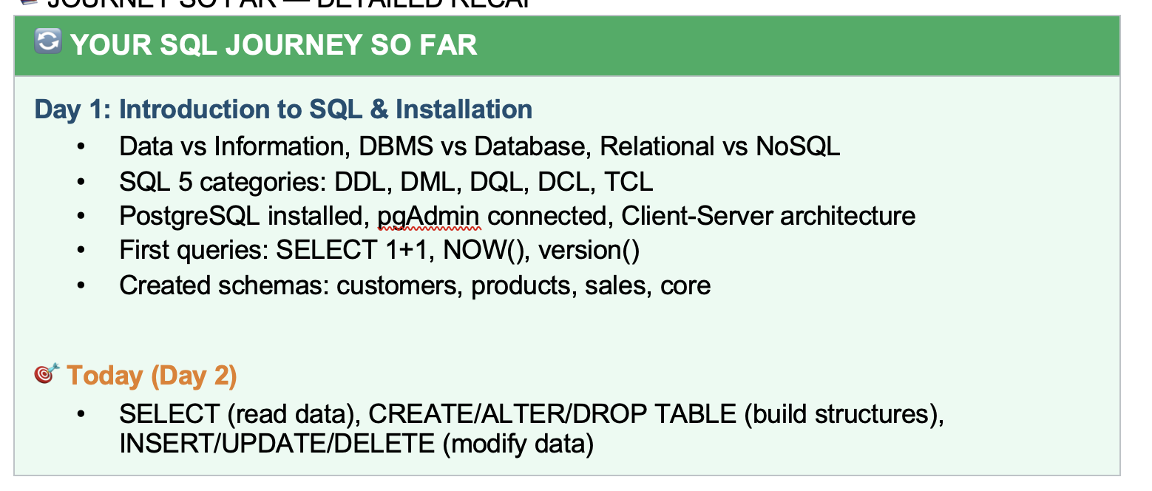

Agenda
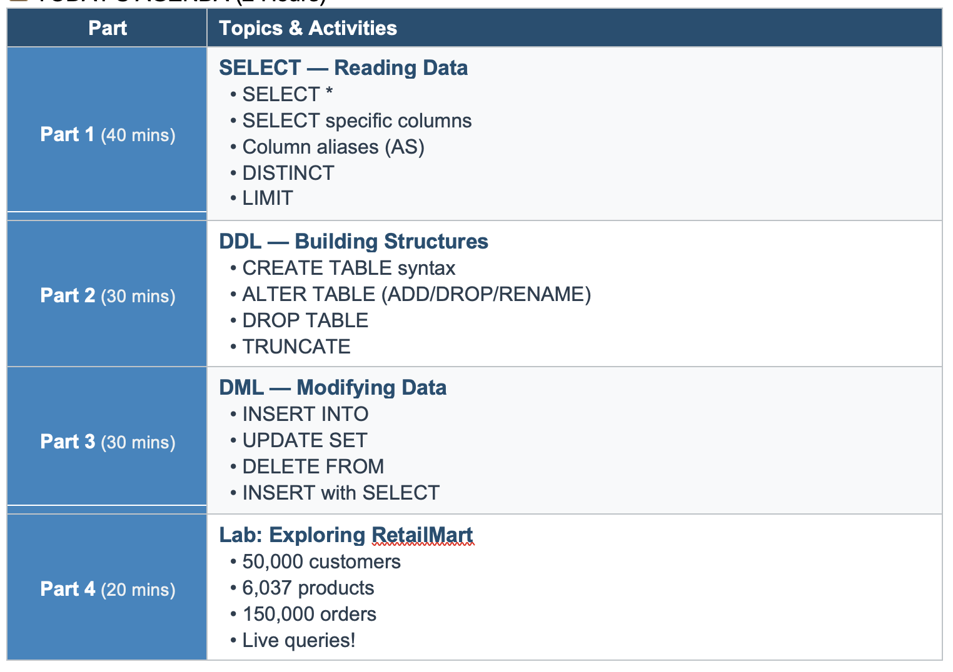

First_Table
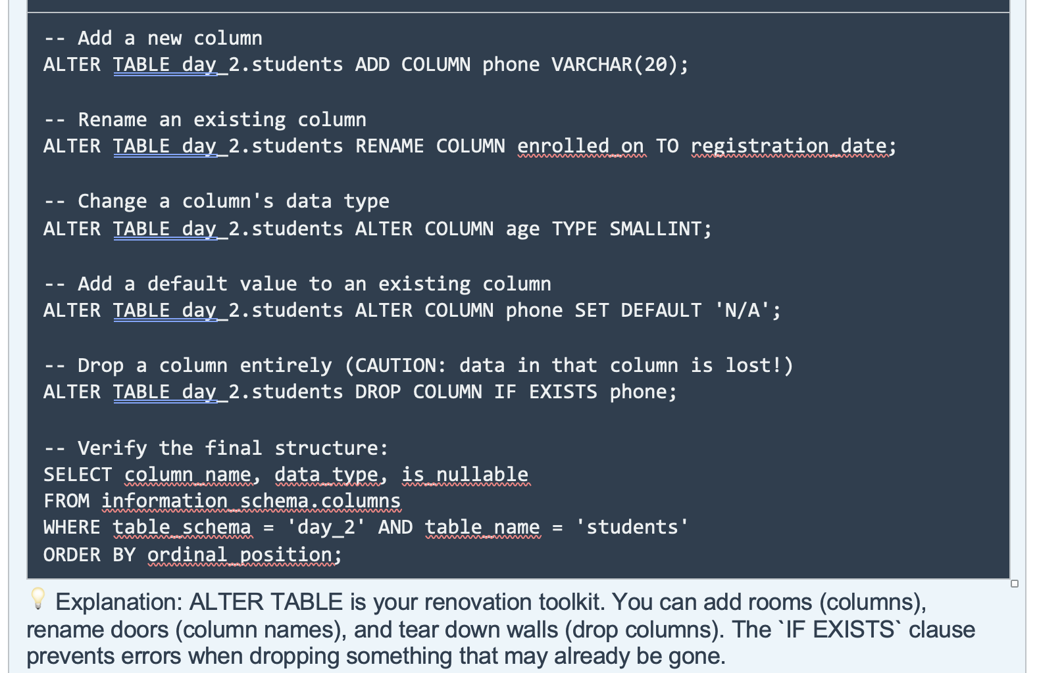
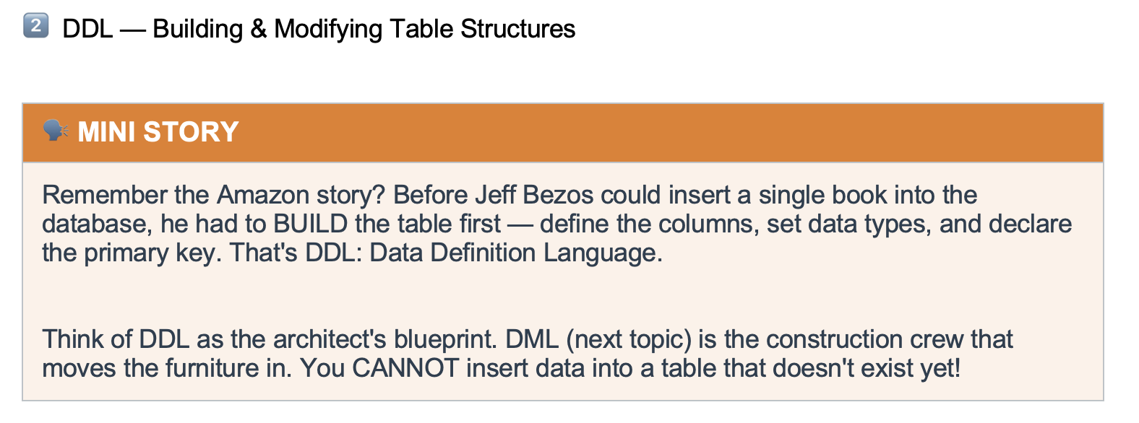

 |  |  |  |  |  |  | Land | Physical Storage
 |  |  |  |  |  |  | BluePrint | DDL
 |  |  |  |  |  |  |  | Database
 |  |  |  |  |  |  |  | Schema
 |  |  |  |  |  |  |  | Table

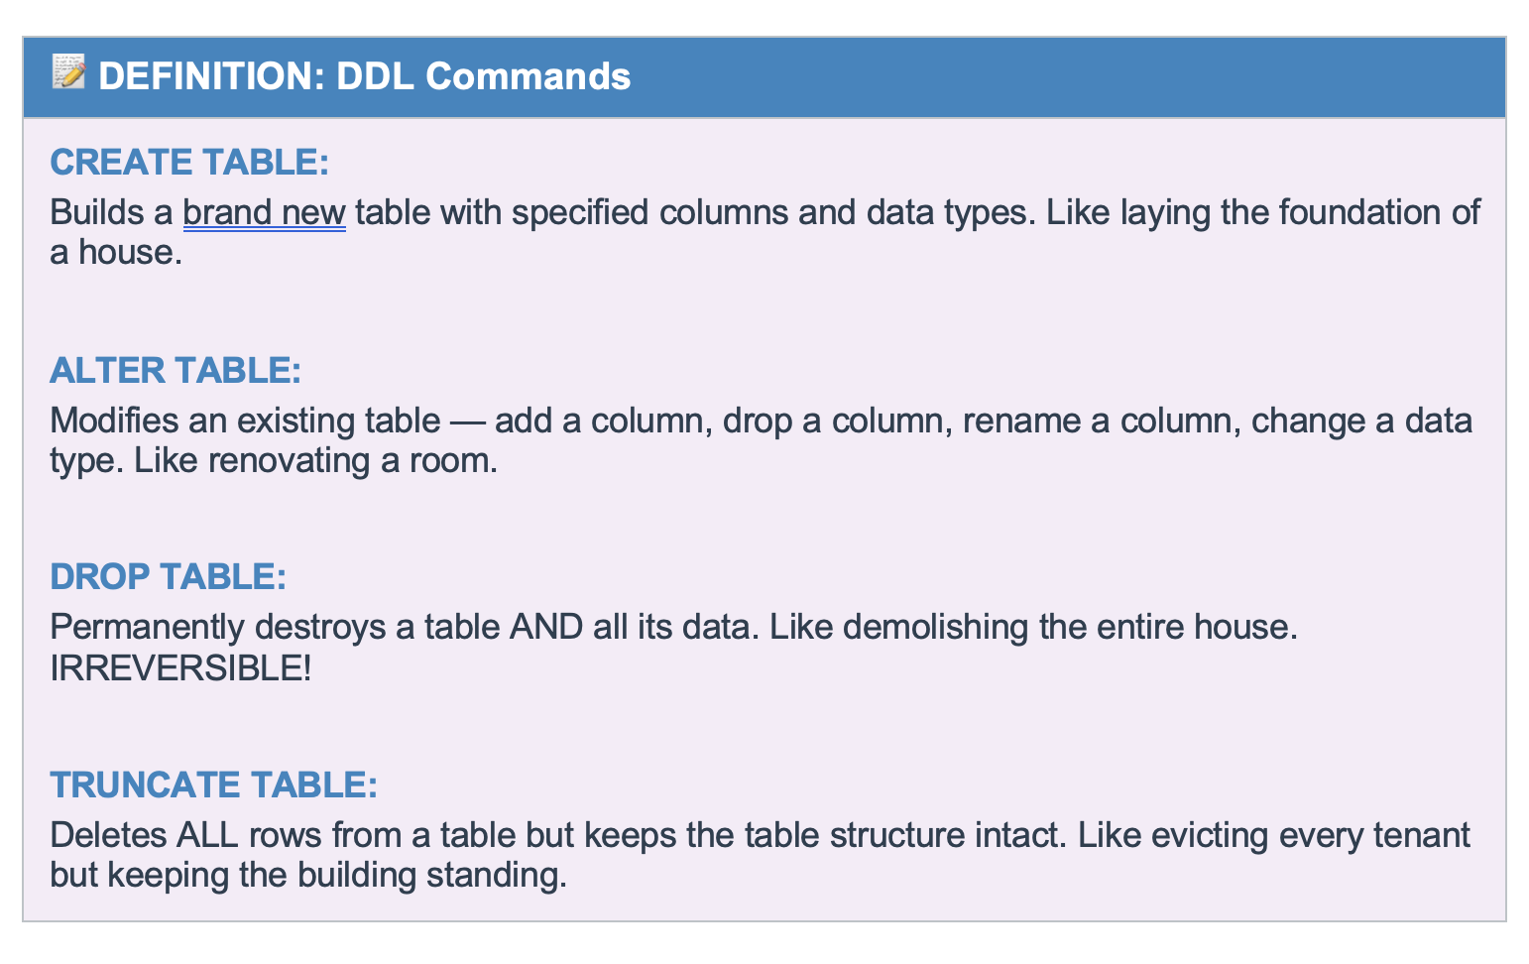

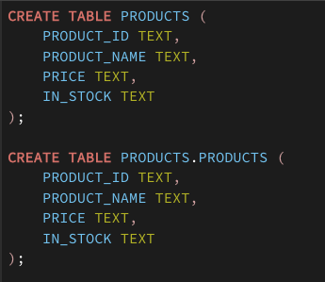

 |  |  |  | Server |  | Postgres
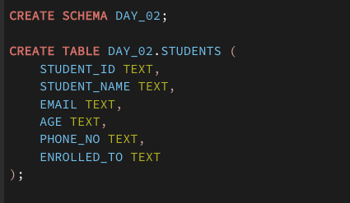
 |  |  |  | database | postgres | accio_25

 |  |  |  | default schema | public | public
 |  |  |  | schema |  | day_02
 |  |  |  | table |  | student

 |  |  |  |  |  | pgadmin4
 |  |  |  | Client

 | Zepto
Schema |  | Warehouse | Delivery | Customer Care |  |  | Supplier

Drop Delete Truncate
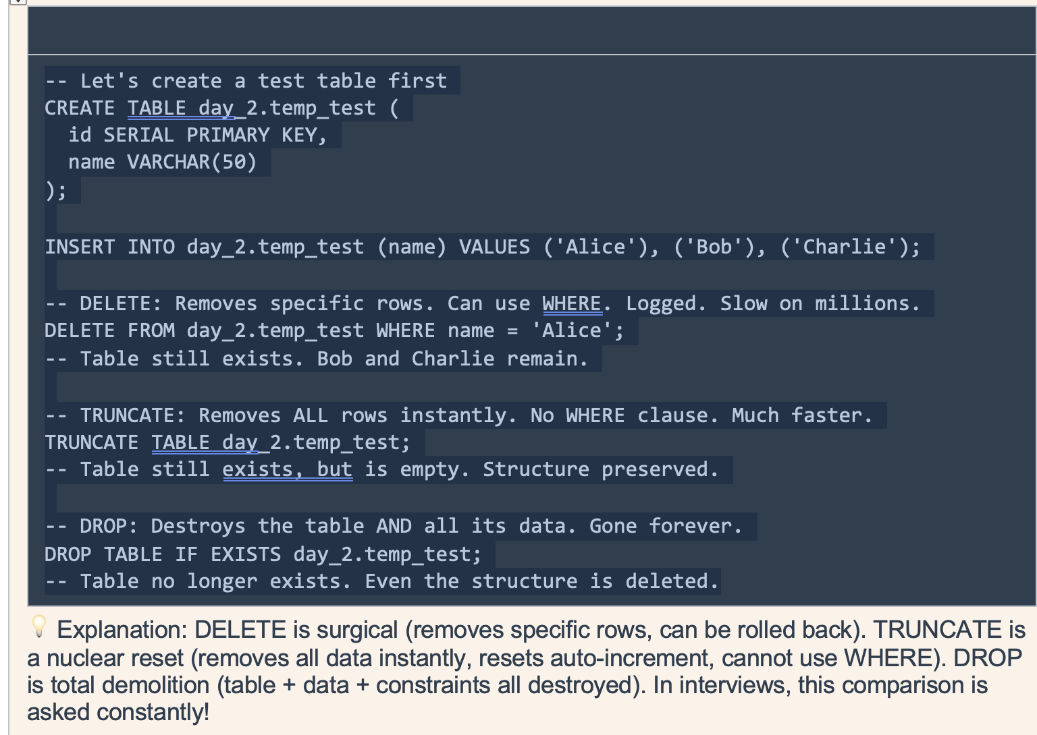
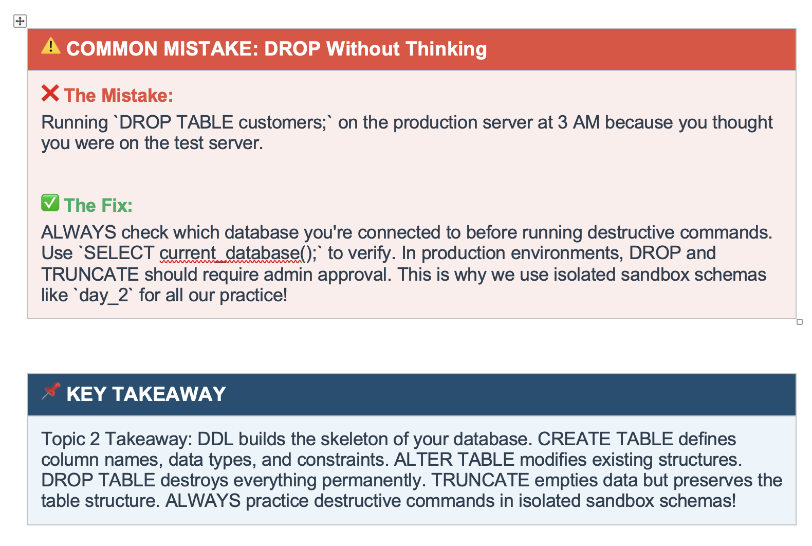
 | Drop | Delete | Truncate
Structure | Remove
Data | Remove | Remove | Remove

 |  | specific value | Deleting all

DML
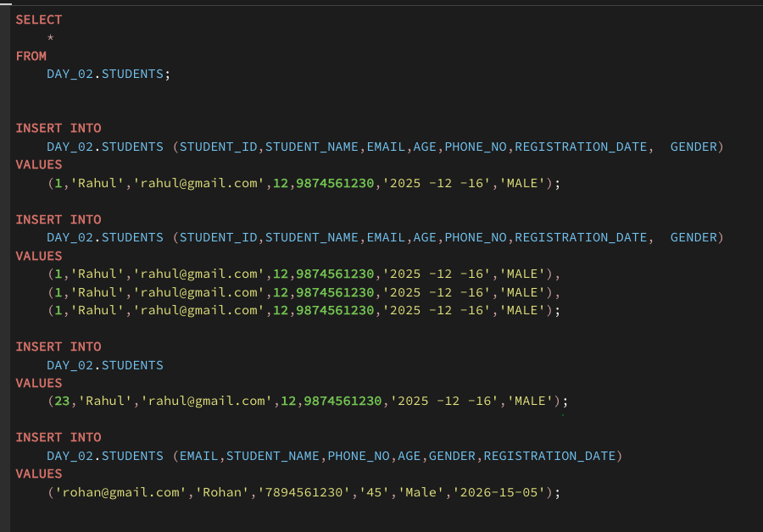
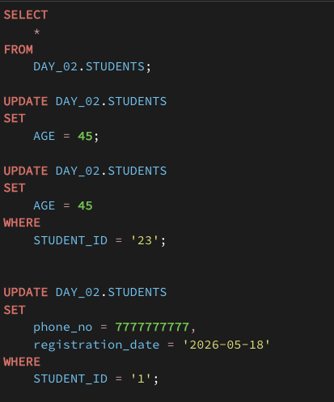
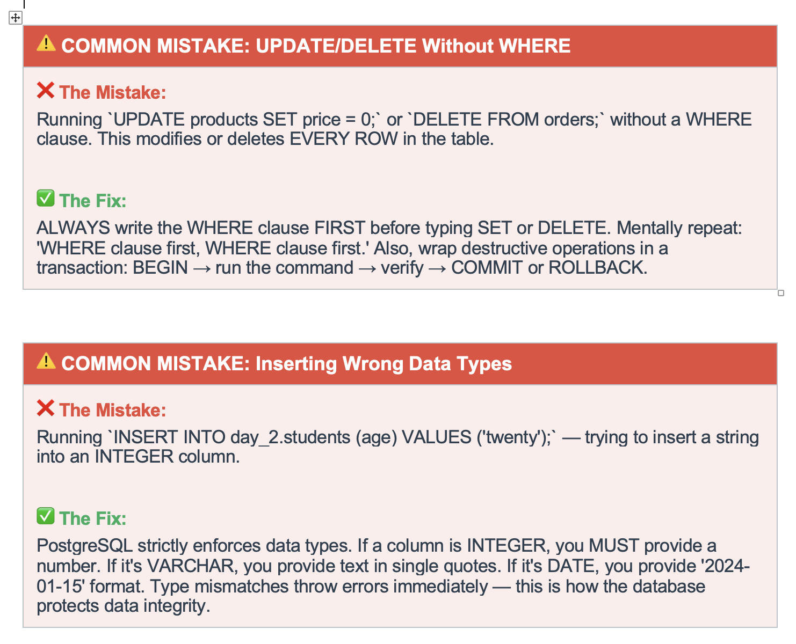
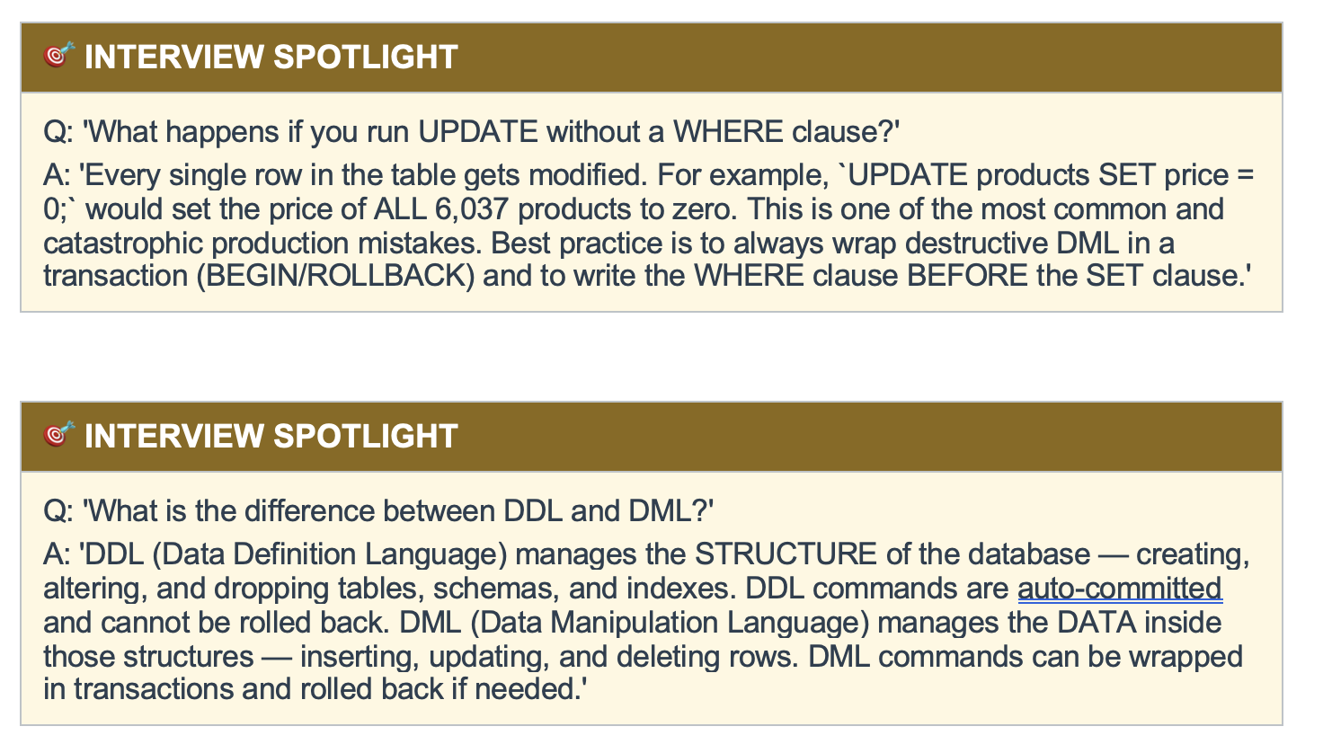
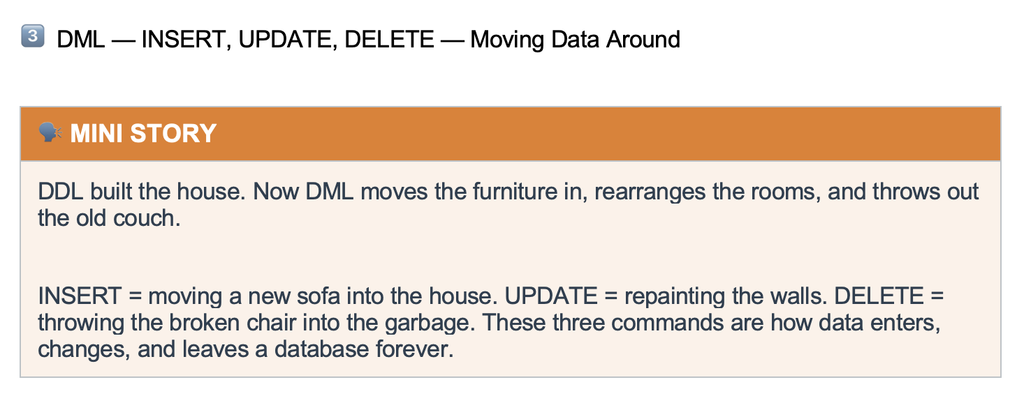

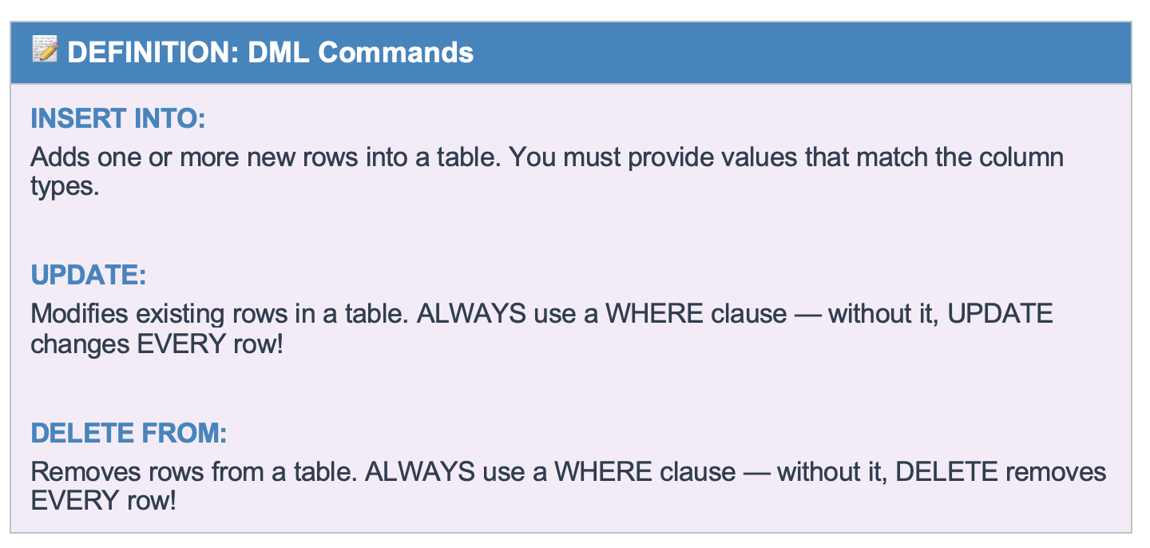

Table | Employee

 | ID | NAME | DEPT | SALARY | I want to delete the salary of employee 3
 | 1 | a | d1 | 1000
 | 2 | b | d2 | 2000
 | 3 | c | d3 | 3000
 |  |  |  |  | Update employee set salary ='' where id =3

 | ID | NAME | DEPT | SALARY
 | 1 | a | d1 | 1000
 | 2 | b | d2 | 2000
 | 3 | c | d3

Summary
