Sheet1
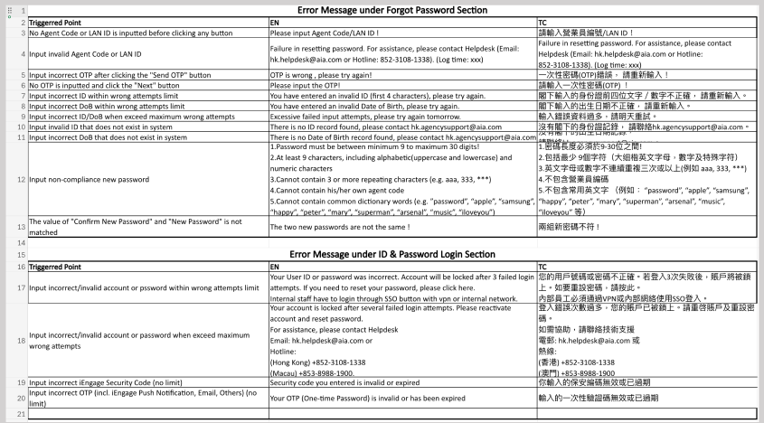
Item | Trigger Point | returnCode | End the Journey
1 | Login Journey
 | Input incorrect/ invalid account or password within wrong attempts limit | 40101 | N
 | Input incorrect/ invalid account or password out of wrong attempts limit | 40102 | Y
 | Input incorrect OTP | 40103 | N
 | Input incorrect / invalid QR code | 40104
 | Password Expired | 40108 | N
 | Password Expire <= 14 days | 20004 | N
 | Terminated agent | 40110 | Y | added 1/27/2025
 | Account locked due to failed attempt max reached | 40109 | Y | added 1/27/2025

2 | Forgot Password Journey
 | Empty Login ID | 40001
 | Input Invalid Login ID | 40002
 | Input Incorrect OTP | 40105
 | Empty OTP | 40003
 | Empty ID + DoB prefix | 40004
 | Input Incorrect ID + DoB prefix within attempts limit | 40106
 | Input Incorrect ID + DoB prefix out of attempts limit | 40107
 | Input Invalid ID when ID not exists in FR profile | 40005
 | Input Invalid ID when DoB not exists in FR profile | 40006
 | Terminated agent | 40110 |  | added 1/27/2025

3 | Change Password Journey
 | Input non compliance new password | 20001
 | New password not matched with Confirm password | 20002

4 | SSO Journey
 | Valid session not exists | 40006

5 | Device Binding/ Unbind Device
 | Maximum device reached | 20003
 | Exceed Device Limit | 40111
 | Registration Failed | 40112
 | Client/ Device does not support the requested operation | 40113
 | User/ client cancels the attempt to bind a device | 40114
 | Timeout as does not receive a response from the user’s device | 40115

5 | Device Signing
 | Terminated agent | 40110
 | Account Lock | 40109
 | Password Expired | 40108
 | Cannot verify that the response was signed by a bound device | 40116
 | User does not have any bound devices | 40117
 | Client device cannot access the cryptography keys, or the key ID that server side cannot be located | 40118
 | User’s client does not support the requested operation | 40119
 | User cancels authentication | 40120
 | Does not receive a response from the user’s device within timeout threshold | 40121
 | Client device does not have the keys present to be able to sign the challenge | 40122

