Vessel and Gear
Vessel and Gear Details

Vessel information | Data
Vessel IMO number
Vessel name
Vessel Flag
Vessel call sign
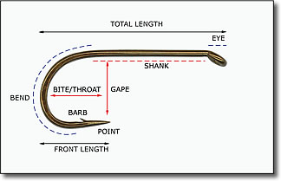
SISO Designated Observer Name
Second Observer Name
Data Provider Name
Data Provider Email Address
Longline Gear Details
Longline Type
Mainline Type
Hook Total Length (cm)
Hook Shank Length (cm)
Hook Gape (cm)
Hook Throat (cm)
Hook Front Length (cm)
Hook Spacing (m)
Trotline Gear Details
Spacing between droplines (m)
Number of hook clusters per dropline
Spacing between hook clusters (m)
Number of hooks per cluster

