Legend & Instructions
 | Validation Results Formating Legend
 | S1234567 | The cell has passed the validation process. No changes to the entered value were made
 | MoTrPAC | Mapped value was applied. The cell has passed the validation process
 | Human | Default value was applied. The cell has passed the validation process
 | Unexpected Value | Unexpected value was provided for a dropdown field
 |  | Required field was left empty
 | Value 1 | Other validation errors
 |  | No value was provided for not required field and no default value was specified.

Instructions
1 | Custom Add-on Menu
1.1 | Menu is accessable through "Add-ins" ribbon "MSSM MENU" menu option - see screenshot below.

 | Pic. 1.1 - Custom menu

2 | Basic steps for validating sample data and creating an export file
2.1 | Load data received in the sample manifest to RawData sheet allocating it to the appropriate columns.
2.2 | Validation process will be triggered automaticaly for each updated cell. Validated values will be posted to the Validated sheet. Validation of the whole RawData sheet can be triggered through the custom menu - "Validate 'RawData' Sheet". Validation of the currently selected cell on RawData sheet can be triggered by "Validate Current Cell" menu option (see Pic. 1.1).
2.3 | Color coding of the validation results will be applied to each validated cell on RawData and Validated sheets. Color coding will be in sync with Legend presented above. Corresponded cells on RawData and Validated sheets will have the same color coding. The "Rawdata" sheet will contain original values entered to the sheet. The "Validated" sheet will contain validated value.
2.4 | Detailed Validation Status report can be view for each validated cell. In order to invoke a report, the cursor has to be put on the validated cell (on RawData or Validated sheet). The report can be invoked through the menu "Show Cell Validation Report" or using a key short cut "SHIFT+F1" (see Pic. 1.1). Example of the status reports are presented on the below screenshots.

 | Pic. 2.1 - Validation of cell "A3"
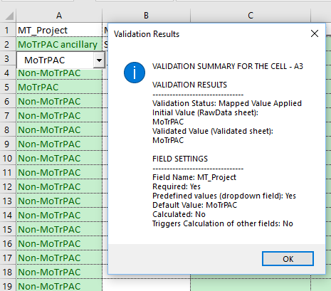

 | Pic. 2.2 - Validation of cell "I7"
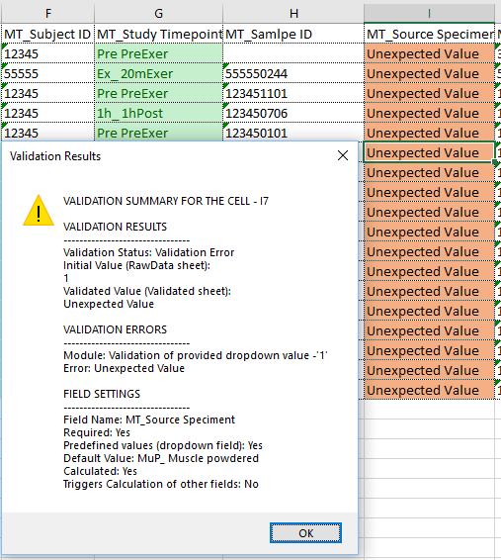

 | Pic. 2.3 - Validation of cell "L5"
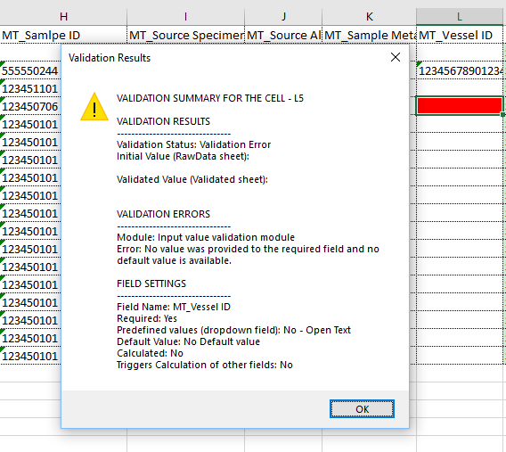

2.5 | Once validation process is completed and data on the Validated sheet is satisfactory, the Validated sheet can be exported. The Export functionality can be accessed through the custom menu, the "Export 'Validated' Sheet" menu item (see Pic. 1.1). The system will allow users to name the file and select the export location. Note that in order to compy with the Freezerwork requirements, the system will allow exporting of the data only in Comma delimited format (.csv) or in Tab delimited text file (.txt).

3 | Additional Custom Menu options
3.1 | "Clear Validation Formating". This menu option will clear validation formating from all cells on RawData and Validated sheets. See Pic. 1.1.
3.2 | "Settings". This is a sub-menu header containing several sub-menus related to different settings of this template (see Pic. 3.1).

 | Pic. 3.1 - Setting sub-menu
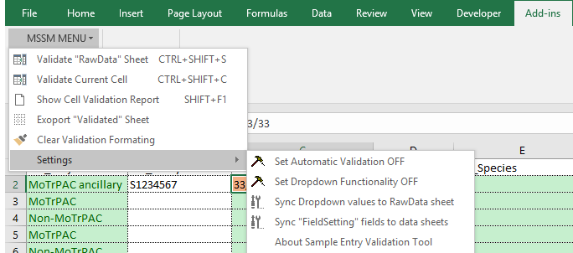

3.3 | "Settings/Set Automatic Validation" (see Pic. 3.1) This menu switches automatic validation of cells on the RawData sheet to ON/OFF position in a continues loop - every time the option is selected, it will switch to the oposit value. At the time of opening this file, this settings is always ON.
3.4 | "Settings/Set Dropdown functionatlity" (see Pic. 3.1) This menu switches displaying dropdowns controls for the dropdown fields on the RawData sheet to ON/OFF position in a continues loop - every time the option is selected, it will switch to the oposit value. At the time of opening this file, this settings is always ON.
3.5 | "Settings/Sync Dropdown values to RawData" sheet (see Pic. 3.1) This option syncs dropdown values (provided on the Dictionary sheet) to the options of the dropdown fields (marked as Dropdown fields on FieldSetting sheet) of the RawData sheet.
3.6 | "Settings/Sync 'FieldSetting' fields to data sheets" (see Pic. 3.1) This option syncs names of the fields from FieldSettings sheet to the column's titles of the RawData and Validated sheets. The same process is happening automatically at the time of modification of the FieldSetting sheet values. This menu provide a direct access to the this function, in case this is needed to be re-run manually.
3.7 | "Settings/About Sampe Entry Validation Tool" (see Pic. 3.1) This menu displays the "About" message. This message contains internal version number that can be used to distinguish different versions of the files.

