DCF
Operating Scenario |  | 2019-12-31 | 2020-12-31 | 2021-12-31 | 2022-12-31 | 2023-12-31 | 2024-12-31 | CAGR | Sensitivity Analysis
Sales |  | 280,522 | 358,744 | 426,878 | 494,044 | 544,341 | 578,412 | 15.6% | Perpetual Growth v WACC
% growth |  |  | 27.9% | 19.0% | 15.7% | 10.2% | 6.3% |  | $3,524.42 | 3.14% | 3.34% | 3.54% | 3.74% | 3.94%
Gross Profit |  | 114,986 | 148,513 | 183,770 | 223,700 | 260,662 | 294,811 | 20.7% | 6.16% | $4,393.64 | $4,693.14 | $5,038.48 | $5,441.07 | $5,916.43
% margin |  | 41.0% | 41.4% | 43.0% | 45.3% | 47.9% | 51.0% |  | 6.66% | $3,732.25 | $3,946.80 | $4,188.92 | $4,464.28 | $4,780.25 | 3148.02
EBITDA |  | 36,330 | 43,822 | 58,808 | 79,951 | 102,224 | 125,676 | 28.2% | 7.16% | $3,236.08 | $3,396.62 | $3,574.94 | $3,774.15 | $3,998.17 | 3148.02
% margin |  | 13.0% | 12.2% | 13.8% | 16.2% | 18.8% | 21.7% |  | 7.66% | $2,850.20 | $2,974.37 | $3,110.61 | $3,260.78 | $3,427.13 | 3148.02
 |  |  |  |  |  |  |  |  | 8.16% | $2,541.61 | $2,640.17 | $2,747.28 | $2,864.09 | $2,992.00
(-) Capital Expenditures |  | (24,778) | (31,257) | (41,371) | (45,410) | (48,672) | (50,272) |  |  |  |  |  |  |  |  | `
Price Sensitivity
(+) Decrease in Net Working Capital |  | (2,438) | 717 | 1,708 | 2,964 | 4,355 | 5,784
(+) Other Non-Cash Adjustments |  | 7,575 | 9,024 | 11,355 | 13,636 | 15,568 | 17,121
(-) Tax Expense |  | (2,374) | (2,746) | (4,395) | (8,059) | (11,553) | (18,830)

Unlevered Free Cash Flow |  | 14,315 | 19,560 | 26,105 | 43,082 | 61,922 | 79,479 | 40.89%
 |  |  | 36.6% | 33.5% | 65.0% | 43.7% | 28.4% | 3.49%
WACC | 7.16%
Discount Period |  |  | 0.50 | 1.50 | 2.50 | 3.50 | 4.50
Discount Factor |  |  | 0.97 | 0.90 | 0.84 | 0.79 | 0.73
Present Value of Free Cash Flow |  |  | 18,896 | 23,535 | 36,246 | 48,618 | 58,236 | 32.4%

Enterprise Value - Perpetual Growth Method
Cumulative Present Value FCF |  | 185,530 |  |  |  |  |  |  |  |  |  |  |  |  |  |  | 6.66% | 7.16% | 7.66%
 |  |  |  |  |  |  |  |  |  |  |  |  |  |  |  | Bars | 3,732.25 | 2,973.87 | 2,631.85 | 3,148.02
Year 5 FCF |  | 79,479 |  |  |  |  |  |  |  |  |  |  |  |  |  | Bars | 3,946.80 | 3,114.49 | 2,741.59 | 3,148.02
 |  |  |  |  |  |  |  |  |  |  |  |  |  |  |  | Bars | 4,188.92 | 3,270.01 | 2,861.60 | 3,148.02
Terminal Growth Rate |  | 3.49% |  |  |  |  |  |  |  |  |  |  |  |  |  | Bars | 4,464.28 | 3,442.93 | 2,993.39 | 3,148.02
 |  |  |  |  |  |  |  |  |  |  |  |  |  |  |  | Bars | 4,780.25 | 3,636.35 | 3,138.79 | 3,148.02
Terminal Value |  | 2,242,598 |  |  |  |  |  |  |  |  |  |  |  |  |  | Line
Discount Factor |  | 0.73
Present Value of Terminal |  | 1,643,185

Enterprise Value |  | 1,828,715

Enterprise Value |  | 1,828,715
Less: Total Debt |  | (74,401)
Less: Preferred Stock |  | -
Less: Noncontrolling Interest |  | -
Plus: Cash and Cash Equivalents |  | 36,092
Implied Equity Value |  | 1,790,406

Full Diluted Shares Outstanding |  | 508

Implied Share Price |  | $3,524.42

Sanity Checks
Implied Trailing P/E |  | 31.7x
Implied Trailing EV/EBITDA |  | 14.6x

Shipping
How Selling on Amazon Works

Pricing for Third Party Sellers

1. Indvidual | 2. Professional
Plan for selling fewer than 40 units per month | Plan on selling more than 40 units per month
No monthly subscription | 39.99 monthly sunbscription
0.99c per item + Referral fees and variable closing fees* | Referral fees and variable closing fee (no per item fee)

* Referral Fee is a % of your total item price (+ Gift wraping) that amazon collects
* Variable Closing Fee are fixed for media products and vary for non-Media products. These fees pertain to the shipping details of your product sold

Example of a seller selling a book
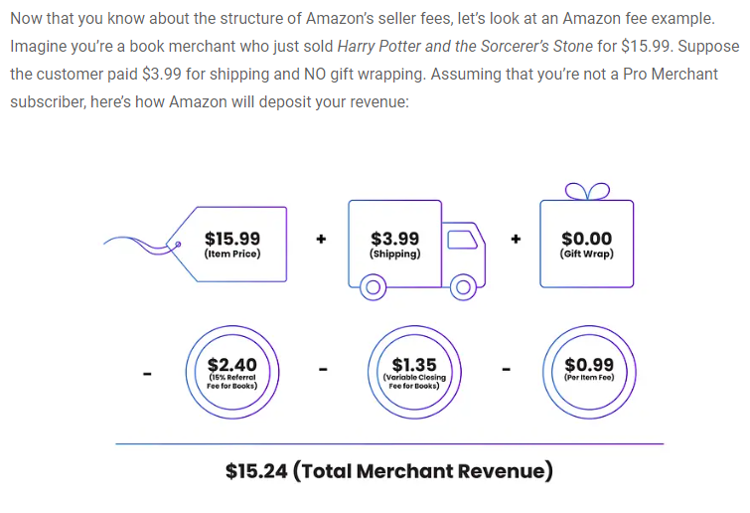

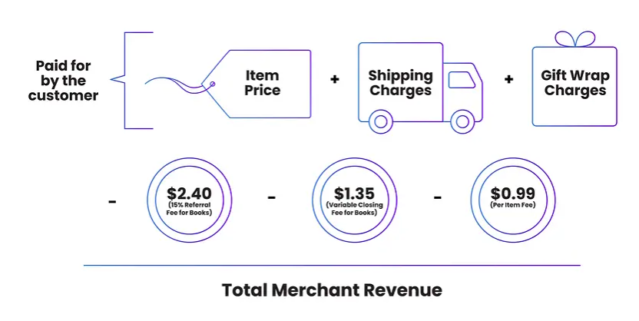

Different Amazon Shipping and Fullfilment Options
FBA: Fulfillment by Amazon
This is where Amazon stores, packs and ships, and handles customer service for the products you sell on Amazon. This allows you to sell products with Prime

Fees with FBA:
The variable fees associated with being a FBA seller is
1. Item weight
2. Handling fees
3. Pick and Pack
4. Storage Costs/ Sq ft.

FBM: Fulfillment by Merchant
Where the seller is in charge the logistics of their product plus added rules with selling on prime ( answering customer service requests within 24 hours,
provide tracking info, and ship within the stated time frame). If this is picked, you cannot be apart of the prime programe unless you are associated with SFP*

SFP: Seller fulfilled Prime
This is a hybrid of FBA and FBM where you as a seller can list your product for prime status but handle all of the logistics by yourself.
You have to qulify for this program
1. trial period is 300 orders
2. During the trial period, you'll have to satisfy a cancellation rate of less than 1%, an on-time shipement rating of at least 99%, and use buy shipping services for a
minimum of 95% of the orders

