SPR data
Clone ID | category | NormB | BINDING STATUS | ka (1/Ms) | kd (1/s) | KD (M) | Chi² (RU²) | FIT QUALITY | CONCLUSION | SENSORGRAMS |  | % binder+weak binder | total binder+nonbinder +weak binder | nonbinder | weak binder | binder | total | weakbinder+binder
CL-1440242 | bulk | 0 | NON BINDER |  |  |  |  | NA | NON BINDER | 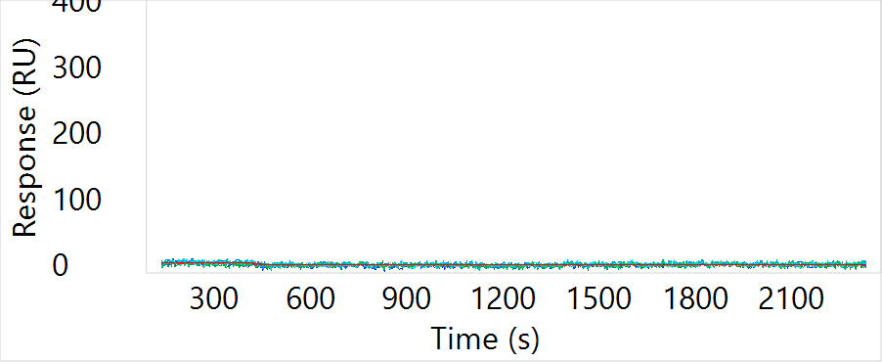 | bulk | 0.14379084967 | 153 | 131 | 15 | 7 | 154 | 22 | 0
CL-1440243 | bulk | -2 | NON BINDER |  |  |  |  | NA | NON BINDER | 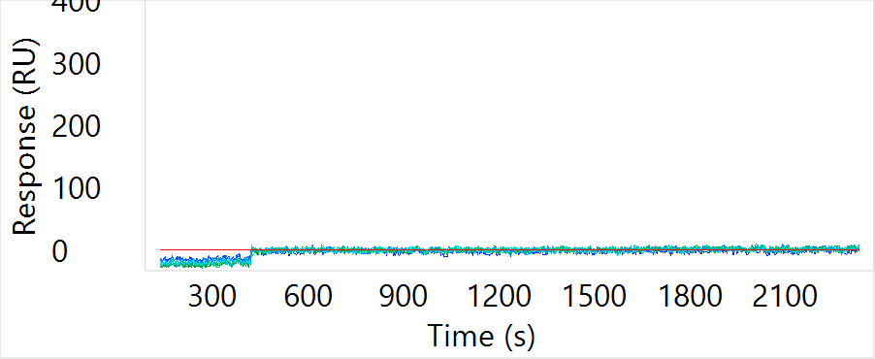 | SC | 0.8125 | 32 | 6 | 12 | 14 | 32 | 26 | 0
CL-1440244 | bulk | 45 | BINDER | 8.97E+04 | 7.94E-04 | 8.86E-09 | 9.00 | GOOD FIT | BINDER & GOOD FIT | 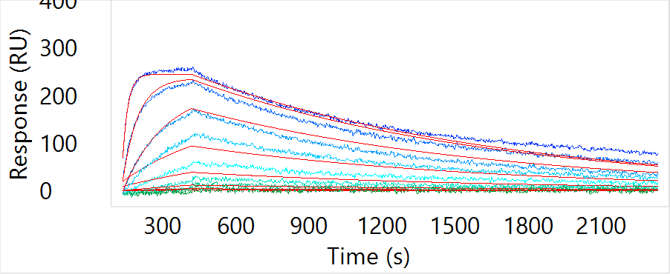 | STAR | 0.45 | 40 | 22 | 9 | 9 | 40 | 18 | 0
CL-1440245 | STAR | -5 | NON BINDER |  |  |  |  | NA | NON BINDER | 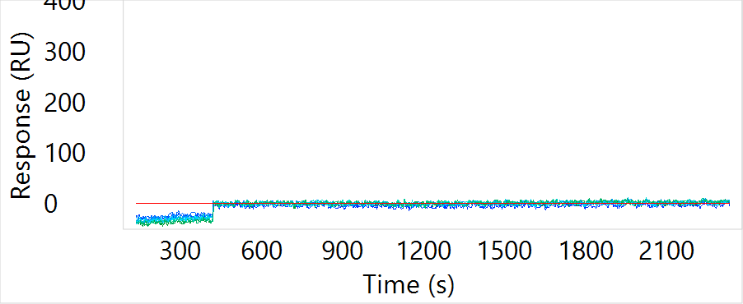 | random | 0.2 | 20 | 16 | 2 | 2 | 20 | 4 | 0
CL-1440246 | STAR | -1 | NON BINDER |  |  |  |  | NA | NON BINDER | 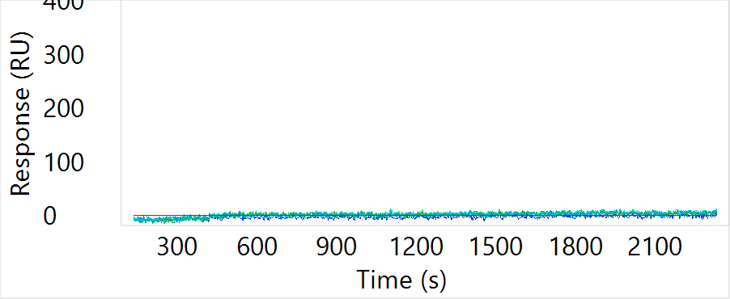 |  |  |  |  |  |  | 246
CL-1440247 | STAR | 1 | NON BINDER |  |  |  |  | NA | NON BINDER | 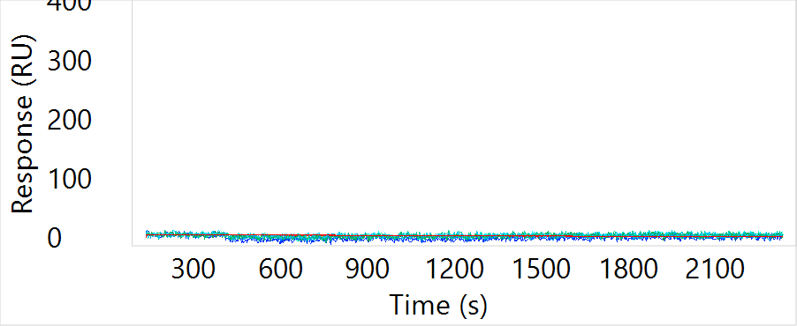
CL-1440248 | STAR | 1 | NON BINDER |  |  |  |  | NA | NON BINDER | 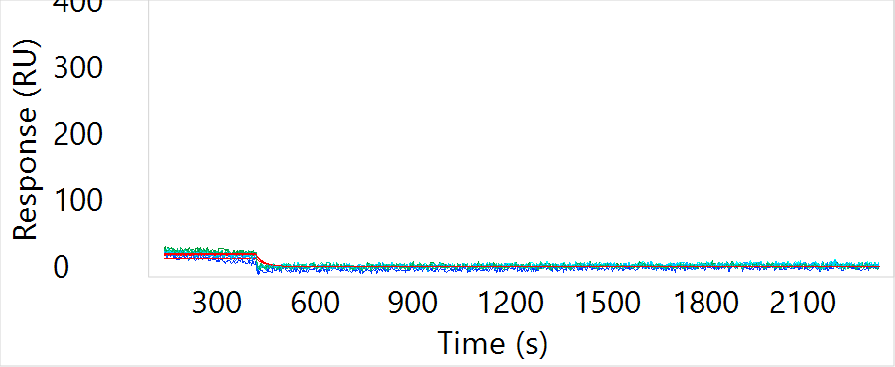
CL-1440249 | STAR | -1 | NON BINDER |  |  |  |  | NA | NON BINDER | 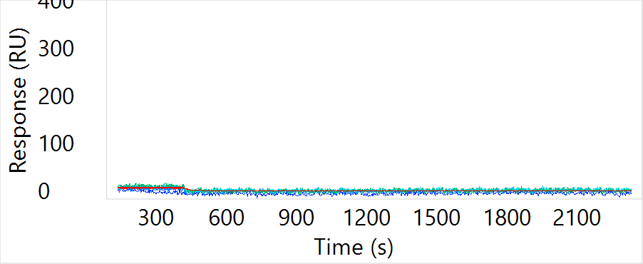
CL-1440250 | STAR | -2 | NON BINDER |  |  |  |  | NA | NON BINDER | 
CL-1440251 | STAR | 42 | BINDER | 1.39E+05 | 9.43E-04 | 6.81E-09 | 18.90 | GOOD FIT | BINDER & GOOD FIT | 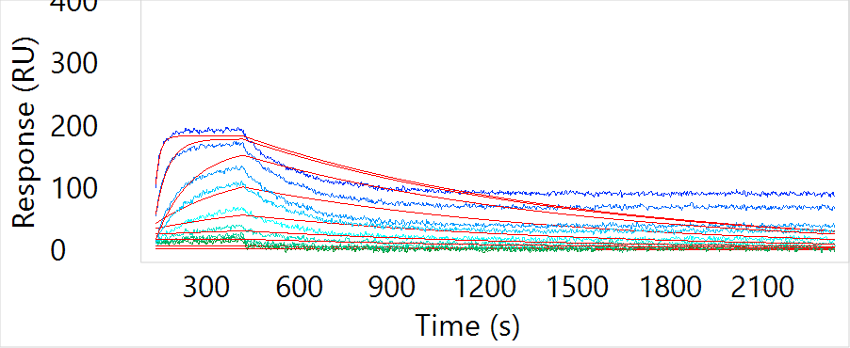
CL-1440252 | STAR | 27 | WEAK BINDER | 4.13E+05 | 7.43E-04 | 1.80E-09 | 19.40 | GOOD FIT | WEAK BINDER & GOOD FIT | 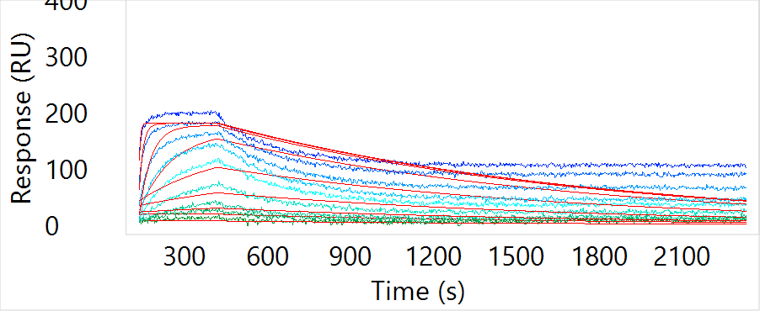
CL-1440253 | STAR | -4 | NON BINDER |  |  |  |  | NA | NON BINDER | 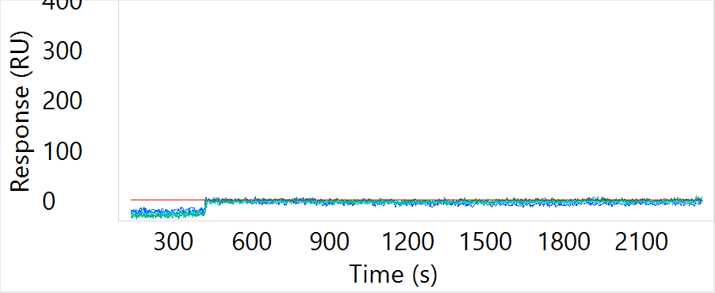
CL-1440254 | STAR | 16 | WEAK BINDER | 1.34E+04 | 1.92E-03 | 1.43E-07 | 7.70 | GOOD FIT | WEAK BINDER & GOOD FIT | 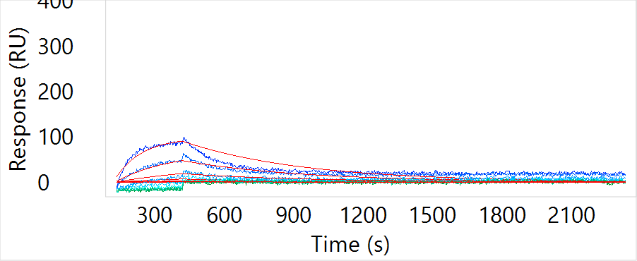
CL-1440255 | bulk | -1 | NON BINDER |  |  |  |  | NA | NON BINDER | 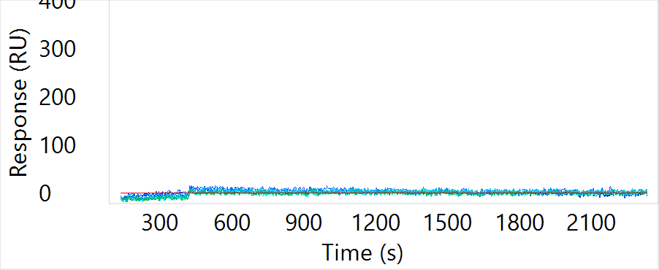
CL-1440256 | STAR | -2 | NON BINDER |  |  |  |  | NA | NON BINDER | 
CL-1440257 | STAR | 0 | NON BINDER |  |  |  |  | NA | NON BINDER | 
CL-1440258 | STAR | 8 | NON BINDER |  |  |  |  | NA | NON BINDER | 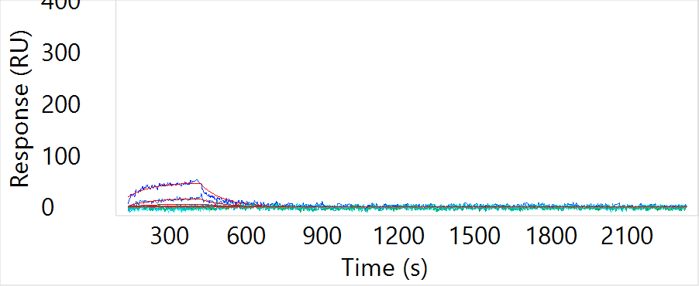
CL-1440259 | STAR | 26 | WEAK BINDER | 1.43E+05 | 8.25E-04 | 5.75E-09 | 16.50 | GOOD FIT | WEAK BINDER & GOOD FIT | 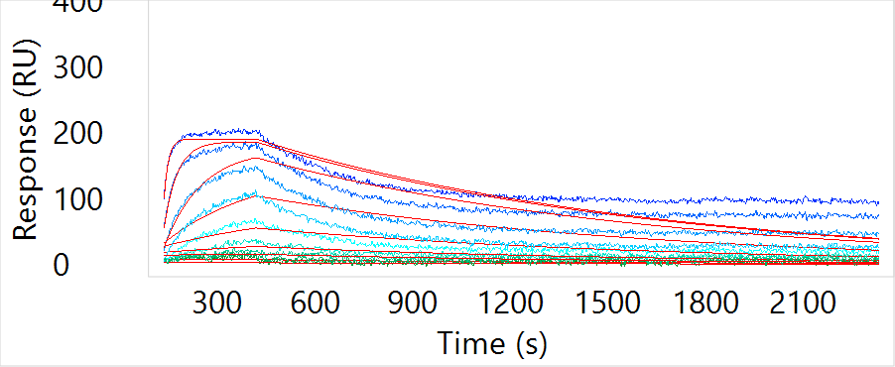
CL-1440260 | STAR | -2 | NON BINDER |  |  |  |  | NA | NON BINDER | 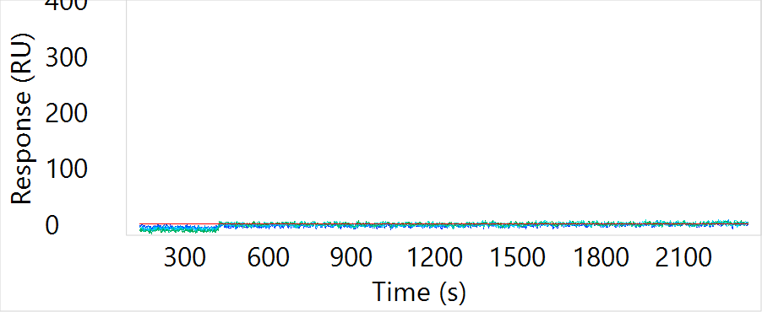
CL-1440261 | STAR | 31 | BINDER | 4.30E+04 | 5.75E-04 | 1.34E-08 | 5.70 | GOOD FIT | BINDER & GOOD FIT | 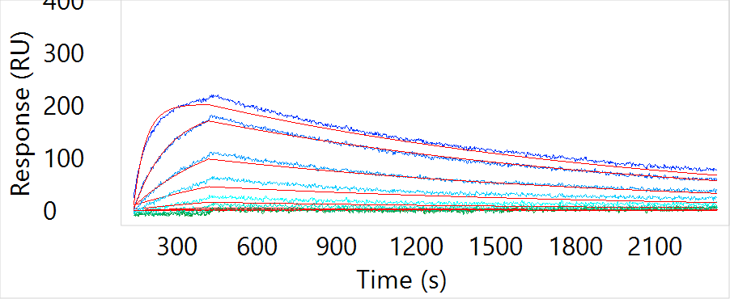
CL-1440262 | STAR | 25 | WEAK BINDER | 3.48E+05 | 1.00E-05 | 2.87E-11 | 14.90 | GOOD FIT | WEAK BINDER & GOOD FIT | 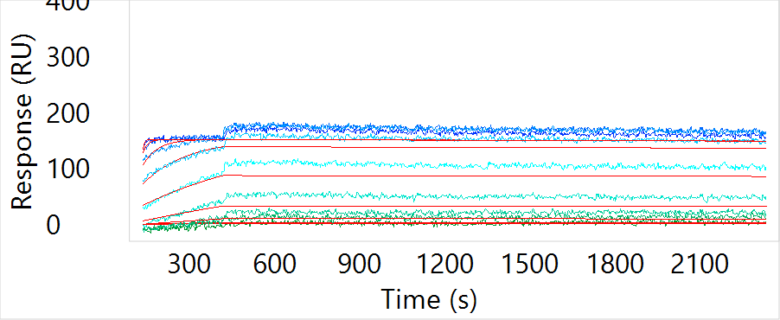
CL-1440263 | STAR | 31 | BINDER | 3.43E+04 | 2.26E-03 | 6.59E-08 | 6.20 | GOOD FIT | BINDER & GOOD FIT | 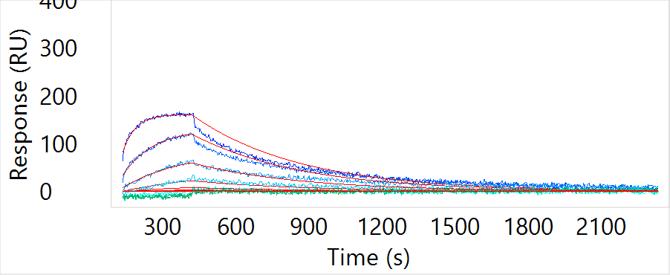
CL-1440264 | STAR | 28 | WEAK BINDER | 2.43E+04 | 2.11E-03 | 8.70E-08 | 8.30 | GOOD FIT | WEAK BINDER & GOOD FIT | 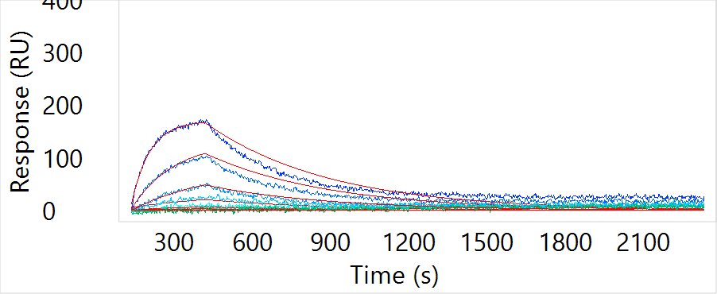
CL-1440265 | STAR | 19 | WEAK BINDER | 3.24E+04 | 1.48E-03 | 4.55E-08 | 11.50 | GOOD FIT | WEAK BINDER & GOOD FIT | 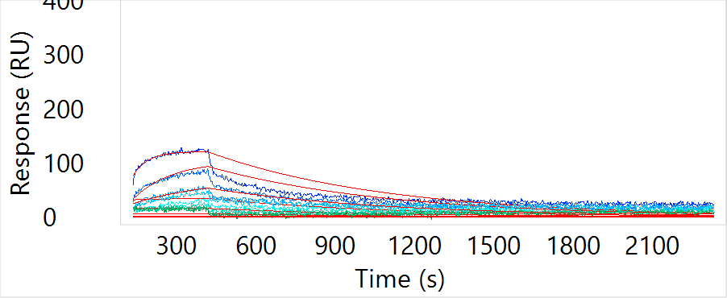
CL-1440266 | bulk | 0 | NON BINDER |  |  |  |  | NA | NON BINDER | 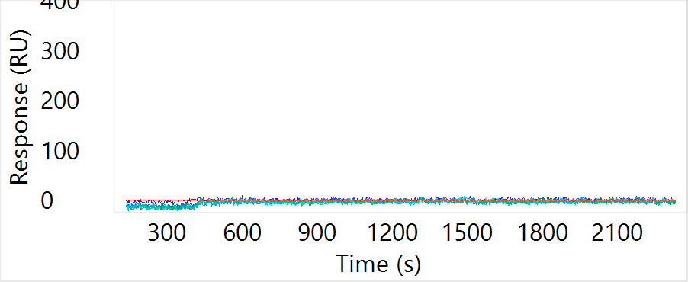
CL-1440267 | STAR | -1 | NON BINDER |  |  |  |  | NA | NON BINDER | 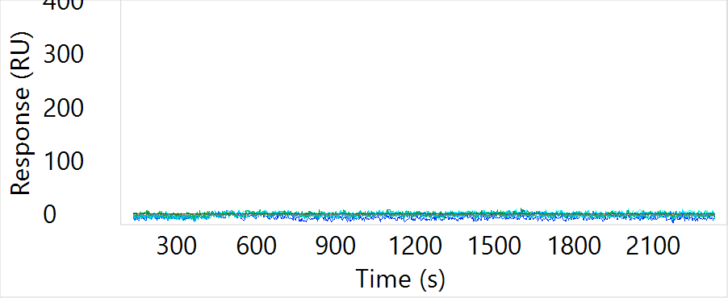
CL-1440268 | STAR | -1 | NON BINDER |  |  |  |  | NA | NON BINDER | 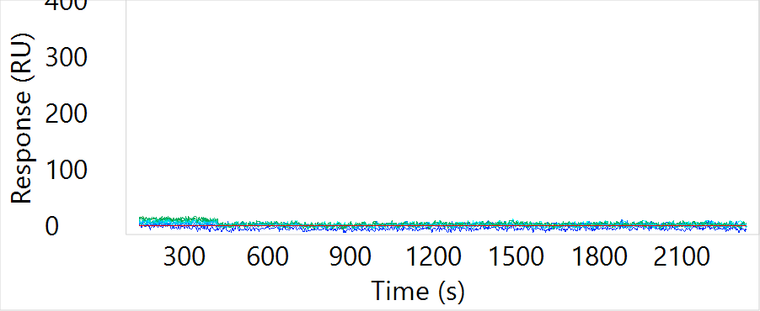
CL-1440269 | STAR | 1 | NON BINDER |  |  |  |  | NA | NON BINDER | 
CL-1440270 | STAR | 2 | NON BINDER |  |  |  |  | NA | NON BINDER | 
CL-1440271 | STAR | 0 | NON BINDER |  |  |  |  | NA | NON BINDER | 
CL-1440272 | STAR | 30 | WEAK BINDER | 4.16E+04 | 6.42E-04 | 1.54E-08 | 4.50 | GOOD FIT | WEAK BINDER & GOOD FIT | 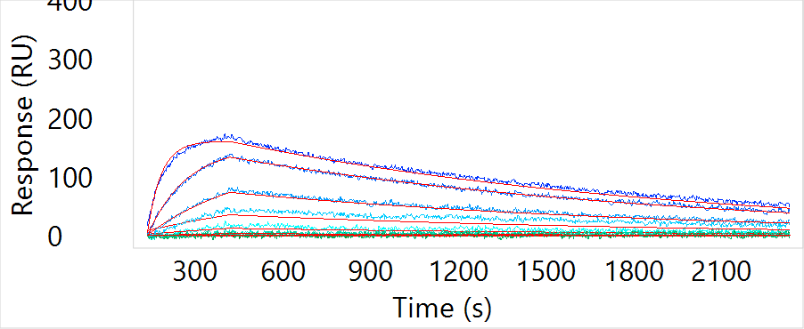
CL-1440273 | STAR | 27 | WEAK BINDER | 1.52E+05 | 6.85E-04 | 4.49E-09 | 6.00 | GOOD FIT | WEAK BINDER & GOOD FIT | 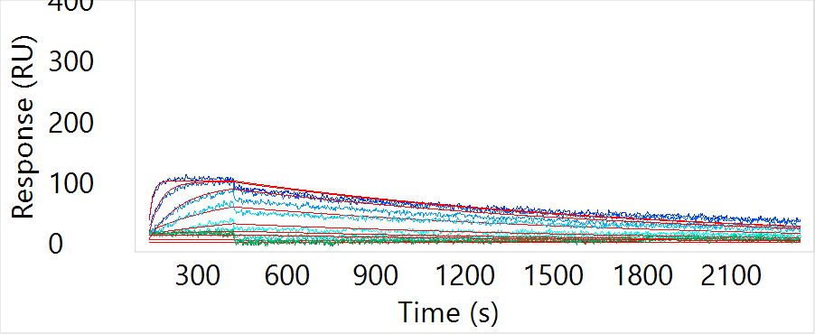
CL-1440274 | STAR | 49 | BINDER | 1.21E+06 | 9.17E-04 | 7.59E-10 | 19.40 | GOOD FIT | BINDER & GOOD FIT | 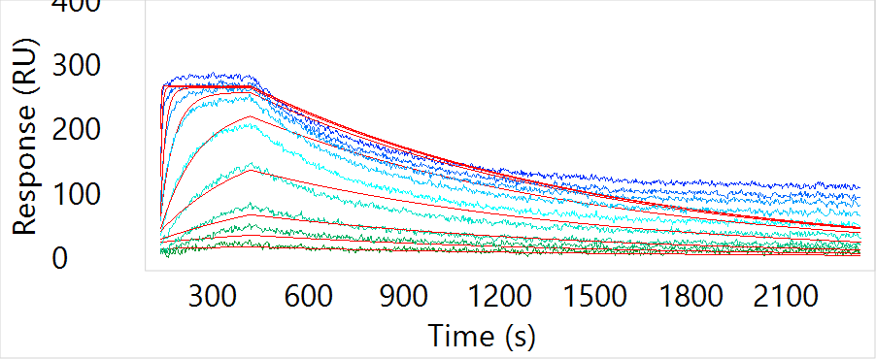
CL-1440275 | STAR | 44 | BINDER | 1.52E+06 | 5.25E-04 | 3.45E-10 | 11.00 | GOOD FIT | BINDER & GOOD FIT | 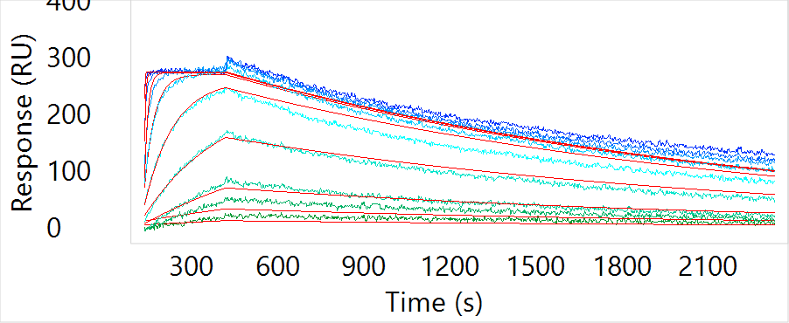
CL-1440276 | STAR | 30 | WEAK BINDER | 9.47E+05 | 3.55E-05 | 3.75E-11 | 7.90 | GOOD FIT | WEAK BINDER & GOOD FIT | 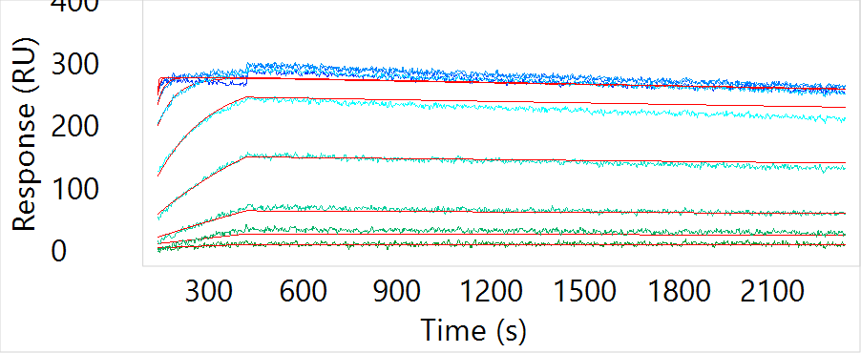
CL-1440277 | bulk | 2 | NON BINDER |  |  |  |  | NA | NON BINDER | 
CL-1440278 | STAR | 59 | BINDER | 1.72E+06 | 2.06E-04 | 1.20E-10 | 13.60 | GOOD FIT | BINDER & GOOD FIT | 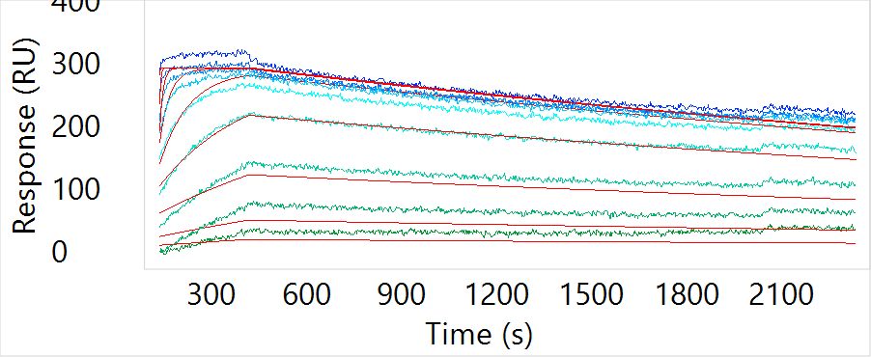
CL-1440279 | STAR | 47 | BINDER |  |  |  | 28.60 | BAD FIT | BINDER & BAD FIT | 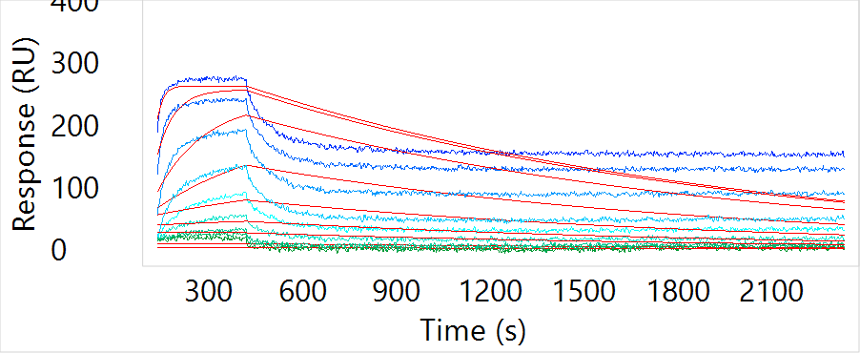
CL-1440280 | STAR | -2 | NON BINDER |  |  |  |  | NA | NON BINDER | 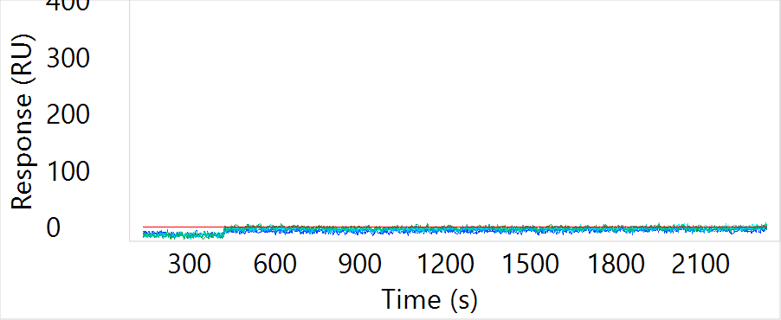
CL-1440281 | STAR | -4 | NON BINDER |  |  |  |  | NA | NON BINDER | 
CL-1440282 | STAR | -2 | NON BINDER |  |  |  |  | NA | NON BINDER | 
CL-1440283 | STAR | 0 | NON BINDER |  |  |  |  | NA | NON BINDER | 
CL-1440284 | STAR | -3 | NON BINDER |  |  |  |  | NA | NON BINDER | 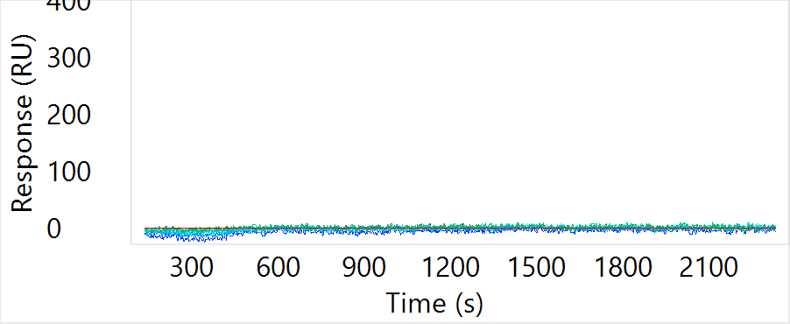
CL-1440285 | STAR | 39 | BINDER | 2.93E+05 | 6.61E-04 | 2.26E-09 | 22.80 | GOOD FIT | BINDER & GOOD FIT | 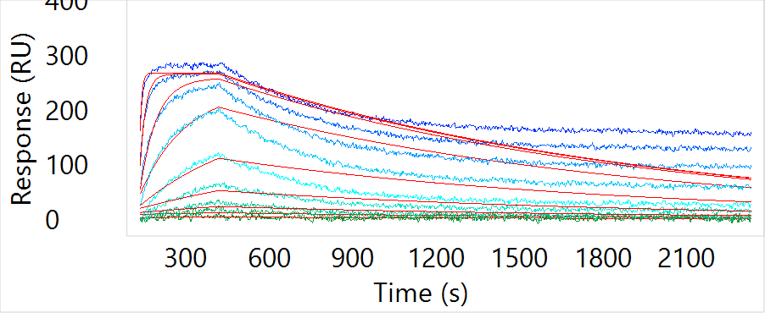
CL-1440286 | STAR | 50 | BINDER | 5.01E+04 | 1.59E-04 | 3.18E-09 | 13.40 | GOOD FIT | BINDER & GOOD FIT | 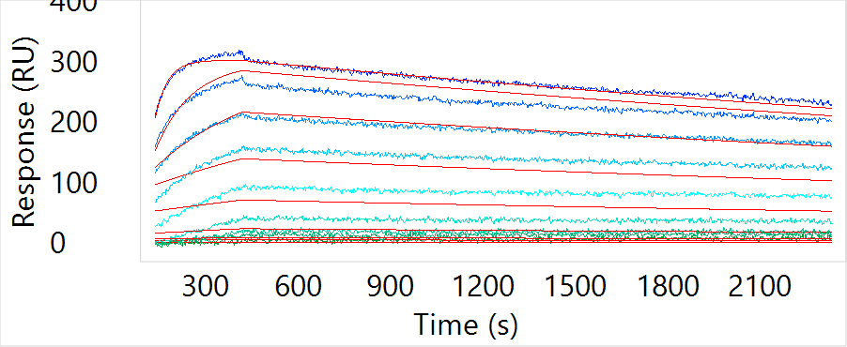
CL-1440287 | STAR | -1 | NON BINDER |  |  |  |  | NA | NON BINDER | 
CL-1440288 | bulk | 29 | WEAK BINDER | 6.73E+05 | 5.79E-04 | 8.61E-10 | 17.20 | GOOD FIT | WEAK BINDER & GOOD FIT | 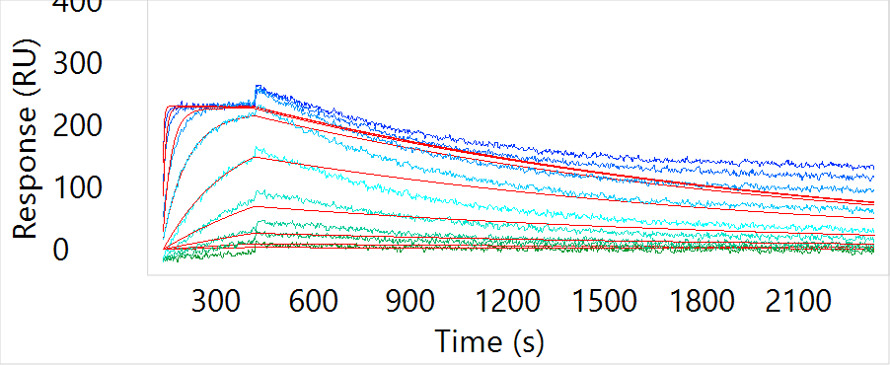
CL-1440289 | SC | 0 | NON BINDER |  |  |  |  | NA | NON BINDER | 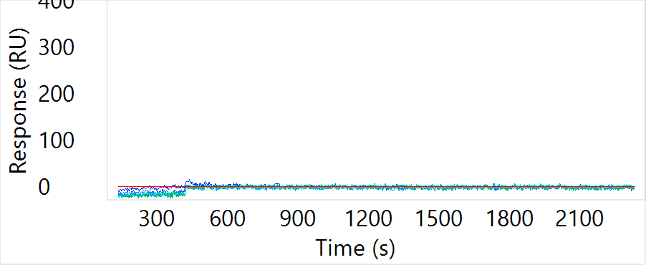
CL-1440290 | SC | -3 | NON BINDER |  |  |  |  | NA | NON BINDER | 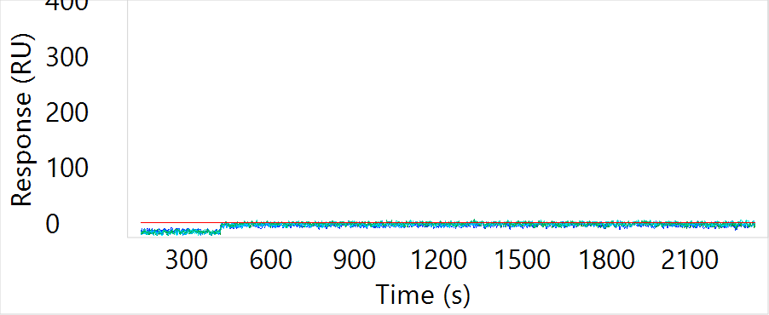
CL-1440291 | SC | 29 | WEAK BINDER | 9.21E+05 | 6.88E-04 | 7.48E-10 | 7.90 | GOOD FIT | WEAK BINDER & GOOD FIT | 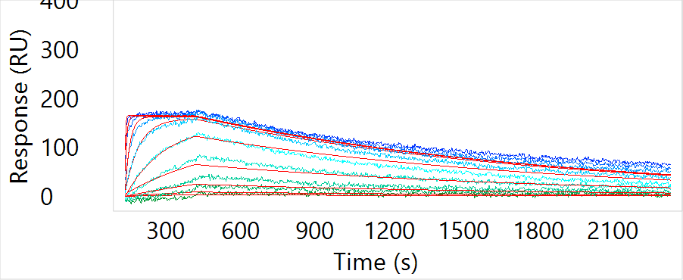
CL-1440292 | SC | 40 | BINDER |  |  |  | 23.70 | BAD FIT | BINDER & BAD FIT | 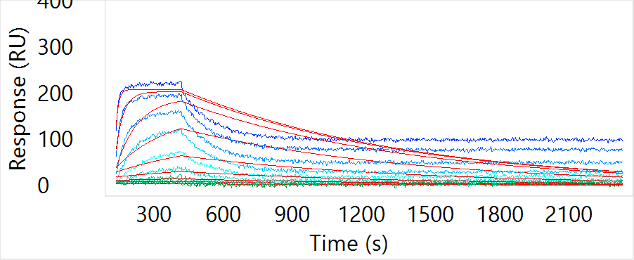
CL-1440293 | SC | 42 | BINDER | 2.70E+05 | 4.90E-04 | 1.82E-09 | 22.80 | GOOD FIT | BINDER & GOOD FIT | 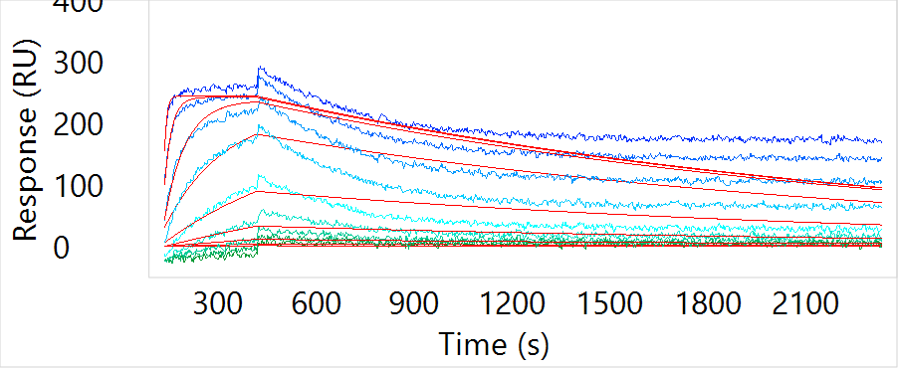
CL-1440294 | SC | 38 | BINDER | 7.42E+05 | 3.71E-04 | 5.00E-10 | 16.80 | GOOD FIT | BINDER & GOOD FIT | 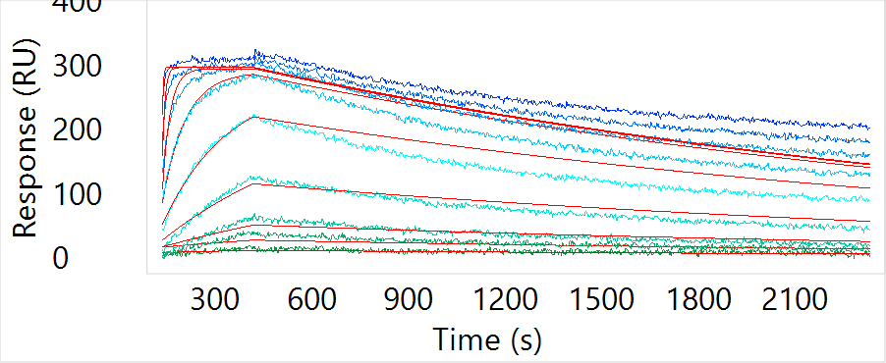
CL-1440295 | SC | 50 | BINDER | 1.07E+06 | 1.19E-04 | 1.11E-10 | 8.40 | GOOD FIT | BINDER & GOOD FIT | 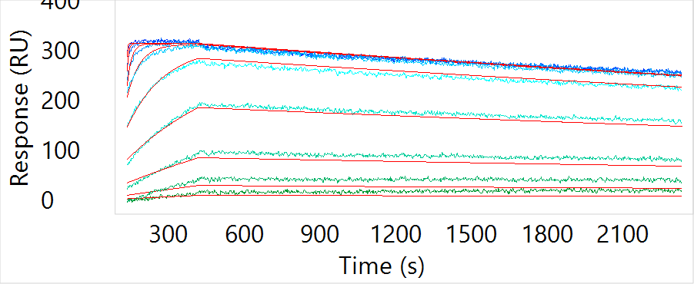
CL-1440296 | SC | 36 | BINDER | 1.03E+06 | 6.73E-05 | 6.52E-11 | 13.20 | GOOD FIT | BINDER & GOOD FIT | 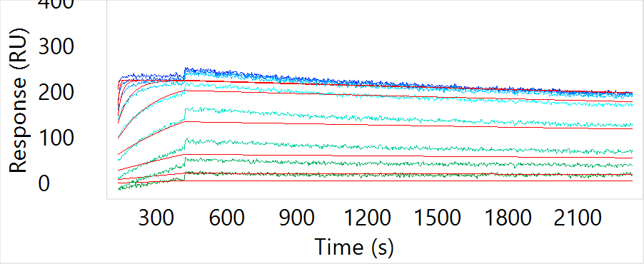
CL-1440297 | SC | 32 | BINDER | 3.24E+05 | 1.48E-03 | 4.55E-09 | 7.70 | GOOD FIT | BINDER & GOOD FIT | 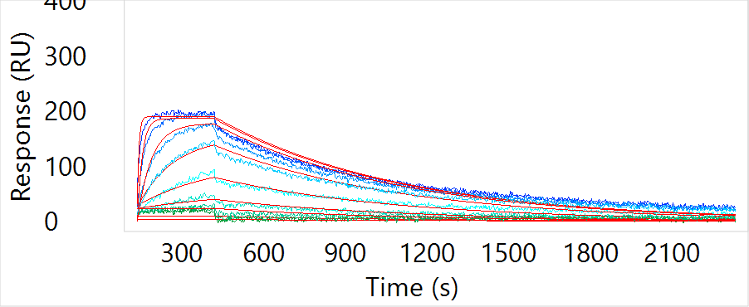
CL-1440298 | SC | 23 | WEAK BINDER | 1.55E+06 | 1.92E-03 | 1.24E-09 | 8.80 | GOOD FIT | WEAK BINDER & GOOD FIT | 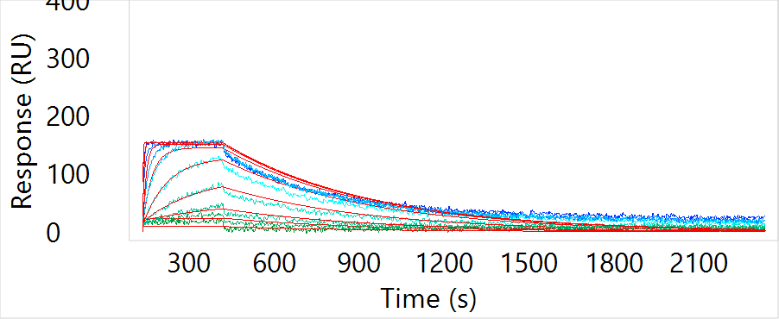
CL-1440299 | bulk | -2 | NON BINDER |  |  |  |  | NA | NON BINDER | 
CL-1440300 | SC | 29 | WEAK BINDER | 2.67E+06 | 6.55E-04 | 2.46E-10 | 9.80 | GOOD FIT | WEAK BINDER & GOOD FIT | 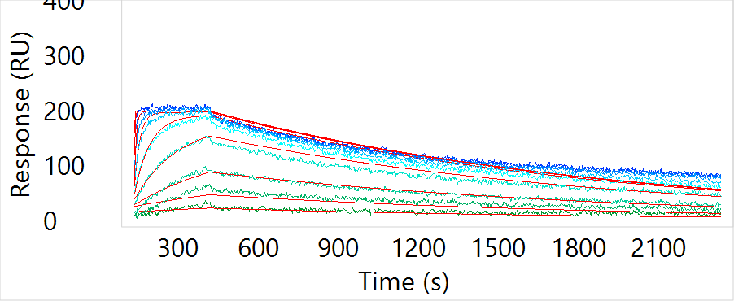
CL-1440301 | SC | 38 | BINDER | 3.19E+05 | 7.19E-04 | 2.25E-09 | 16.50 | GOOD FIT | BINDER & GOOD FIT | 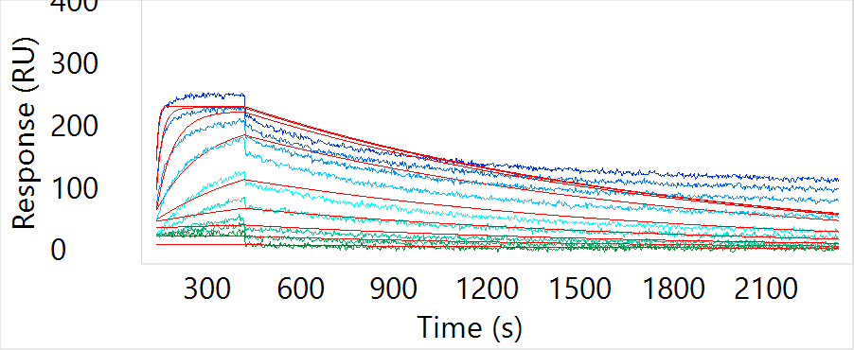
CL-1440302 | SC | 53 | BINDER | 6.53E+05 | 6.72E-04 | 1.03E-09 | 20.90 | GOOD FIT | BINDER & GOOD FIT | 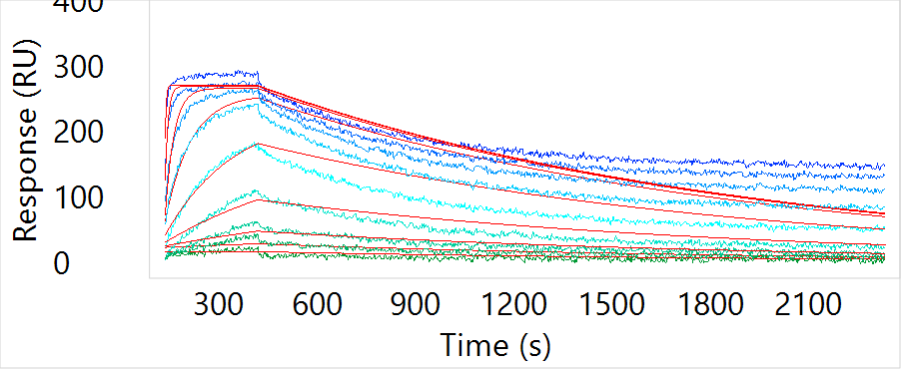
CL-1440303 | SC | 39 | BINDER | 1.12E+05 | 4.72E-04 | 4.23E-09 | 9.10 | GOOD FIT | BINDER & GOOD FIT | 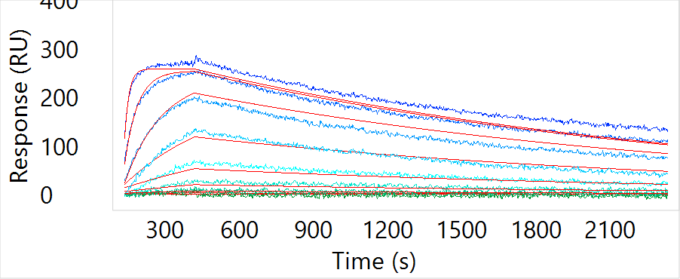
CL-1440304 | SC | 54 | BINDER | 4.96E+05 | 6.68E-04 | 1.35E-09 | 29.10 | GOOD FIT | BINDER & GOOD FIT | 
CL-1440305 | SC | 26 | WEAK BINDER |  |  |  | 25.30 | BAD FIT | WEAK BINDER & BAD FIT | 
CL-1440306 | SC | 27 | WEAK BINDER | 3.34E+05 | 9.79E-05 | 2.93E-10 | 5.10 | GOOD FIT | WEAK BINDER & GOOD FIT | 
CL-1440307 | SC | 24 | WEAK BINDER | 9.34E+04 | 6.82E-04 | 7.30E-09 | 6.80 | GOOD FIT | WEAK BINDER & GOOD FIT | 
CL-1440308 | SC | 24 | WEAK BINDER | 1.39E+05 | 1.71E-04 | 1.23E-09 | 5.10 | GOOD FIT | WEAK BINDER & GOOD FIT | 
CL-1440309 | SC | 1 | NON BINDER |  |  |  |  | NA | NON BINDER | 
CL-1440310 | bulk | 0 | NON BINDER |  |  |  |  | NA | NON BINDER | 
CL-1440311 | SC | 33 | BINDER | 1.62E+06 | 1.35E-03 | 8.33E-10 | 12.70 | GOOD FIT | BINDER & GOOD FIT | 
CL-1440312 | SC | 33 | BINDER | 3.94E+04 | 2.32E-04 | 5.87E-09 | 5.60 | GOOD FIT | BINDER & GOOD FIT | 
CL-1440313 | SC | 58 | BINDER | 9.22E+04 | 7.05E-04 | 7.64E-09 | 10.80 | GOOD FIT | BINDER & GOOD FIT | 
CL-1440314 | SC | 28 | WEAK BINDER | 1.89E+05 | 1.74E-03 | 9.21E-09 | 9.70 | GOOD FIT | WEAK BINDER & GOOD FIT | 
CL-1440315 | SC | 18 | WEAK BINDER | 1.41E+05 | 6.33E-04 | 4.50E-09 | 5.50 | GOOD FIT | WEAK BINDER & GOOD FIT | 
CL-1440316 | SC | 28 | WEAK BINDER | 1.24E+06 | 1.20E-03 | 9.67E-10 | 10.80 | GOOD FIT | WEAK BINDER & GOOD FIT | 
CL-1440317 | SC | 4 | NON BINDER |  |  |  |  | NA | NON BINDER | 
CL-1440318 | SC | 30 | WEAK BINDER | 1.31E+05 | 1.42E-04 | 1.08E-09 | 11.90 | GOOD FIT | WEAK BINDER & GOOD FIT | 
CL-1440319 | SC | 21 | WEAK BINDER | 1.46E+04 | 1.93E-03 | 1.32E-07 | 10.40 | GOOD FIT | WEAK BINDER & GOOD FIT | 
CL-1440320 | SC | -5 | NON BINDER |  |  |  |  | NA | NON BINDER | 
CL-1440321 | bulk | 4 | NON BINDER |  |  |  |  | NA | NON BINDER | 
CL-1440322 | SC | 3 | NON BINDER |  |  |  |  | NA | NON BINDER | 
CL-1440323 | SC | 31 | BINDER | 8.09E+05 | 9.78E-05 | 1.21E-10 | 4.10 | GOOD FIT | BINDER & GOOD FIT | 
CL-1440324 | bulk | 16 | WEAK BINDER | 1.38E+06 | 9.02E-04 | 6.52E-10 | 8.50 | GOOD FIT | WEAK BINDER & GOOD FIT | 
CL-1440325 | bulk | -2 | NON BINDER |  |  |  |  | NA | NON BINDER | 
CL-1440326 | bulk | 0 | NON BINDER |  |  |  |  | NA | NON BINDER | 
CL-1440327 | bulk | 13 | WEAK BINDER | 1.24E+04 | 3.23E-04 | 2.60E-08 | 2.90 | GOOD FIT | WEAK BINDER & GOOD FIT | 
CL-1440328 | bulk | 1 | NON BINDER |  |  |  |  | NA | NON BINDER | 
CL-1440329 | bulk | 1 | NON BINDER |  |  |  |  | NA | NON BINDER | 
CL-1440330 | bulk | -1 | NON BINDER |  |  |  |  | NA | NON BINDER | 
CL-1440331 | bulk | 6 | NON BINDER |  |  |  |  | NA | NON BINDER | 
CL-1440332 | bulk | -1 | NON BINDER |  |  |  |  | NA | NON BINDER | 
CL-1440333 | bulk | -8 | NON BINDER |  |  |  |  | NA | NON BINDER | 
CL-1440334 | bulk | -5 | NON BINDER |  |  |  |  | NA | NON BINDER | 
CL-1440335 | bulk | -14 | LOW CONCENTRATION |  |  |  |  | NA | LOW CONCENTRATION | 
CL-1440336 | bulk | 3 | NON BINDER |  |  |  |  | NA | NON BINDER | 
CL-1440337 | bulk | 0 | NON BINDER |  |  |  |  | NA | NON BINDER | 
CL-1440338 | bulk | 1 | NON BINDER |  |  |  |  | NA | NON BINDER | 
CL-1440339 | bulk | 2 | NON BINDER |  |  |  |  | NA | NON BINDER | 
CL-1440340 | bulk | 1 | NON BINDER |  |  |  |  | NA | NON BINDER | 
CL-1440341 | bulk | -2 | NON BINDER |  |  |  |  | NA | NON BINDER | 
CL-1440342 | bulk | 2 | NON BINDER |  |  |  |  | NA | NON BINDER | 
CL-1440343 | bulk | 20 | WEAK BINDER | 7.56E+04 | 3.46E-03 | 4.58E-08 | 10.40 | GOOD FIT | WEAK BINDER & GOOD FIT | 
CL-1440344 | bulk | 0 | NON BINDER |  |  |  |  | NA | NON BINDER | 
CL-1440345 | bulk | 1 | NON BINDER |  |  |  |  | NA | NON BINDER | 
CL-1440346 | bulk | 0 | NON BINDER |  |  |  |  | NA | NON BINDER | 
CL-1440347 | bulk | 0 | NON BINDER |  |  |  |  | NA | NON BINDER | 
CL-1440348 | bulk | 2 | NON BINDER |  |  |  |  | NA | NON BINDER | 
CL-1440349 | bulk | -1 | NON BINDER |  |  |  |  | NA | NON BINDER | 
CL-1440350 | bulk | -4 | NON BINDER |  |  |  |  | NA | NON BINDER | 
CL-1440351 | bulk | -4 | NON BINDER |  |  |  |  | NA | NON BINDER | 
CL-1440352 | bulk | -1 | NON BINDER |  |  |  |  | NA | NON BINDER | 
CL-1440353 | bulk | 1 | NON BINDER |  |  |  |  | NA | NON BINDER | 
CL-1440354 | bulk | -3 | NON BINDER |  |  |  |  | NA | NON BINDER | 
CL-1440355 | bulk | 2 | NON BINDER |  |  |  |  | NA | NON BINDER | 
CL-1440356 | bulk | -4 | NON BINDER |  |  |  |  | NA | NON BINDER | 
CL-1440357 | bulk | -10 | NON BINDER |  |  |  |  | NA | NON BINDER | 
CL-1440358 | bulk | -1 | NON BINDER |  |  |  |  | NA | NON BINDER | 
CL-1440359 | bulk | 6 | NON BINDER |  |  |  |  | NA | NON BINDER | 
CL-1440360 | bulk | 0 | NON BINDER |  |  |  |  | NA | NON BINDER | 
CL-1440361 | bulk | -3 | NON BINDER |  |  |  |  | NA | NON BINDER | 
CL-1440362 | bulk | -2 | NON BINDER |  |  |  |  | NA | NON BINDER | 
CL-1440363 | bulk | -2 | NON BINDER |  |  |  |  | NA | NON BINDER | 
CL-1440364 | bulk | -1 | NON BINDER |  |  |  |  | NA | NON BINDER | 
CL-1440365 | bulk | 29 | WEAK BINDER | 2.12E+04 | 2.72E-03 | 1.28E-07 | 6.20 | GOOD FIT | WEAK BINDER & GOOD FIT | 
CL-1440366 | bulk | 17 | WEAK BINDER | 5.74E+04 | 2.02E-03 | 3.53E-08 | 7.50 | GOOD FIT | WEAK BINDER & GOOD FIT | 
CL-1440367 | bulk | 0 | NON BINDER |  |  |  |  | NA | NON BINDER | 
CL-1440368 | bulk | 2 | NON BINDER |  |  |  |  | NA | NON BINDER | 
CL-1440369 | bulk | 0 | NON BINDER |  |  |  |  | NA | NON BINDER | 
CL-1440370 | bulk | -1 | NON BINDER |  |  |  |  | NA | NON BINDER | 
CL-1440371 | bulk | -3 | NON BINDER |  |  |  |  | NA | NON BINDER | 
CL-1440372 | bulk | -1 | NON BINDER |  |  |  |  | NA | NON BINDER | 
CL-1440373 | bulk | 52 | BINDER | 2.30E+06 | 5.15E-04 | 2.24E-10 | 15.30 | GOOD FIT | BINDER & GOOD FIT | 
CL-1440374 | bulk | -4 | NON BINDER |  |  |  |  | NA | NON BINDER | 
CL-1440375 | bulk | -1 | NON BINDER |  |  |  |  | NA | NON BINDER | 
CL-1440376 | bulk | 3 | NON BINDER |  |  |  |  | NA | NON BINDER | 
CL-1440377 | bulk | 25 | WEAK BINDER | 3.76E+05 | 6.07E-04 | 1.61E-09 | 16.10 | GOOD FIT | WEAK BINDER & GOOD FIT | 
CL-1440378 | bulk | -2 | NON BINDER |  |  |  |  | NA | NON BINDER | 
CL-1440379 | bulk | -1 | NON BINDER |  |  |  |  | NA | NON BINDER | 
CL-1440380 | bulk | -2 | NON BINDER |  |  |  |  | NA | NON BINDER | 
CL-1440381 | bulk | -1 | NON BINDER |  |  |  |  | NA | NON BINDER | 
CL-1440382 | bulk | -1 | NON BINDER |  |  |  |  | NA | NON BINDER | 
CL-1440383 | bulk | -3 | NON BINDER |  |  |  |  | NA | NON BINDER | 
CL-1440384 |  | 20 | WEAK BINDER | 1.08E+04 | 1.58E-03 | 1.46E-07 | 3.50 | GOOD FIT | WEAK BINDER & GOOD FIT | 
CL-1440385 |  | 3 | NON BINDER |  |  |  |  | NA | NON BINDER | 
CL-1440386 |  | -3 | NON BINDER |  |  |  |  | NA | NON BINDER | 
CL-1440387 |  | -3 | NON BINDER |  |  |  |  | NA | NON BINDER | 
CL-1440388 | bulk | 0 | NON BINDER |  |  |  |  | NA | NON BINDER | 
CL-1440389 |  | 23 | WEAK BINDER | 1.00E+04 | 1.93E-03 | 1.92E-07 | 7.30 | GOOD FIT | WEAK BINDER & GOOD FIT | 
CL-1440390 |  | 54 | BINDER | 3.64E+04 | 5.48E-04 | 1.50E-08 | 20.10 | GOOD FIT | BINDER & GOOD FIT | 
CL-1440391 |  | -3 | NON BINDER |  |  |  |  | NA | NON BINDER | 
CL-1440392 |  | -4 | NON BINDER |  |  |  |  | NA | NON BINDER | 
CL-1440393 |  | 0 | NON BINDER |  |  |  |  | NA | NON BINDER | 
CL-1440394 |  | -2 | NON BINDER |  |  |  |  | NA | NON BINDER | 
CL-1440395 |  | -4 | NON BINDER |  |  |  |  | NA | NON BINDER | 
CL-1440396 |  | -2 | NON BINDER |  |  |  |  | NA | NON BINDER | 
CL-1440397 |  | 1 | NON BINDER |  |  |  |  | NA | NON BINDER | 
CL-1440398 |  | 64 | BINDER | 9.09E+04 | 5.44E-04 | 5.98E-09 | 35.60 | GOOD FIT | BINDER & GOOD FIT | 
CL-1440399 | bulk | -1 | NON BINDER |  |  |  |  | NA | NON BINDER | 
CL-1440400 |  | -2 | NON BINDER |  |  |  |  | NA | NON BINDER | 
CL-1440401 |  | -2 | NON BINDER |  |  |  |  | NA | NON BINDER | 
CL-1440402 |  | 0 | NON BINDER |  |  |  |  | NA | NON BINDER | 
CL-1440403 |  | 1 | NON BINDER |  |  |  |  | NA | NON BINDER | 
CL-1440404 |  | -1 | NON BINDER |  |  |  |  | NA | NON BINDER | 
CL-1440405 |  | 1 | NON BINDER |  |  |  |  | NA | NON BINDER | 
CL-1440406 | bulk | 1 | NON BINDER |  |  |  |  | NA | NON BINDER | 
CL-1440407 | bulk | -1 | NON BINDER |  |  |  |  | NA | NON BINDER | 
CL-1440408 | bulk | -1 | NON BINDER |  |  |  |  | NA | NON BINDER | 
CL-1440409 | bulk | -1 | NON BINDER |  |  |  |  | NA | NON BINDER | 
CL-1440410 | bulk | 2 | NON BINDER |  |  |  |  | NA | NON BINDER | 
CL-1440411 | bulk | -2 | NON BINDER |  |  |  |  | NA | NON BINDER | 
CL-1440412 | bulk | 0 | NON BINDER |  |  |  |  | NA | NON BINDER | 
CL-1440413 | bulk | 0 | NON BINDER |  |  |  |  | NA | NON BINDER | 
CL-1440414 | bulk | -3 | NON BINDER |  |  |  |  | NA | NON BINDER | 
CL-1440415 | bulk | -1 | NON BINDER |  |  |  |  | NA | NON BINDER | 
CL-1440416 | bulk | 3 | NON BINDER |  |  |  |  | NA | NON BINDER | 
CL-1440417 | bulk | -3 | NON BINDER |  |  |  |  | NA | NON BINDER | 
CL-1440418 | bulk | -3 | NON BINDER |  |  |  |  | NA | NON BINDER | 
CL-1440419 | bulk | -2 | NON BINDER |  |  |  |  | NA | NON BINDER | 
CL-1440420 | bulk | -2 | NON BINDER |  |  |  |  | NA | NON BINDER | 
CL-1440421 | bulk | -8 | NON BINDER |  |  |  |  | NA | NON BINDER | 
CL-1440422 | bulk | -4 | NON BINDER |  |  |  |  | NA | NON BINDER | 
CL-1440423 | bulk | -2 | NON BINDER |  |  |  |  | NA | NON BINDER | 
CL-1440424 | bulk | -1 | NON BINDER |  |  |  |  | NA | NON BINDER | 
CL-1440425 | bulk | 15 | WEAK BINDER | 5.54E+04 | 1.18E-03 | 2.12E-08 | 6.30 | GOOD FIT | WEAK BINDER & GOOD FIT | 
CL-1440426 | bulk | -2 | NON BINDER |  |  |  |  | NA | NON BINDER | 
CL-1440427 | bulk | 9 | NON BINDER |  |  |  |  | NA | NON BINDER | 
CL-1440428 | bulk | 1 | NON BINDER |  |  |  |  | NA | NON BINDER | 
CL-1440429 | bulk | 1 | NON BINDER |  |  |  |  | NA | NON BINDER | 
CL-1440430 | bulk | -9 | NON BINDER |  |  |  |  | NA | NON BINDER | 
CL-1440431 | bulk | 2 | NON BINDER |  |  |  |  | NA | NON BINDER | 
CL-1440432 | bulk | 1 | NON BINDER |  |  |  |  | NA | NON BINDER | 
CL-1440433 | bulk | 1 | NON BINDER |  |  |  |  | NA | NON BINDER | 
CL-1440434 | bulk | 0 | NON BINDER |  |  |  |  | NA | NON BINDER | 
CL-1440435 | bulk | 14 | WEAK BINDER | 2.72E+04 | 1.34E-03 | 4.93E-08 | 9.10 | GOOD FIT | WEAK BINDER & GOOD FIT | 
CL-1440436 | bulk | 0 | NON BINDER |  |  |  |  | NA | NON BINDER | 
CL-1440437 | bulk | -3 | NON BINDER |  |  |  |  | NA | NON BINDER | 
CL-1440438 | bulk | -3 | NON BINDER |  |  |  |  | NA | NON BINDER | 
CL-1440439 | bulk | 1 | NON BINDER |  |  |  |  | NA | NON BINDER | 
CL-1440440 | bulk | 23 | WEAK BINDER | 1.56E+06 | 1.29E-03 | 8.29E-10 | 5.10 | GOOD FIT | WEAK BINDER & GOOD FIT | 
CL-1440441 | bulk | 0 | NON BINDER |  |  |  |  | NA | NON BINDER | 
CL-1440442 | bulk | 20 | WEAK BINDER | 4.88E+04 | 7.73E-04 | 1.58E-08 | 5.40 | GOOD FIT | WEAK BINDER & GOOD FIT | 
CL-1440443 | bulk | 2 | NON BINDER |  |  |  |  | NA | NON BINDER | 
CL-1440444 | bulk | 36 | BINDER | 4.15E+04 | 1.00E-05 | 2.41E-10 | 14.60 | GOOD FIT | BINDER & GOOD FIT | 
CL-1440445 | bulk | 0 | NON BINDER |  |  |  |  | NA | NON BINDER | 
CL-1440446 | bulk | -3 | NON BINDER |  |  |  |  | NA | NON BINDER | 
CL-1440447 | bulk | 0 | NON BINDER |  |  |  |  | NA | NON BINDER | 
CL-1440448 | bulk | 5 | NON BINDER |  |  |  |  | NA | NON BINDER | 
CL-1440449 | bulk | 46 | BINDER | 4.49E+05 | 3.92E-04 | 8.72E-10 | 10.50 | GOOD FIT | BINDER & GOOD FIT | 
CL-1440450 | bulk | -4 | NON BINDER |  |  |  |  | NA | NON BINDER | 
CL-1440451 | bulk | 0 | NON BINDER |  |  |  |  | NA | NON BINDER | 
CL-1440452 | bulk | 19 | WEAK BINDER | 4.58E+04 | 1.50E-04 | 3.28E-09 | 7.90 | GOOD FIT | WEAK BINDER & GOOD FIT | 
CL-1440453 | bulk | -2 | NON BINDER |  |  |  |  | NA | NON BINDER | 
CL-1440454 | bulk | 0 | NON BINDER |  |  |  |  | NA | NON BINDER | 
CL-1440455 | bulk | -1 | NON BINDER |  |  |  |  | NA | NON BINDER | 
CL-1440456 | bulk | 30 | BINDER | 3.04E+04 | 2.53E-04 | 8.34E-09 | 6.80 | GOOD FIT | BINDER & GOOD FIT | 
CL-1440457 | bulk | 1 | NON BINDER |  |  |  |  | NA | NON BINDER | 
CL-1440458 | bulk | 2 | NON BINDER |  |  |  |  | NA | NON BINDER | 
CL-1440459 | bulk | -3 | NON BINDER |  |  |  |  | NA | NON BINDER | 
CL-1440460 | bulk | 9 | NON BINDER |  |  |  |  | NA | NON BINDER | 
CL-1440461 | bulk | 28 | WEAK BINDER | 4.16E+04 | 1.00E-05 | 2.40E-10 | 9.70 | GOOD FIT | WEAK BINDER & GOOD FIT | 
CL-1440462 | bulk | -4 | NON BINDER |  |  |  |  | NA | NON BINDER | 
CL-1440463 | bulk | 3 | NON BINDER |  |  |  |  | NA | NON BINDER | 
CL-1440464 | bulk | -7 | NON BINDER |  |  |  |  | NA | NON BINDER | 
CL-1440465 | bulk | -1 | NON BINDER |  |  |  |  | NA | NON BINDER | 
CL-1440466 | bulk | 3 | NON BINDER |  |  |  |  | NA | NON BINDER | 
CL-1440467 | bulk | 0 | NON BINDER |  |  |  |  | NA | NON BINDER | 
CL-1440468 | bulk | -1 | NON BINDER |  |  |  |  | NA | NON BINDER | 
CL-1440469 | bulk | 0 | NON BINDER |  |  |  |  | NA | NON BINDER | 
CL-1440470 | bulk | 1 | NON BINDER |  |  |  |  | NA | NON BINDER | 
CL-1440471 | bulk | 0 | NON BINDER |  |  |  |  | NA | NON BINDER | 
CL-1440472 | bulk | -1 | NON BINDER |  |  |  |  | NA | NON BINDER | 
CL-1440473 | bulk | 0 | NON BINDER |  |  |  |  | NA | NON BINDER | 
CL-1440474 | bulk | -2 | NON BINDER |  |  |  |  | NA | NON BINDER | 
CL-1440475 | bulk | 0 | NON BINDER |  |  |  |  | NA | NON BINDER | 
CL-1440476 | bulk | 2 | NON BINDER |  |  |  |  | NA | NON BINDER | 
CL-1440477 | bulk | -3 | NON BINDER |  |  |  |  | NA | NON BINDER | 
CL-1440478 | bulk | -4 | NON BINDER |  |  |  |  | NA | NON BINDER | 
CL-1440479 | bulk | 3 | NON BINDER |  |  |  |  | NA | NON BINDER | 
CL-1440480 | bulk | 15 | WEAK BINDER |  |  |  | 7.80 | BAD FIT | WEAK BINDER & BAD FIT | 
CL-1440481 | bulk | -4 | NON BINDER |  |  |  |  | NA | NON BINDER | 
CL-1440482 | bulk | 15 | WEAK BINDER | 1.20E+04 | 1.79E-03 | 1.50E-07 | 5.00 | GOOD FIT | WEAK BINDER & GOOD FIT | 
CL-1440483 | bulk | 2 | NON BINDER |  |  |  |  | NA | NON BINDER | 
CL-1440484 | bulk | 0 | NON BINDER |  |  |  |  | NA | NON BINDER | 
CL-1440485 | bulk | 2 | NON BINDER |  |  |  |  | NA | NON BINDER | 
CL-1440486 | bulk | 75 | BINDER | 4.74E+04 | 3.08E-04 | 6.49E-09 | 8.70 | GOOD FIT | BINDER & GOOD FIT | 
CL-1440487 | bulk | 34 | BINDER | 5.64E+04 | 1.31E-03 | 2.33E-08 | 7.20 | GOOD FIT | BINDER & GOOD FIT | 
CL-1446459 | negative control | -3 | NON BINDER |  |  |  |  | NA | NON BINDER | 
CL-1446460 | non-tranfected cells | -10 | NON BINDER |  |  |  |  | NA | NON BINDER
CL-1446461 | irrelevant antibody | 1 | NON BINDER |  |  |  |  | NA | NON BINDER | 
CL-1446462 | antibody benchmark 1C1 | 64 | BINDER | 1.94E+06 | 6.19E-05 | 3.18E-11 | 11.40 | GOOD FIT | BINDER & GOOD FIT | 
CL-1446463 | antibody benchmark 3P10 | 51 | BINDER | 3.19E+06 | 3.94E-05 | 1.24E-11 | 9.10 | GOOD FIT | BINDER & GOOD FIT | 

