Example Product
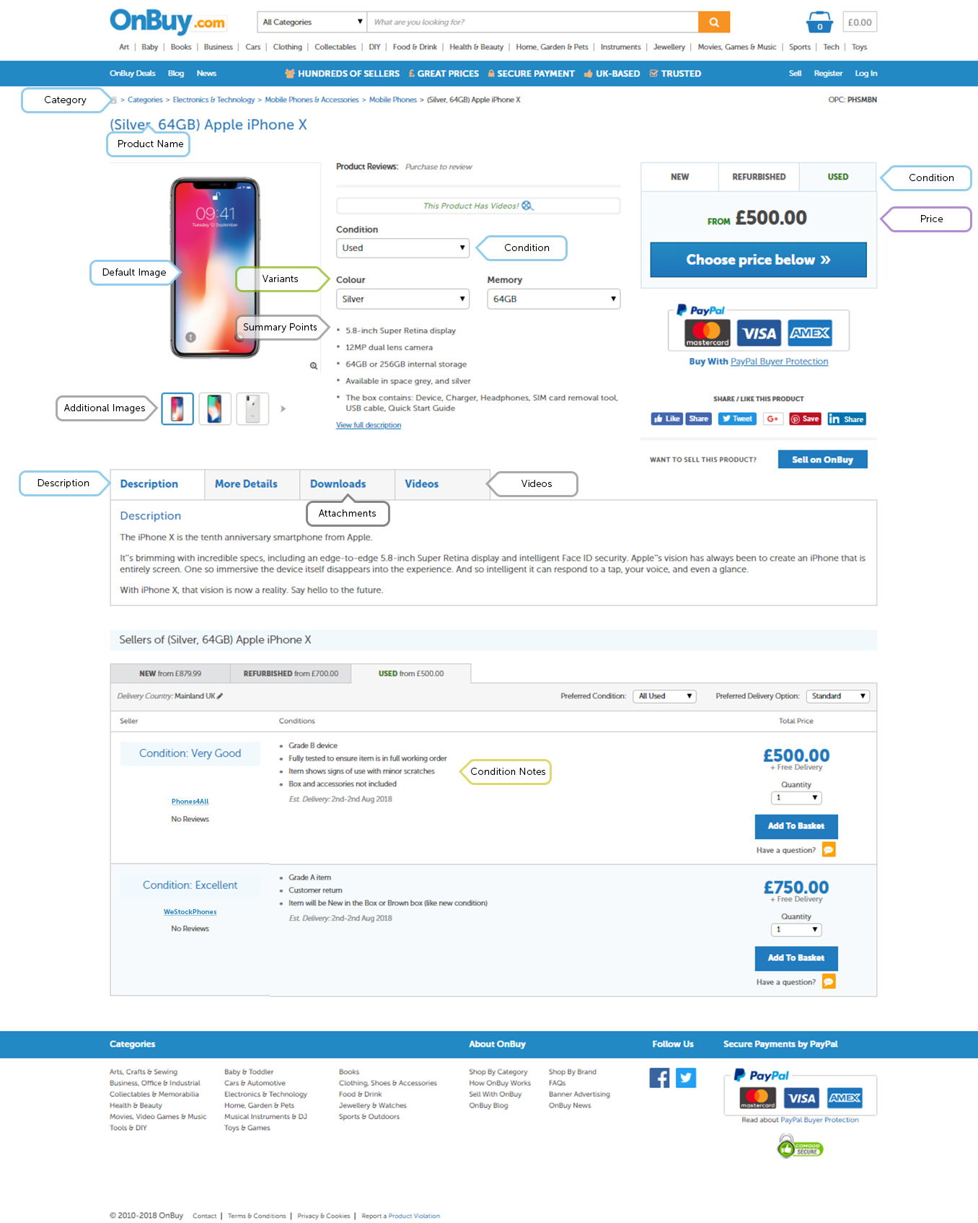
Example product showing listings in new condition
The below image shows an example product with multiple seller listings in new condition. The product has both required and optional product data populated.
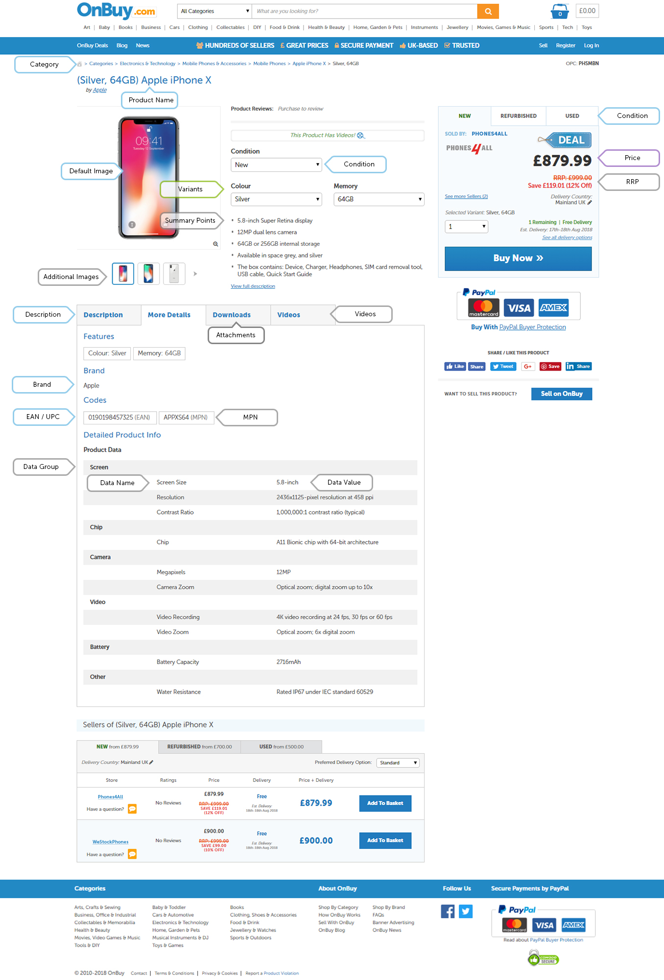

Example product showing listings in used condition
The below image shows an example product with multiple seller listings in used condition. The product has both required and optional product data populated.

