Spike
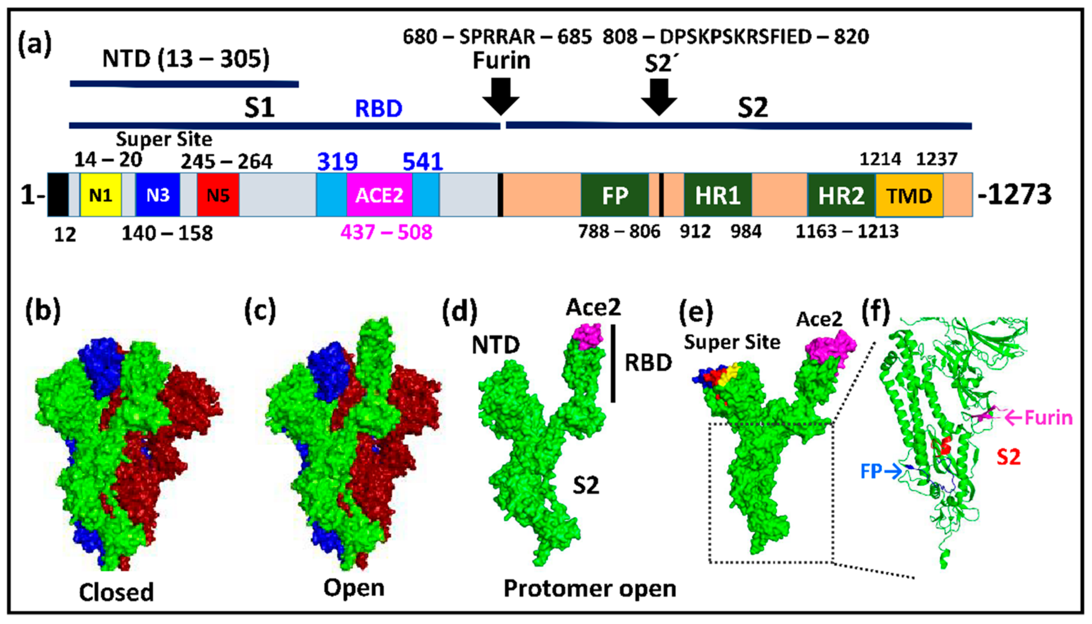
position aligned | 1 | 2 | 3 | 4 | 5 | 6 | 7 | 8 | 9 | 10 | 11 | 12 | 13 | 14 | 15 | 16 | 17 | 18 | 19 | 20 | 21 | 22 | 23 | 24 | 25 | 26 | 27 | 28 | 29 | 30 | 31 | 32 | 33 | 34 | 35 | 36 | 37 | 38 | 39 | 40 | 41 | 42 | 43 | 44 | 45 | 46 | 47 | 48 | 49 | 50 | 51 | 52 | 53 | 54 | 55 | 56 | 57 | 58 | 59 | 60 | 61 | 62 | 63 | 64 | 65 | 66 | 67 | 68 | 69 | 70 | 71 | 72 | 73 | 74 | 75 | 76 | 77 | 78 | 79 | 80 | 81 | 82 | 83 | 84 | 85 | 86 | 87 | 88 | 89 | 90 | 91 | 92 | 93 | 94 | 95 | 96 | 97 | 98 | 99 | 100 | 101 | 102 | 103 | 104 | 105 | 106 | 107 | 108 | 109 | 110 | 111 | 112 | 113 | 114 | 115 | 116 | 117 | 118 | 119 | 120 | 121 | 122 | 123 | 124 | 125 | 126 | 127 | 128 | 129 | 130 | 131 | 132 | 133 | 134 | 135 | 136 | 137 | 138 | 139 | 140 | 141 | 142 | 143 | 144 | 145 | 146 | 147 | 148 | 149 | 150 | 151 | 152 | 153 | 154 | 155 | 156 | 157 | 158 | 159 | 160 | 161 | 162 | 163 | 164 | 165 | 166 | 167 | 168 | 169 | 170 | 171 | 172 | 173 | 174 | 175 | 176 | 177 | 178 | 179 | 180 | 181 | 182 | 183 | 184 | 185 | 186 | 187 | 188 | 189 | 190 | 191 | 192 | 193 | 194 | 195 | 196 | 197 | 198 | 199 | 200 | 201 | 202 | 203 | 204 | 205 | 206 | 207 | 208 | 209 | 210 | 211 | 212 | 212' | 212'' | 213 | 214 | 215 | 216 | 217 | 218 | 219 | 220 | 221 | 222 | 223 | 224 | 225 | 226 | 227 | 228 | 229 | 230 | 231 | 232 | 233 | 234 | 235 | 236 | 237 | 238 | 239 | 240 | 241 | 242 | 243 | 244 | 245 | 246 | 247 | 248 | 249 | 250 | 251 | 252 | 253
WUHAN-SPIKE | M | F | V | F | L | V | L | L | P | L | V | S | S | Q | C | V | N | L | T | T | R | T | Q | L | P | P | A | Y | T | N | S | F | T | R | G | V | Y | Y | P | D | K | V | F | R | S | S | V | L | H | S | T | Q | D | L | F | L | P | F | F | S | N | V | T | W | F | H | A | I | H | V | S | G | T | N | G | T | K | R | F | D | N | P | V | L | P | F | N | D | G | V | Y | F | A | S | T | E | K | S | N | I | I | R | G | W | I | F | G | T | T | L | D | S | K | T | Q | S | L | L | I | V | N | N | A | T | N | V | V | I | K | V | C | E | F | Q | F | C | N | D | P | F | L | G | V | Y | Y | H | K | N | N | K | S | W | M | E | S | E | F | R | V | Y | S | S | A | N | N | C | T | F | E | Y | V | S | Q | P | F | L | M | D | L | E | G | K | Q | G | N | F | K | N | L | R | E | F | V | F | K | N | I | D | G | Y | F | K | I | Y | S | K | H | T | P | I | N | L | 0 | 0 | V | R | D | L | P | Q | G | F | S | A | L | E | P | L | V | D | L | P | I | G | I | N | I | T | R | F | Q | T | L | L | A | L | H | R | S | Y | L | T | P | G | D
DELTA-SPIKE | M | F | V | F | F | V | L | L | P | L | V | S | S | Q | C | V | N | L | R | T | R | T | Q | L | P | P | A | Y | T | N | S | F | T | R | G | V | Y | Y | P | D | K | V | F | R | S | S | V | L | H | S | T | Q | D | L | F | L | P | F | F | S | N | V | T | W | F | H | A | I | H | V | S | G | T | N | G | T | K | R | F | D | N | P | V | L | P | F | N | D | G | V | Y | F | A | S | T | E | K | S | N | I | I | R | G | W | I | F | G | T | T | L | D | S | K | T | Q | S | L | L | I | V | N | N | A | T | N | V | V | I | K | V | C | E | F | Q | F | C | N | D | P | F | L | D | V | Y | Y | H | K | N | N | K | S | W | M | E | S | 0 | 0 | G | V | Y | S | S | A | N | N | C | T | F | E | Y | V | S | Q | P | F | L | M | D | L | E | G | K | Q | G | N | F | K | N | L | R | E | F | V | F | K | N | I | D | G | Y | F | K | I | Y | S | K | H | T | P | I | N | L | 0 | 0 | V | R | D | L | P | Q | G | F | S | A | L | E | P | L | V | D | L | P | I | G | I | N | I | T | R | F | Q | T | L | L | A | L | H | R | S | Y | L | T | P | G | D
OMICRON | M | F | V | F | L | V | L | L | P | L | V | S | S | Q | C | V | N | L | T | T | R | T | Q | L | P | P | A | Y | T | N | S | F | T | R | G | V | Y | Y | P | D | K | V | F | R | S | S | V | L | H | S | T | Q | D | L | F | L | P | F | F | S | N | V | T | W | F | H | V | I | 0 | 0 | S | G | T | N | G | T | K | R | F | D | N | P | V | L | P | F | N | D | G | V | Y | F | A | S | I | E | K | S | N | I | I | R | G | W | I | F | G | T | T | L | D | S | K | T | Q | S | L | L | I | V | N | N | A | T | N | V | V | I | K | V | C | E | F | Q | F | C | N | D | P | F | L | D | 0 | 0 | 0 | H | K | N | N | K | S | W | M | E | S | E | F | R | V | Y | S | S | A | N | N | C | T | F | E | Y | V | S | Q | P | F | L | M | D | L | E | G | K | Q | G | N | F | K | N | L | R | E | F | V | F | K | N | I | D | G | Y | F | K | I | Y | S | K | H | T | P | I | I | V | R | E | P | E | D | L | P | Q | G | F | S | A | L | E | P | L | V | D | L | P | I | G | I | N | I | T | R | F | Q | T | L | L | A | L | H | R | S | Y | L | T | P | G | D
BA.2 | M | F | V | F | L | V | L | L | P | L | V | S | S | Q | C | V | N | L | I | T | R | T | Q | 0 | 0 | 0 | S | Y | T | N | S | F | T | R | G | V | Y | Y | P | D | K | V | F | R | S | S | V | L | H | S | T | Q | D | L | F | L | P | F | F | S | N | V | T | W | F | H | A | I | H | V | S | G | T | N | G | T | K | R | F | D | N | P | V | L | P | F | N | D | G | V | Y | F | A | S | T | E | K | S | N | I | I | R | G | W | I | F | G | T | T | L | D | S | K | T | Q | S | L | L | I | V | N | N | A | T | N | V | V | I | K | V | C | E | F | Q | F | C | N | D | P | F | L | D | V | Y | Y | H | K | N | N | K | G | W | M | E | S | E | F | R | V | Y | S | S | A | N | N | C | T | F | E | Y | V | S | Q | P | F | L | M | D | L | E | G | K | Q | G | N | F | K | N | L | R | E | F | V | F | K | N | I | D | G | Y | F | K | I | Y | S | K | H | T | P | I | N | L | 0 | 0 | G | R | D | L | P | Q | G | F | S | A | L | E | P | L | V | D | L | P | I | G | I | N | I | T | R | F | Q | T | L | L | A | L | H | R | S | Y | L | T | P | G | D
BA.5 | M | F | V | F | L | V | L | L | P | L | V | S | S | Q | C | V | N | L | I | T | R | T | Q | 0 | 0 | 0 | S | Y | T | N | S | F | T | R | G | V | Y | Y | P | D | K | V | F | R | S | S | V | L | H | S | T | Q | D | L | F | L | P | F | F | S | N | V | T | W | F | H | A | I | 0 | 0 | S | G | T | N | G | T | K | R | F | D | N | P | V | L | P | F | N | D | G | V | Y | F | A | S | T | E | K | S | N | I | I | R | G | W | I | F | G | T | T | L | D | S | K | T | Q | S | L | L | I | V | N | N | A | T | N | V | V | I | K | V | C | E | F | Q | F | C | N | D | P | F | L | D | V | Y | Y | H | K | N | N | K | S | W | M | E | S | E | F | R | V | Y | S | S | A | N | N | C | T | F | E | Y | V | S | Q | P | F | L | M | D | L | E | G | K | Q | G | N | F | K | N | L | R | E | F | V | F | K | N | I | D | G | Y | F | K | I | Y | S | K | H | T | P | I | N | L | 0 | 0 | G | R | D | L | P | Q | G | F | S | A | L | E | P | L | V | D | L | P | I | G | I | N | I | T | R | F | Q | T | L | L | A | L | H | R | S | Y | L | T | P | G | D
BF.7 | M | F | V | F | L | V | L | L | P | L | V | S | S | Q | C | V | N | L | I | T | R | T | Q | 0 | 0 | 0 | S | Y | T | N | S | F | T | R | G | V | Y | Y | P | D | K | V | F | R | S | S | V | L | H | S | T | Q | D | L | F | L | P | F | F | S | N | V | T | W | F | H | A | I | 0 | 0 | S | G | T | N | G | T | K | R | F | G | N | P | V | L | P | F | N | D | G | V | Y | F | A | S | T | E | K | S | N | I | I | R | G | W | I | F | G | T | T | L | D | S | K | T | Q | S | L | L | I | V | N | N | A | T | N | V | V | I | K | V | C | E | F | Q | F | C | N | D | P | F | L | D | V | Y | Y | H | K | N | N | K | S | W | M | E | S | E | F | R | V | Y | S | S | A | N | N | C | T | F | E | Y | V | S | Q | P | F | L | M | D | L | E | G | K | Q | G | N | F | K | N | L | R | E | F | V | F | K | N | I | D | G | Y | F | K | I | Y | S | K | H | T | P | I | N | L | 0 | 0 | G | R | D | L | P | Q | G | F | S | A | L | E | P | L | V | D | L | P | I | G | I | N | I | T | R | F | Q | T | L | L | A | L | H | R | S | Y | L | T | P | G | D
BQ.1.1 | M | F | V | F | L | V | L | L | P | L | V | S | S | Q | C | V | N | L | I | T | R | T | Q | 0 | 0 | 0 | S | Y | T | N | S | F | T | R | G | V | Y | Y | P | D | K | V | F | R | S | S | V | L | H | S | T | Q | D | L | F | L | P | F | F | S | N | V | T | W | F | H | A | I | 0 | 0 | S | G | T | N | G | T | K | R | F | D | N | P | V | L | P | F | N | D | G | V | Y | F | A | S | T | E | K | S | N | I | I | R | G | W | I | F | G | T | T | L | D | S | K | T | Q | S | L | L | I | V | N | N | A | T | N | V | V | I | K | V | C | E | F | Q | F | C | N | D | P | F | L | D | V | Y | Y | H | K | N | N | K | S | W | M | E | S | E | F | R | V | Y | S | S | A | N | N | C | T | F | E | Y | V | S | Q | P | F | L | M | D | L | E | G | K | Q | G | N | F | K | N | L | R | E | F | V | F | K | N | I | D | G | Y | F | K | I | Y | S | K | H | T | P | I | N | L | 0 | 0 | G | R | D | L | P | Q | G | F | S | A | L | E | P | L | V | D | L | P | I | G | I | N | I | T | R | F | Q | T | L | L | A | L | H | R | S | Y | L | T | P | G | D
35 mutations | * | * | * | * | : | * | * | * | * | * | * | * | * | * | * | * | * | * | 1 | * | * | * | * | 2 | 3 | 4 | 5 | : | * | * | * | * | * | * | * | * | * | * | * | * | * | * | * | * | * | * | * | * | * | * | * | * | * | * | * | * | * | * | * | * | * | * | * | * | * | * | 0 | * | 6 | 7 | * | * | * | * | * | * | * | * | * | * | * | * | * | * | * | * | * | * | * | * | * | * | * | * |  | * | * | * | * | * | * | * | * | * | * | * | * | * | * | * | * | * | * | * | * | * | * | * | * | * | * | * | * | * | * | * | * | * | * | * | * | * | * | * | * | * | * | * | * | * | 0 | 8 |  | * | * | * | * | * | * | 0 | * | * | * | * |  |  |  |  |  | * | * | * | * | * | * | * | * | * | * | * | * | * | * | * | * | * | * | * | * | * | * | * | * | * | * | * | * | * | * | * | * | * | * | * | * | * | * | * | * | * | * | * | * | * | * | * | * | * | * | * |  | : |  |  | 9 | 0 | * | * | * | * | * | * | * | * | * | * | * | * | * | * | * | * | * | * | * | * | * | * | * | * | * | * | * | * | * | * | * | * | * | * | * | * | * | * | *
 |  |  |  |  |  |  |  |  |  |  |  |  |  |  |  |  |  |  | S1 |  |  |  |  | S1 | S1 | S1 | S1 |  |  |  |  |  |  |  |  |  |  |  |  |  |  |  |  |  |  |  |  |  |  |  |  |  |  |  |  |  |  |  |  |  |  |  |  |  |  |  |  |  | S1 | S1 |  |  |  |  |  |  |  |  |  |  |  |  |  |  |  |  |  |  |  |  |  |  |  |  |  |  |  |  |  |  |  |  |  |  |  |  |  |  |  |  |  |  |  |  |  |  |  |  |  |  |  |  |  |  |  |  |  |  |  |  |  |  |  |  |  |  |  |  |  |  |  | S1 |  |  |  |  |  |  |  |  |  |  |  |  |  |  |  |  |  |  |  |  |  |  |  |  |  |  |  |  |  |  |  |  |  |  |  |  |  |  |  |  |  |  |  |  |  |  |  |  |  |  |  |  |  |  |  |  |  |  |  |  |  |  |  |  |  |  |  |  |  |  |  |  | S1
 |  |  |  |  |  |  |  |  |  |  |  |  |  |  |  |  |  |  | NTD |  |  |  |  | NTD | NTD | NTD | NTD |  |  |  |  |  |  |  |  |  |  |  |  |  |  |  |  |  |  |  |  |  |  |  |  |  |  |  |  |  |  |  |  |  |  |  |  |  |  |  |  |  | NTD | NTD |  |  |  |  |  |  |  |  |  |  |  |  |  |  |  |  |  |  |  |  |  |  |  |  |  |  |  |  |  |  |  |  |  |  |  |  |  |  |  |  |  |  |  |  |  |  |  |  |  |  |  |  |  |  |  |  |  |  |  |  |  |  |  |  |  |  |  |  |  |  |  | NTD |  |  |  |  |  |  |  |  |  |  |  |  |  |  |  |  |  |  |  |  |  |  |  |  |  |  |  |  |  |  |  |  |  |  |  |  |  |  |  |  |  |  |  |  |  |  |  |  |  |  |  |  |  |  |  |  |  |  |  |  |  |  |  |  |  |  |  |  |  |  |  |  | NTD
 |  |  |  |  |  |  |  |  |  |  |  |  |  |  |  |  |  |  | N1 |  |  |  |  |  |  |  |  |  |  |  |  |  |  |  |  |  |  |  |  |  |  |  |  |  |  |  |  |  |  |  |  |  |  |  |  |  |  |  |  |  |  |  |  |  |  |  |  |  |  |  |  |  |  |  |  |  |  |  |  |  |  |  |  |  |  |  |  |  |  |  |  |  |  |  |  |  |  |  |  |  |  |  |  |  |  |  |  |  |  |  |  |  |  |  |  |  |  |  |  |  |  |  |  |  |  |  |  |  |  |  |  |  |  |  |  |  |  |  |  |  |  | N3

mc
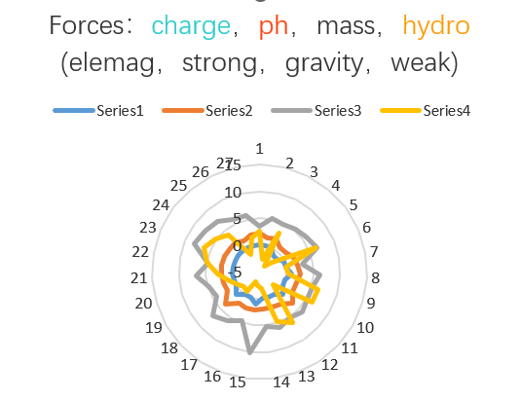
A | Ala | 1 | 0 | 0 | 6.11 | 2.1438596491 | 89.1 | 3.564 | 41 | 2.6451612903 | 6.2091612903 | 2.1438596491 | 0.34527362858 |  | 21.29
b |  | 2 | 0 | 0 | 4.13 | 1.449122807 | 132.6 | 5.304 | -41.5 | -2.6774193548 | 2.6265806452 | 1.449122807 | 0.5517145684 |  | 22.06
C | Cys | 3 | 0 | 0 | 5.05 | 1.7719298246 | 121.2 | 4.848 | 49 | 3.1612903226 | 8.0092903226 | 1.7719298246 | 0.22123431081 |  | 33.70
D | Asp | 4 | -1 | -1 | 2.85 | 1 | 133.1 | 5.324 | -55 | -3.5483870968 | 1.7756129032 | 0 | 0 |  | 42.22
E | Glu | 5 | -1 | -1 | 3.15 | 1.1052631579 | 147.1 | 5.884 | -31 | -2 | 3.884 | 0.10526315789 | 0.027101739932 |  | 54.00
F | Phe | 6 | 0 | 0 | 5.49 | 1.9263157895 | 165.2 | 6.608 | 100 | 6.4516129032 | 13.059612903 | 1.9263157895 | 0.14750175244 |  | 48.31
G | Gly | 7 | 0 | 0 | 6.06 | 2.1263157895 | 75.1 | 3.004 | 0 | 0 | 3.004 | 2.1263157895 | 0.70782815895 |  | 12.39
H | His | 8 | 1 | 1 | 7.6 | 2.6666666667 | 155.2 | 6.208 | 8 | 0.51612903226 | 6.7241290323 | 3.6666666667 | 0.54529986695 |  | 18.98
I | Ile | 9 | 0 | 0 | 6.05 | 2.1228070175 | 131.2 | 5.248 | 99 | 6.3870967742 | 11.635096774 | 2.1228070175 | 0.18244859142 |  | 38.05
j |  | 10 | 0 | 0 | 6.03 | 2.1157894737 | 131.2 | 5.248 | 98 | 6.3225806452 | 11.570580645 | 2.1157894737 | 0.18285940339 |  | 38.01
K | Lys | 11 | 1 | 1 | 9.6 | 3.3684210526 | 146.2 | 5.848 | -23 | -1.4838709677 | 4.3641290323 | 4.3684210526 | 1.000983477 |  | 11.62
L | Leu | 12 | 0 | 0 | 6.01 | 2.1087719298 | 131.2 | 5.248 | 97 | 6.2580645161 | 11.506064516 | 2.1087719298 | 0.18327482232 |  | 37.97
M | Met | 13 | 0 | 0 | 5.74 | 2.0140350877 | 149.2 | 5.968 | 74 | 4.7741935484 | 10.742193548 | 2.0140350877 | 0.18748825169 |  | 38.89
N | Asn | 14 | 0 | 0 | 5.41 | 1.898245614 | 132.1 | 5.284 | -28 | -1.8064516129 | 3.4775483871 | 1.898245614 | 0.54585742677 |  | 19.24
o | Pyl | 15 | 1 | 1 | 5.855 | 2.0543859649 | 255.3 | 10.212 | -37 | -2.3870967742 | 7.8249032258 | 3.0543859649 | 0.390341692 |  | 31.85
P | Pro | 16 | 0 | 0 | 6.3 | 2.2105263158 | 115.1 | 4.604 | -46 | -2.9677419355 | 1.6362580645 | 2.2105263158 | 1.350964352 |  | 10.97
Q | Gln | 17 | 0 | 0 | 5.65 | 1.9824561404 | 146.2 | 5.848 | -10 | -0.64516129032 | 5.2028387097 | 1.9824561404 | 0.38103355706 |  | 24.11
R | Arg | 18 | 1 | 1 | 10.76 | 3.7754385965 | 174.2 | 6.968 | -14 | -0.90322580645 | 6.0647741935 | 4.7754385965 | 0.78740583641 |  | 13.62
S | Ser | 19 | 0 | 0 | 5.68 | 1.9929824561 | 105.1 | 4.204 | -5 | -0.32258064516 | 3.8814193548 | 1.9929824561 | 0.51346743908 |  | 17.62
T | Thr | 20 | 0 | 0 | 5.6 | 1.9649122807 | 119.1 | 4.764 | 13 | 0.83870967742 | 5.6027096774 | 1.9649122807 | 0.35070749581 |  | 23.59
u | Sec | 21 | 0 | 0 | 5.8 | 2.0350877193 | 168.1 | 6.724 | 44.5 | 2.8709677419 | 9.5949677419 | 2.0350877193 | 0.21209948528 |  | 36.66
V | Val | 22 | 0 | 0 | 6 | 2.1052631579 | 117.1 | 4.684 | 76 | 4.9032258065 | 9.5872258065 | 2.1052631579 | 0.21959044257 |  | 32.18
W | Trp | 23 | 0 | 0 | 5.89 | 2.0666666667 | 204.2 | 8.168 | 97 | 6.2580645161 | 14.426064516 | 2.0666666667 | 0.14325921421 |  | 51.14
x |  | 24 | 0 | 0 | 5.765 | 2.0228070175 | 192.7 | 7.708 | 80 | 5.1612903226 | 12.869290323 | 2.0228070175 | 0.1571809297 |  | 47.30
Y | Tyr | 25 | 0 | 0 | 5.64 | 1.9789473684 | 181.2 | 7.248 | 63 | 4.064516129 | 11.312516129 | 1.9789473684 | 0.17493432459 |  | 43.30
z |  | 26 | 0 | 0 | 4.4 | 1.5438596491 | 146.6 | 5.866 | -20.5 | -1.3225806452 | 4.5434193548 | 1.5438596491 | 0.33980126608 |  | 28.67
- |  | 27 | 0 | 0 | 5.9 | 2.0596491228 | 144.8 | 5.7917692308 | 24.2 | 1.5595533499 | 7.3513225806 | 2.0596491228 | 0.28017395512 |  | 28.78

a-acid |  |  | charge |  | isoelectrical |  | weight |  | hydro | for | drawing | the | graph |  | mass-charge
 |  |  |  |  | （pH value）
 |  | max | 1 |  | 10.76 |  | 255.3 |  | 100 |  |  |  |  | max | 54.00
 |  | min | -1 |  | 2.85 |  | 75.1 |  | -55 |  |  |  |  | min | 10.97
 |  | ratio | 2 |  | 2.7754385965 |  | 2.3994673768 |  | 2.8181818182 |  |  |  |  | ratio | 3.92
 |  | ave | 0 |  | 6 |  | 145 |  | 24 |  |  |  |  | ave | 30.61

