euriborkorot_pv_chrt_en
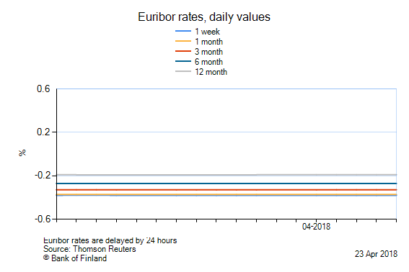

The chart shows a maximum of 6 months period from the chosen start date.

Date | 1 week | 1 month | 3 month | 6 month | 12 month
20 Apr 2018 | -0.379 | -0.372 | -0.328 | -0.271 | -0.189
19 Apr 2018 | -0.380 | -0.372 | -0.328 | -0.270 | -0.189
18 Apr 2018 | -0.379 | -0.371 | -0.328 | -0.271 | -0.189
17 Apr 2018 | -0.379 | -0.371 | -0.328 | -0.270 | -0.189
16 Apr 2018 | -0.379 | -0.371 | -0.329 | -0.270 | -0.189
13 Apr 2018 | -0.379 | -0.371 | -0.329 | -0.271 | -0.190
12 Apr 2018 | -0.380 | -0.371 | -0.329 | -0.271 | -0.191
11 Apr 2018 | -0.380 | -0.372 | -0.329 | -0.270 | -0.190
10 Apr 2018 | -0.380 | -0.372 | -0.329 | -0.271 | -0.191
9 Apr 2018 | -0.380 | -0.372 | -0.329 | -0.270 | -0.191
6 Apr 2018 | -0.379 | -0.372 | -0.329 | -0.270 | -0.191
5 Apr 2018 | -0.378 | -0.372 | -0.328 | -0.271 | -0.191
4 Apr 2018 | -0.378 | -0.372 | -0.328 | -0.271 | -0.190
3 Apr 2018 | -0.379 | -0.372 | -0.328 | -0.270 | -0.190

