Cerinta
VVTA, PPFDP Informatica, 2021-2022
 | Lab02. Testare Black-box. Tehnicile de testare EP, BVA
 | Student | Bertici Stefan
 | Data predarii | 17-10-2022 | Grupa | 1211

/**
* adauga un angajat in repository
* @param employee - un angajat cu atributele id,
lastName, firstName, cnp, function,salary
* @return boolean - false daca employee nu este valid
*/
public boolean addEmployee(Employee employee);

ECP
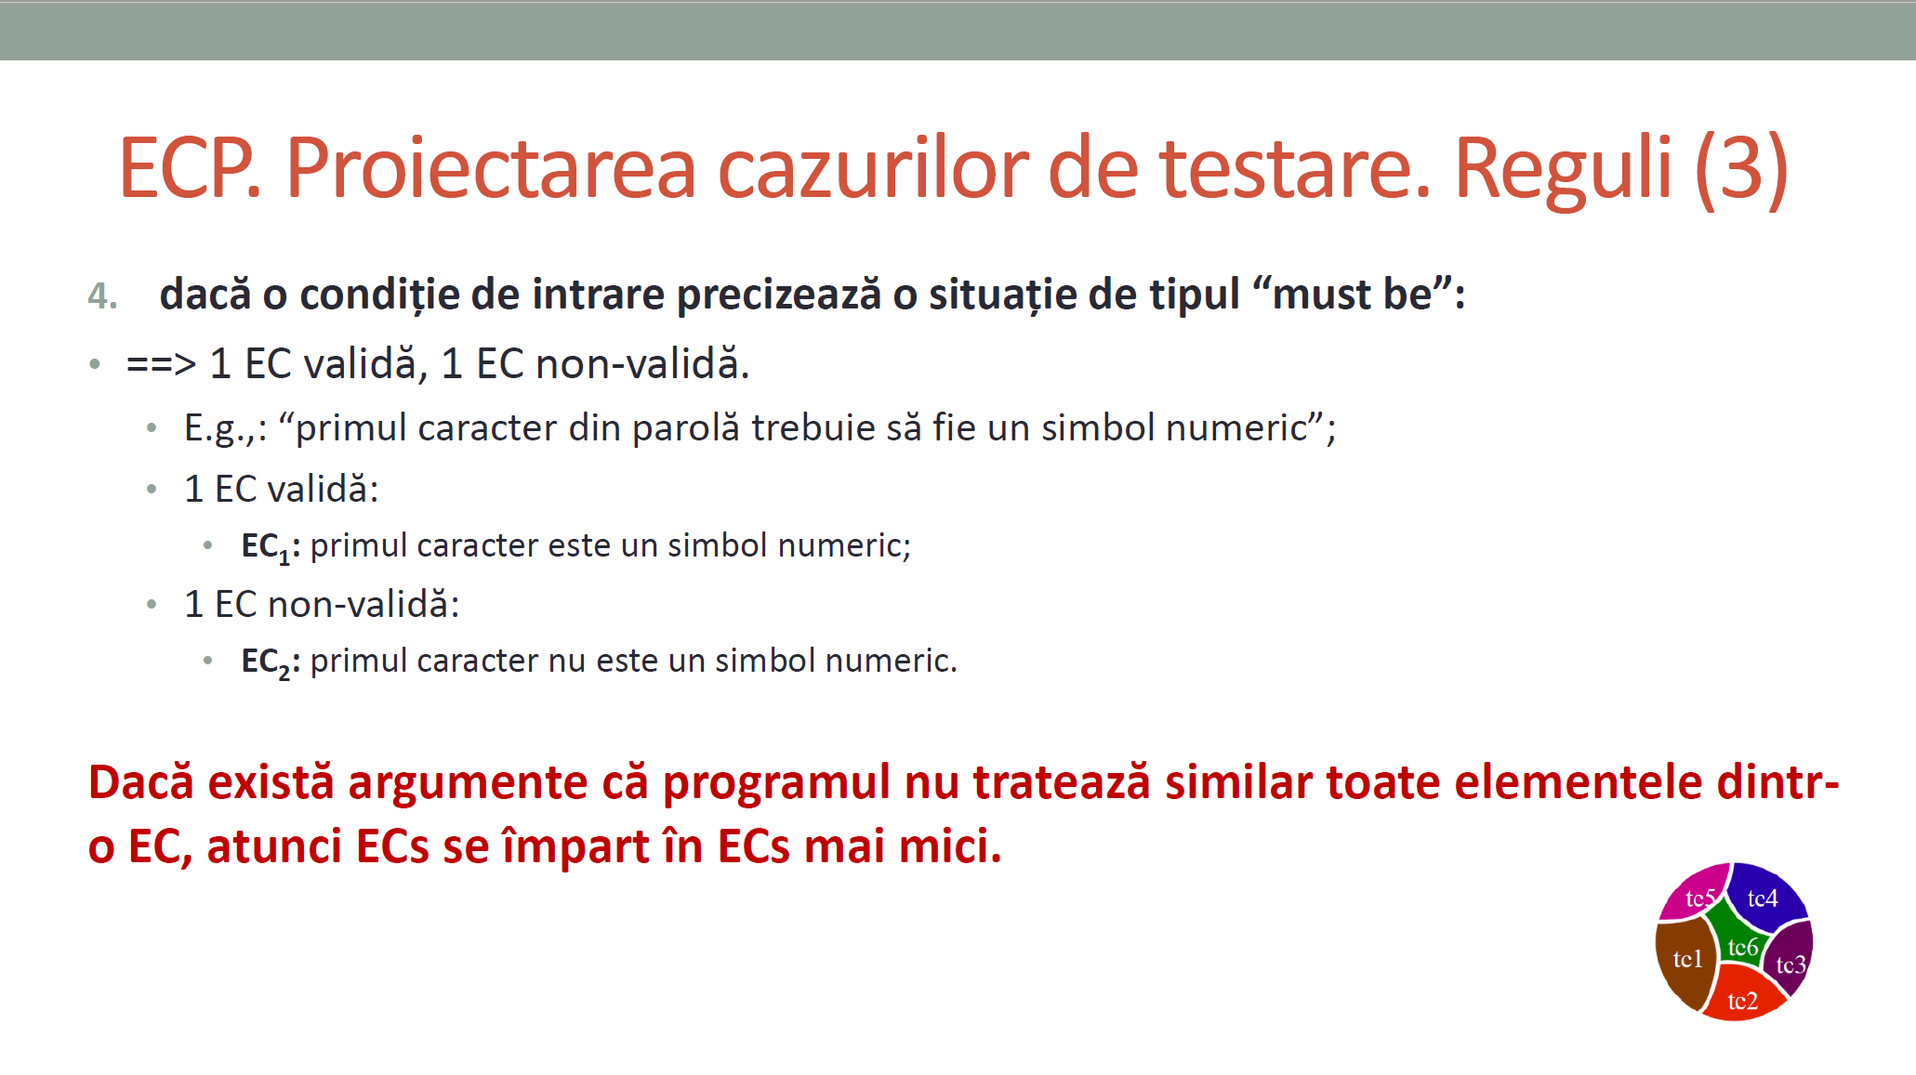
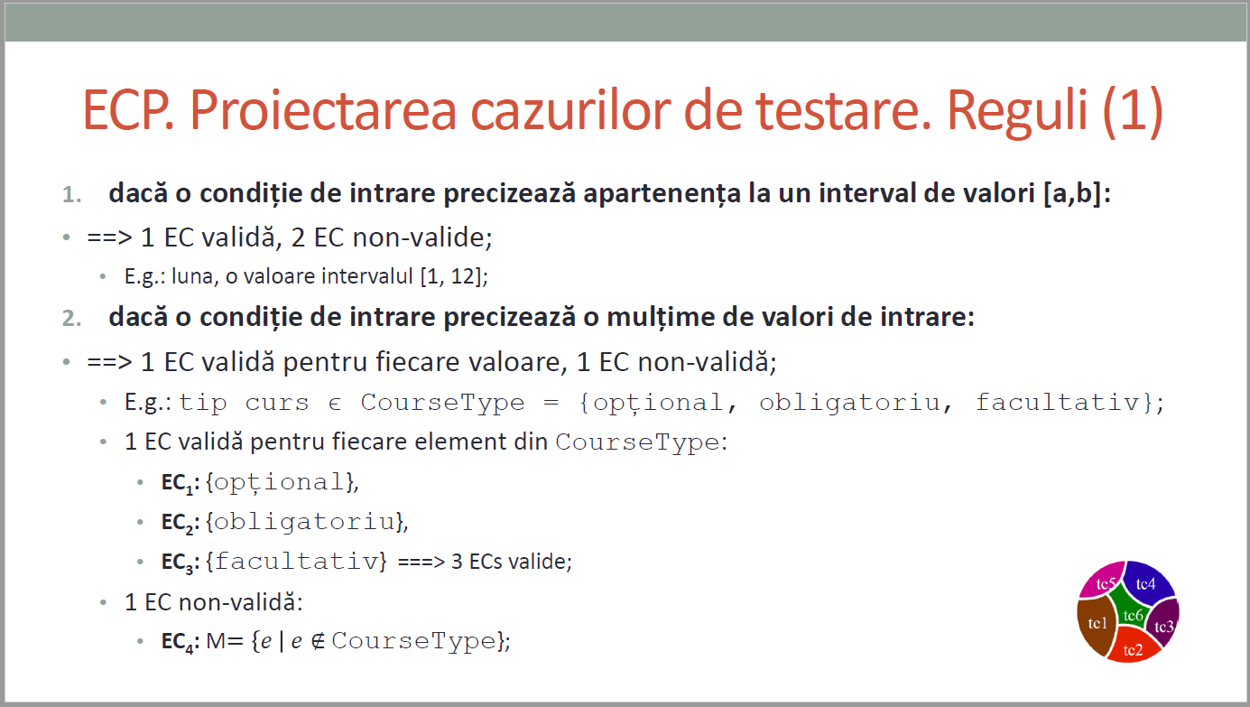
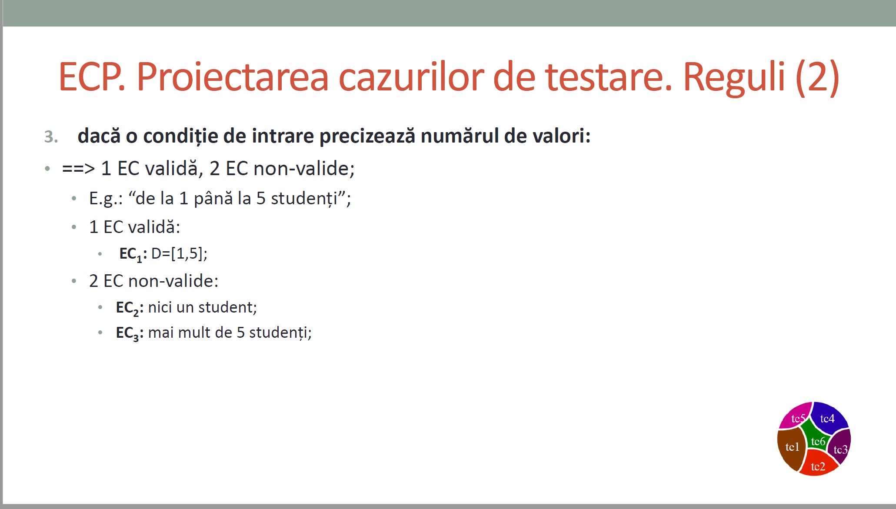
 |  |  | VVTA, PPFDP Informatica, 2022-2023
 |  |  |  | se vor identifica minimum 4 clase de echivalenta (2 valide, 2 non-valide)
 |  |  |  | se vor proiecta minimum 4 cazuri de testare (2 valide, 2 non-valide) sau se va realiza acoperire ECs de 100%.

 | Identificarea ECs valide/non-valide pentru date de intrare/ieşire |  |  |  |  | Proiectarea cazurilor de testare folosind ECP

 |  |  |  |  | No. TCxx_EC | EC | input data |  |  |  |  |  | output data
 | No. EC | Condition | Valid EC | Non-valid EC |  |  | id | firstName | lastName | cnp | function | salary | expected
 | 1 | id | > 0 |  | 1 | 1,3,6,9,13,16 | 1 | "Stefan" | "Bertici" | "1234567891234" | ASISTENT | 1 | TRUE
 | 2 |  |  | <= 0 | 2 | 1,3,6,9,13,16 | 2 | "Miclaus" | "Jackson" | "2345678912345" | CONFERENTIAR | 2 | TRUE
 | 3 | firstName | sa contina doar litere |  | 3 | 2,3,6,9,13,16 | 0 | "Stefan" | "Bertici" | "1234567891234" | ASISTENT | 500 | FALSE
 | 4 |  |  | nu contin doar litere | 4 | 1,4,6,9,13,16 | 1 | "Stefan12" | "Bertici" | "1234567891234" | ASISTENT | 1500 | FALSE
 | 5 |  |  | NULL | 5 | 1,5,6,9,13,16 | 1 | NULL | "Bertici" | "1234567891234" | ASISTENT | 3000 | FALSE
 | 6 | lastName | sa contina doar litere |  | …
 | 7 |  |  | nu contin doar litere | 17 | 1,3,6,9,13,17 | 1 | "Stefan" | "Bertici" | "1234567891234" | ASISTENT | 0 | TRUE
 | 8 |  |  | NULL
 | 9 | cnp | sa contina exact 13 cifre
 | 10 |  |  | sa nu contina exact 13 cifre
 | 11 |  |  | sa contina alte caractere decat cifre
 | 12 |  |  | NULL
 | 13 | function | sa contina doar valorile din enum
 | 14 |  |  | sa contina alte valori decat cele din enum
 | 15 |  |  | NULL
 | 16 | salary | > 0
 | 17 |  |  | <= 0
 | 18
 | 19
 | 20
 | 21
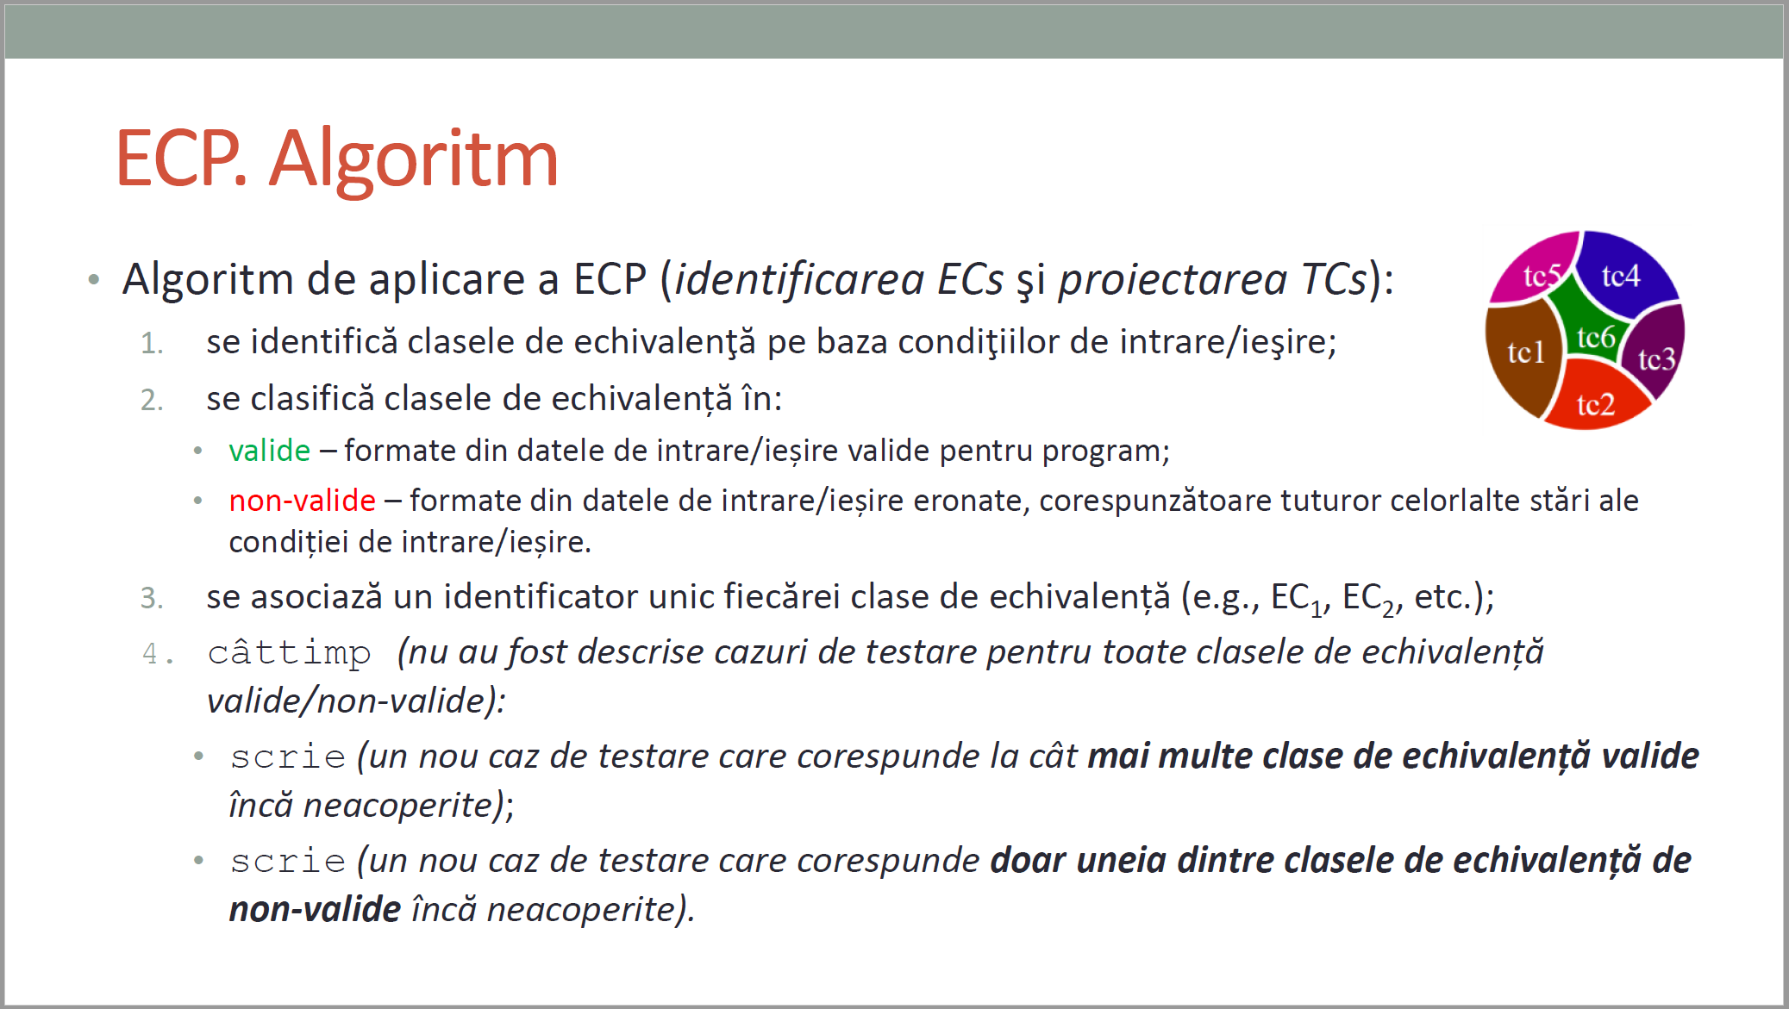
/**
* adauga un angajat in repository
* @param employee - un angajat cu atributele id,
lastName, firstName, cnp, function,salary
* @return boolean - false daca employee nu este valid
*/
public boolean addEmployee(Employee employee);
CURS 4

BVA
/**
* adauga un angajat in repository
* @param employee - un angajat cu atributele id,
lastName, firstName, cnp, function,salary
* @return boolean - false daca employee nu este valid
*/
public boolean addEmployee(Employee employee);
 |  |  |  | VVTA, PPFDP Informatica, 2022-2023
 |  | se vor identifica minimum 4 conditii BVA (2 valide, 2 non-valide)
 |  | se vor proiecta minimum 4 cazuri de testare (2 valide, 2 non-valide)

 | Identificarea condiţiilor BVA asociate ECs valide pentru date de intrare/ieşire |  |  |  | Proiectarea cazurilor de testare folosind condiţiile BVA

 |  |  |  |  | No TCxx_BVA | BVA condition | Correlated TC | Executable | input data |  |  |  |  |  | output data
 | Crt. No. | Valid EC | BVA Condition |  |  |  |  |  | id | firstName | lastName | cnp | function | salary | expected result
 | a. | id > 0 | 1 | id = 0 | 1 | 1 | TC03_EC | TRUE | 0 | "Stefan" | "Bertici" | "1234567891234" | ASISTENT | 500 | FALSE
 |  |  | 2 | id = 1 | 2 | 2 | TC01_EC | TRUE | 1 | "Stefan" | "Bertici" | "1234567891234" | ASISTENT | 1 | TRUE
 |  |  | 3 | id = 2 | 3 | 3 | TC02_EC | TRUE | 2 | "Miclaus" | "Jackson" | "2345678912345" | CONFERENTIAR | 2 | TRUE
 | b. | lungime cnp = 13 | 4 | cnp.length() = 12 | ...
 |  |  | 5 | cnp.length() = 13 | 7 | 7 | TC17_EC | TRUE | 1 | "Stefan" | "Bertici" | "1234567891234" | ASISTENT | 0 | FALSE
 |  |  | 6 | cnp.length() = 14 | 8 | 8 | TC01_EC | TRUE | 1 | "Stefan" | "Bertici" | "1234567891234" | ASISTENT | 1 | TRUE
 | c. | salary | 7 | salary = 0 | 9 | 9 | TC02_EC | TRUE | 2 | "Miclaus" | "Jackson" | "2345678912345" | CONFERENTIAR | 2 | TRUE
 |  |  | 8 | salary = 1
 |  |  | 9 | salary = 2
 | d. |  | 10
 |  |  | 11
 |  |  | 12
 |  |  | 13
 |  |  | 14
 |  |  | 15
 | e. |  | 16
 |  |  | 17
 |  |  | 18
 |  |  | 19
 |  |  | 20
 |  |  | 21
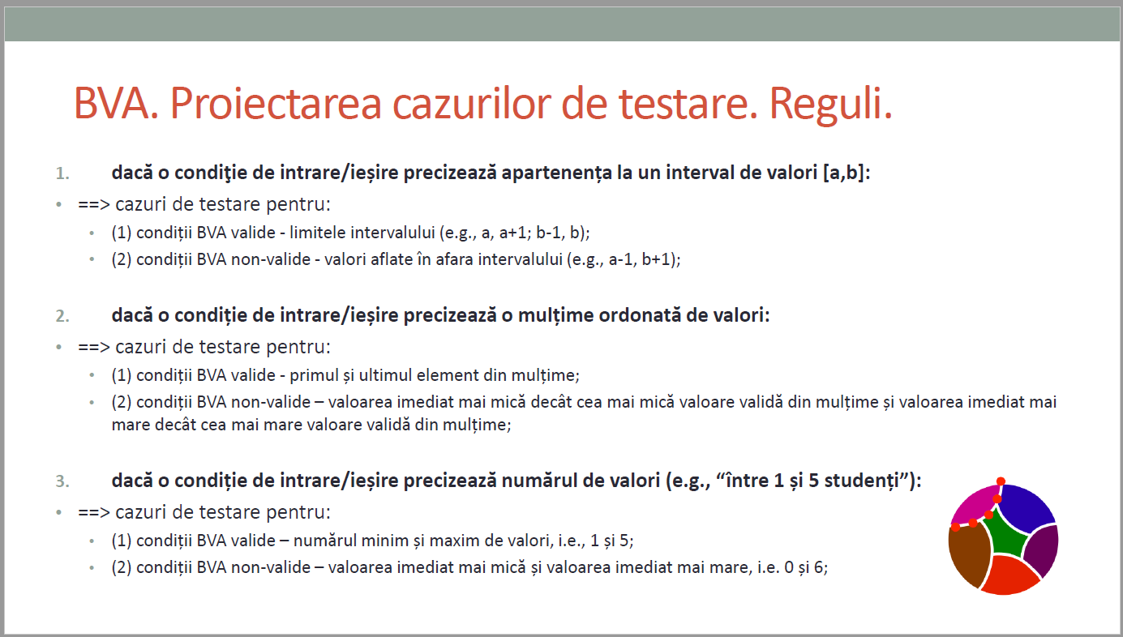
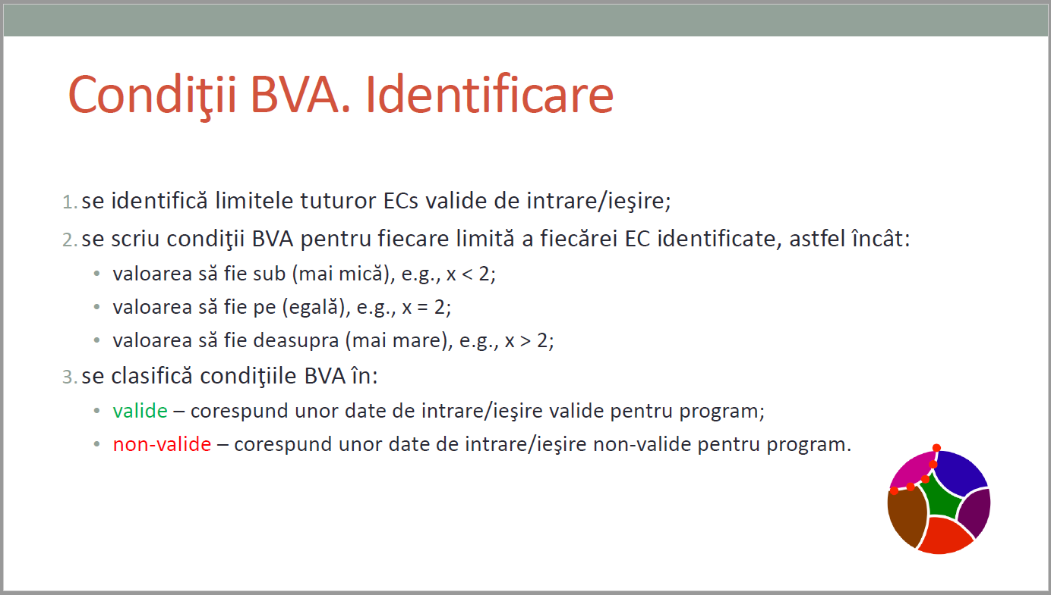
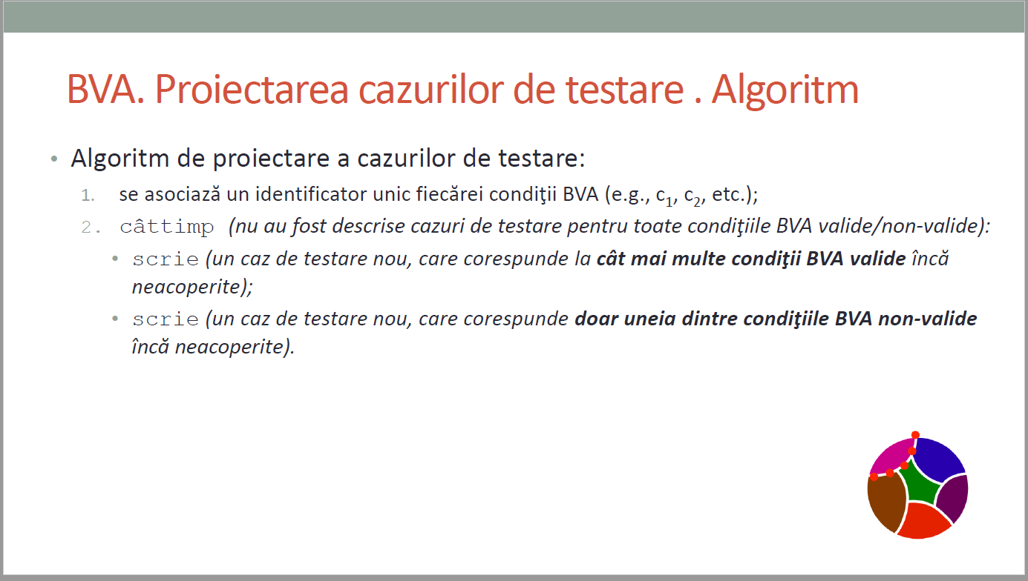
CURS 4

