CFG-Paths
 | VVTA, PPFDP Informatica, 2022-2023

Covered source code |  | Control Flow Graph (CFG) | Cyclomatic Complexity (CC)

Line No. | Source code | please insert the CFG for tested method | CC1 = No. of regions = |  | 4
1 | if (employee!=null) { | It may be a screen capture, image, picture taken by phone, etc. | CC2 = Edges - Nodes + 2 = |  | 9-7+2=4
2 | int i = 0; | 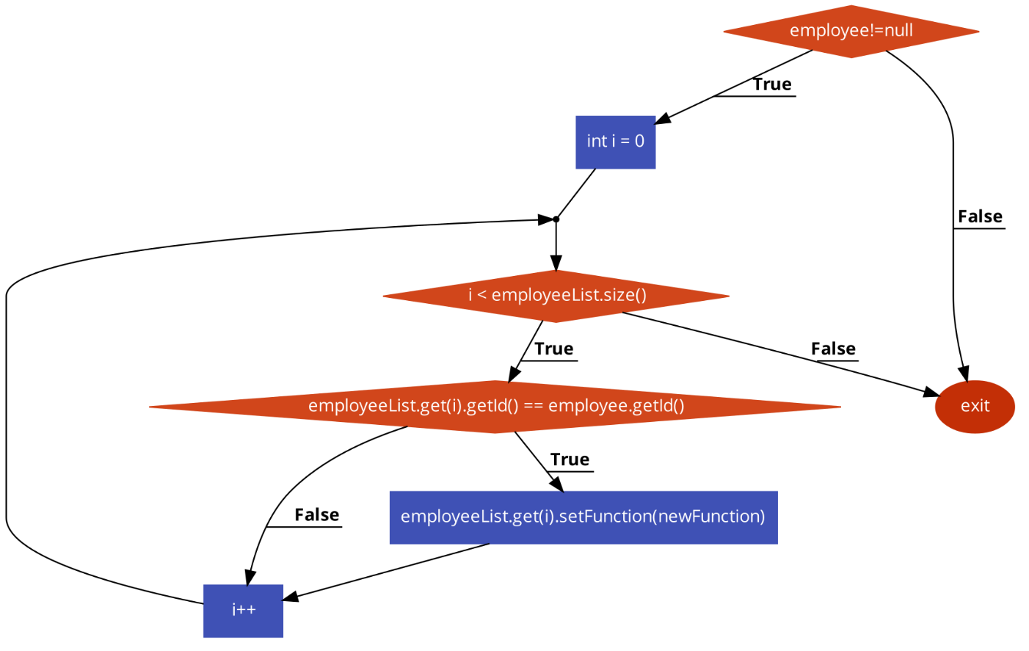 | CC3 = No. of Conditions + 1 = |  | 3+1=4
3 | while (i < employeeList.size()) {
4 | if (employeeList.get(i).getId() == employee.getId())
1
5 | employeeList.get(i).setFunction(newFunction); |  | Individual Paths
6 | i++;}}
7 |  |  | Path No. | Path
8 |  |  | P01 | 1F-exit
2
9 |  |  | P02 | 1T-2-3F-exit
10 |  |  | P03 | 1T-2-3T-4F-6-3F-exit
11 |  |  | P04 | 1T-2-3T-4T-5-6-3F-exit
3
12
13
14
15
4
16
17 |  |  | OBS | P02 e inclus in P03 si P04
18
19
20
21
22
23

