1. Title Page
Instacart Basket Analysis

Project Name: Instacart Basket Analysis
Date: March 27th 2025
Analyst Name: Stefano Noventa

Contents:
Population Flow
Consistency checks
Wrangling steps
Column derivations
Visualizations
Recommendations

“The Instacart Online Grocery Shopping Dataset 2017”, Accessed from www.instacart.com/datasets/grocery-shopping-2017 via Kaggle.
Any Personal Identifiable Informationn (PII) was fabricated for the purpose of this portfolio's project.

2. Population Flow
Population flow

Exclusion flag
Condition: total order per user < 5
Orders_products_combined
Orders_products_merged
Orders_products_customers_merged

Total: 32,404,859
Total: 32,404,859
Total: 30,959,687

1.) The grey boxes in the first row of the population flow represent the original data sets as they were when you downloaded them. In the Total fields you need to add the count of the rows when you imported the data set into Jupyter.
2.) The second row of boxes (coloured) represents the data sets after you manipulated them, e.g., removed missing values and duplicates. In the Total fields you need to add the count of the rows after conducting these operations. This offers a visual oveview of how the data flows throughout the data consistency checks.
3.) The third row, where also the arrows are coloured, represents the merges you performed between the datasets. In the Total fields you need to add the count of the rows in the merged datasets, so that you end up with the final dataset (in the red box). Keep in mind the final dataset should be without exclusions (based on the exclusion flag).

3. Consistency checks
 |  |  |  | Title page
Consistency checks

Dataset | Missing values | Missing values treatment | Duplicates
orders | 206,209 | Input -1 after investigating that a missing value meant no prior orders were placed | No duplicates
products | 16 | rows were removed | 5 duplicated rows removed
orders_products_prior
customers
ords_prods_custs (dataframe called ic_df) | 5127 Outliers in the prices column | rows were removed since we did not have access to further information to apply a different treatment to the outliers

4. Wrangling steps
 |  |  |  | Title page
Wrangling steps

Columns dropped | Columns renamed | Columns' type changed | Comment/Reason
eval_set |  |  | removed column as not relevant to analysis
 | order_dow |  | renamed to "orders_day_of_week"
 |  | order_id | changed type to string
 |  | user_id | changed type to string
 | days_since_prior_order |  | renamed to "days_since_last_order"
fam_status |  |  | removed as not relevant to analysis
 |  | customers user_id | mixed types, converted all to string
 | First Name |  | renamed to "first_name"
 | Surnam |  | renamed to "last_name"
 | Gender |  | renamed to "gender"
 | STATE |  | renamed to "state"
 | Age |  | renamed to "age"
 | date_joined |  | renamed to "joining_date"
 | n_dependants |  | renamed to "num_of_dependants"

5. Column derivations
 |  |  |  | Title page

Column derivations and aggregations

In this tab you should add tables below that the frequences of flags/label variables that you produced after deriving them. NB: don't do this for continuous variables, only for flags.
Dataset | New column | Column/s it was derived from | Conditions
ords_prods_merge | busiest_days | orders_day_of_week | Saturday (value 0): "busiest days" 'Sunday (value 1): "busiest days" Tuesday (value 3): "slowest_days" Wednesday (value 4): "slowest_days" All other values: "regular_days"
ords_prods_merge | price_label | prices | <=5: "Low-Range" <=15: "Mid-Range" >15: "High-Range"
ords_prods_merge | busiest_period_of_day | order_hour_of_day | >= 250_000 : 'most_orders' >= 100_000 & < 250_000 : 'average_orders' < 100_000 : 'fewest_orders'
ords_prods_merge | max_order | number_of_order | max order from group by 'user_id'
ords_prods_merge | loyalty_flag | max_order | <=10: "new customer" >10 & <=40: "regular customer" >40: "loyal customer"
ords_prods_merge | spending_flag | prices | mean price by user < 10: low_spender mean price by user >=10: high_spender
ords_prods_merge | order_frequency_flag | days_since_last_order | median days since last order >20: non-frequent customer median days since last order <=20: regular customer median days since last order <=10: frequent customer
merge_active_custs | Per-Capita_Income | income, num_of_dependants
merge_active_custs | socio_economic_class | Per-Capita_Income | Per-Capita_Income<=25,000 : lower_class 25,000<Per-Capita_Income<=45,000 : middle_class Per-Capita_Income >45,000 : upper_class

6. Viz & Recommendations
Visualizations

In this tab you should include all the visualtions from Exercises 4.9 and 4.10, alongside the questions from the project brief that they answer. Include any commentary on the relationship between different variables.

KEY QUESTIONS AND RECOMMENDATIONS
1) The sales team needs to know what the busiest days of the week and hours of the day are (i.e., the days and times with the most orders) in order to schedule ads at times when there are fewer orders.

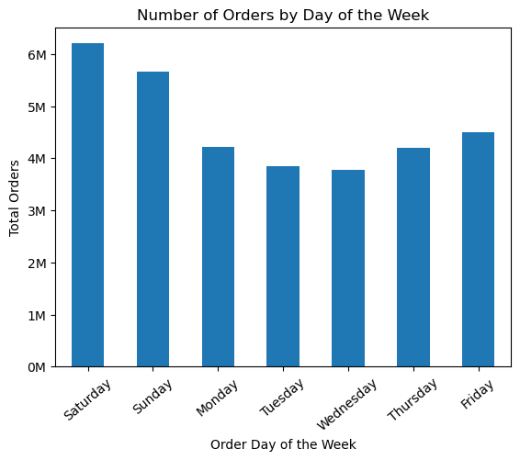
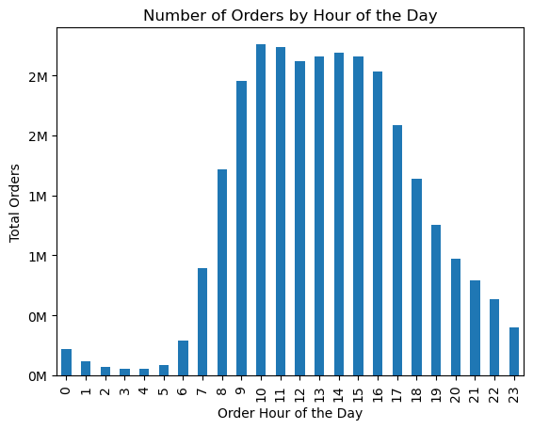

Tbusiest day of the week for orders is Saturday, with the highest number of total orders exceeding 6 million. Sunday also sees a significant number of orders, making weekends the peak time for customer activity.
Our data shows that the busiest hours for placing orders are between 10 AM and 3 PM, with the peak hour between around 10AM-11 AM. There is a noticeable increase in order activity starting from 8 AM, which remains high until it begins to decline after 3 PM. These insights suggest that most orders are placed during mid-morning to early afternoon, indicating a preference for shopping during this time frame.
Suggestion for the marketing department would be to focus promotional campaigns and special offers during the busiest times to maximize engagement and sales. Specifically, consider launching targeted promotions on Saturdays and Sundays to capitalize on the high order volumes during these days. Additionally, scheduling flash sales or special discounts during the peak hours of 10 AM to 3 PM can attract more customers and boost sales. Leveraging these peak times for marketing efforts can help in driving higher customer participation and maximizing revenue.

2) Are there any particular times of the day when people spend the most money, as this might inform the type of products they advertise at these times.

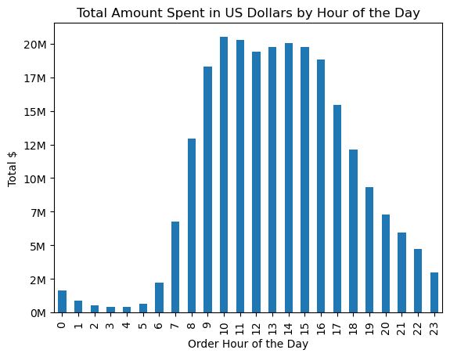

The highest amount of money is spent between 10 AM and 3 PM, with the peak spending hour being around 11 AM, where the total spending exceeds $20 million. This time window shows a consistent high level of spending, indicating that mid-morning to early afternoon is the most lucrative period for customer purchases.
Suggestions includes scheduling promotions and special offers during the peak spending hours of 10 AM to 3 PM to take advantage of the high customer activity. Also consider launching flash sales or limited-time discounts starting around 10 AM to drive even more traffic and spending during these peak hours.
Send promotional emails and notifications in the early morning to remind customers about deals and encourage them to shop during the peak hours.
Increase social media engagement and advertisements during these peak hours to capture the attention of customers who are most likely to make purchases.

3) Instacart has a lot of products with different price tags. Marketing and sales want to use simpler price range groupings to help direct their efforts.

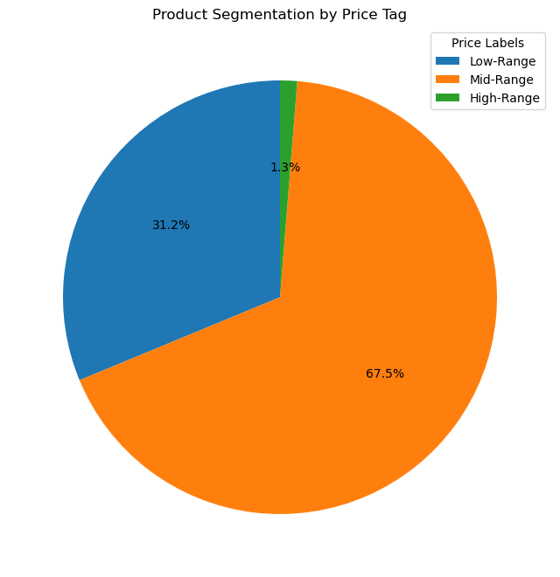

Low-Range Products: Represent 31.2% of the total products. This segment comprises a significant portion of the product offerings, indicating a substantial market for budget-friendly items.
Mid-Range Products: Account for 67.5% of the total products. This is the largest segment, suggesting that the majority of the products are priced within the middle tier, catering to customers looking for a balance between cost and quality.
High-Range Products: Make up only 1.3% of the total products. This small segment indicates a limited offering of premium-priced items.
The dominance of Mid-Range products suggests a strong market preference for products that offer moderate pricing and good value. Marketing efforts should continue to focus on highlighting the value and quality of these Mid-Range products.
The substantial presence of Low-Range products indicates a significant customer base for budget-friendly items. Promotional strategies such as discounts and bundle offers can be employed to further attract price-sensitive customers.
The limited number of High-Range products suggests a niche market for premium items. Consider targeted marketing campaigns to attract high-income customers who are willing to spend more on premium products. Additionally, evaluate the potential to expand this segment if there is a market demand for more high-end products.

4) Are there certain types of products that are more popular than others? The marketing and sales teams want to know which departments have the highest frequency of product orders.

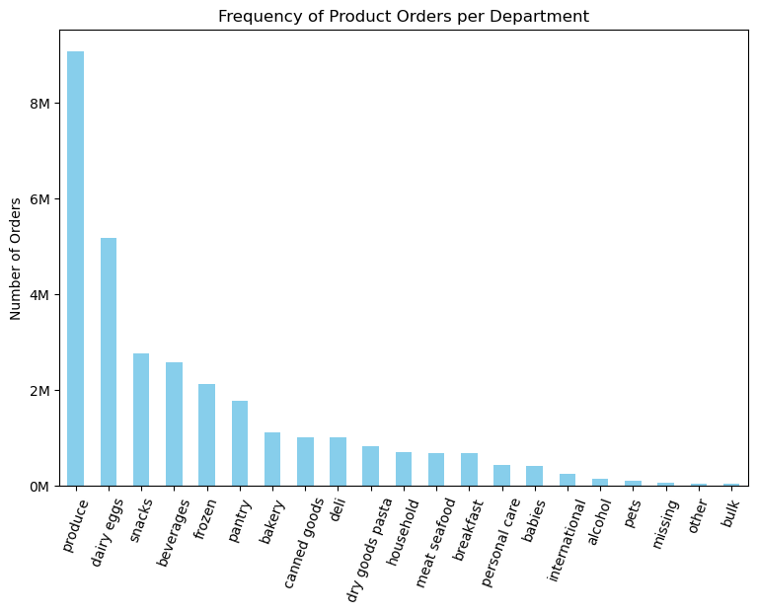

The high frequency of orders in the Produce and Dairy Eggs departments suggests that these are essential categories for most customers. Marketing efforts can focus on promoting these products with weekly deals or bundles to attract more frequent purchases.
Snacks, Beverages, and Frozen departments also show strong demand. Consider cross-promotions between these categories to boost sales.
Departments with moderate order frequencies, such as Pantry and Bakery, can benefit from targeted promotions highlighting new or popular items to encourage more frequent purchases.
For categories with fewer orders, such as International and Alcohol, consider specialized marketing campaigns to raise awareness and attract specific customer segments interested in these products.

5) The marketing and sales teams are particularly interested in the different types of customers in their system and how their ordering behaviors differ.

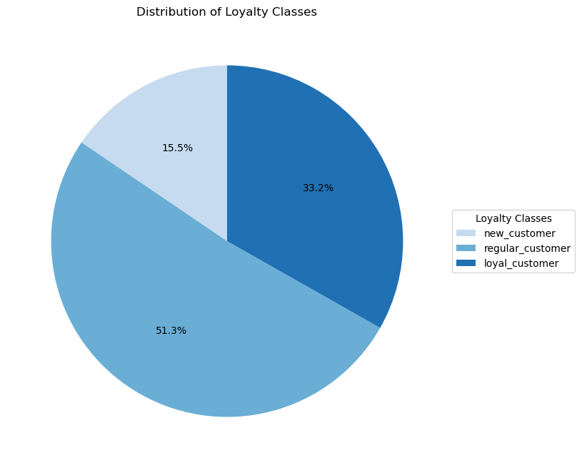

New Customers
Developing onboarding programs to familiarize new customers with the brand and its offerings. This could include welcome emails, special discounts, and introductory offers.
Also, offer incentives for repeat purchases to encourage new customers to transition to regular customers. This could include loyalty points, discounts on the next purchase, or bundled offers.
Regular Customers
Strengthen loyalty programs to further engage regular customers. Provide exclusive benefits, personalized offers, and rewards for continued patronage.
Also, collect feedback from regular customers to understand their needs and preferences. Use this information to improve products and services.
Loyal Customers:
Reward loyal customers with exclusive offers, early access to new products, and special events. This can enhance their loyalty and encourage them to continue shopping with the brand.
Leverage loyal customers to attract new customers through referral programs. Offer incentives for referring friends and family to the brand.

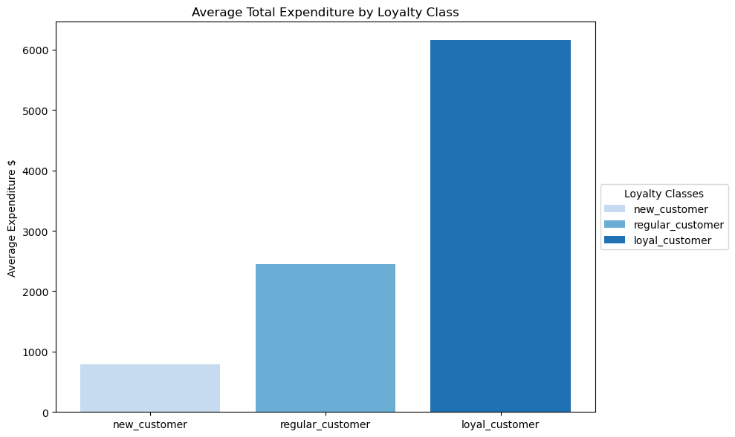

On average, new customers spend the least, with an average total expenditure of just under $1,000. This indicates that new customers are still exploring the product offerings and have not yet committed to larger purchases.
Regular customers have a significantly higher average expenditure of around $2,500. This suggests that regular customers are more familiar with the products and are making consistent purchases.
Loyal customers have the highest average total expenditure, exceeding $6,000. This group is highly engaged and makes frequent, substantial purchases, reflecting their strong commitment to the brand.
New Customers
To increase spending among new customers, consider offering introductory discounts, bundled deals, and targeted promotions. Personalized recommendations based on initial purchases can also encourage additional spending.
Launch engagement campaigns that highlight the value and quality of products, potentially increasing the confidence of new customers to make larger purchases.
Regular Customers
Strengthening loyalty rewards for regular customers to incentivize higher spending. This could includes loyalty programs where increased spending leads to higher rewards.
Utilize cross-selling and up-selling strategies to encourage regular customers to explore and purchase complementary or higher-end products.
For Loyal Customers
Reward loyal customers with exclusive benefits such as early access to sales, special discounts, and personalized services. This can further enhance their loyalty and spending.
It might useful, if it was not done already, to develop customer journey maps to identify key touchpoints and opportunities to enhance the shopping experience and increase spending across all loyalty classes.

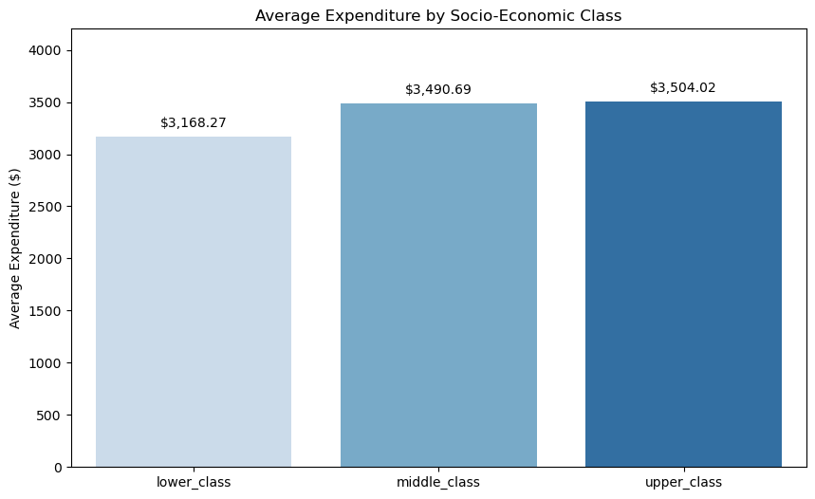

The average expenditure is relatively close across the three socio-economic classes.
There is a slight increase from lower to middle to upper class, but the differences are not very pronounced.
However, if we look at the previous chart, there is a significant difference in average expenditure between new, regular, and loyal customers.
Loyal customers spend significantly more than new and regular customers.
This insight can lead us to the following recommendations:
Focus on Building Loyalty
Since loyalty status has a much larger impact on expenditure than socio-economic class, prioritize strategies that convert new and regular customers into loyal customers. Implement strong loyalty programs with compelling rewards to encourage repeat purchases.
Personalized Customer Experience
Invest in personalized marketing strategies that target customers based on their loyalty status. For instance, offer exclusive discounts and early access to sales for loyal customers to maintain their high engagement levels.
Customer Retention Campaigns
Focus on retention campaigns that aim to reduce churn rates among regular customers. Use data analytics and potentially machine learning to identify at-risk customers and offer them tailored promotions to encourage them to stay engaged and increase their spending.
Customer Engagement
Increase engagement with new customers by providing exceptional customer service, follow-up communications after purchases, and educational content about products and services. This can help build a strong relationship and encourage higher spending over time.

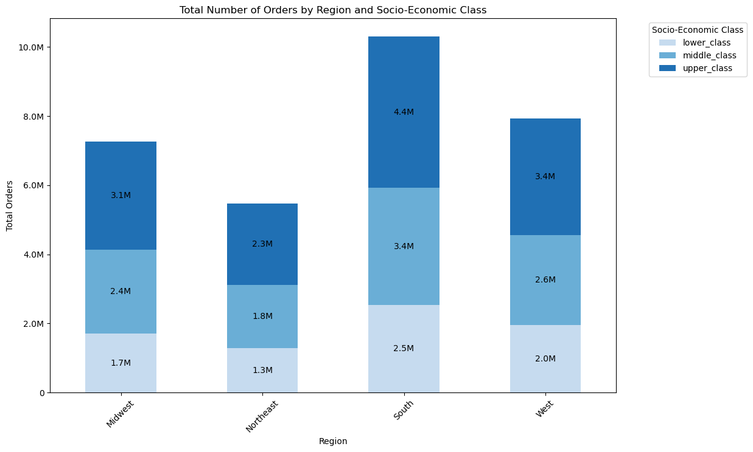

The South region has the highest total number of orders (10.3M), indicating a strong market presence across all socio-economic classes, with the upper class leading in total orders.The West and Midwest regions also show significant order volumes, with totals of 8.0M and 7.2M respectively. The upper class contributes most to these numbers.The Northeast region, while having the lowest total orders (5.4M), still shows substantial engagement across all classes.
Across all regions, the upper class consistently places the highest number of orders, followed by the middle class and then the lower class.This indicates that customers from higher socio-economic classes are more engaged and likely spend more frequently.
Based on this insight, focus marketing efforts on the South region, which has the highest order volume across all socio-economic classes. Enhance targeted promotions in the Midwest and West regions, emphasizing premium offerings for upper-class customers and value-driven deals for the middle class. In the Northeast, boost engagement by offering discounts and budget-friendly options to lower and middle-class customers.
By tailoring marketing strategies to the distinct preferences and behaviors of each socio-economic class we can try to maximize customer engagement and drive sales growth across all regions.

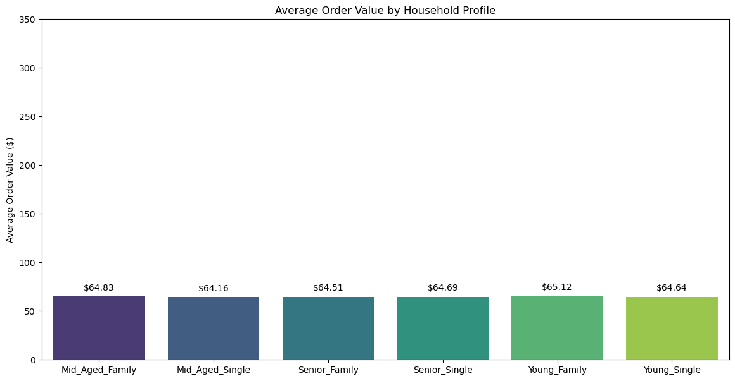

This insight indicates a consistent expenditure pattern regardless of household type.
However, It is possible that some households buy less frequently but spend more per order, leading to a higher average expenditure. This can occur if they purchase higher-priced items or bulk quantities.
To further analyze this, we should look at both the frequency of orders and the average order value together for each household profile.

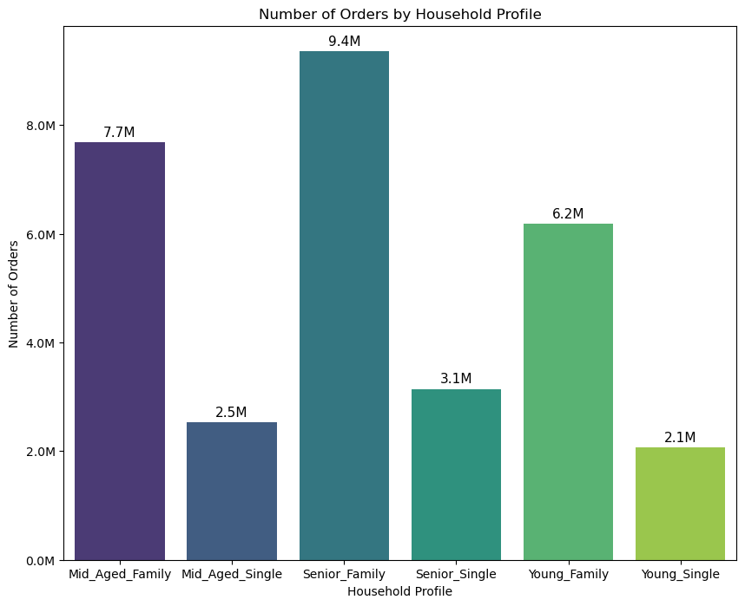

Family-oriented households, particularly Senior and Mid-Aged families, dominate in terms of total orders, highlighting their strong engagement and frequent purchasing behavior. Conversely, single households, especially young singles, show lower engagement, indicating potential areas for targeted marketing to boost their activity. This distribution emphasizes the importance of family-centric marketing strategies to maximize customer engagement and sales.
However, the average order value being similar across all household profiles indicates that customers tend to spend a comparable amount per transaction, regardless of their household type. The variation in the total number of orders suggests that different household profiles shop with different frequencies. For instance, households with a higher total number of orders are likely to be shopping more frequently compared to those with fewer orders.
We could segment them like so:
High Engagement
"Senior Family" and "Mid-Aged Family," have higher total order numbers, are more engaged and make purchases more frequently
Moderate Engagement
"Young Family" and "Senior Single" show moderate engagement with a decent number of total orders
Low Engagement
"Mid-Aged Single" and "Young Single," with lower total order numbers, are less engaged and shop less frequently.
Suggestions:
Senior Family and Mid-Aged Family: Maintain engagement with family-centric promotions and loyalty programs
Young Family and Senior Single: Increase shopping frequency with regular promotions and incentives
Mid-Aged Single and Young Single: Attract these customers with convenience-focused and personalized deals
Moreover, developing a reward program can help moderate and low-engagement profiles to become high engagement thank to rewards and more personalized strategies that may come from the collection of more accurate purchase habits.

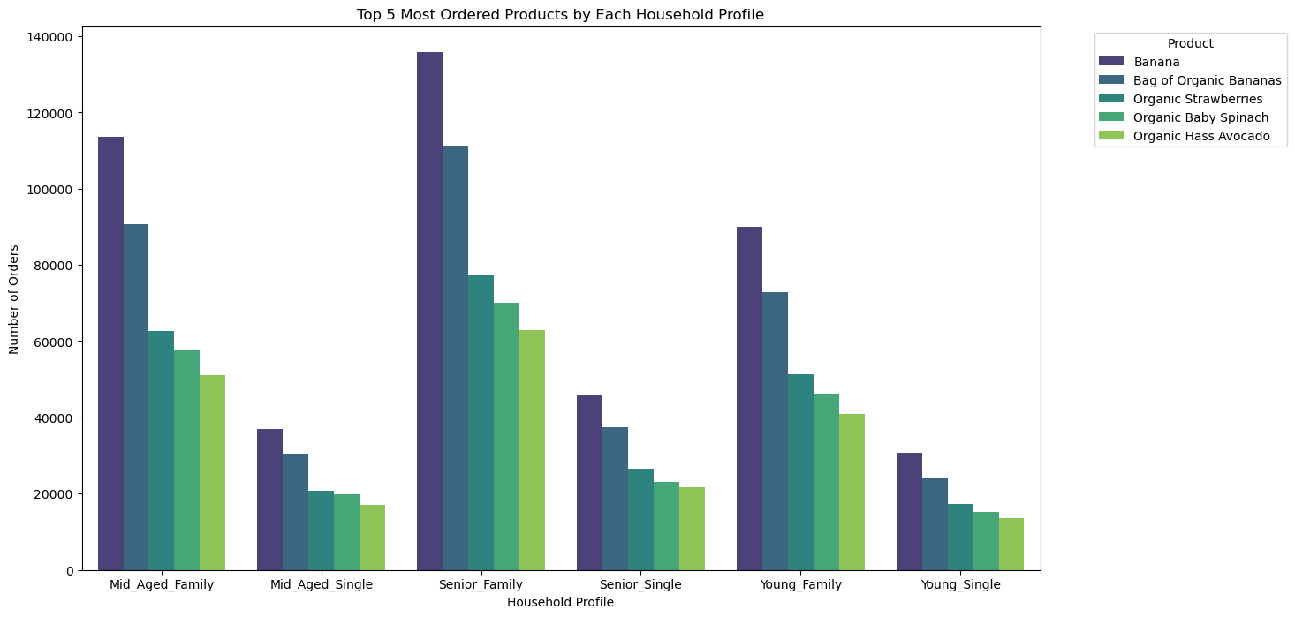

In this analysis, it emerges that the top-5 most ordered products are the same across all different household profile. The major ifference is given by the amount of ordered placed for such items by each household profile.
Mid_Aged_Family: Bananas and Organic Bananas are the most ordered products, followed by Organic Strawberries, Organic Baby Spinach, and Organic Hass Avocado.
Mid_Aged_Single: The same top products are ordered, but in lower quantities compared to families.
Senior_Family: Has the highest number of orders overall, with Bananas leading, followed by similar organic products.
Senior_Single: Orders fewer products overall, but the distribution among the top products is consistent with other profiles.
Young_Family: Shows a high preference for Bananas and Organic Bananas.
Young_Single: Orders fewer products, with a similar product preference pattern.
We can interpret this insight as:
Bananas and Organic Bananas: Consistently top products across all household profiles, indicating a broad preference.
Organic Products: Organic Strawberries, Organic Baby Spinach, and Organic Hass Avocado are popular among all profiles, showing a trend towards healthy eating.
Recommendations:
Targeted Promotions: Focus promotions on these top products, as they are universally popular across different household profiles.
Stocking Priorities: Ensure these products are well-stocked to meet the high demand, especially Bananas and Organic Bananas.
Healthy Eating Campaigns: Leverage the popularity of organic products to promote healthy eating campaigns.

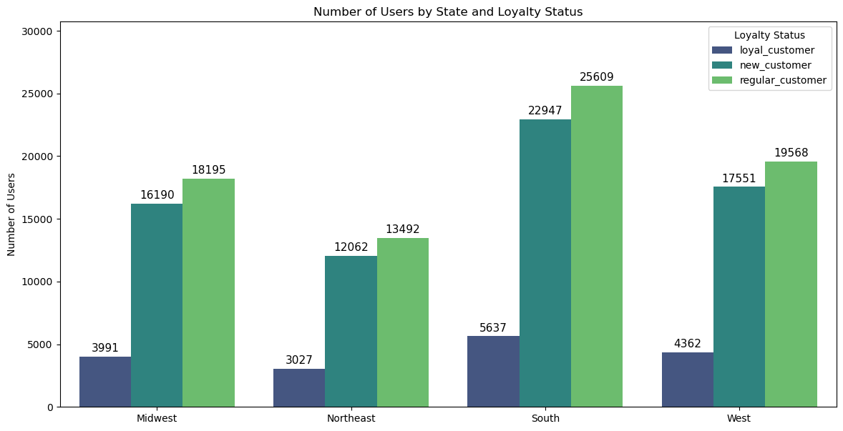

Regional Distribution of Users By Loyalty Status
South: The highest number of users, especially among regular customers.
Midwest: Significant number of regular and new customers, but relatively fewer loyal customers.
Northeast: Lowest number of users in all loyalty statuses.
West: Moderate number of users, with a balance among loyal, new, and regular customers.
Focus on Building Loyalty
South: With the highest number of regular customers, there is a significant opportunity to convert them into loyal customers. Implement strong loyalty programs with compelling rewards tailored to this region.
Midwest: Increase efforts to convert new and regular customers into loyal customers through targeted loyalty campaigns and personalized engagement strategies.
Retention Strategies
West and South: Develop specific retention programs to maintain the loyalty of existing loyal customers. Offer exclusive benefits, early access to new products, and personalized offers to keep them engaged.
Acquisition Campaigns
Northeast: Focus on acquiring new customers through aggressive marketing campaigns, discounts, and promotions. Highlight the benefits of your loyalty program to encourage long-term engagement.
Targeted Promotions
Regular Customers: Since they form the largest group overall, create promotions that encourage higher spending and frequent purchases. Offer incentives such as discounts on bulk purchases, free shipping, or bonus points for frequent shopping.
Regional Campaigns
Develop region-specific campaigns that cater to the unique demographics and loyalty statuses of each area. For example, high-end product promotions in the West and introductory offers in the Northeast.

