no 5
Descriptive Analysis

Data Numeric
No | Nama Kolom | Minimum | Q1 | Q2 | Q3 | Maksimum | Rata-rata | Standar Deviasi
1 | no_of_adults | 0.00 | 2.00 | 2.00 | 2.00 | 4.00 | 1.84 | 0.52
2 | no_of_children | 0.00 | 0.00 | 0.00 | 0.00 | 10.00 | 0.11 | 0.40
3 | no_of_weekend_nights | 0.00 | 0.00 | 1.00 | 2.00 | 7.00 | 0.81 | 0.87
4 | no_of_week_nights | 0.00 | 1.00 | 2.00 | 3.00 | 17.00 | 2.20 | 1.41
5 | lead_time | 0.00 | 17.00 | 57.00 | 126.00 | 443.00 | 85.23 | 85.93
6 | arrival_month | 1.00 | 5.00 | 8.00 | 10.00 | 12.00 | 7.42 | 3.07
7 | avg_price_per_room | 0.00 | 80.30 | 99.45 | 120.00 | 540.00 | 103.42 | 35.09

Data Categorical
No | Nama Kolom | Visualisasi |  |  |  |  |  |  | Deskripsi
1 | type_of_meal_plan | 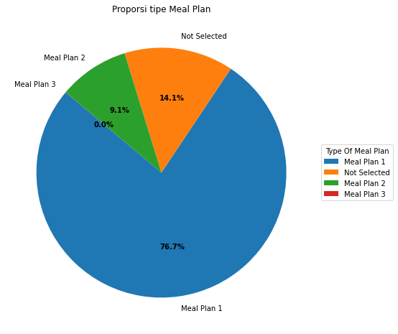 |  |  |  |  |  |  | Tipe Meal Plan yang paling banyak dipilih yaitu Tipe Meal Plan 1, sedangkan Tipe Meal Plan 3 hanya sedikit sekali yang memilih (5 dari 36275).

2 | required_car_parking_space | 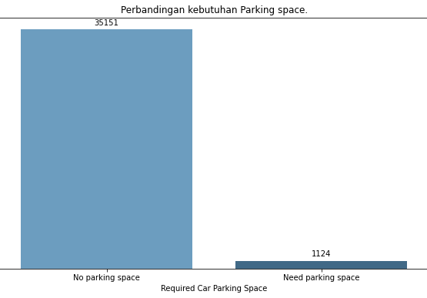 |  |  |  |  |  |  | Mayoritas dari penginap tidak membutuhkan tempat parkir. Hanya sebanyak 1124 penginap yang membutuhkan tempat parkir, sedangkan 35151 lainnya tidak membutuhkan.

3 | room_type_reserved | 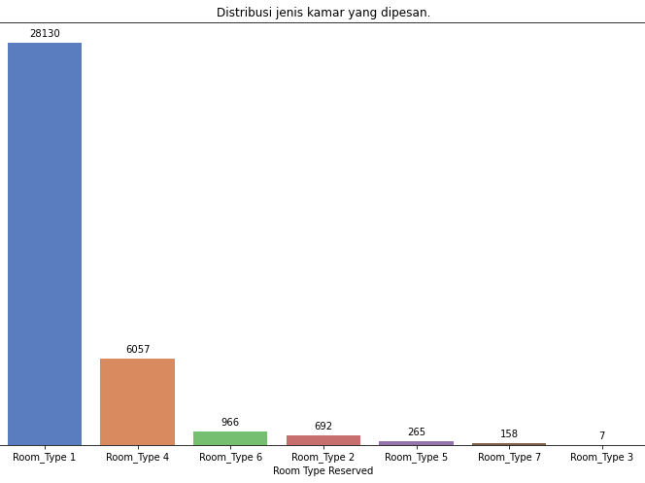 |  |  |  |  |  |  | Tipe kamar yang paling sering sering dipesan yaitu tipe kamar 1, yakni sebanyak lebih dari 25000.

4 | market_segment_type | 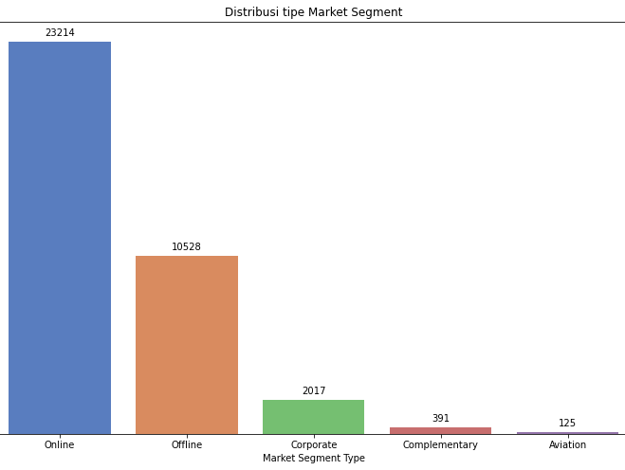 |  |  |  |  |  |  | Dari hasil distribusi tersebut, dapat dilihat Top 3 dari Market Segement Type yaitu mellaui online, offline dan terakhir corporate.

5 | booking_status | 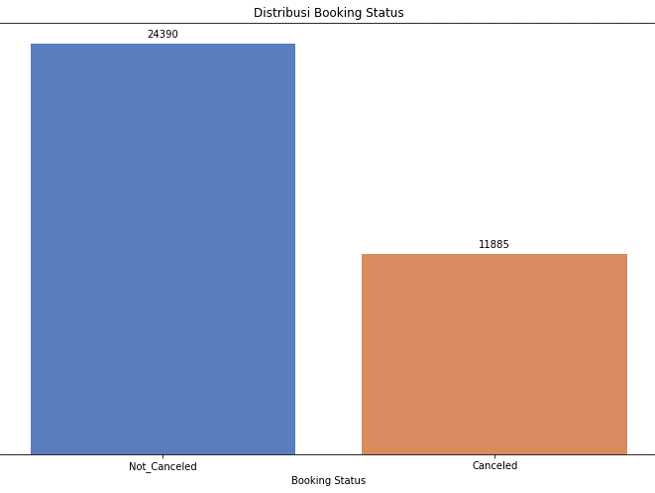 |  |  |  |  |  |  | Sebagian besar penginap tidak membatalkan booking penginapan.

no 6
Pola Data

Visualisasi | Deskripsi
Melihat Rata-Rata Penginap di Weekdays & Weekend pada Setiap Bulan | Rata-rata lebih banyak penginap pada Weekend
 | Pada weekend bulan yang paling banyak penginap yaitu pada bulan July
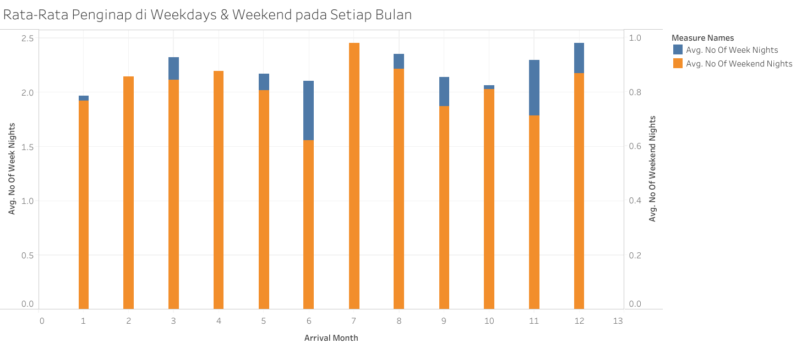
 | Pada weekdays bulan yang paling banyak penginap yaitu pada bulan Desember

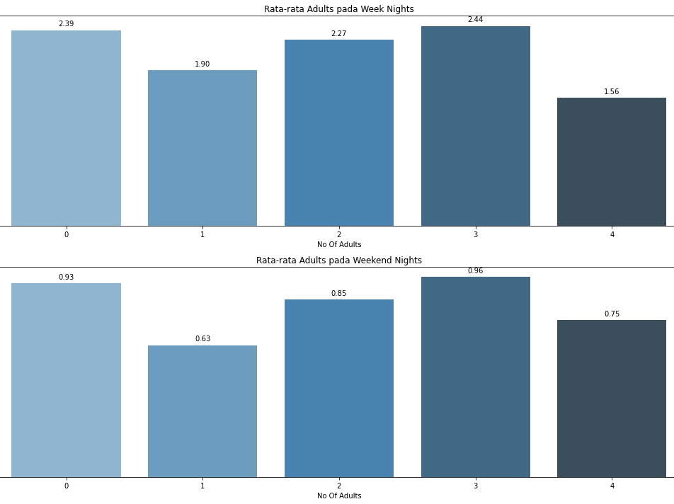
Melihat Perbandingan Rata-Rata Penginap Orang Dewasa dengan Anak(-Anak) pada Weekdays dan Weekend | Rata-Rata Penginap Orang Dewasa dengan Anak(-Anak) memiliki pola yang cenderung sama pada Weekdays maupun Weekend
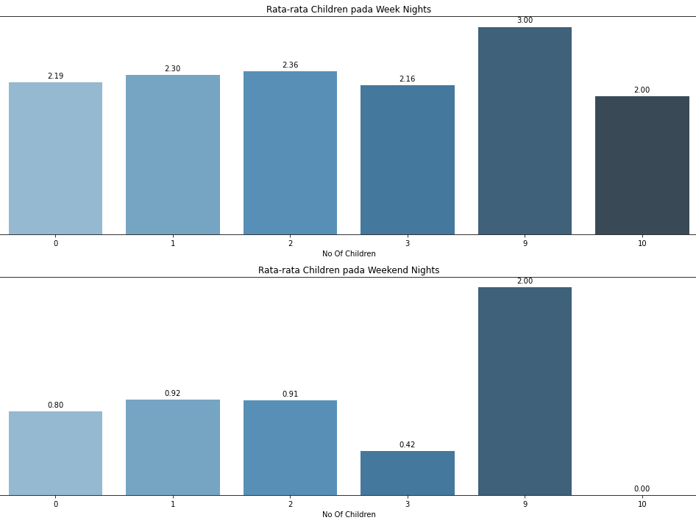

Melihat Perbandingan Rata-Rata Type of Meal yang dipilih pada Weekdays & Weekend | Perbandingan Rata-Rata Type of Meal yang dipilih memiliki pola yang cenderung sama pada Weekdays maupun Weekend
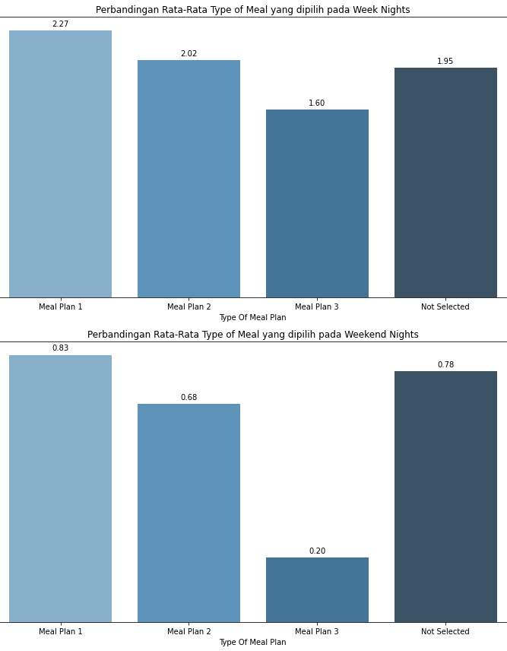

Melihat Perbandingan Rata-Rata Kebutuhan Tempat Parkir pada Weekdays & Weekend | Perbandingan Rata-Rata Kebutuhan Tempat memiliki pola yang cenderung sama pada Weekdays maupun Weekend
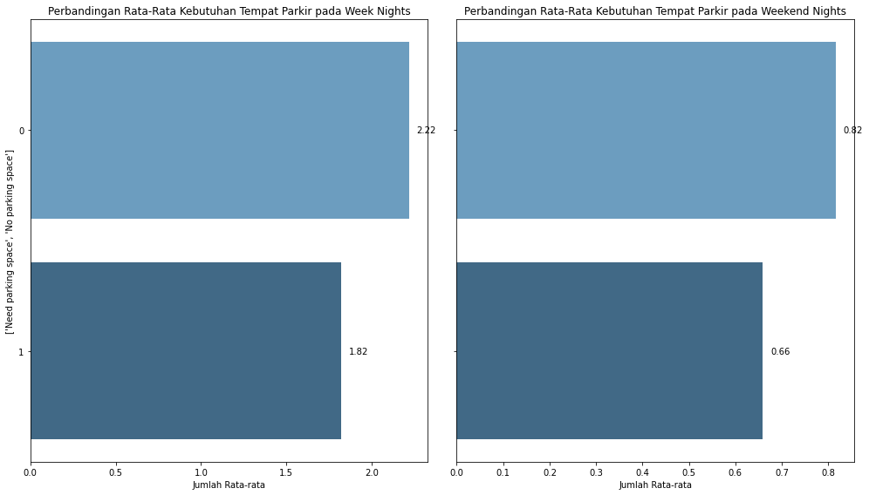

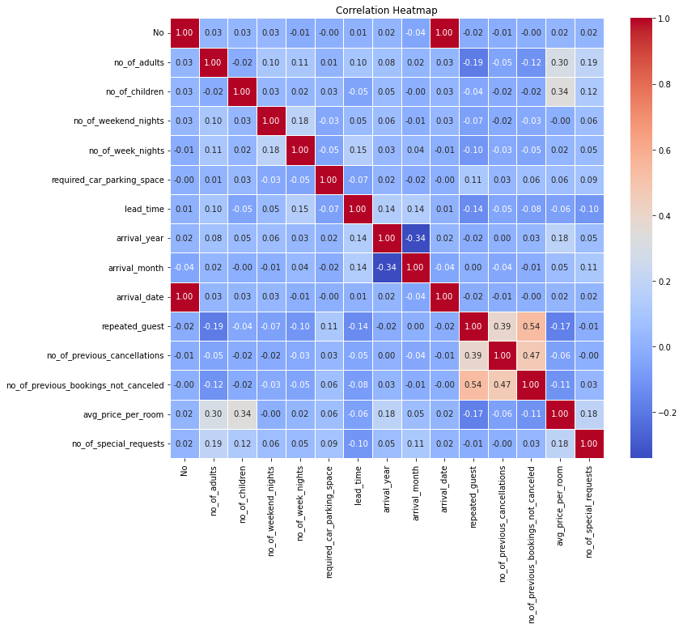
Cek korelasi antar atribut:
 |  | Dari hasil pembuatan heatmap di samping, kita akan lebih mudah mampu mengidentifikasi pasangan-pasangan atribut yang berkorelasi kuat/tinggi. Setelah ditinjau lebih jauh, ditemukan bahwa atribut repeated_guest memiliki korelasi yang tinggi terhadap no_of_previous_cancellations dan no_of_previous_bookings_not_canceled, dan no_of_previous_cancellations dengan no_of_previous_bookings_not_canceled juga memiliki korelasi yang cukup tinggi dibandingkan yang lainnya.

