RAW_data
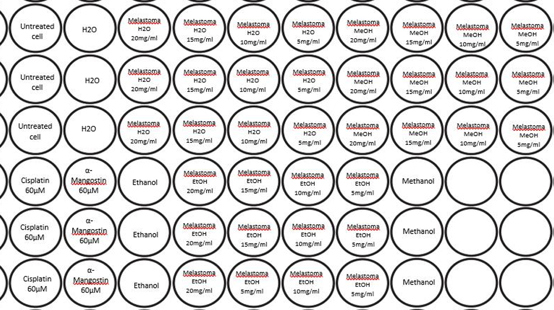
2 | 3 | 4 | 5 | 6 | 7 | 8 | 9 | 10 | 11
6271 | 6540 | 2286 | 5504 | 6023 | 5886 | 5538 | 5990 | 5599 | 5393
6465 | 6870 | 3364 | 5632 | 6043 | 5012 | 5745 | 6015 | 5579 | 5223
6516 | 7263 | 4336 | 6302 | 5426 | 5955 | 5812 | 6153 | 5102 | 5141
3227 | 643 | 6817 | 3856 | 4443 | 4990 | 5857 | 6202
3184 | 644 | 6934 | 3946 | 3993 | 4166 | 4990 | 6153
2209 | 646 | 6763 | 3584 | 3948 | 4327 | 4721 | 6846

