Tabelle1
 | Estimates of relative survival rates, by cancer siet

 | % survival rates

 | 5 year | 10 year | 15 year | 20 year
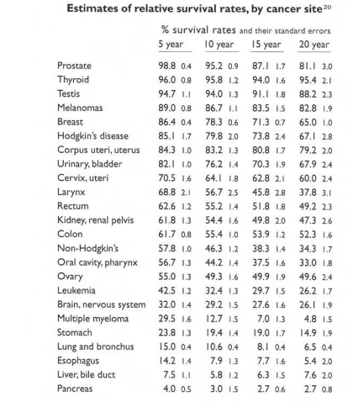
Prostate | 98.8 | 95.2 | 87.1 | 81.1
Thyroid | 96 | 95.8 | 94 | 95.4
Testis | 94.7 | 94 | 91.1 | 88.2
Melanomas | 89 | 86.7 | 83.5 | 82.8
Breast | 86.4 | 78.3 | 71.3 | 65
Hodgkin‘s disease | 85.1 | 79.8 | 73.8 | 67.1
Corpus uteri, uterus | 84.3 | 83.2 | 80.8 | 79.2
Urinary, bladder | 82.1 | 76.2 | 70.3 | 67.9
Cervix, uteri | 70.5 | 64.1 | 62.8 | 60
Larynx | 68.8 | 56.7 | 45.8 | 37.8
Rectum | 62.6 | 55.2 | 51.8 | 49.2
Kidney, renal pelvis | 61.8 | 54.4 | 49.8 | 47.3
Colon | 61.7 | 55.4 | 53.9 | 52.3
Non-Hodghin‘s | 57.8 | 46.3 | 38.3 | 34.3
Oral cavity, pharynx | 56.7 | 44.2 | 37.5 | 33
Ovary | 55 | 49.3 | 49.9 | 49.6
Leukemia | 42.5 | 32.4 | 29.7 | 26.2
Brain, bervous system | 32 | 19.2 | 27.6 | 26.1
Multiple myeloma | 29.5 | 12.7 | 7 | 4.8
Stomach | 23.8 | 19.4 | 19 | 14.9
Lung and bronchus | 15 | 10.6 | 8.1 | 6.5
Esophagus | 14.2 | 7.9 | 7.7 | 5.4
Liver, bile duct | 7.5 | 5.8 | 6.3 | 7.6
Pancreas | 4 | 3 | 2.7 | 2.7

