Cover_Front
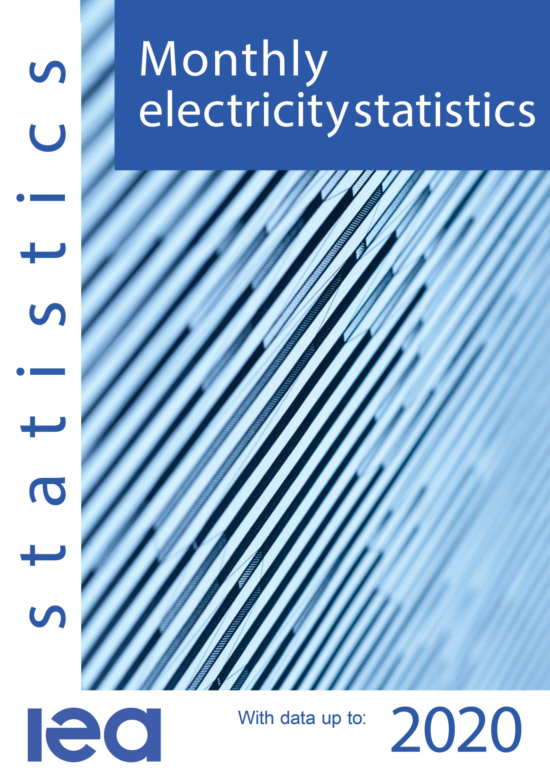
February

Revised Historical Data

February

Cover_Back
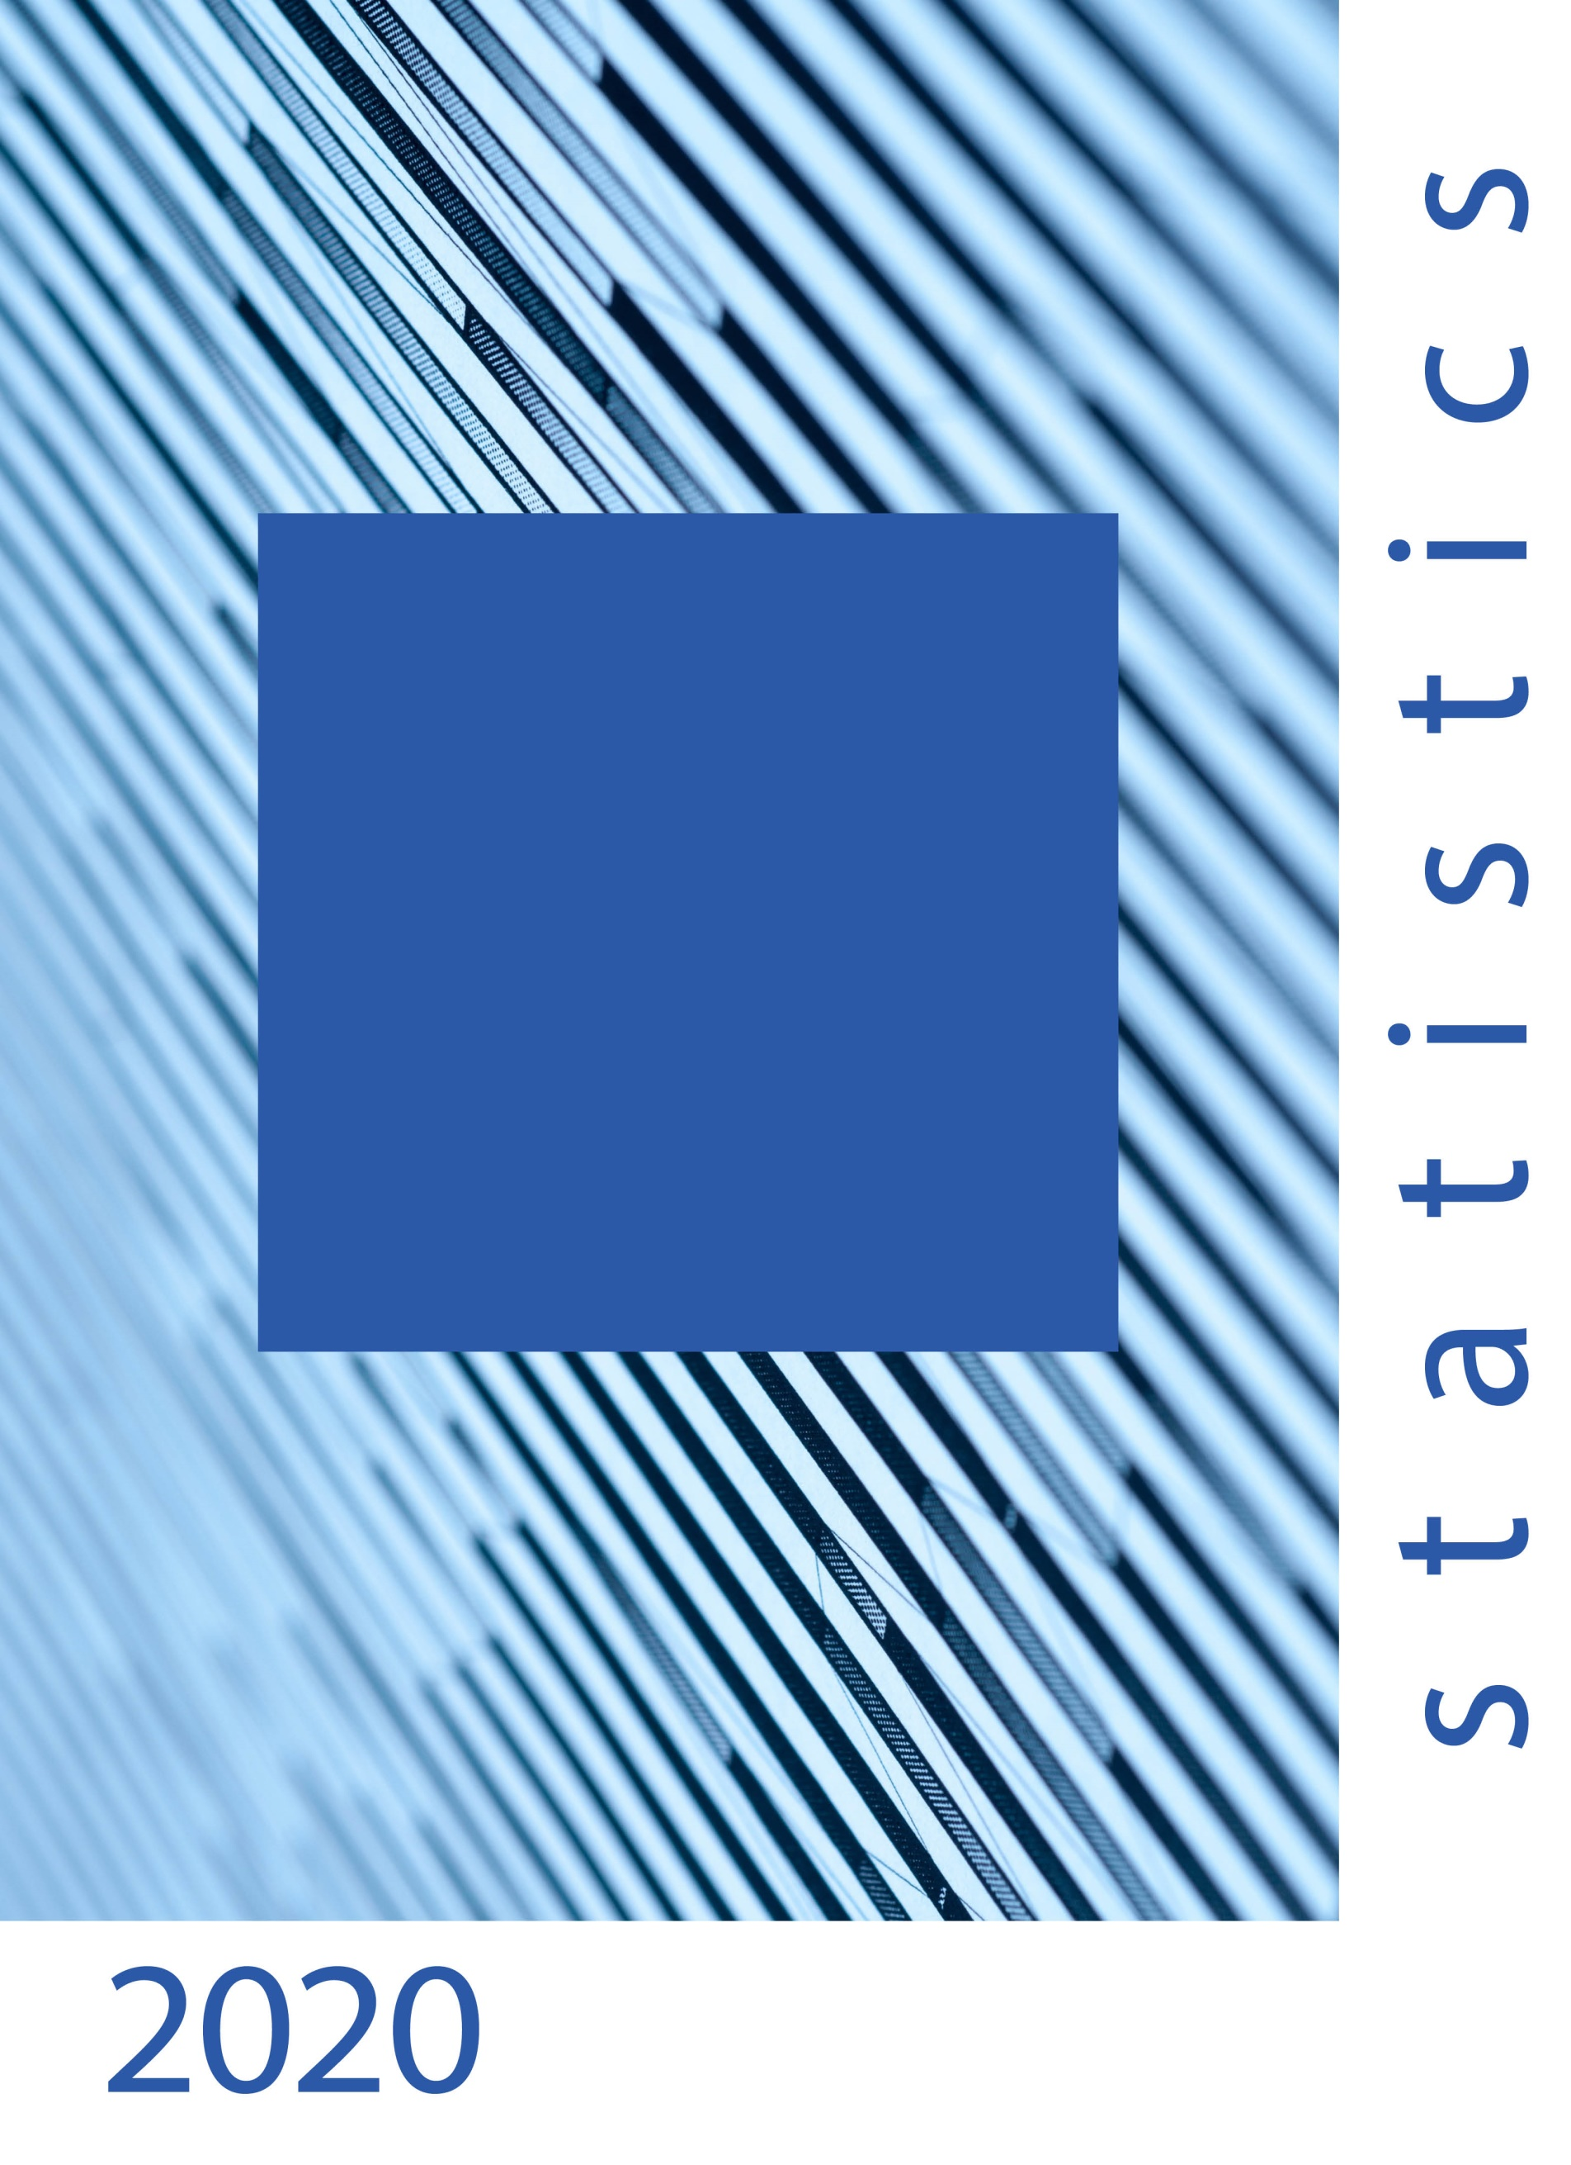

Overall responsibility Statistics
Mr. Julian Prime Ms. Mathilde Daugy
Contacts:
International Energy Agency
Energy Data Centre
Coal, Renewables, Electricity & Heat Statistics Section
9, rue de la Fédération
75739 PARIS Cedex 15
France
 +33 (0)1 40 57 68 39
 CES@iea.org
Media Enquiries:
IEA Press Office
 +33 (0)1 40 57 65 54
 ieapressoffice@iea.org
This document can be downloaded free of charge at:
https://www.iea.org/reports/monthly-oecd-electricity-statistics/
Published on the 15th of each month.

