Sheet1

control model
Maximal ATP yield in PR relative to each metabolite allowed into the system
metabolite | control model |  |  | RPE-PR model
 | O2 exchange |  |  | O2 exchange
control model
 | anaerobic | limited | unlimited | anaerobic | limited | unlimited
D-Glucose | 2.0 | 13.1 | 31.5 | 2.0 | 13.1 | 31.5
L-Lactic acid | 0.0 | 11.0 | 14.7 | 0.0 | 11.0 | 14.7
L-Glutamine | 0.5 | 11.2 | 22.0 | 0.0 | 11.0 | 22.0
control model
L-Alanine | 0.0 | 11.0 | 14.8 | 0.0 | 11.0 | 14.8
Glycine | 0.1 | 7.8 | 7.8 | 0.0 | 0.0 | 0.0
L-Lysine | 0.0 | 10.7 | 33.2 | 0.0 | 0.0 | 0.0
L-Valine | 0.0 | 10.7 | 28.5 | 0.0 | 10.7 | 28.5
L-Proline | 0.0 | 10.6 | 26.0 | 0.0 | 8.5 | 19.0
L-Threonine | 0.7 | 12.1 | 20.7 | 0.0 | 0.0 | 0.0
L-Serine | 0.6 | 11.7 | 13.0 | 0.0 | 11.1 | 12.2
L-Leucine | 0.0 | 10.4 | 34.3 | 0.0 | 6.5 | 6.5
L-Histidine | 0.0 | 10.8 | 24.5 | 0.0 | 2.5 | 2.5
RPE-PR model
L-Arginine | 0.5 | 11.4 | 27.0 | 0.0 | 11.4 | 27.0
L-Tyrosine | 0.0 | 9.9 | 36.0 | 0.0 | 2.5 | 2.5
L-Phenylalanine | 0.0 | 8.1 | 33.5 | 0.0 | 2.5 | 2.5
L-Cysteine | 0.0 | 11.0 | 17.2 | 0.0 | 11.0 | 14.8
L-Tryptophan | 0.0 | 8.5 | 40.8 | 0.0 | 2.5 | 2.5
RPE-PR model
L-Glutamic acid | 0.5 | 11.2 | 22.0 | 0.2 | 11.1 | 22.0
L-Asparagine | 0.0 | 11.1 | 14.8 | 0.0 | 10.9 | 12.5
L-Methionine | 0.0 | 9.7 | 28.3 | 0.0 | 0.0 | 0.0
L-Aspartic acid | 0.4 | 11.1 | 14.8 | 0.0 | 0.0 | 0.0
RPE-PR model
Selenomethionine | 0.0 | 0.0 | 0.0 | 0.0 | 0.0 | 0.0
L-Isoleucine | 0.0 | 10.5 | 35.0 | 0.0 | 2.5 | 2.5

control model
 | anaerobic | limited oxygen | unlimited oxygen
L-Tryptophan | 0.0 | 8.5 | 40.8
L-Tyrosine | 0.0 | 9.9 | 36.0
L-Isoleucine | 0.0 | 10.5 | 35.0
L-Leucine | 0.0 | 10.4 | 34.3
L-Phenylalanine | 0.0 | 8.1 | 33.5
L-Lysine | 0.0 | 10.7 | 33.2
D-Glucose | 2.0 | 13.1 | 31.5
aerobic
glycolysis
L-Valine | 0.0 | 10.7 | 28.5
L-Methionine | 0.0 | 9.7 | 28.3
O₂
glucose
ATP
lactate
L-Arginine | 0.5 | 11.4 | 27.0
L-Proline | 0.0 | 10.6 | 26.0
L-Histidine | 0.0 | 10.8 | 24.5
PR
L-Glutamine | 0.5 | 11.2 | 22.0
RPE-PR model
L-Glutamic acid | 0.5 | 11.2 | 22.0
L-Threonine | 0.7 | 12.1 | 20.7
L-Cysteine | 0.0 | 11.0 | 17.2
outer segments
(proteins and phospholipids)
L-Alanine | 0.0 | 11.0 | 14.8
L-Asparagine | 0.0 | 11.1 | 14.8
L-Aspartic acid | 0.4 | 11.1 | 14.8
L-Lactic acid | 0.0 | 11.0 | 14.7
L-Serine | 0.6 | 11.7 | 13.0
Glycine | 0.1 | 7.8 | 7.8
fatty acids
amino acids
Selenomethionine | 0.0 | 0.0 | 0.0
lactate
ATP
RPE
 | anaerobic | limited | unlimited
L-Tryptophan | 0.0 | 2.5 | 2.5
L-Tyrosine | 0.0 | 2.5 | 2.5
L-Isoleucine | 0.0 | 2.5 | 2.5
L-Leucine | 0.0 | 6.5 | 6.5
L-Phenylalanine | 0.0 | 2.5 | 2.5
L-Lysine | 0.0 | 0.0 | 0.0
RPE-PR model
D-Glucose | 2.0 | 13.1 | 31.5
L-Valine | 0.0 | 10.7 | 28.5
CO₂
cellular waste products
L-Methionine | 0.0 | 0.0 | 0.0
other
metabolites
L-Arginine | 0.0 | 11.4 | 27.0
O₂
glucose
L-Proline | 0.0 | 8.5 | 19.0
lactate
L-Histidine | 0.0 | 2.5 | 2.5
L-Glutamine | 0.0 | 11.0 | 22.0
L-Glutamic acid | 0.2 | 11.1 | 22.0
L-Threonine | 0.0 | 0.0 | 0.0
L-Cysteine | 0.0 | 11.0 | 14.8
L-Alanine | 0.0 | 11.0 | 14.8
L-Asparagine | 0.0 | 10.9 | 12.5
L-Aspartic acid | 0.0 | 0.0 | 0.0
L-Lactic acid | 0.0 | 11.0 | 14.7
L-Serine | 0.0 | 11.1 | 12.2
Glycine | 0.0 | 0.0 | 0.0
Selenomethionine | 0.0 | 0.0 | 0.0

Construction of the model

Expression
data
Cell-specific models
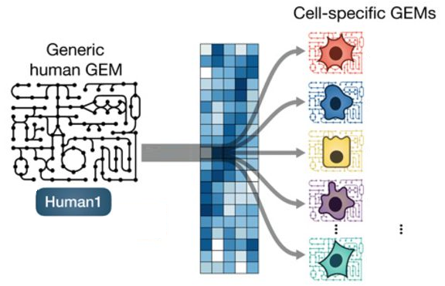
NEXT STEPS
RPE-PR
model
Generic Human metabolic model
PR cone cell

Analyse uncombined RPE and PR models separately to investigate whether the RPE is better equipped to use lactate and alternative metabolites (other than glucose) as energy source.
Create different control models by combining random cell-specific models
Sample model solution space to get an idea of the possible network configurations
PR rod cell

CORDA2
RPE cell
COBRApy

Müller cell
Flux Balance Analysis (FBA)

Ganglion cell
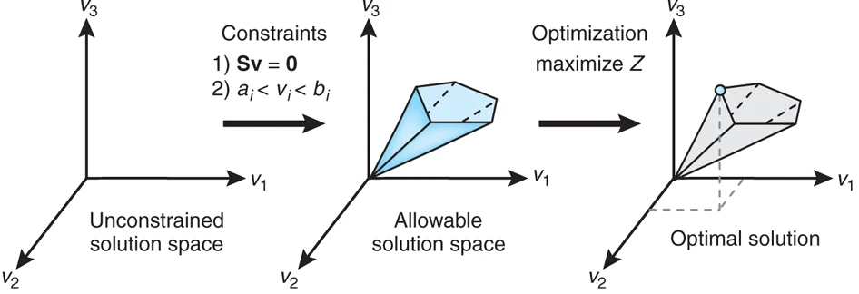

Modified figure from Robinson et al. (2020). Sci. Signal. 13,doi:10.1126/SCISIGNAL.AAZ1482.

s.prins@ucl.ac.uk

