qPCR
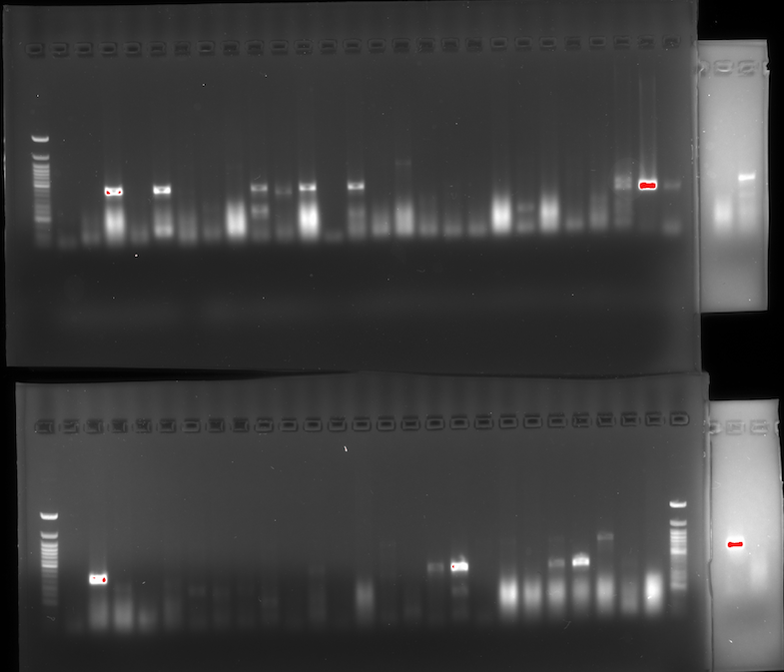
Purpose: This protocol will be used to investigate whether the 1600/1601 positive summer 2023 samples contain the EVE. I will be skipping the reverse transcription step. Because the extraction method we use isolates RNA and DNA I will take the nucleic acid and put it sraight into our qPCR using the 1600/1601, EVE primers and RpL32 primers. The RpL32 should be negative because it spans an intron and the galbut and eve primers should be positive.

 | 1 | 2 | 3 | 4 | 5 | 6 | 7 | 8 | 9 | 10 | 11 | 12
A | A6 | E9 | A8 | B6 | E3 | A8 | D1 | E4 | F4 | F5 | E4 |  | PA, ME, OH | Linden P1 | TG Wabash | Wabash/Linden
B | B1 | B8 | C8 | D4 | D10 | D12 | E1 | G1 | G2 | H2 | H3 | H9 | Elm P1
C | B8 | C10 | E4 | F3 | F5 | F7 | F10 | H2 | H3 | A9 | B4 | H1 | Linden P2 | Peach bugs
D | D1 | D12 | E1 | E4 | E5 | E7 | F3 | F6 | C1 | E5 | F8 |  | James, Adobe, Myrtle | Wabash- wild 2 Aug. col.
E | C3 | D6 | D9 | F5 | F6 | H7 |  |  |  |  |  |  | 2023_11_06/05 Wabash
F
G
H

Luna Universal qPCR Protocol

1 | Make the followning mastermix in a 1.5ml tube |  | Galbut (1600/1601) |  |  |  | Rpl32 |  |  |  | EVE(191---/1916)
 |  | # rxns. +10% | 52 |  |  | # rxns. +10% | 52 |  |  | # rxns. +10% | 52
 |  | 1x |  |  |  | 1x |  |  |  | 1x
 | Luna universal qPCR Master Mix | 5 | 273 |  | Luna universal qPCR Master Mix | 5 | 273 |  | Luna universal qPCR Master Mix | 5 | 273
 | Forward/Reverse primer mix (10uM each) | 0.5 | 27.3 |  | Forward/Reverse primer mix (10uM each) | 0.5 | 27.3 |  | Forward/Reverse primer mix (10uM each) | 0.5 | 27.3
 | Water | 2 | 109.2 |  | Water | 2 | 109.2 |  | Water | 2 | 109.2
 | Template DNA | 2.5 | /// |  | Template DNA | 2.5 | /// |  | Template DNA | 2.5 | ///
 |  | 10 | 409.5 |  |  | 10 | 409.5 |  |  | 10 | 409.5

 | *** Can change amount/concentration of template DNA added if needed.
 | **If primers arent mixed use 0.5uL per 1x reaction for each primer. (ex. for 26 samples add 13uL of each primer)

 | Galbut virus (1600/1601)
Platemap | 1 | 2 | 3 | 4 | 5 | 6 | 7 | 8 | 9 | 10 | 11 | 12
A | A6 | E9 | A8 | B6 | E3 | A8 | D1 | E4 | F4 | F5 | E4 | qPCR_neg
B | B1 | B8 | C8 | D4 | D10 | D12 | E1 | G1 | G2 | H2 | H3 | H9
C | B8 | C10 | E4 | F3 | F5 | F7 | F10 | H2 | H3 | A9 | B4 | H1
D | D1 | D12 | E1 | E4 | E5 | E7 | F3 | F6 | C1 | E5 | F8
E | C3 | D6 | D9 | F5 | F6 | H7
F
G
H

 | RpL32
Platemap | 1 | 2 | 3 | 4 | 5 | 6 | 7 | 8 | 9 | 10 | 11 | 12
A | A6 | E9 | A8 | B6 | E3 | A8 | D1 | E4 | F4 | F5 | E4 | qPCR_neg
B | B1 | B8 | C8 | D4 | D10 | D12 | E1 | G1 | G2 | H2 | H3 | H9
C | B8 | C10 | E4 | F3 | F5 | F7 | F10 | H2 | H3 | A9 | B4 | H1
D | D1 | D12 | E1 | E4 | E5 | E7 | F3 | F6 | C1 | E5 | F8
E | C3 | D6 | D9 | F5 | F6 | H7
F
G
H

 | EVE
Platemap | 1 | 2 | 3 | 4 | 5 | 6 | 7 | 8 | 9 | 10 | 11 | 12
A | A6 | E9 | A8 | B6 | E3 | A8 | D1 | E4 | F4 | F5 | E4 | qPCR_neg
B | B1 | B8 | C8 | D4 | D10 | D12 | E1 | G1 | G2 | H2 | H3 | H9
C | B8 | C10 | E4 | F3 | F5 | F7 | F10 | H2 | H3 | A9 | B4 | H1
D | D1 | D12 | E1 | E4 | E5 | E7 | F3 | F6 | C1 | E5 | F8
E | C3 | D6 | D9 | F5 | F6 | H7
F
G
H

2 | Dispense 7.5ul of master mix into the appropriate wells in a qPCR plate
3 | Add 2.5ul of sample to the appropriate wells
4 | Set up the lightcycler with the following conditions

 | T/cycler program
 | Initial Denaturation | 95C | 1 min | 1x
 | Denaturation | 95C | 15 sec | |
 | Extenstion | 60C | 30 sec | | 40x
 | melt curve

