Reef_vs_No_Reef
Study | Year | Location | Protection Status | Site Name | Storm | Significant Wave Height | Volume Change (m3/m) | SD
Mahabot et al., 2017 | 2013 | Reunion Islands | Reef-protected | T01 | TC Bejisa | 6.41 | -0.545 | 1.99
Mahabot et al., 2017 | 2013 | Reunion Islands | Reef-protected | T02 | TC Bejisa | 6.41 | 4.232 | 1.37
Mahabot et al., 2017 | 2013 | Reunion Islands | Unprotected | T03 | TC Bejisa | 6.41 | -42.551 | 1.65
Mahabot et al., 2017 | 2013 | Reunion Islands | Reef-protected | T04 | TC Bejisa | 6.41 | -14.892 | 1.4
Mahabot et al., 2017 | 2013 | Reunion Islands | Reef-protected | T05 | TC Bejisa | 6.41 | -6.883 | 2.28
Mahabot et al., 2017 | 2013 | Reunion Islands | Reef-protected | T06 | TC Bejisa | 6.41 | -23.474 | 1.77
Mahabot et al., 2017 | 2013 | Reunion Islands | Reef-protected | T07 | TC Bejisa | 6.41 | 4.979 | 0.95
Mahabot et al., 2017 | 2013 | Reunion Islands | Reef-protected | T08 | TC Bejisa | 6.41 | 1.751 | 0.97
Mahabot et al., 2017 | 2013 | Reunion Islands | Reef-protected | T09 | TC Bejisa | 6.41 | -4.331 | 1.1
Mahabot et al., 2017 | 2013 | Reunion Islands | Reef-protected | T10 | TC Bejisa | 6.41 | 1.855 | 0.64
Mahabot et al., 2017 | 2013 | Reunion Islands | Reef-protected | T11 | TC Bejisa | 6.41 | -1.593 | 0.62
Mahabot et al., 2017 | 2013 | Reunion Islands | Reef-protected | T12 | TC Bejisa | 6.41 | -5.477 | 3.09
Mahabot et al., 2017 | 2013 | Reunion Islands | Reef-protected | T13 | TC Bejisa | 6.41 | 0.921 | 0.96
Mahabot et al., 2017 | 2013 | Reunion Islands | Reef-protected | T14 | TC Bejisa | 6.41 | -1.058 | 1.37
Mahabot et al., 2017 | 2013 | Reunion Islands | Reef-protected | T15 | TC Bejisa | 6.41 | 0.784 | 2
Mahabot et al., 2017 | 2013 | Reunion Islands | Reef-protected | T16 | TC Bejisa | 6.41 | 0.983 | 1.24
Mahabot et al., 2017 | 2013 | Reunion Islands | Reef-protected | T17 | TC Bejisa | 6.41 | 1.543 | 1.41
Mahabot et al., 2017 | 2013 | Reunion Islands | Reef-protected | T18 | TC Bejisa | 6.41 | -0.958 | 1.11
Mahabot et al., 2017 | 2013 | Reunion Islands | Reef-protected | T19 | TC Bejisa | 6.41 | -1.294 | 1.23
Mahabot et al., 2017 | 2013 | Reunion Islands | Reef-protected | T01 | TC Dumile | 4.05 | 0.402 | 1.69
Mahabot et al., 2017 | 2013 | Reunion Islands | Reef-protected | T02 | TC Dumile | 4.05 | 1.452 | 1.29
Mahabot et al., 2017 | 2013 | Reunion Islands | Unprotected | T03 | TC Dumile | 4.05 | -24.196 | 1.68
Mahabot et al., 2017 | 2013 | Reunion Islands | Reef-protected | T04 | TC Dumile | 4.05 | -1.556 | 1.44
Mahabot et al., 2017 | 2013 | Reunion Islands | Reef-protected | T05 | TC Dumile | 4.05 | 2.589 | 2.2
Mahabot et al., 2017 | 2013 | Reunion Islands | Reef-protected | T06 | TC Dumile | 4.05 | 1.917 | 1.62
Mahabot et al., 2017 | 2013 | Reunion Islands | Reef-protected | T07 | TC Dumile | 4.05 | 0.261 | 0.9
Mahabot et al., 2017 | 2013 | Reunion Islands | Reef-protected | T08 | TC Dumile | 4.05 | 1.618 | 0.99
Mahabot et al., 2017 | 2013 | Reunion Islands | Reef-protected | T09 | TC Dumile | 4.05 | -3.975 | 1.12
Mahabot et al., 2017 | 2013 | Reunion Islands | Reef-protected | T10 | TC Dumile | 4.05 | -0.05 | 0.66
Mahabot et al., 2017 | 2013 | Reunion Islands | Reef-protected | T11 | TC Dumile | 4.05 | -0.846 | 0.58
Mahabot et al., 2017 | 2013 | Reunion Islands | Reef-protected | T12 | TC Dumile | 4.05 | 5.477 | 3.06
Mahabot et al., 2017 | 2013 | Reunion Islands | Reef-protected | T13 | TC Dumile | 4.05 | -0.311 | 0.93
Mahabot et al., 2017 | 2013 | Reunion Islands | Reef-protected | T14 | TC Dumile | 4.05 | -2.713 | 1.38
Mahabot et al., 2017 | 2013 | Reunion Islands | Reef-protected | T15 | TC Dumile | 4.05 | -0.448 | 2
Mahabot et al., 2017 | 2013 | Reunion Islands | Reef-protected | T16 | TC Dumile | 4.05 | -0.025 | 0.02
Mahabot et al., 2017 | 2013 | Reunion Islands | Reef-protected | T17 | TC Dumile | 4.05 | -0.436 | 1.34
Mahabot et al., 2017 | 2013 | Reunion Islands | Reef-protected | T18 | TC Dumile | 4.05 | 0.821 | 1.15
Mahabot et al., 2017 | 2013 | Reunion Islands | Reef-protected | T19 | TC Dumile | 4.05 | 0.741 | 1.19
Mahabot et al., 2017 | 2013 | Reunion Islands | Reef-protected | T01 | TC Felleng | 4.51 | 10.696 | 1.94
Mahabot et al., 2017 | 2013 | Reunion Islands | Reef-protected | T02 | TC Felleng | 4.51 | 5.543 | 1.29
Mahabot et al., 2017 | 2013 | Reunion Islands | Unprotected | T03 | TC Felleng | 4.51 | -38.717 | 1.29
Mahabot et al., 2017 | 2013 | Reunion Islands | Reef-protected | T04 | TC Felleng | 4.51 | 1.991 | 1.49
Mahabot et al., 2017 | 2013 | Reunion Islands | Reef-protected | T05 | TC Felleng | 4.51 | -8.406 | 2.24
Mahabot et al., 2017 | 2013 | Reunion Islands | Reef-protected | T06 | TC Felleng | 4.51 | -10.941 | 1.62
Mahabot et al., 2017 | 2013 | Reunion Islands | Reef-protected | T07 | TC Felleng | 4.51 | 2.384 | 0.9
Mahabot et al., 2017 | 2013 | Reunion Islands | Reef-protected | T08 | TC Felleng | 4.51 | 0.946 | 0.95
Mahabot et al., 2017 | 2013 | Reunion Islands | Reef-protected | T09 | TC Felleng | 4.51 | -2.473 | 1.1
Mahabot et al., 2017 | 2013 | Reunion Islands | Reef-protected | T10 | TC Felleng | 4.51 | 2.29 | 0.64
Mahabot et al., 2017 | 2013 | Reunion Islands | Reef-protected | T11 | TC Felleng | 4.51 | -0.349 | 0.59
Mahabot et al., 2017 | 2013 | Reunion Islands | Reef-protected | T12 | TC Felleng | 4.51 | -3.298 | 3.05
Mahabot et al., 2017 | 2013 | Reunion Islands | Reef-protected | T13 | TC Felleng | 4.51 | 2.29 | 1.01
Mahabot et al., 2017 | 2013 | Reunion Islands | Reef-protected | T14 | TC Felleng | 4.51 | 2.813 | 1.36
Mahabot et al., 2017 | 2013 | Reunion Islands | Reef-protected | T15 | TC Felleng | 4.51 | 1.581 | 2.05
Mahabot et al., 2017 | 2013 | Reunion Islands | Reef-protected | T16 | TC Felleng | 4.51 | 1.369 | 1.3
Mahabot et al., 2017 | 2013 | Reunion Islands | Reef-protected | T17 | TC Felleng | 4.51 | 0.299 | 1.36
Mahabot et al., 2017 | 2013 | Reunion Islands | Reef-protected | T18 | TC Felleng | 4.51 | -0.734 | 1.14
Mahabot et al., 2017 | 2013 | Reunion Islands | Reef-protected | T19 | TC Felleng | 4.51 | -2.477 | 1.2
Sherman et al., 2013 |  |  | Unprotected |  |  | 4.76 | -100
Wang et al., 2006 |  |  | Unprotected |  |  | 12.62 | -95
Wang et al., 2006 |  |  | Unprotected |  |  | 12.62 | -58
Wang et al., 2006 |  |  | Unprotected |  |  | 6.82 | -35
Wang et al., 2006 |  |  | Unprotected |  |  | 5.63 | -18
Sallenger et al., 2006 |  |  | Unprotected |  |  | 12.78 | -37
Sallenger et al., 2006 |  |  | Unprotected |  |  | 15.65 | -39
Stockdon et al., 2007 |  |  | Unprotected |  |  | 8.73 | -23
Stockdon et al., 2007 |  |  | Unprotected |  |  | 9.3 | -30

Sheet3
 | Protected | Unprotected | (blank)
4.05 | 0.27322222222 | -24.196
4.51 | 0.19577777778 | -38.717
4.76 |  | -100
5.63 |  | -18
6.41 | -2.4142777778 | -42.551
6.82 |  | -35
8.73 |  | -23
9.3 |  | -30
12.62 |  | -76.5
12.78 |  | -37
15.65 |  | -39
(blank)
Average of Volume Change (m3/m) | Column Labels
Row Labels | Protected | Unprotected | (blank) | Grand Total
4.05 | 0.27322222222 | -24.196 |  | -1.0146315789
4.51 | 0.19577777778 | -38.717 |  | -1.8522631579
4.76 |  | -100 |  | -100
5.63 |  | -18 |  | -18
6.41 | -2.4142777778 | -42.551 |  | -4.5267368421
6.82 |  | -35 |  | -35
8.73 |  | -23 |  | -23
9.3 |  | -30 |  | -30
12.62 |  | -76.5 |  | -76.5
12.78 |  | -37 |  | -37
15.65 |  | -39 |  | -39
(blank)
Grand Total | -0.64842592593 | -45.038666667 |  | -8.7193787879

Mahabot_Raw
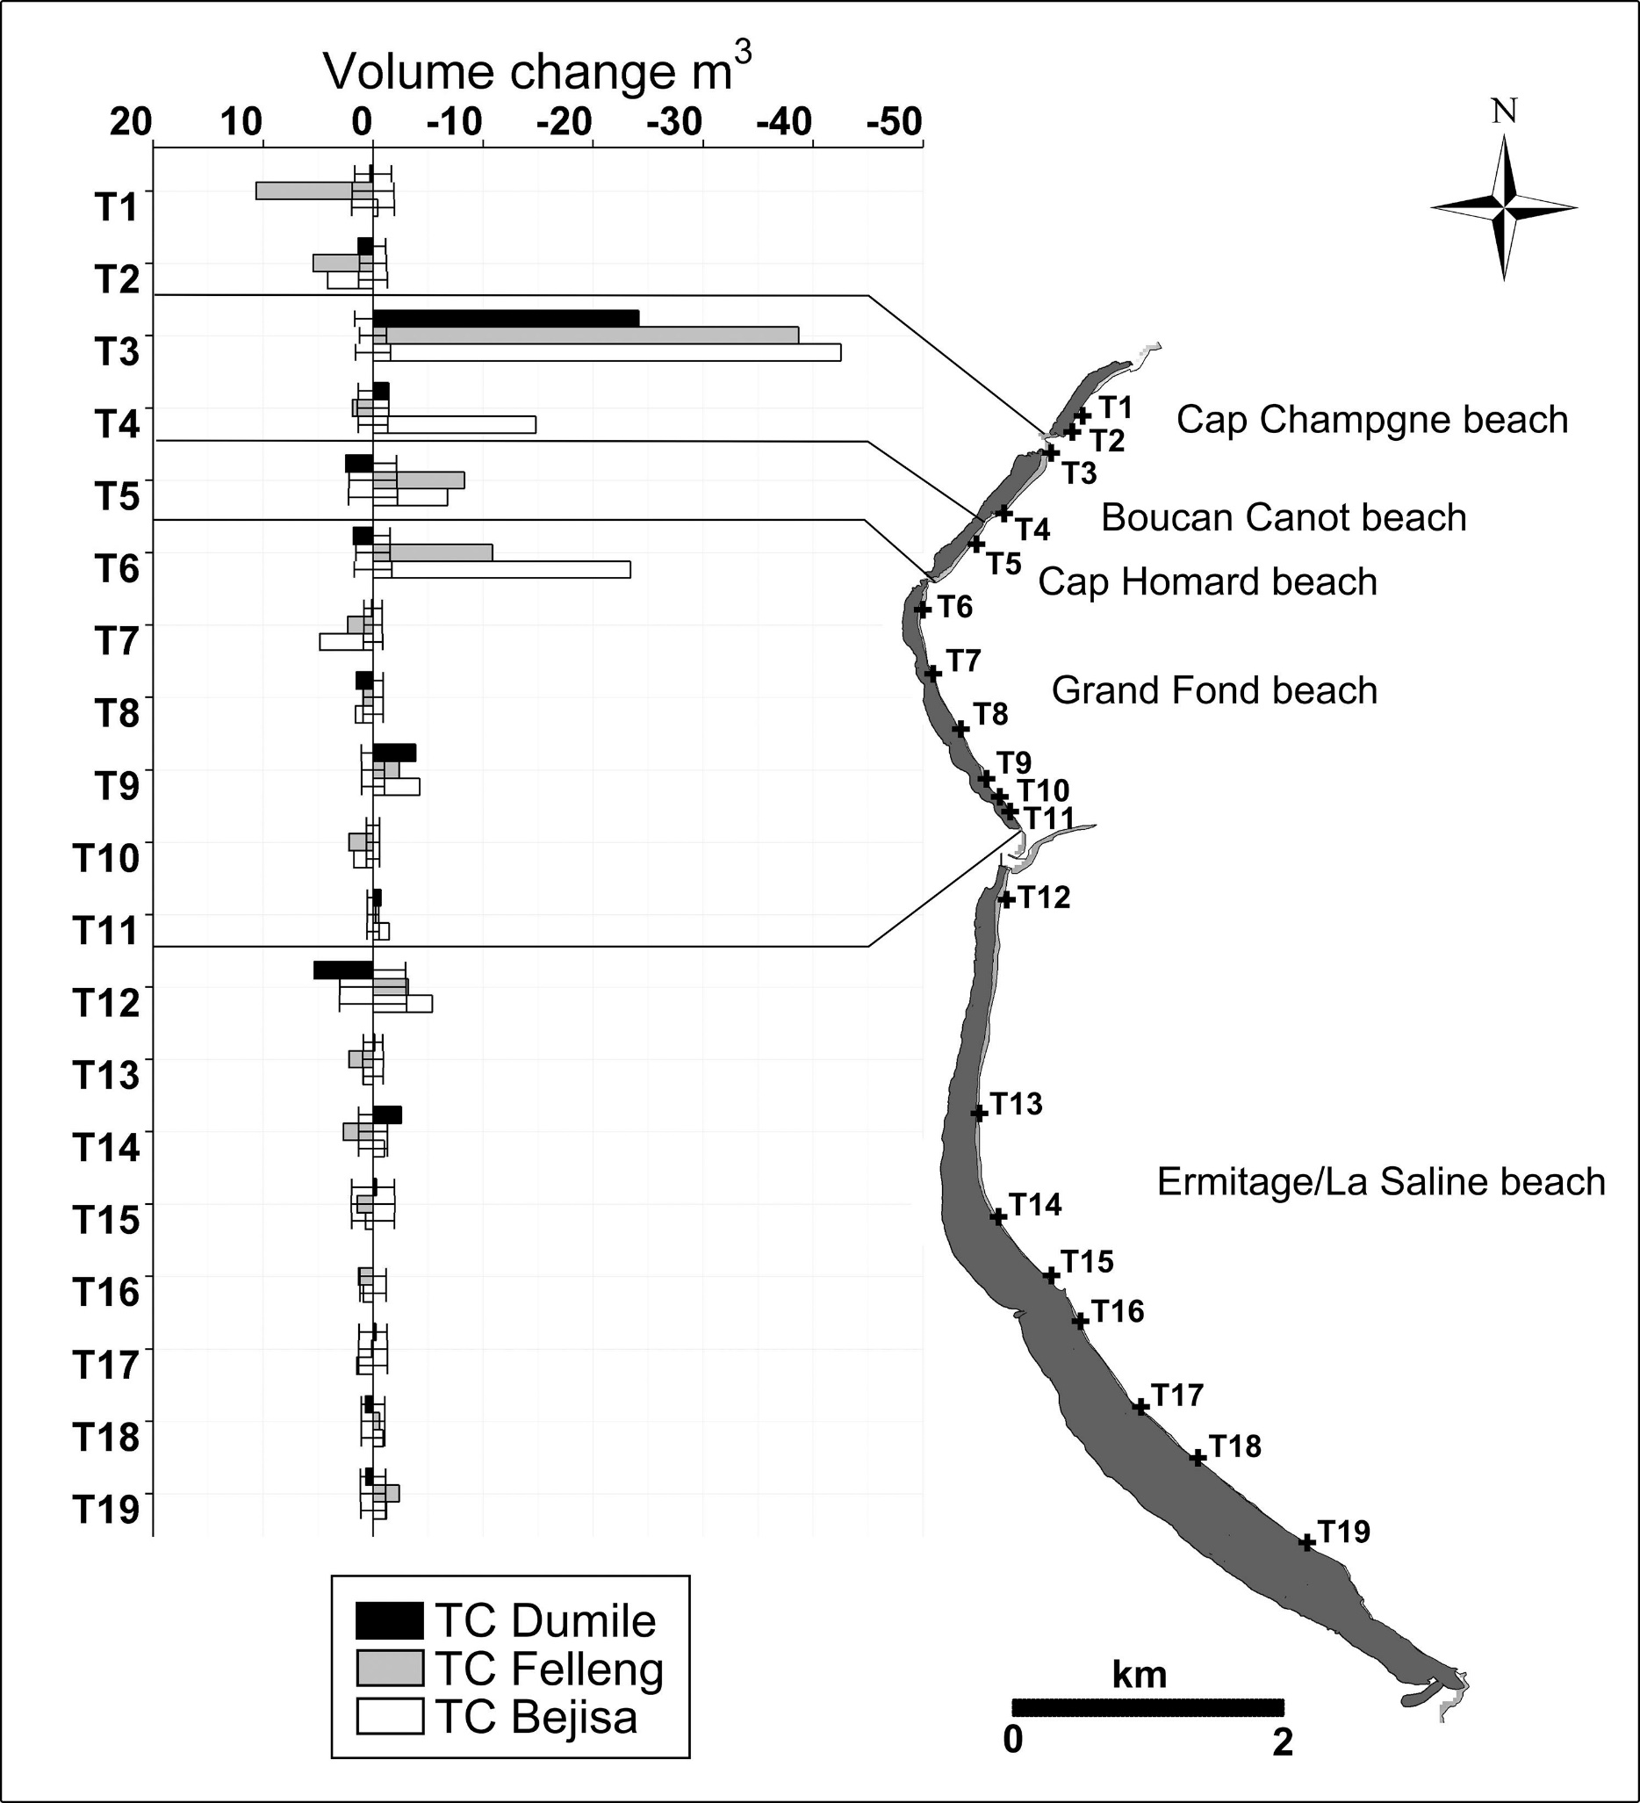
 | Area | Mean | Min | Max | Angle | Length | NOTE: These measurements were made from the Mahabot.jpg file. I first used the entire volume change scale bar to set a scale to the image. Then I measured each transect from top to bottom. First I measured TC Dumile and then its error. This was repeated for TC felleng and finally TC Bejisa. So the valume in row 1 length is the volume change for T1 for TC dumile. Value 2 is the error for T1 for Storm TC DUMILE.
1 | 0.022 | 13.82 | 4.55E-13 | 98.944 | 180 | 0.402
2 | 0.171 | 5.053 | 0 | 39.75 | -179.157 | 3.381
3 | 0.535 | 175.453 | 8.17E-10 | 206.927 | 180 | 10.696
4 | 0.196 | 13.328 | 0 | 134.125 | 180 | 3.883
5 | 0.03 | 98.791 | 0.401 | 185.932 | 0 | 0.545
6 | 0.201 | 3.549 | 0 | 170.953 | 0 | 3.97
7 | 0.074 | 7.366 | 0 | 173.222 | 180 | 1.452
8 | 0.131 | 3.535 | 0 | 126.278 | 180 | 2.581
9 | 0.278 | 141.022 | 0 | 206.691 | 180 | 5.543
10 | 0.131 | 6.349 | 0 | 215.333 | 180 | 2.572
11 | 0.213 | 168.981 | 0 | 255 | 180 | 4.232
12 | 0.139 | 36.147 | 0.667 | 155.222 | 180 | 2.738
13 | 1.207 | 0.162 | 0 | 70 | 0 | 24.196
14 | 0.169 | 45.883 | 0 | 110.444 | 0 | 3.352
15 | 1.931 | 185.981 | 0 | 211 | 0 | 38.717
16 | 0.131 | 6.427 | 0 | 176.167 | 180 | 2.581
17 | 2.122 | 247.323 | 0.166 | 255 | 0 | 42.551
18 | 0.166 | 17.017 | 0 | 208.75 | 180 | 3.298
19 | 0.079 | 8.544 | 0 | 232 | 0 | 1.556
20 | 0.146 | 22.852 | 0 | 214.417 | 0 | 2.888
21 | 0.102 | 144.574 | 0.656 | 208.5 | 180 | 1.991
22 | 0.151 | 27.641 | 0 | 195.125 | 0 | 2.987
23 | 0.744 | 232.162 | 0.875 | 255 | 0 | 14.892
24 | 0.141 | 18.869 | 1.848 | 132.111 | 0 | 2.796
25 | 0.131 | 3.557 | 0 | 150.833 | 180 | 2.589
26 | 0.223 | 2.819 | 0 | 190 | 180 | 4.406
27 | 0.421 | 159.756 | 0.618 | 230.667 | 0 | 8.406
28 | 0.226 | 83.332 | 0 | 180.5 | 0 | 4.481
29 | 0.345 | 174.393 | 0 | 255 | 0 | 6.883
30 | 0.231 | 66.522 | 0 | 184.5 | 0 | 4.568
31 | 0.099 | 6.682 | 0 | 192 | 180 | 1.917
32 | 0.164 | 87.201 | 0 | 225.75 | 180 | 3.249
33 | 0.548 | 181.563 | 0 | 220 | 0 | 10.941
34 | 0.164 | 32.862 | 0.47 | 159.5 | 180 | 3.249
35 | 1.172 | 239.583 | 0.002 | 255 | 0 | 23.474
36 | 0.178 | 84.399 | 2.167 | 124.417 | 0 | 3.535
37 | 0.015 | 9.323 | 0.141 | 40.156 | 180 | 0.261
38 | 0.092 | 25.29 | 0 | 208.625 | 180 | 1.799
39 | 0.121 | 138.642 | 0.005 | 213.383 | 180 | 2.384
40 | 0.092 | 49.752 | 0.125 | 206.531 | 180 | 1.792
41 | 0.25 | 219.831 | 0 | 255 | 180 | 4.979
42 | 0.097 | 9.123 | 0 | 230.75 | 180 | 1.892
43 | 0.084 | 3.601 | 0 | 97.333 | 180 | 1.618
44 | 0.102 | 16.654 | 0 | 188.222 | 180 | 1.983
45 | 0.05 | 150.575 | 1 | 207 | 180 | 0.946
46 | 0.097 | 17.299 | 1.667 | 60.333 | 0 | 1.892
47 | 0.089 | 193.559 | 0 | 255 | 180 | 1.751
48 | 0.099 | 17.992 | 0 | 222.333 | 180 | 1.942
49 | 0.201 | 2.099 | 0 | 162.5 | 0 | 3.975
50 | 0.114 | 35.278 | 0 | 89.593 | 0 | 2.232
51 | 0.126 | 153.886 | 0 | 203.6 | 0 | 2.473
52 | 0.112 | 70.741 | 0 | 196 | 0 | 2.191
53 | 0.218 | 230.231 | 0 | 255 | 0 | 4.331
54 | 0.112 | 52.967 | 0 | 242.5 | 0 | 2.191
55 | 0.005 | 0 | 0 | 0 | 180 | 0.05
56 | 0.069 | 12.326 | 0.155 | 193.625 | 180 | 1.319
57 | 0.116 | 159.293 | 0.25 | 200.5 | 180 | 2.29
58 | 0.067 | 105.402 | 0 | 166.933 | 180 | 1.27
59 | 0.094 | 177.638 | 7.79E-11 | 255 | 180 | 1.855
60 | 0.067 | 8.825 | 0 | 168 | 180 | 1.282
61 | 0.045 | 11.323 | 0 | 107.25 | 0 | 0.846
62 | 0.059 | 51.942 | 0 | 170.696 | 0 | 1.158
63 | 0.02 | 60.188 | 0 | 158.5 | 0 | 0.349
64 | 0.062 | 12.779 | 0 | 120 | 0 | 1.17
65 | 0.082 | 186.015 | 0 | 255 | 0 | 1.593
66 | 0.064 | 15.952 | 0 | 221 | 0 | 1.245
67 | 0.275 | 1.685 | 0 | 110 | 180 | 5.477
68 | 0.307 | 36.198 | 0 | 239.062 | 180 | 6.124
69 | 0.166 | 170.379 | 0.011 | 218.682 | 0 | 3.298
70 | 0.307 | 211.088 | 0 | 255 | 0 | 6.099
71 | 0.275 | 234.592 | 0 | 255 | 0 | 5.477
72 | 0.31 | 76.266 | 0 | 90.903 | 0 | 6.186
73 | 0.017 | 53.976 | 0.417 | 222.5 | 0 | 0.311
74 | 0.097 | 6.424 | 0 | 169.25 | 0 | 1.867
75 | 0.116 | 159.213 | 0 | 216 | 180 | 2.29
76 | 0.104 | 84.628 | 0.256 | 124.312 | 0 | 2.029
77 | 0.05 | 146.647 | 0.5 | 191.039 | 180 | 0.921
78 | 0.099 | 77.859 | 0.021 | 207.5 | 180 | 1.929
79 | 0.139 | 4.743 | 0 | 161.25 | 0 | 2.713
80 | 0.141 | 34.861 | 0 | 86.879 | 0 | 2.763
81 | 0.144 | 166.412 | 0 | 204.346 | 180 | 2.813
82 | 0.139 | 35.229 | 0.932 | 102.5 | 0 | 2.713
83 | 0.055 | 189.873 | 0 | 249.536 | 0 | 1.058
84 | 0.139 | 46.254 | 2.188 | 141.938 | 0 | 2.738
85 | 0.025 | 33.3 | 0 | 255 | 0 | 0.448
86 | 0.203 | 166.873 | 0 | 208.034 | 0 | 4.008
87 | 0.082 | 167.526 | 4.803 | 218.562 | 0 | 1.581
88 | 0.206 | 166.425 | 0.497 | 222.512 | 0 | 4.095
89 | 0.042 | 170.386 | 0 | 255 | 180 | 0.784
90 | 0.201 | 4.341 | 0 | 196 | 180 | 3.995
91 | 0.005 | 17.75 | 1.5 | 34 | 0 | 0.025
92 | 0.005 | 0.75 | 0 | 1.5 | 0 | 0.037
93 | 0.072 | 71.933 | 0 | 98.076 | 180 | 1.369
94 | 0.131 | 7.386 | 1.04E-10 | 213.875 | 180 | 2.601
95 | 0.052 | 176.417 | 0.794 | 238.978 | 180 | 0.983
96 | 0.126 | 43.951 | 0.125 | 215.75 | 180 | 2.489
97 | 0.025 | 42.483 | 0 | 248.25 | 0 | 0.436
98 | 0.136 | 72.514 | 0 | 255 | 0 | 2.688
99 | 0.017 | 66.857 | 0.75 | 255 | 180 | 0.299
100 | 0.139 | 5.958 | 0 | 170.5 | 180 | 2.726
101 | 0.079 | 186.328 | 0 | 255 | 180 | 1.543
102 | 0.144 | 3.013 | 0 | 97 | 180 | 2.825
103 | 0.045 | 14.227 | 0 | 156.25 | 180 | 0.821
104 | 0.116 | 8.989 | 0 | 255 | 180 | 2.29
105 | 0.04 | 141.324 | 0 | 237 | 180 | 0.734
106 | 0.116 | 10.313 | 2.054 | 158.875 | 0 | 2.278
107 | 0.05 | 191.447 | 0 | 255 | 0 | 0.958
108 | 0.114 | 5.577 | 0 | 114 | 0 | 2.228
109 | 0.04 | 7.673 | 0 | 116.844 | 180 | 0.741
110 | 0.121 | 45.311 | 0 | 151 | 180 | 2.377
111 | 0.126 | 160.331 | 0 | 208.38 | 0 | 2.477
112 | 0.121 | 52.351 | 0.802 | 128.125 | 0 | 2.402
113 | 0.067 | 185.074 | 0 | 255 | 0 | 1.294
114 | 0.124 | 69.695 | 0 | 146.625 | 0 | 2.452

Sheet2
Study | Mahabot et al., 2017

Average of Volume Change (m3/m) | Column Labels
Row Labels | Reef Protected | Unprotected
TC Bejisa | -2.4142777778 | -42.551 | 17.624732494
TC Dumile | 0.27322222222 | -24.196 | -88.557950386
TC Felleng | 0.19577777778 | -38.717 | -197.7599319

