01_Background_Companies
1. Background — Participating Companies

Table 1. Distribution of participating organizations by size
Number of Employees | n | %
1–10 (micro) | 2 | 5.6
11–49 (small) | 15 | 41.7
50–250 (medium) | 8 | 22.2
> 250 (large) | 11 | 30.6
Total | 36 | 100

Figure 1. Distribution of organizations by size.

Table 2. Countries in which participating organizations are currently located
Country | Number of Organizations
Belgium | 1
Brazil | 3
Canada | 1
China | 9
France | 1
Germany | 1
Greece | 2
Italy | 2
Japan | 1
Macau | 2
Netherlands | 1
Portugal | 7
Spain | 4
Taiwan | 3
Thailand | 2
United Kingdom | 4
United States of America | 5

Figure 2 (map). Countries in which participating organizations are currently located (geographic distribution).

Figure 2 (bar-chart view). Countries in which participating organizations are currently located.
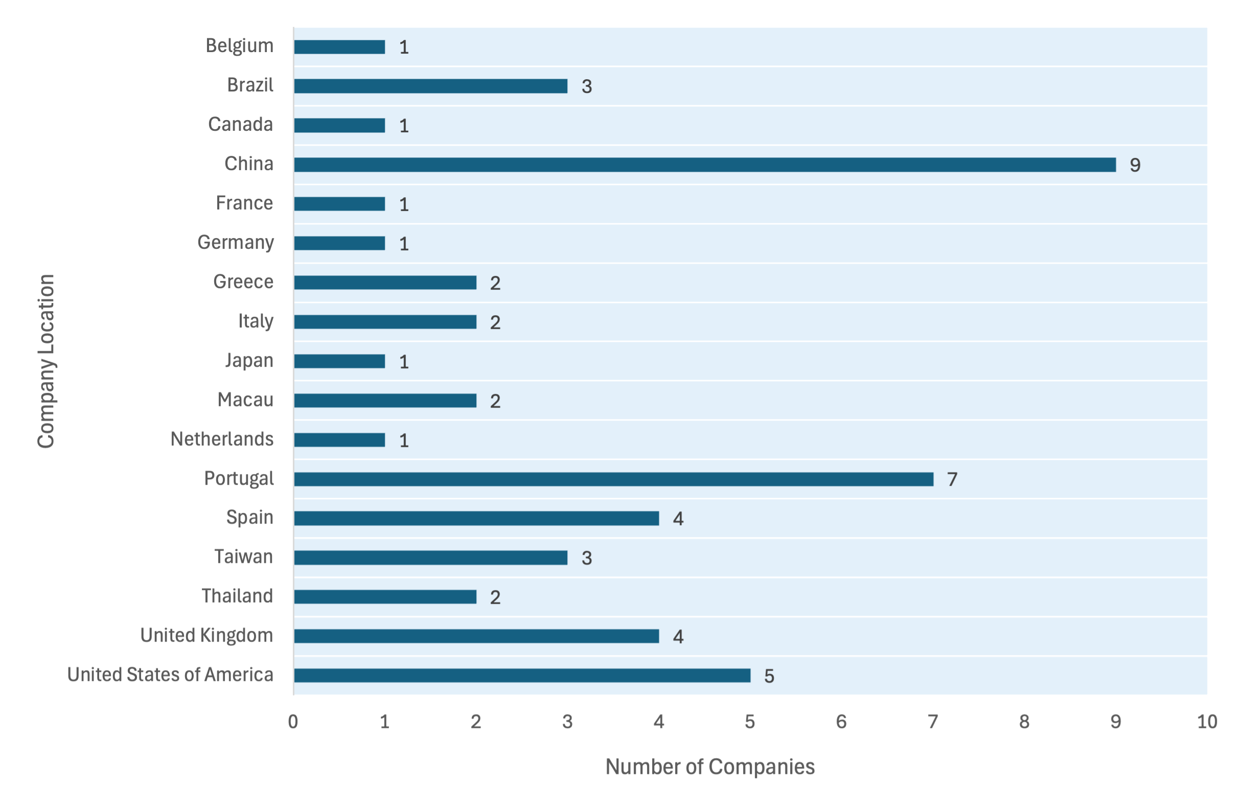

Table 3. Distribution of target regulatory markets among participating organizations
Target regulatory jurisdiction(s) | Number of organizations
EU only | 7
US only | 2
EU + US | 5
EU + Other(s) | 2
US + Other(s) | 1
EU + US + Other(s) | 19
Total | 36

Figure 3. Target regulatory market(s) of participating organizations.

Figure 4. Other target regulatory markets of participating organizations.

