Sheet1
Task ID | Task Description | Screen Short | Status
TASK0001 | Lanuage option : change as per given place
 | 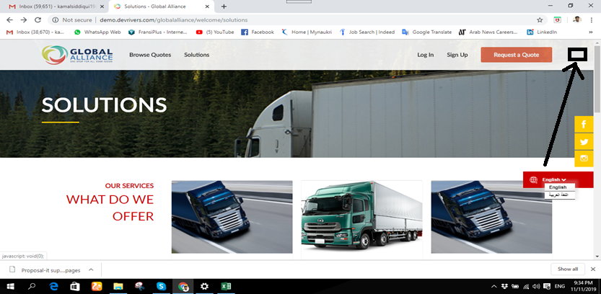
 | Create new User : Counrty ->State -> city not come as per Requirerd
Task0002 | 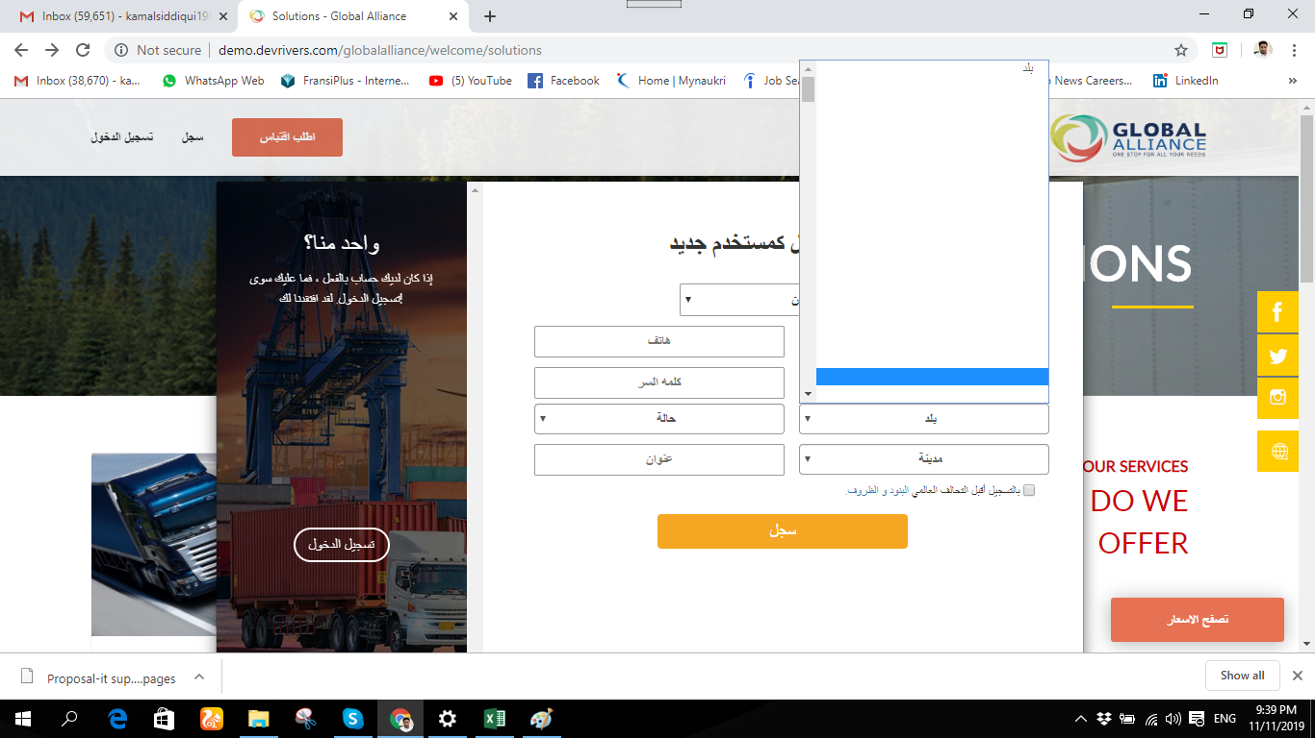
 | In Arabic version search option not show in proper way
Task0003 | 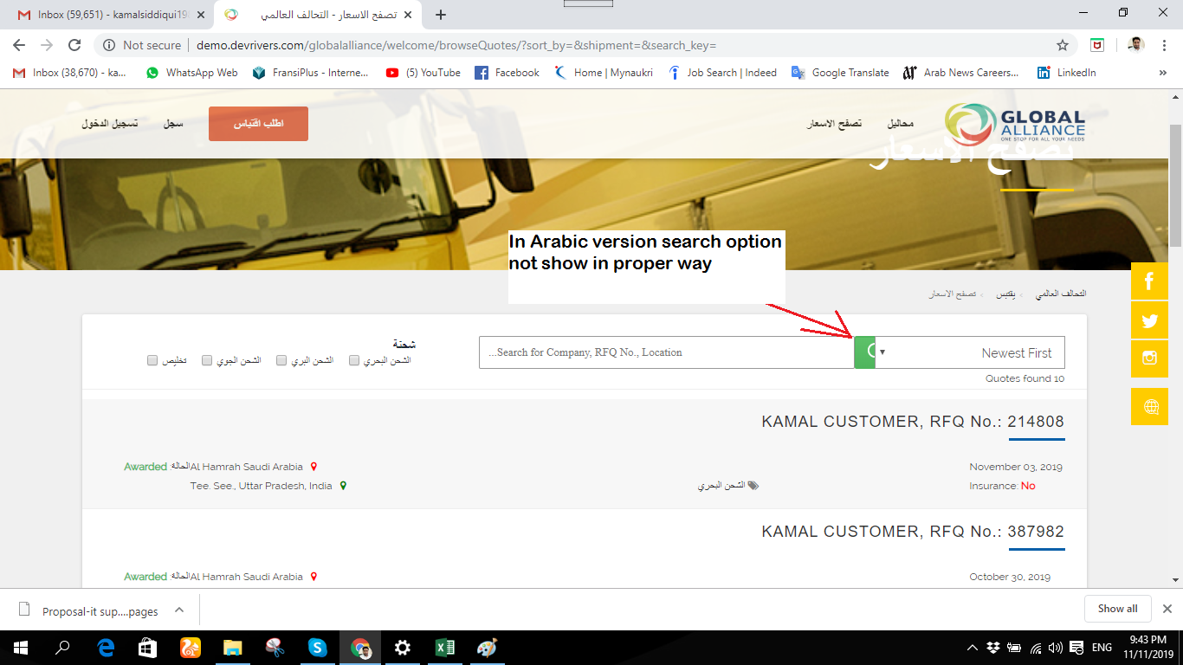
 | In browse Quotes Please make proper formatting as per Arabic same like English
Task0004 | 
Task 0005 | Customer ->Manage Awarded Quotes->payment -> download Receipt : payment receipt not available
 | 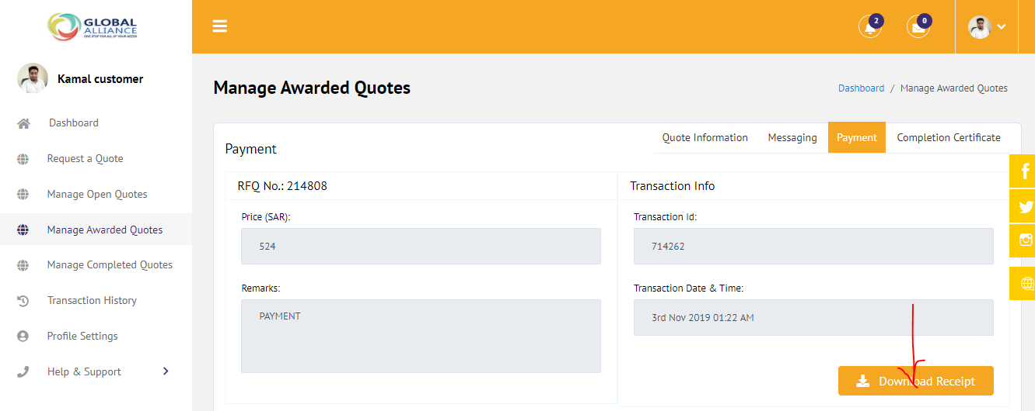
 | ADMIN->Transaction History
TASK0006 | 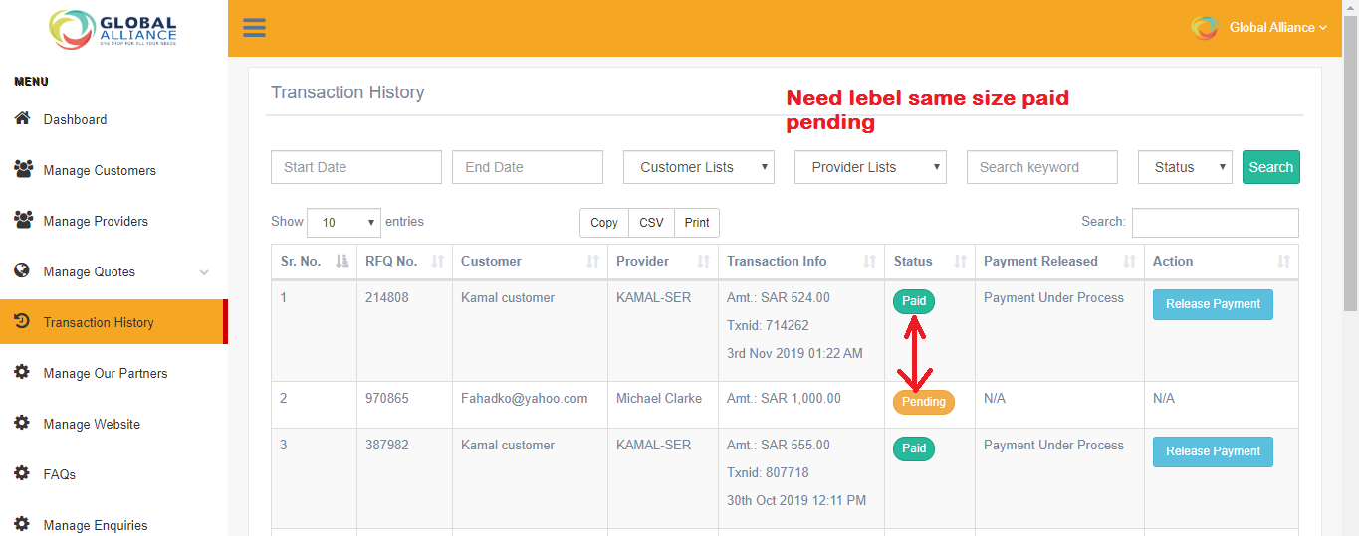
 | Admin->Manage Quotes->Browse Quotes : need label size same
TASK0007 | 