Category analyse
Analysis of Sales by Category of Products:
Analysis of Sales by Category

 | The most poular Category of Products: | Office Supplies
 |  | Beverages
 |  | Personal Care

Country&region analyse
Analysis of Sales by Region:
 |  | Total profit by Countries

Region with biggest count of Orders: | Europe

Analysis of Sales by sub-Region:

Sub-Region with biggest count of Orders: | Southern Europe

Analysis of Sales by Country:

Total Profit by Region

Top-3 countries by Order's count: | San Marino
 | Andorra
 | Romania

Sales Channel analyse
Analysis of Sales by Channel:
Sales Channel

Interval Shipping Analyse
The time Interval (days) between ordering and shipment by Category: | The time Interval (days) between ordering and shipment by Country:
Shipping Time Interval

The time Interval (days) between ordering and shipment by Region:

There is a correlation between profit and shipping time by Regions.
There is a slight correlation between profit and shipping time by Countries.
Profit does not depend on shipping time by Category.

Profit by Year
Total Year's rofit by Category
Total Year's Profit by Category:

The most profitable Year: | 2012
The most profitable Category: | Cosmetics

Total Year's Profit by Countries:
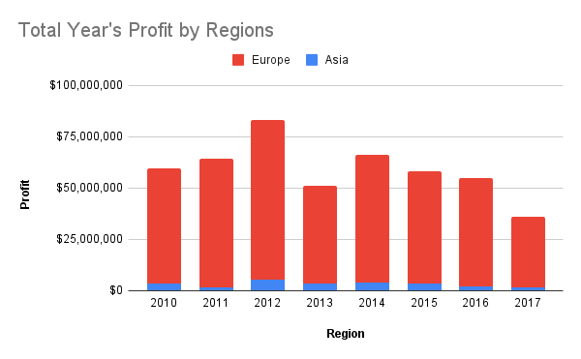

The most profitable Country: |  | Andorra

Total Year's Profit by Regions:

The most profitable Region: |  | Europe

WeekDays Analyse
Order's Count by WeekDay
Analysis of Sales by WeekDays:

The largest number of Orders sre made in: | Sunday
The Day of Week when the greatest Profit generated is: | Friday

ABC Analyse
ABC Analyse
 | Fate of Product | Accumulated fate | Class
 | 9.05% | 9.05% | A
 | 9.05% | 18.11% | A
 | 8.73% | 26.84% | A
 | 8.65% | 35.50% | A
 | 8.41% | 43.91% | A
 | 8.41% | 52.32% | A
 | 8.25% | 60.58% | A
 | 8.25% | 68.83% | A
 | 8.17% | 77.00% | A
 | 8.09% | 85.10% | B
 | 7.61% | 92.71% | B
 | 7.29% | 100.00% | C

Categories with 80% of product sales: Office Supplies, Beverages, Personal Care, Cosmetics, Vegetables, Baby Food, Meat, Fruits, Clothes.
Categories with 15% of product sales: Cereal, Snacks.
Category with less than 5% of product sales: Household.

Data Visualization
 |  | Total Profit by Countries | Total Costs by Countries
Total count of orders: | 1248
Total profit: | $473,709,035
Total count of covered countries: | 45
Analysis of Sales by Category

Total Year's rofit by Category
Total Profit by Region
Sales Channel

Order's Count by WeekDay
Shipping Time Interval

