w avg accuracy
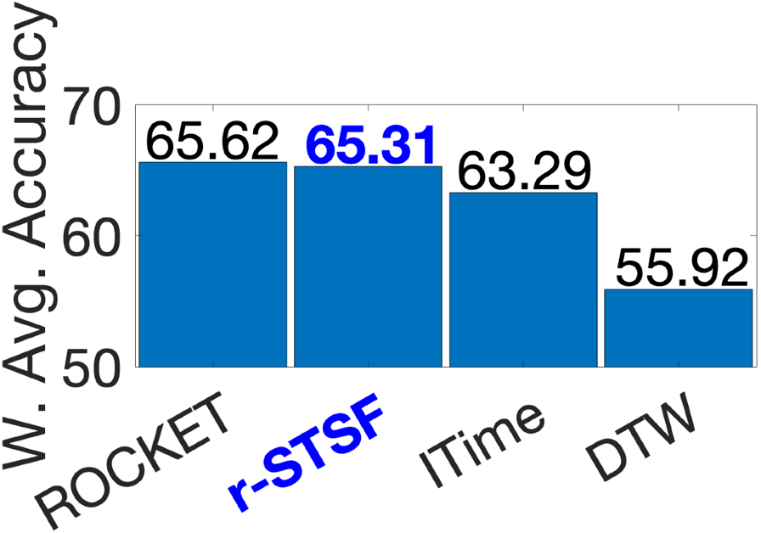
$$\sum_{k=1}^{N_{d}}{M_{k}}$$
Datasets |  | 1NN-DTW | InceptionTime | ROCKET | r-STSF | Nd | Nc |  | MaxAccu | Mi | w |  | 1NN-DTW | InceptionTime | ROCKET | r-STSF
ACSF1 |  | 0.62 | 0.896 | 0.878 | 0.904 | 43 | 4 | 38.045782267 |  | 0.904 | 0.83322942641 |  | 51.660224438 | 74.657356607 | 73.157543639 | 75.323940148
AllGestureWiimoteX |  | 0.7171 | 0.7723 | 0.7619 | 0.654 |  |  |  |  | 0.7723 | 1.9763160458 |  | 141.72162364 | 152.63088822 | 150.57551953 | 129.25106939
AllGestureWiimoteY |  | 0.73 | 0.8134 | 0.7617 | 0.688142857 |  |  |  |  | 0.8134 | 1.6195896976 |  | 118.23004792 | 131.737426 | 123.36414727 | 111.45090817
AllGestureWiimoteZ |  | 0.6514 | 0.792 | 0.7491 | 0.659142857 |  |  |  |  | 0.792 | 1.8053304239 |  | 117.59922381 | 142.98216957 | 135.23730205 | 118.99706534
BME |  | 0.98 | 0.9933 | 1 | 0.998666667 |  |  |  |  | 1 | 0 |  | 0 | 0 | 0 | 0
ChinaTown |  | 0.9536 | 0.9831 | 0.9802 | 0.985714286 |  |  |  |  | 0.985714286 | 0.12399247169 |  | 11.8239221 | 12.189699892 | 12.153742075 | 12.22211507
Crop |  | 0.7117 | 0.751 | 0.7502 | 0.777035714 |  |  |  |  | 0.777035714 | 1.9352125431 |  | 137.72907669 | 145.33446198 | 145.17964498 | 150.37292601
DodgerLoopDay |  | 0.5875 | 0.15 | 0.5763 | 0.63375 |  |  |  |  | 0.63375 | 3.1788570565 |  | 186.75785207 | 47.682855848 | 183.19753217 | 201.46006596
DodgerLoopGame |  | 0.9275 | 0.8536 | 0.8725 | 0.856521739 |  |  |  |  | 0.9275 | 0.62926180641 |  | 58.364032544 | 53.713787795 | 54.903092609 | 53.897641671
DodgerLoopWeekend |  | 0.9783 | 0.9696 | 0.9725 | 0.97826087 |  |  |  |  | 0.9783 | 0.18834456826 |  | 18.425749113 | 18.261889339 | 18.316509264 | 18.425012121
EOGHorizontalSignal |  | 0.4751 | 0.5878 | 0.6409 | 0.571546961 |  |  |  |  | 0.6409 | 3.1167988232 |  | 148.07911209 | 183.20543483 | 199.75563658 | 178.13968954
EOGVerticalSignal |  | 0.4751 | 0.4641 | 0.5423 | 0.528176796 |  |  |  |  | 0.5423 | 3.9725948799 |  | 188.73798274 | 184.36812838 | 215.43382034 | 209.82324355
EthanolLevel |  | 0.282 | 0.8036 | 0.582 | 0.6184 |  |  |  |  | 0.8036 | 1.7046485349 |  | 48.071088683 | 136.98555626 | 99.21054473 | 105.4154654
FreezerRegularTrain |  | 0.907 | 0.9965 | 0.9976 | 0.99922807 |  |  |  |  | 0.99922807 | 0.006699945741 |  | 0.60768507871 | 0.66764959309 | 0.66838658712 | 0.66947738518
FreezerSmallTrain |  | 0.6758 | 0.8657 | 0.9519 | 0.981438596 |  |  |  |  | 0.981438596 | 0.16110320842 |  | 10.887354825 | 13.946704753 | 15.33541441 | 15.811290668
Fungi |  | 0.8226 | 1 | 1 | 0.875268817 |  |  |  |  | 1 | 0 |  | 0 | 0 | 0 | 0
GestureMidAirD1 |  | 0.6385 | 0.7323 | 0.8062 | 0.688461538 |  |  |  |  | 0.8062 | 1.6820819046 |  | 107.40092961 | 123.17885787 | 135.60944315 | 115.80486951
GestureMidAirD2 |  | 0.6 | 0.7077 | 0.6831 | 0.620769231 |  |  |  |  | 0.7077 | 2.537010014 |  | 152.22060084 | 179.54419869 | 173.30315405 | 157.48977554
GestureMidAirD3 |  | 0.3769 | 0.3662 | 0.5785 | 0.494615385 |  |  |  |  | 0.5785 | 3.6583979504 |  | 137.88501875 | 133.97053294 | 211.63832143 | 180.94999107
GesturePebbleZ1 |  | 0.8256 | 0.9221 | 0.9663 | 0.897674419 |  |  |  |  | 0.9663 | 0.29249824656 |  | 24.148655236 | 26.971263316 | 28.264105566 | 26.256819354
GesturePebbleZ2 |  | 0.7785 | 0.8747 | 0.8911 | 0.887974684 |  |  |  |  | 0.8911 | 0.94519463059 |  | 73.583401991 | 82.676174338 | 84.226293532 | 83.930890342
GunPointAgeSpan |  | 0.9652 | 0.9873 | 0.9968 | 0.989873418 |  |  |  |  | 0.9968 | 0.027774314214 |  | 2.6807768079 | 2.7421580423 | 2.7685436408 | 2.7493055343
GunPointMaleVersusFemale |  | 0.9747 | 0.9956 | 0.9978 | 1 |  |  |  |  | 1 | 0 |  | 0 | 0 | 0 | 0
GunPointOldVersusYoung |  | 0.9651 | 0.9619 | 0.9905 | 1 |  |  |  |  | 1 | 0 |  | 0 | 0 | 0 | 0
HouseTwenty |  | 0.9412 | 0.9748 | 0.9639 | 0.919327731 |  |  |  |  | 0.9748 | 0.21872272443 |  | 20.586182824 | 21.321091178 | 21.082683408 | 20.107786597
InsectEPGRegularTrain |  | 0.8273 | 0.9984 | 0.9996 | 1 |  |  |  |  | 1 | 0 |  | 0 | 0 | 0 | 0
InsectEPGSmallTrain |  | 0.6948 | 0.9414 | 0.9815 | 1 |  |  |  |  | 1 | 0 |  | 0 | 0 | 0 | 0
MelbournePedestrian |  | 0.8482 | 0.9075 | 0.9035 | 0.971176712 |  |  |  |  | 0.971176712 | 0.2501709555 |  | 21.219500445 | 22.703014211 | 22.602945829 | 24.2960206
MixedShapesRegularTrain |  | 0.9089 | 0.9662 | 0.9704 | 0.949030928 |  |  |  |  | 0.9704 | 0.25691240648 |  | 23.350768625 | 24.822876714 | 24.930779925 | 24.381781953
MixedShapesSmallTrain |  | 0.8326 | 0.9116 | 0.9386 | 0.895876289 |  |  |  |  | 0.9386 | 0.53291965398 |  | 44.37089039 | 48.580955657 | 50.019838722 | 47.743008194
PLAID |  | 0.8361 | 0.9374 | 0.8896 | 0.898510242 |  |  |  |  | 0.9374 | 0.54333502181 |  | 45.428241173 | 50.932224944 | 48.33508354 | 48.819208193
PickupGestureWiimoteZ |  | 0.66 | 0.744 | 0.81 | 0.704 |  |  |  |  | 0.81 | 1.6490999064 |  | 108.84059383 | 122.69303304 | 133.57709242 | 116.09663341
PigAirwayPressure |  | 0.0962 | 0.5317 | 0.0885 | 0.375 |  |  |  |  | 0.5317 | 4.0645972957 |  | 39.101425985 | 216.11463821 | 35.971686067 | 152.42239859
PigArtPressure |  | 0.1971 | 0.9933 | 0.9529 | 0.924038462 |  |  |  |  | 0.9933 | 0.058152470385 |  | 1.1461851913 | 5.7762848834 | 5.541348903 | 5.3735119296
PigCVP |  | 0.1587 | 0.9529 | 0.9327 | 0.683173077 |  |  |  |  | 0.9529 | 0.40880318733 |  | 6.487706583 | 38.954855721 | 38.129073283 | 27.928333138
PowerCons |  | 0.9222 | 0.9478 | 0.9311 | 1 |  |  |  |  | 1 | 0 |  | 0 | 0 | 0 | 0
Rock |  | 0.84 | 0.752 | 0.898 | 0.758 |  |  |  |  | 0.898 | 0.88530626557 |  | 74.365726307 | 66.575031171 | 79.500502648 | 67.10621493
SemgHandGenderCh2 |  | 0.845 | 0.8023 | 0.923 | 0.966 |  |  |  |  | 0.966 | 0.29510208852 |  | 24.93612648 | 23.676040562 | 27.237922771 | 28.506861751
SemgHandMovementCh2 |  | 0.6378 | 0.42 | 0.6444 | 0.834888889 |  |  |  |  | 0.834888889 | 1.4330774616 |  | 91.401680501 | 60.189253387 | 92.347511625 | 119.64604498
SemgHandSubjectCh2 |  | 0.8 | 0.7871 | 0.8836 | 0.889333333 |  |  |  |  | 0.889333333 | 0.96052836945 |  | 76.842269556 | 75.60318796 | 84.872286725 | 85.422989625
ShakeGestureWiimoteZ |  | 0.84 | 0.9 | 0.892 | 0.856 |  |  |  |  | 0.9 | 0.86794731918 |  | 72.907574811 | 78.115258726 | 77.420900871 | 74.296290522
SmoothSubspace |  | 0.9467 | 0.9813 | 0.9793 | 0.98 |  |  |  |  | 0.9813 | 0.16230614869 |  | 15.365523096 | 15.927102371 | 15.894641141 | 15.906002571
UMD |  | 0.9722 | 0.9819 | 0.9924 | 0.997916667 |  |  |  |  | 0.997916667 | 0.018082232923 |  | 1.7579546848 | 1.7754944507 | 1.7944807953 | 1.8044561611

 | avg accuracy | 0.73 | 0.83 | 0.85 | 0.83 |  |  |  |  |  | 43 | waa | 55.923783941 | 63.28389622 | 65.617615727 | 65.30928151
 |  |  |  |  |  |  |  |  |  |  |  | ranks | 4 | 3 | 1 | 2

