avgRank per domain type
Datasets | # classes | # train | # test | length | type | BOSS | HCOTE | PF | CHIEF | Itime | ROCKET | rSTSF | HC-TDE | HC-CIF | STSF | TSF | ResNet | TDE | CIF |  | BOSS | HCOTE | PF | CHIEF | Itime | ROCKET | rSTSF | HC-TDE | HC-CIF | STSF | TSF | ResNet | TDE | CIF
Adiac | 37 | 390 | 391 | 176 | IMAGE | 0.7647 | 0.8107 | 0.7340 | 0.7980 | 0.8297 | 0.7847 | 0.8355 | 0.8082 | 0.8107 | 0.8279 | 0.7632 | 0.8290 | 0.7775 | 0.7801 |  | 12 | 5.5 | 14 | 8 | 2 | 9 | 1 | 7 | 5.5 | 4 | 13 | 3 | 11 | 10
ArrowHead | 3 | 5 | 175 | 251 | IMAGE | 0.8343 | 0.8629 | 0.8754 | 0.8327 | 0.8469 | 0.8051 | 0.7406 | 0.8800 | 0.8743 | 0.6749 | 0.7257 | 0.8450 | 0.8800 | 0.7714 |  | 8 | 5 | 3 | 9 | 6 | 10 | 12 | 1.5 | 4 | 14 | 13 | 7 | 1.5 | 11
BeetleFly | 2 | 20 | 20 | 512 | IMAGE | 0.9000 | 0.9500 | 0.8750 | 0.9136 | 0.8000 | 0.9000 | 0.9200 | 0.9500 | 0.8000 | 0.9400 | 0.7500 | 0.8500 | 0.9500 | 0.8000 |  | 7.5 | 2 | 9 | 6 | 12 | 7.5 | 5 | 2 | 12 | 4 | 14 | 10 | 2 | 12
BirdChicken | 2 | 20 | 20 | 512 | IMAGE | 0.9500 | 0.8500 | 0.8650 | 0.9091 | 0.9500 | 0.9000 | 0.9050 | 0.9500 | 1.0000 | 0.9000 | 0.8000 | 0.8850 | 0.9500 | 0.9000 |  | 3.5 | 13 | 12 | 6 | 3.5 | 9 | 7 | 3.5 | 1 | 9 | 14 | 11 | 3.5 | 9
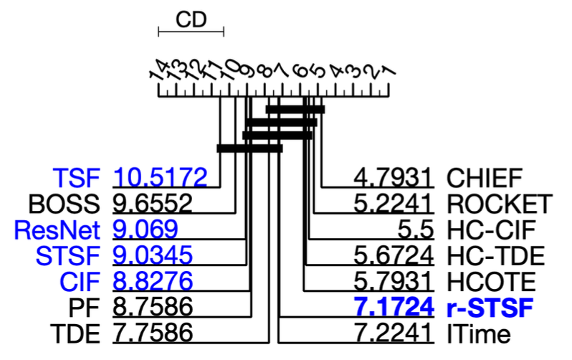
DiatomSizeReduction | 4 | 16 | 306 | 345 | IMAGE | 0.9314 | 0.9412 | 0.9657 | 0.9730 | 0.9346 | 0.9703 | 0.9252 | 0.9281 | 0.9412 | 0.9663 | 0.9480 | 0.3010 | 0.8922 | 0.8791 |  | 9 | 6.5 | 4 | 1 | 8 | 2 | 11 | 10 | 6.5 | 3 | 5 | 14 | 12 | 13
DistalPhalanxOutlineAgeGroup | 3 | 400 | 139 | 80 | IMAGE | 0.7482 | 0.7626 | 0.7309 | 0.7462 | 0.7338 | 0.7547 | 0.7302 | 0.7482 | 0.7770 | 0.7281 | 0.7482 | 0.7170 | 0.7266 | 0.7410 |  | 5 | 2 | 10 | 7 | 9 | 3 | 11 | 5 | 1 | 12 | 5 | 14 | 13 | 8
DistalPhalanxOutlineCorrect | 2 | 600 | 276 | 80 | IMAGE | 0.7283 | 0.7717 | 0.7928 | 0.7823 | 0.7681 | 0.7678 | 0.7812 | 0.7754 | 0.7862 | 0.7884 | 0.7717 | 0.7710 | 0.7391 | 0.7826 |  | 14 | 8.5 | 1 | 5 | 11 | 12 | 6 | 7 | 3 | 2 | 8.5 | 10 | 13 | 4
DistalPhalanxTW | 6 | 400 | 139 | 80 | IMAGE | 0.6763 | 0.6835 | 0.6597 | 0.6704 | 0.6647 | 0.7187 | 0.6806 | 0.6978 | 0.6763 | 0.6827 | 0.6691 | 0.6650 | 0.6763 | 0.6978 |  | 7.5 | 4 | 14 | 10 | 13 | 1 | 6 | 2.5 | 7.5 | 5 | 11 | 12 | 9 | 2.5
FaceAll | 14 | 560 | 1690 | 131 | IMAGE | 0.7817 | 0.8030 | 0.8938 | 0.8414 | 0.8008 | 0.9475 | 0.9264 | 0.7710 | 0.7905 | 0.7885 | 0.7683 | 0.8390 | 0.7787 | 0.7503 |  | 10 | 6 | 3 | 4 | 7 | 1 | 2 | 12 | 8 | 9 | 13 | 5 | 11 | 14
FaceFour | 4 | 24 | 88 | 350 | IMAGE | 1.0000 | 0.9545 | 0.9739 | 1.0000 | 0.9568 | 0.9750 | 0.9886 | 0.9886 | 0.9886 | 0.9773 | 0.9841 | 0.9550 | 1.0000 | 1.0000 |  | 2.5 | 14 | 11 | 2.5 | 12 | 10 | 6 | 6 | 6 | 9 | 8 | 13 | 2.5 | 2.5
FacesUCR | 14 | 200 | 2050 | 131 | IMAGE | 0.9571 | 0.9629 | 0.9459 | 0.9663 | 0.9640 | 0.9616 | 0.8951 | 0.9571 | 0.9629 | 0.8859 | 0.9001 | 0.9550 | 0.9610 | 0.8971 |  | 7.5 | 3.5 | 10 | 1 | 2 | 5 | 13 | 7.5 | 3.5 | 14 | 11 | 9 | 6 | 12
FiftyWords | 50 | 450 | 450 | 270 | IMAGE | 0.7055 | 0.8088 | 0.8314 | 0.8450 | 0.8066 | 0.8305 | 0.7699 | 0.8022 | 0.8110 | 0.7705 | 0.7328 | 0.7270 | 0.7978 | 0.7802 |  | 14 | 5 | 2 | 1 | 6 | 3 | 11 | 7 | 4 | 10 | 12 | 13 | 8 | 9
Fish | 7 | 175 | 175 | 463 | IMAGE | 0.9886 | 0.9886 | 0.9349 | 0.9943 | 0.9760 | 0.9789 | 0.9291 | 0.9943 | 0.9886 | 0.9034 | 0.8526 | 0.9790 | 0.9886 | 0.9086 |  | 4 | 4 | 10 | 1.5 | 9 | 8 | 11 | 1.5 | 4 | 13 | 14 | 7 | 6 | 12
HandOutlines | 2 | 1000 | 370 | 2709 | IMAGE | 0.9110 | 0.9324 | 0.9214 | 0.9322 | 0.9465 | 0.9416 | 0.9157 | 0.9324 | 0.9324 | 0.9203 | 0.9189 | 0.9110 | 0.9110 | 0.9216 |  | 13 | 4 | 8 | 6 | 1 | 2 | 11 | 4 | 4 | 9 | 10 | 13 | 13 | 7
Herring | 2 | 64 | 64 | 512 | IMAGE | 0.5469 | 0.6875 | 0.5797 | 0.5881 | 0.6656 | 0.6859 | 0.6047 | 0.5625 | 0.6250 | 0.6297 | 0.6094 | 0.6190 | 0.6094 | 0.5938 |  | 14 | 1 | 12 | 11 | 3 | 2 | 9 | 13 | 5 | 4 | 7 | 6 | 8 | 10
MedicalImages | 10 | 381 | 760 | 99 | IMAGE | 0.7184 | 0.7776 | 0.7582 | 0.7958 | 0.7866 | 0.7975 | 0.8167 | 0.7711 | 0.7987 | 0.7859 | 0.7800 | 0.7700 | 0.7539 | 0.7421 |  | 14 | 8 | 11 | 4 | 5 | 3 | 1 | 9 | 2 | 6 | 7 | 10 | 12 | 13
MiddlePhalanxOutlineAgeGroup | 3 | 400 | 154 | 80 | IMAGE | 0.5455 | 0.5974 | 0.5623 | 0.5832 | 0.5234 | 0.5955 | 0.5935 | 0.6039 | 0.5844 | 0.5682 | 0.5779 | 0.5690 | 0.5714 | 0.6039 |  | 13 | 3 | 12 | 7 | 14 | 4 | 5 | 1.5 | 6 | 11 | 8 | 10 | 9 | 1.5
MiddlePhalanxOutlineCorrect | 2 | 600 | 291 | 80 | IMAGE | 0.7801 | 0.8316 | 0.8364 | 0.8535 | 0.8165 | 0.8412 | 0.8361 | 0.8213 | 0.8282 | 0.8227 | 0.8282 | 0.8090 | 0.7595 | 0.8144 |  | 13 | 5 | 3 | 1 | 10 | 2 | 4 | 9 | 6.5 | 8 | 6.5 | 12 | 14 | 11
MiddlePhalanxTW | 6 | 399 | 154 | 80 | IMAGE | 0.5455 | 0.5714 | 0.5292 | 0.5502 | 0.5078 | 0.5558 | 0.5968 | 0.6169 | 0.5714 | 0.5890 | 0.5649 | 0.4840 | 0.5974 | 0.5455 |  | 10.5 | 5.5 | 12 | 9 | 13 | 8 | 3 | 1 | 5.5 | 4 | 7 | 14 | 2 | 10.5
OSULeaf | 6 | 200 | 242 | 427 | IMAGE | 0.9545 | 0.9793 | 0.8273 | 0.9914 | 0.9248 | 0.9380 | 0.8488 | 0.9545 | 0.9876 | 0.7983 | 0.5839 | 0.9790 | 0.9380 | 0.7603 |  | 5.5 | 3 | 11 | 1 | 9 | 8 | 10 | 5.5 | 2 | 12 | 14 | 4 | 7 | 13
PhalangesOutlinesCorrect | 2 | 1800 | 858 | 80 | IMAGE | 0.7716 | 0.8065 | 0.8235 | 0.8450 | 0.8375 | 0.8300 | 0.8406 | 0.8193 | 0.8159 | 0.8317 | 0.8030 | 0.8390 | 0.7774 | 0.8345 |  | 14 | 11 | 8 | 1 | 4 | 7 | 2 | 9 | 10 | 6 | 12 | 3 | 13 | 5
ProximalPhalanxOutlineAgeGroup | 3 | 400 | 205 | 80 | IMAGE | 0.8341 | 0.8585 | 0.8463 | 0.8497 | 0.8449 | 0.8551 | 0.8541 | 0.8488 | 0.8439 | 0.8444 | 0.8488 | 0.8530 | 0.8634 | 0.8488 |  | 14 | 2 | 10 | 6 | 11 | 3 | 4 | 8 | 13 | 12 | 8 | 5 | 1 | 8
ProximalPhalanxOutlineCorrect | 2 | 600 | 291 | 80 | IMAGE | 0.8488 | 0.8797 | 0.8732 | 0.8882 | 0.9175 | 0.8990 | 0.9206 | 0.8935 | 0.8866 | 0.9052 | 0.8282 | 0.9210 | 0.8591 | 0.8832 |  | 13 | 10 | 11 | 7 | 3 | 5 | 2 | 6 | 8 | 4 | 14 | 1 | 12 | 9
ProximalPhalanxTW | 6 | 400 | 205 | 80 | IMAGE | 0.8000 | 0.8146 | 0.7790 | 0.8186 | 0.7815 | 0.8161 | 0.7912 | 0.8098 | 0.8049 | 0.7649 | 0.8146 | 0.7800 | 0.8000 | 0.8146 |  | 8.5 | 4 | 13 | 1 | 11 | 2 | 10 | 6 | 7 | 14 | 4 | 12 | 8.5 | 4
ShapesAll | 60 | 600 | 600 | 512 | IMAGE | 0.9083 | 0.9050 | 0.8858 | 0.9300 | 0.9183 | 0.9082 | 0.8612 | 0.9350 | 0.9217 | 0.8522 | 0.7917 | 0.9210 | 0.9317 | 0.8533 |  | 7 | 9 | 10 | 3 | 6 | 8 | 11 | 1 | 4 | 13 | 14 | 5 | 2 | 12
SwedishLeaf | 15 | 500 | 625 | 128 | IMAGE | 0.9216 | 0.9536 | 0.9466 | 0.9655 | 0.9635 | 0.9659 | 0.9554 | 0.9472 | 0.9456 | 0.9429 | 0.8957 | 0.9560 | 0.9360 | 0.9568 |  | 13 | 7 | 9 | 2 | 3 | 1 | 6 | 8 | 10 | 11 | 14 | 5 | 12 | 4
Symbols | 6 | 25 | 995 | 398 | IMAGE | 0.9668 | 0.9739 | 0.9616 | 0.9766 | 0.9803 | 0.9746 | 0.9724 | 0.9789 | 0.9789 | 0.8839 | 0.8856 | 0.9060 | 0.9678 | 0.9648 |  | 9 | 6 | 11 | 4 | 1 | 5 | 7 | 2.5 | 2.5 | 14 | 13 | 12 | 8 | 10
WordSynonyms | 25 | 267 | 638 | 270 | IMAGE | 0.6379 | 0.7382 | 0.7787 | 0.7874 | 0.7323 | 0.7552 | 0.6539 | 0.7382 | 0.7727 | 0.6364 | 0.6243 | 0.6220 | 0.7586 | 0.6912 |  | 11 | 6.5 | 2 | 1 | 8 | 5 | 10 | 6.5 | 3 | 12 | 13 | 14 | 4 | 9
Yoga | 2 | 300 | 3000 | 426 | IMAGE | 0.9183 | 0.9177 | 0.8786 | 0.8347 | 0.8906 | 0.9085 | 0.8559 | 0.9217 | 0.9160 | 0.8280 | 0.8414 | 0.8700 | 0.9253 | 0.8633 |  | 3 | 4 | 8 | 13 | 7 | 6 | 11 | 2 | 5 | 14 | 12 | 9 | 1 | 10

 |  |  |  |  | average accuracy | 0.81294482759 | 0.84052758621 | 0.82297241379 | 0.84353103448 | 0.8299862069 | 0.84699655172 | 0.82568965517 | 0.84158275862 | 0.84211034483 | 0.80819310345 | 0.77966551724 | 0.79748275862 | 0.83026540093 | 0.80621724138 |  | 9.6551724138 | 5.7931034483 | 8.7586206897 | 4.7931034483 | 7.224137931 | 5.224137931 | 7.1724137931 | 5.6724137931 | 5.5 | 9.0344827586 | 10.517241379 | 9.0689655172 | 7.7586206897 | 8.8275862069
 |  |  |  |  |  |  |  |  |  |  |  |  |  |  |  |  |  |  |  | ranks | 13 | 5 | 9 | 1 | 7 | 2 | 6 | 4 | 3 | 11 | 14 | 12 | 8 | 10
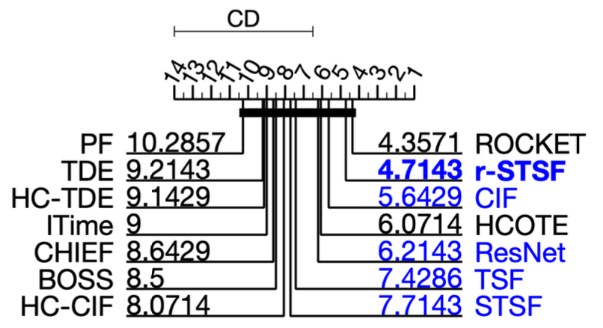

Beef | 5 | 30 | 30 | 470 | SPECTRO | 0.8000 | 0.9333 | 0.7200 | 0.7061 | 0.6867 | 0.8333 | 0.8700 | 0.8333 | 0.8333 | 0.8400 | 0.8633 | 0.7530 | 0.9000 | 0.8000 |  | 9.5 | 1 | 12 | 13 | 14 | 7 | 3 | 7 | 7 | 5 | 4 | 11 | 2 | 9.5
Coffee | 2 | 28 | 28 | 286 | SPECTRO | 1.0000 | 1.0000 | 1.0000 | 1.0000 | 1.0000 | 1.0000 | 1.0000 | 1.0000 | 1.0000 | 1.0000 | 1.0000 | 1.0000 | 1.0000 | 1.0000 |  | 7.5 | 7.5 | 7.5 | 7.5 | 7.5 | 7.5 | 7.5 | 7.5 | 7.5 | 7.5 | 7.5 | 7.5 | 7.5 | 7.5
Ham | 2 | 109 | 105 | 431 | SPECTRO | 0.6667 | 0.6667 | 0.6600 | 0.7152 | 0.7048 | 0.7257 | 0.7695 | 0.6286 | 0.6762 | 0.7381 | 0.7429 | 0.7570 | 0.5905 | 0.7619 |  | 10.5 | 10.5 | 12 | 7 | 8 | 6 | 1 | 13 | 9 | 5 | 4 | 3 | 14 | 2
Meat | 3 | 60 | 60 | 448 | SPECTRO | 0.9000 | 0.9333 | 0.9333 | 0.8879 | 0.9333 | 0.9450 | 0.9500 | 0.9167 | 0.9333 | 0.9317 | 0.9333 | 0.9680 | 0.8833 | 0.9333 |  | 12 | 6.5 | 6.5 | 13 | 6.5 | 3 | 2 | 11 | 6.5 | 10 | 6.5 | 1 | 14 | 6.5
OliveOil | 4 | 30 | 30 | 570 | SPECTRO | 0.8667 | 0.9000 | 0.8667 | 0.8879 | 0.8200 | 0.9267 | 0.9000 | 0.8667 | 0.8667 | 0.9333 | 0.9067 | 0.8300 | 0.8667 | 0.9333 |  | 9.5 | 5.5 | 9.5 | 7 | 14 | 3 | 5.5 | 9.5 | 9.5 | 1.5 | 4 | 13 | 12 | 1.5
Strawberry | 2 | 613 | 370 | 235 | SPECTRO | 0.9757 | 0.9703 | 0.9684 | 0.9663 | 0.9827 | 0.9819 | 0.9684 | 0.9703 | 0.9703 | 0.9638 | 0.9649 | 0.9810 | 0.9757 | 0.9730 |  | 4 | 8 | 10.5 | 12 | 1 | 2 | 10.5 | 8 | 8 | 14 | 13 | 3 | 5 | 6
Wine | 2 | 57 | 54 | 234 | SPECTRO | 0.7407 | 0.7778 | 0.5685 | 0.8906 | 0.6593 | 0.8074 | 0.7778 | 0.7222 | 0.7037 | 0.6685 | 0.6296 | 0.7440 | 0.6852 | 0.7407 |  | 6.5 | 3.5 | 14 | 1 | 12 | 2 | 3.5 | 8 | 9 | 11 | 13 | 5 | 10 | 6.5

 |  |  |  |  | average accuracy | 0.84997142857 | 0.88305714286 | 0.8167 | 0.86485714286 | 0.82668571429 | 0.88857142857 | 0.89081428571 | 0.84825714286 | 0.85478571429 | 0.86791428571 | 0.86295714286 | 0.86185714286 | 0.84304815019 | 0.87745714286 |  | 8.5 | 6.0714285714 | 10.285714286 | 8.6428571429 | 9 | 4.3571428571 | 4.7142857143 | 9.1428571429 | 8.0714285714 | 7.7142857143 | 7.4285714286 | 6.2142857143 | 9.2142857143 | 5.6428571429
 |  |  |  |  |  |  |  |  |  |  |  |  |  |  |  |  |  |  |  | ranks | 9 | 4 | 14 | 10 | 11 | 1 | 2 | 12 | 8 | 7 | 6 | 5 | 13 | 3

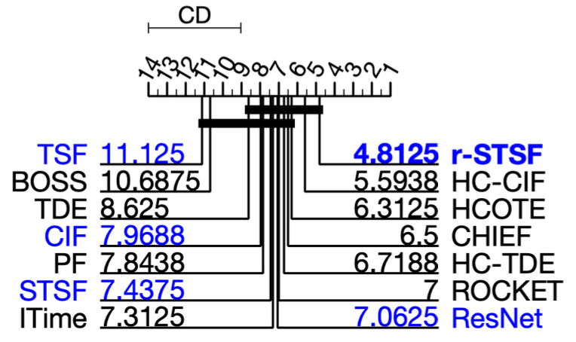
Car | 4 | 60 | 60 | 577 | SENSOR | 0.8333 | 0.8667 | 0.8467 | 0.8545 | 0.8900 | 0.8917 | 0.8750 | 0.8667 | 0.9000 | 0.8150 | 0.7667 | 0.9250 | 0.8167 | 0.8667 |  | 11 | 7 | 10 | 9 | 4 | 3 | 5 | 7 | 2 | 13 | 14 | 1 | 12 | 7
Earthquakes | 2 | 322 | 139 | 512 | SENSOR | 0.7482 | 0.7482 | 0.7540 | 0.7482 | 0.7424 | 0.7482 | 0.7525 | 0.7482 | 0.7482 | 0.7691 | 0.7482 | 0.7120 | 0.7482 | 0.7482 |  | 8.5 | 8.5 | 2 | 8.5 | 13 | 8.5 | 3 | 8.5 | 8.5 | 1 | 8.5 | 14 | 4 | 8.5
FordA | 2 | 3601 | 1320 | 500 | SENSOR | 0.9295 | 0.9644 | 0.8546 | 0.9410 | 0.9573 | 0.9449 | 0.9768 | 0.9455 | 0.9644 | 0.9630 | 0.8152 | 0.9200 | 0.9295 | 0.9129 |  | 9.5 | 2.5 | 13 | 8 | 5 | 7 | 1 | 6 | 2.5 | 4 | 14 | 11 | 9.5 | 12
FordB | 2 | 3636 | 810 | 500 | SENSOR | 0.8200 | 0.8235 | 0.7149 | 0.8296 | 0.8489 | 0.8063 | 0.8301 | 0.8395 | 0.8235 | 0.7942 | 0.6877 | 0.9130 | 0.8200 | 0.7543 |  | 8.5 | 6.5 | 13 | 5 | 2 | 10 | 4 | 3 | 6.5 | 11 | 14 | 1 | 8.5 | 12
InsectWingbeatSound | 11 | 220 | 1980 | 256 | SENSOR | 0.5232 | 0.6551 | 0.6187 | 0.6429 | 0.6304 | 0.6566 | 0.6680 | 0.6571 | 0.6576 | 0.6656 | 0.6328 | 0.5070 | 0.5879 | 0.6662 |  | 13 | 7 | 11 | 8 | 10 | 6 | 1 | 5 | 4 | 3 | 9 | 14 | 12 | 2
ItalyPowerDemand | 2 | 67 | 1029 | 24 | SENSOR | 0.9086 | 0.9631 | 0.9671 | 0.9706 | 0.9642 | 0.9691 | 0.9731 | 0.9660 | 0.9621 | 0.9706 | 0.9700 | 0.9630 | 0.9485 | 0.9699 |  | 14 | 10 | 7 | 2.5 | 9 | 6 | 1 | 8 | 12 | 2.5 | 4 | 11 | 13 | 5
Lightning2 | 2 | 60 | 61 | 637 | SENSOR | 0.8361 | 0.8197 | 0.8656 | 0.7481 | 0.7869 | 0.7639 | 0.7672 | 0.7377 | 0.8197 | 0.7246 | 0.7951 | 0.7700 | 0.7869 | 0.7541 |  | 2 | 3.5 | 1 | 12 | 6 | 10 | 9 | 13 | 3.5 | 14 | 5 | 8 | 7 | 11
Lightning7 | 7 | 70 | 73 | 319 | SENSOR | 0.6849 | 0.7397 | 0.8219 | 0.7634 | 0.8027 | 0.8219 | 0.7685 | 0.7123 | 0.7534 | 0.7699 | 0.7411 | 0.8450 | 0.7123 | 0.7534 |  | 14 | 11 | 2.5 | 7 | 4 | 2.5 | 6 | 13 | 8.5 | 5 | 10 | 1 | 12 | 8.5
MoteStrain | 2 | 20 | 1252 | 84 | SENSOR | 0.8786 | 0.9329 | 0.9024 | 0.9475 | 0.8861 | 0.9142 | 0.9448 | 0.9681 | 0.9497 | 0.9236 | 0.8863 | 0.9280 | 0.9505 | 0.8882 |  | 14 | 6 | 10 | 4 | 13 | 9 | 5 | 1 | 3 | 8 | 12 | 7 | 2 | 11
Phoneme | 39 | 214 | 1896 | 1024 | SENSOR | 0.2648 | 0.3824 | 0.3201 | 0.3691 | 0.3281 | 0.2796 | 0.3976 | 0.4124 | 0.3898 | 0.3252 | 0.2120 | 0.3340 | 0.3634 | 0.3803 |  | 13 | 4 | 11 | 6 | 9 | 12 | 2 | 1 | 3 | 10 | 14 | 8 | 7 | 5
Plane | 7 | 105 | 105 | 144 | SENSOR | 1.0000 | 1.0000 | 1.0000 | 1.0000 | 1.0000 | 1.0000 | 1.0000 | 1.0000 | 1.0000 | 1.0000 | 1.0000 | 1.0000 | 1.0000 | 1.0000 |  | 7.5 | 7.5 | 7.5 | 7.5 | 7.5 | 7.5 | 7.5 | 7.5 | 7.5 | 7.5 | 7.5 | 7.5 | 7.5 | 7.5
SonyAIBORobotSurface1 | 2 | 20 | 601 | 70 | SENSOR | 0.6323 | 0.7654 | 0.8458 | 0.8264 | 0.8639 | 0.9241 | 0.8958 | 0.7604 | 0.7537 | 0.9067 | 0.7564 | 0.9580 | 0.5657 | 0.7704 |  | 13 | 9 | 6 | 7 | 5 | 2 | 4 | 10 | 12 | 3 | 11 | 1 | 14 | 8
SonyAIBORobotSurface2 | 2 | 27 | 953 | 65 | SENSOR | 0.8594 | 0.9276 | 0.8963 | 0.9248 | 0.9461 | 0.9164 | 0.8740 | 0.9161 | 0.9465 | 0.8325 | 0.8186 | 0.9780 | 0.8804 | 0.9045 |  | 12 | 4 | 9 | 5 | 3 | 6 | 11 | 7 | 2 | 13 | 14 | 1 | 10 | 8
StarLightCurves | 3 | 1000 | 8236 | 1024 | SENSOR | 0.9778 | 0.9815 | 0.9813 | 0.9824 | 0.9778 | 0.9811 | 0.9794 | 0.9784 | 0.9815 | 0.9784 | 0.9640 | 0.9720 | 0.9767 | 0.9803 |  | 10.5 | 2.5 | 4 | 1 | 10.5 | 5 | 7 | 8.5 | 2.5 | 8.5 | 14 | 13 | 12 | 6
Trace | 4 | 100 | 100 | 275 | SENSOR | 1.0000 | 1.0000 | 1.0000 | 1.0000 | 1.0000 | 1.0000 | 1.0000 | 1.0000 | 1.0000 | 0.9900 | 0.9780 | 1.0000 | 1.0000 | 1.0000 |  | 6.5 | 6.5 | 6.5 | 6.5 | 6.5 | 6.5 | 6.5 | 6.5 | 6.5 | 13 | 14 | 6.5 | 6.5 | 6.5
Wafer | 2 | 1000 | 6164 | 152 | SENSOR | 0.9948 | 0.9994 | 0.9955 | 0.9991 | 0.9985 | 0.9983 | 0.9997 | 0.9998 | 0.9994 | 0.9998 | 0.9950 | 0.9990 | 0.9998 | 0.9985 |  | 14 | 5.5 | 12 | 7 | 9.5 | 11 | 4 | 2.5 | 5.5 | 2.5 | 13 | 8 | 1 | 9.5

 |  |  |  |  | average accuracy | 0.80571875 | 0.8481 | 0.83655625 | 0.846725 | 0.85145625 | 0.85101875 | 0.85640625 | 0.8442625 | 0.85309375 | 0.8392625 | 0.79794375 | 0.85775 | 0.81790359223 | 0.83424375 |  | 10.6875 | 6.3125 | 7.84375 | 6.5 | 7.3125 | 7 | 4.8125 | 6.71875 | 5.59375 | 7.4375 | 11.125 | 7.0625 | 8.625 | 7.96875
 |  |  |  |  |  |  |  |  |  |  |  |  |  |  |  |  |  |  |  | ranks | 13 | 3 | 10 | 4 | 8 | 6 | 1 | 5 | 2 | 9 | 14 | 7 | 12 | 11
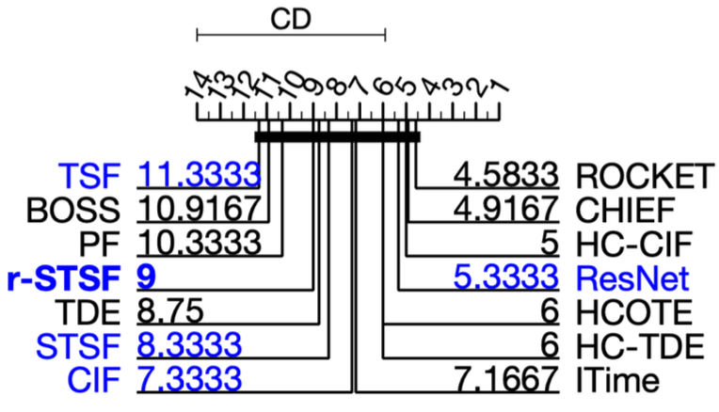

CBF | 3 | 30 | 900 | 128 | SIMULATED | 0.9978 | 0.9989 | 0.9933 | 0.9979 | 0.9978 | 0.9999 | 0.9917 | 1.0000 | 0.9989 | 0.9790 | 0.9727 | 0.9950 | 1.0000 | 0.9989 |  | 8.5 | 5 | 11 | 7 | 8.5 | 3 | 12 | 1.5 | 5 | 13 | 14 | 10 | 1.5 | 5
ChlorineConcentration | 3 | 467 | 3840 | 166 | SIMULATED | 0.6609 | 0.7120 | 0.6339 | 0.7167 | 0.8728 | 0.8130 | 0.7782 | 0.7516 | 0.7336 | 0.7804 | 0.7493 | 0.8440 | 0.7023 | 0.7286 |  | 13 | 11 | 14 | 10 | 1 | 3 | 5 | 6 | 8 | 4 | 7 | 2 | 12 | 9
Mallat | 8 | 55 | 2345 | 1024 | SIMULATED | 0.9382 | 0.9620 | 0.9576 | 0.9750 | 0.9406 | 0.9560 | 0.9657 | 0.9544 | 0.9603 | 0.9688 | 0.9646 | 0.9720 | 0.9190 | 0.9791 |  | 13 | 7 | 9 | 2 | 12 | 10 | 5 | 11 | 8 | 4 | 6 | 3 | 14 | 1
ShapeletSim | 2 | 20 | 180 | 500 | SIMULATED | 1.0000 | 1.0000 | 0.7761 | 1.0000 | 0.9167 | 1.0000 | 0.9789 | 1.0000 | 1.0000 | 0.9833 | 0.4778 | 0.7790 | 1.0000 | 0.9889 |  | 4 | 4 | 13 | 4 | 11 | 4 | 10 | 4 | 4 | 9 | 14 | 12 | 4 | 8
SyntheticControl | 6 | 300 | 300 | 60 | SIMULATED | 0.9667 | 0.9967 | 0.9953 | 0.9979 | 0.9960 | 0.9970 | 0.9900 | 0.9967 | 1.0000 | 0.9903 | 0.9757 | 1.0000 | 0.9933 | 0.9867 |  | 14 | 5.5 | 8 | 3 | 7 | 4 | 11 | 5.5 | 1.5 | 10 | 13 | 1.5 | 9 | 12
TwoPatterns | 4 | 1000 | 4000 | 128 | SIMULATED | 0.9930 | 1.0000 | 0.9996 | 1.0000 | 1.0000 | 1.0000 | 0.9969 | 0.9990 | 1.0000 | 0.9977 | 0.9467 | 1.0000 | 0.9965 | 0.9988 |  | 13 | 3.5 | 7 | 3.5 | 3.5 | 3.5 | 11 | 8 | 3.5 | 10 | 14 | 3.5 | 12 | 9

 |  |  |  |  | average accuracy | 0.9261 | 0.94493333333 | 0.89263333333 | 0.94791666667 | 0.95398333333 | 0.96098333333 | 0.95023333333 | 0.95028333333 | 0.9488 | 0.94991666667 | 0.8478 | 0.93166666667 | 0.93519227153 | 0.94683333333 |  | 10.916666667 | 6 | 10.333333333 | 4.9166666667 | 7.1666666667 | 4.5833333333 | 9 | 6 | 5 | 8.3333333333 | 11.333333333 | 5.3333333333 | 8.75 | 7.3333333333
 |  |  |  |  |  |  |  |  |  |  |  |  |  |  |  |  |  |  |  | ranks | 13 | 5 | 12 | 2 | 7 | 1 | 11 | 5 | 3 | 9 | 14 | 4 | 10 | 8

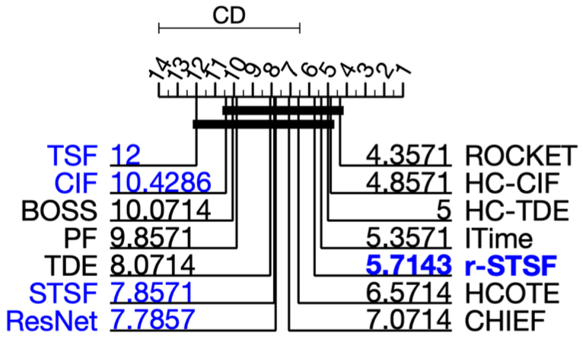
CinCECGTorso | 4 | 40 | 1380 | 1639 | ECG | 0.8870 | 0.9964 | 0.9343 | 0.9832 | 0.8422 | 0.8349 | 0.9993 | 1.0000 | 0.9993 | 0.9849 | 0.9507 | 0.8260 | 0.9964 | 0.9942 |  | 11 | 4 | 10 | 8 | 12 | 13 | 2.5 | 1 | 2.5 | 7 | 9 | 14 | 5 | 6
ECG200 | 2 | 100 | 100 | 96 | ECG | 0.8700 | 0.8500 | 0.9090 | 0.8618 | 0.9180 | 0.9060 | 0.8970 | 0.8600 | 0.8700 | 0.8800 | 0.8550 | 0.8740 | 0.8600 | 0.8400 |  | 7.5 | 13 | 2 | 9 | 1 | 3 | 4 | 10.5 | 7.5 | 5 | 12 | 6 | 10.5 | 14
ECG5000 | 5 | 500 | 4500 | 140 | ECG | 0.9413 | 0.9462 | 0.9365 | 0.9454 | 0.9393 | 0.9470 | 0.9439 | 0.9473 | 0.9482 | 0.9421 | 0.9389 | 0.9340 | 0.9436 | 0.9396 |  | 9 | 4 | 13 | 5 | 11 | 3 | 6 | 2 | 1 | 8 | 12 | 14 | 7 | 10
ECGFiveDays | 2 | 23 | 861 | 136 | ECG | 1.0000 | 1.0000 | 0.8492 | 1.0000 | 1.0000 | 1.0000 | 0.9948 | 1.0000 | 1.0000 | 0.9777 | 0.9369 | 0.9750 | 1.0000 | 0.9872 |  | 4.5 | 4.5 | 14 | 4.5 | 4.5 | 4.5 | 9 | 4.5 | 4.5 | 11 | 13 | 12 | 4.5 | 10
NonInvasiveFetalECGThorax1 | 42 | 1800 | 1965 | 750 | ECG | 0.8382 | 0.9303 | 0.9066 | 0.9113 | 0.9562 | 0.9514 | 0.9364 | 0.9206 | 0.9303 | 0.9327 | 0.8997 | 0.9450 | 0.8321 | 0.9135 |  | 13 | 6.5 | 11 | 10 | 1 | 2 | 4 | 8 | 6.5 | 5 | 12 | 3 | 14 | 9
NonInvasiveFetalECGThorax2 | 42 | 1800 | 1965 | 750 | ECG | 0.9008 | 0.9445 | 0.9399 | 0.9450 | 0.9579 | 0.9688 | 0.9460 | 0.9445 | 0.9445 | 0.9406 | 0.9113 | 0.9460 | 0.9008 | 0.9277 |  | 13.5 | 7 | 10 | 5 | 2 | 1 | 3.5 | 7 | 7 | 9 | 12 | 3.5 | 13.5 | 11
TwoLeadECG | 2 | 23 | 1139 | 82 | ECG | 0.9807 | 0.9965 | 0.9886 | 0.9946 | 0.9967 | 0.9991 | 0.9844 | 1.0000 | 0.9974 | 0.9872 | 0.9039 | 1.0000 | 1.0000 | 0.9438 |  | 12 | 7 | 9 | 8 | 6 | 4 | 11 | 2 | 5 | 10 | 14 | 2 | 2 | 13

 |  |  |  |  | average accuracy | 0.91685714286 | 0.95198571429 | 0.92344285714 | 0.94875714286 | 0.94432857143 | 0.94388571429 | 0.9574 | 0.9532 | 0.95567142857 | 0.94931428571 | 0.91377142857 | 0.92857142857 | 0.93325620512 | 0.93514285714 |  | 10.071428571 | 6.5714285714 | 9.8571428571 | 7.0714285714 | 5.3571428571 | 4.3571428571 | 5.7142857143 | 5 | 4.8571428571 | 7.8571428571 | 12 | 7.7857142857 | 8.0714285714 | 10.428571429
 |  |  |  |  |  |  |  |  |  |  |  |  |  |  |  |  |  |  |  | ranks | 12 | 6 | 11 | 7 | 4 | 1 | 5 | 3 | 2 | 9 | 14 | 8 | 10 | 13

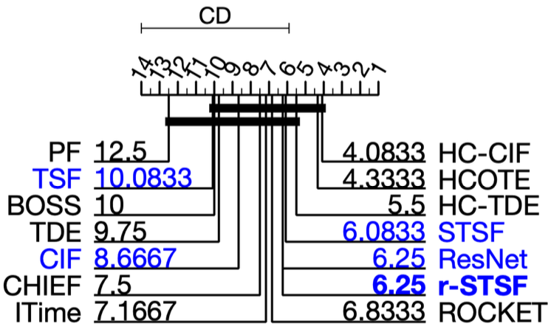
Computers | 2 | 250 | 250 | 720 | DEVICE | 0.7560 | 0.7600 | 0.6444 | 0.7051 | 0.7856 | 0.7600 | 0.7320 | 0.7040 | 0.7760 | 0.7560 | 0.7200 | 0.8150 | 0.6640 | 0.7320 |  | 6.5 | 4.5 | 14 | 11 | 2 | 4.5 | 8.5 | 12 | 3 | 6.5 | 10 | 1 | 13 | 8.5
ElectricDevices | 7 | 8926 | 7711 | 96 | DEVICE | 0.7992 | 0.7703 | 0.7060 | 0.7553 | 0.7086 | 0.7305 | 0.7403 | 0.7461 | 0.7703 | 0.7406 | 0.6925 | 0.7290 | 0.7992 | 0.7304 |  | 1.5 | 3.5 | 13 | 5 | 12 | 9 | 8 | 6 | 3.5 | 7 | 14 | 11 | 1.5 | 10
LargeKitchenAppliances | 3 | 375 | 375 | 720 | DEVICE | 0.7653 | 0.8640 | 0.7819 | 0.8068 | 0.9003 | 0.9000 | 0.8064 | 0.8880 | 0.8907 | 0.7939 | 0.5707 | 0.9000 | 0.8267 | 0.8000 |  | 13 | 6 | 12 | 8 | 1 | 2.5 | 9 | 5 | 4 | 11 | 14 | 2.5 | 7 | 10
RefrigerationDevices | 3 | 375 | 375 | 720 | DEVICE | 0.4987 | 0.5573 | 0.5323 | 0.5583 | 0.5227 | 0.5347 | 0.5904 | 0.5787 | 0.5653 | 0.5803 | 0.5893 | 0.5250 | 0.5173 | 0.5733 |  | 14 | 8 | 10 | 7 | 12 | 9 | 1 | 4 | 6 | 3 | 2 | 11 | 13 | 5
ScreenType | 3 | 375 | 375 | 720 | DEVICE | 0.4640 | 0.5893 | 0.4552 | 0.5081 | 0.5797 | 0.4856 | 0.5461 | 0.5947 | 0.5733 | 0.5333 | 0.4560 | 0.6220 | 0.4507 | 0.4693 |  | 11 | 3 | 13 | 8 | 4 | 9 | 6 | 2 | 5 | 7 | 12 | 1 | 14 | 10
SmallKitchenAppliances | 3 | 375 | 375 | 720 | DEVICE | 0.7253 | 0.8533 | 0.7443 | 0.8221 | 0.7557 | 0.8213 | 0.8235 | 0.8240 | 0.8320 | 0.8344 | 0.8107 | 0.7860 | 0.7973 | 0.8107 |  | 14 | 1 | 13 | 6 | 12 | 7 | 5 | 4 | 3 | 2 | 8.5 | 11 | 10 | 8.5

 |  |  |  |  | average accuracy | 0.66808333333 | 0.73236666667 | 0.64401666667 | 0.69261666667 | 0.70876666667 | 0.70535 | 0.70645 | 0.72258333333 | 0.7346 | 0.70641666667 | 0.63986666667 | 0.7295 | 0.67586666667 | 0.68595 |  | 10 | 4.3333333333 | 12.5 | 7.5 | 7.1666666667 | 6.8333333333 | 6.25 | 5.5 | 4.0833333333 | 6.0833333333 | 10.083333333 | 6.25 | 9.75 | 8.6666666667
 |  |  |  |  |  |  |  |  |  |  |  |  |  |  |  |  |  |  |  | ranks | 12 | 2 | 14 | 9 | 8 | 7 | 5 | 3 | 1 | 4 | 13 | 5 | 11 | 10

CricketX | 12 | 390 | 390 | 300 | MOTION | 0.7359 | 0.8231 | 0.8021 | 0.8138 | 0.8405 | 0.8223 | 0.7451 | 0.8282 | 0.8462 | 0.6833 | 0.6497 | 0.7910 | 0.8051 | 0.7487 |  | 12 | 4 | 8 | 6 | 2 | 5 | 11 | 3 | 1 | 13 | 14 | 9 | 7 | 10
CricketY | 12 | 390 | 390 | 300 | MOTION | 0.7538 | 0.8487 | 0.7938 | 0.8019 | 0.8390 | 0.8503 | 0.7721 | 0.8154 | 0.8462 | 0.7477 | 0.7087 | 0.8030 | 0.7974 | 0.7744 |  | 12 | 2 | 9 | 7 | 4 | 1 | 11 | 5 | 3 | 13 | 14 | 6 | 8 | 10
CricketZ | 12 | 390 | 390 | 300 | MOTION | 0.7462 | 0.8308 | 0.8010 | 0.8340 | 0.8492 | 0.8577 | 0.7723 | 0.8333 | 0.8282 | 0.7218 | 0.6662 | 0.8120 | 0.8282 | 0.7949 |  | 12 | 5 | 9 | 3 | 2 | 1 | 11 | 4 | 7 | 13 | 14 | 8 | 6 | 10
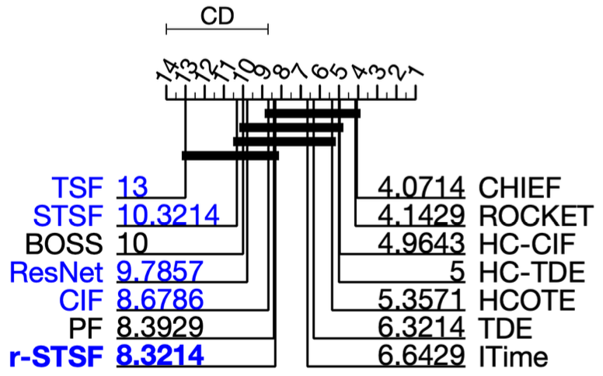
GunPoint | 2 | 50 | 150 | 150 | MOTION | 1.0000 | 1.0000 | 0.9973 | 1.0000 | 1.0000 | 1.0000 | 0.9700 | 0.9933 | 0.9933 | 0.9200 | 0.9507 | 0.9910 | 1.0000 | 0.9800 |  | 3.5 | 3.5 | 7 | 3.5 | 3.5 | 3.5 | 12 | 8.5 | 8.5 | 14 | 13 | 10 | 3.5 | 11
Haptics | 5 | 155 | 308 | 1092 | MOTION | 0.4610 | 0.5195 | 0.4445 | 0.5168 | 0.5487 | 0.5250 | 0.5156 | 0.5519 | 0.5487 | 0.5075 | 0.4357 | 0.5190 | 0.5357 | 0.4805 |  | 12 | 6 | 13 | 8 | 2.5 | 5 | 9 | 1 | 2.5 | 10 | 14 | 7 | 4 | 11
InlineSkate | 7 | 100 | 550 | 1884 | MOTION | 0.5164 | 0.5000 | 0.5418 | 0.5269 | 0.4851 | 0.4582 | 0.6675 | 0.5418 | 0.5218 | 0.5547 | 0.3224 | 0.3730 | 0.5200 | 0.4309 |  | 8 | 9 | 3.5 | 5 | 10 | 11 | 1 | 3.5 | 6 | 2 | 14 | 13 | 7 | 12
ToeSegmentation1 | 2 | 40 | 228 | 277 | MOTION | 0.9386 | 0.9825 | 0.9246 | 0.9653 | 0.9614 | 0.9702 | 0.8474 | 0.9561 | 0.9737 | 0.8443 | 0.7412 | 0.9630 | 0.9693 | 0.9298 |  | 9 | 1 | 11 | 5 | 7 | 3 | 12 | 8 | 2 | 13 | 14 | 6 | 4 | 10
ToeSegmentation2 | 2 | 36 | 130 | 343 | MOTION | 0.9615 | 0.9538 | 0.8623 | 0.9538 | 0.9431 | 0.9262 | 0.8792 | 0.9231 | 0.9308 | 0.8846 | 0.8154 | 0.9060 | 0.9615 | 0.8846 |  | 2 | 3.5 | 13 | 3.5 | 5 | 7 | 12 | 8 | 6 | 10.5 | 14 | 9 | 1 | 10.5
UWaveGestureLibraryAll | 8 | 896 | 3582 | 945 | MOTION | 0.9389 | 0.9685 | 0.9723 | 0.9689 | 0.9437 | 0.9757 | 0.9559 | 0.9673 | 0.9685 | 0.9548 | 0.9573 | 0.8600 | 0.9481 | 0.9726 |  | 13 | 5.5 | 3 | 4 | 12 | 1 | 9 | 7 | 5.5 | 10 | 8 | 14 | 11 | 2
UWaveGestureLibraryX | 8 | 896 | 3582 | 315 | MOTION | 0.7621 | 0.8398 | 0.8286 | 0.8411 | 0.8138 | 0.8546 | 0.8288 | 0.8319 | 0.8317 | 0.8110 | 0.7896 | 0.7800 | 0.8177 | 0.8191 |  | 14 | 3 | 7 | 2 | 10 | 1 | 6 | 4 | 5 | 11 | 12 | 13 | 9 | 8
UWaveGestureLibraryY | 8 | 896 | 3582 | 315 | MOTION | 0.6851 | 0.7655 | 0.7615 | 0.7723 | 0.7546 | 0.7729 | 0.7575 | 0.7462 | 0.7627 | 0.7416 | 0.7115 | 0.6700 | 0.7272 | 0.7591 |  | 13 | 3 | 5 | 2 | 8 | 1 | 7 | 9 | 4 | 10 | 12 | 14 | 11 | 6
UWaveGestureLibraryZ | 8 | 896 | 3582 | 315 | MOTION | 0.6949 | 0.7831 | 0.7640 | 0.7844 | 0.7502 | 0.7917 | 0.7681 | 0.7945 | 0.7814 | 0.7586 | 0.7358 | 0.7500 | 0.7806 | 0.7702 |  | 14 | 4 | 9 | 3 | 11 | 2 | 8 | 1 | 5 | 10 | 13 | 12 | 6 | 7
Worms | 5 | 181 | 77 | 900 | MOTION | 0.5584 | 0.5584 | 0.7182 | 0.8017 | 0.7688 | 0.7273 | 0.7922 | 0.7403 | 0.6623 | 0.7675 | 0.6104 | 0.7910 | 0.7792 | 0.7273 |  | 13.5 | 13.5 | 10 | 1 | 5 | 8.5 | 2 | 7 | 11 | 6 | 12 | 3 | 4 | 8.5
WormsTwoClass | 2 | 181 | 77 | 900 | MOTION | 0.8312 | 0.7792 | 0.7844 | 0.8158 | 0.7818 | 0.7987 | 0.8052 | 0.8442 | 0.8182 | 0.7909 | 0.6234 | 0.7470 | 0.8052 | 0.8052 |  | 2 | 12 | 10 | 4 | 11 | 8 | 5.5 | 1 | 3 | 9 | 14 | 13 | 7 | 5.5

 |  |  |  |  | average accuracy | 0.756 | 0.79663571429 | 0.78545714286 | 0.81405 | 0.80570714286 | 0.80934285714 | 0.79120714286 | 0.81196428571 | 0.80812142857 | 0.76345 | 0.69414285714 | 0.76828571429 | 0.80538042722 | 0.77695 |  | 10 | 5.3571428571 | 8.3928571429 | 4.0714285714 | 6.6428571429 | 4.1428571429 | 8.3214285714 | 5 | 4.9642857143 | 10.321428571 | 13 | 9.7857142857 | 6.3214285714 | 8.6785714286
 |  |  |  |  |  |  |  |  |  |  |  |  |  |  |  |  |  |  |  | ranks | 12 | 5 | 9 | 1 | 7 | 2 | 8 | 4 | 3 | 13 | 14 | 11 | 6 | 10

waa per domain type
$$\sum_{k=1}^{N_{d}}{M_{k}}$$
Datasets | # classes | # train | # test | length | type | BOSS | HCOTE | PF | CHIEF | Itime | ROCKET | rSTSF | HC-TDE | HC-CIF | STSF | TSF | ResNet | TDE | CIF | Nd | Nc |  | MaxAccu | Mi | w |  | BOSS | HCOTE | PF | CHIEF | Itime | ROCKET | rSTSF | HC-TDE | HC-CIF | STSF | TSF | ResNet | TDE | CIF
Adiac | 37 | 390 | 391 | 176 | IMAGE | 0.7647 | 0.8107 | 0.7340 | 0.7980 | 0.8297 | 0.7847 | 0.8355 | 0.8082 | 0.8107 | 0.8279 | 0.7632 | 0.8290 | 0.7775 | 0.7801 | 29 | 14 | 25.2384 |  | 0.8355 | 1.2682265083 |  | 96.9813 | 102.8151 | 93.0878 | 101.2045 | 105.2248 | 99.5177 | 105.9603 | 102.4981 | 102.8151 | 104.9965 | 96.7910 | 105.1360 | 98.6038 | 98.9343
ArrowHead | 3 | 5 | 175 | 251 | IMAGE | 0.8343 | 0.8629 | 0.8754 | 0.8327 | 0.8469 | 0.8051 | 0.7406 | 0.8800 | 0.8743 | 0.6749 | 0.7257 | 0.8450 | 0.8800 | 0.7714 |  |  |  |  | 0.8800 | 0.92515003645 |  | 77.1853 | 79.8312 | 80.9876 | 77.0372 | 78.3510 | 74.4838 | 68.5166 | 81.4132 | 80.8859 | 62.4384 | 67.1381 | 78.1752 | 81.4132 | 71.3661
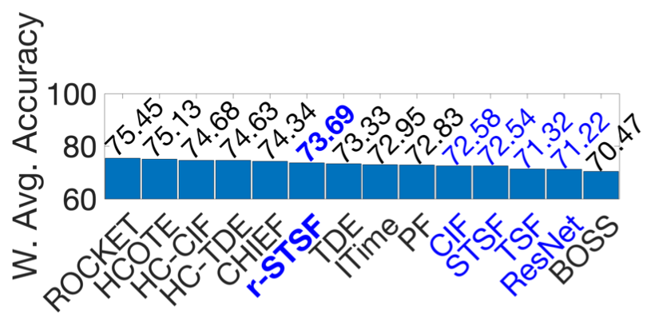
BeetleFly | 2 | 20 | 20 | 512 | IMAGE | 0.9000 | 0.9500 | 0.8750 | 0.9136 | 0.8000 | 0.9000 | 0.9200 | 0.9500 | 0.8000 | 0.9400 | 0.7500 | 0.8500 | 0.9500 | 0.8000 |  |  |  |  | 0.9500 | 0.38547918185 |  | 34.6931 | 36.6205 | 33.7294 | 35.2174 | 30.8383 | 34.6931 | 35.4641 | 36.6205 | 30.8383 | 36.2350 | 28.9109 | 32.7657 | 36.6205 | 30.8383
BirdChicken | 2 | 20 | 20 | 512 | IMAGE | 0.9500 | 0.8500 | 0.8650 | 0.9091 | 0.9500 | 0.9000 | 0.9050 | 0.9500 | 1.0000 | 0.9000 | 0.8000 | 0.8850 | 0.9500 | 0.9000 |  |  |  |  | 1.0000 | 0 |  | 0.0000 | 0.0000 | 0.0000 | 0.0000 | 0.0000 | 0.0000 | 0.0000 | 0.0000 | 0.0000 | 0.0000 | 0.0000 | 0.0000 | 0.0000 | 0.0000
DiatomSizeReduction | 4 | 16 | 306 | 345 | IMAGE | 0.9314 | 0.9412 | 0.9657 | 0.9730 | 0.9346 | 0.9703 | 0.9252 | 0.9281 | 0.9412 | 0.9663 | 0.9480 | 0.3010 | 0.8922 | 0.8791 |  |  |  |  | 0.9730 | 0.2081587582 |  | 19.3879 | 19.5919 | 20.1019 | 20.2538 | 19.4545 | 20.1976 | 19.2588 | 19.3192 | 19.5919 | 20.1144 | 19.7335 | 6.2656 | 18.5710 | 18.2992
DistalPhalanxOutlineAgeGroup | 3 | 400 | 139 | 80 | IMAGE | 0.7482 | 0.7626 | 0.7309 | 0.7462 | 0.7338 | 0.7547 | 0.7302 | 0.7482 | 0.7770 | 0.7281 | 0.7482 | 0.7170 | 0.7266 | 0.7410 |  |  |  |  | 0.7770 | 1.7192371511 |  | 128.6333 | 131.1090 | 125.6590 | 128.2895 | 126.1576 | 129.7508 | 125.5387 | 128.6333 | 133.5847 | 125.1777 | 128.6333 | 123.2693 | 124.9230 | 127.3955
DistalPhalanxOutlineCorrect | 2 | 600 | 276 | 80 | IMAGE | 0.7283 | 0.7717 | 0.7928 | 0.7823 | 0.7681 | 0.7678 | 0.7812 | 0.7754 | 0.7862 | 0.7884 | 0.7717 | 0.7710 | 0.7391 | 0.7826 |  |  |  |  | 0.7928 | 1.5974257296 |  | 116.3405 | 123.2733 | 126.6439 | 124.9666 | 122.6983 | 122.6503 | 124.7909 | 123.8644 | 125.5896 | 125.9410 | 123.2733 | 123.1615 | 118.0706 | 125.0145
DistalPhalanxTW | 6 | 400 | 139 | 80 | IMAGE | 0.6763 | 0.6835 | 0.6597 | 0.6704 | 0.6647 | 0.7187 | 0.6806 | 0.6978 | 0.6763 | 0.6827 | 0.6691 | 0.6650 | 0.6763 | 0.6978 |  |  |  |  | 0.7187 | 2.1687058771 |  | 146.6696 | 148.2310 | 143.0695 | 145.3900 | 144.1539 | 155.8649 | 147.6021 | 151.3323 | 146.6696 | 148.0576 | 145.1081 | 144.2189 | 146.6607 | 151.3323
FaceAll | 14 | 560 | 1690 | 131 | IMAGE | 0.7817 | 0.8030 | 0.8938 | 0.8414 | 0.8008 | 0.9475 | 0.9264 | 0.7710 | 0.7905 | 0.7885 | 0.7683 | 0.8390 | 0.7787 | 0.7503 |  |  |  |  | 0.9475 | 0.40475314095 |  | 31.6396 | 32.5017 | 36.1768 | 34.0559 | 32.4126 | 38.3504 | 37.4963 | 31.2065 | 31.9957 | 31.9148 | 31.0972 | 33.9588 | 31.5181 | 30.3686
FaceFour | 4 | 24 | 88 | 350 | IMAGE | 1.0000 | 0.9545 | 0.9739 | 1.0000 | 0.9568 | 0.9750 | 0.9886 | 0.9886 | 0.9886 | 0.9773 | 0.9841 | 0.9550 | 1.0000 | 1.0000 |  |  |  |  | 1.0000 | 0 |  | 0.0000 | 0.0000 | 0.0000 | 0.0000 | 0.0000 | 0.0000 | 0.0000 | 0.0000 | 0.0000 | 0.0000 | 0.0000 | 0.0000 | 0.0000 | 0.0000
FacesUCR | 14 | 200 | 2050 | 131 | IMAGE | 0.9571 | 0.9629 | 0.9459 | 0.9663 | 0.9640 | 0.9616 | 0.8951 | 0.9571 | 0.9629 | 0.8859 | 0.9001 | 0.9550 | 0.9610 | 0.8971 |  |  |  |  | 0.9663 | 0.25981296857 |  | 24.8667 | 25.0174 | 24.5757 | 25.1057 | 25.0460 | 24.9836 | 23.2559 | 24.8667 | 25.0174 | 23.0168 | 23.3858 | 24.8121 | 24.9674 | 23.3078
FiftyWords | 50 | 450 | 450 | 270 | IMAGE | 0.7055 | 0.8088 | 0.8314 | 0.8450 | 0.8066 | 0.8305 | 0.7699 | 0.8022 | 0.8110 | 0.7705 | 0.7328 | 0.7270 | 0.7978 | 0.7802 |  |  |  |  | 0.8450 | 1.1949854637 |  | 84.3062 | 96.6504 | 99.3511 | 100.9763 | 96.3875 | 99.2435 | 92.0019 | 95.8617 | 96.9133 | 92.0736 | 87.5685 | 86.8754 | 95.3362 | 93.2328
Fish | 7 | 175 | 175 | 463 | IMAGE | 0.9886 | 0.9886 | 0.9349 | 0.9943 | 0.9760 | 0.9789 | 0.9291 | 0.9943 | 0.9886 | 0.9034 | 0.8526 | 0.9790 | 0.9886 | 0.9086 |  |  |  |  | 0.9943 | 0.043944626731 |  | 4.3444 | 4.3444 | 4.1084 | 4.3694 | 4.2890 | 4.3017 | 4.0829 | 4.3694 | 4.3444 | 3.9700 | 3.7467 | 4.3022 | 4.3442 | 3.9928
HandOutlines | 2 | 1000 | 370 | 2709 | IMAGE | 0.9110 | 0.9324 | 0.9214 | 0.9322 | 0.9465 | 0.9416 | 0.9157 | 0.9324 | 0.9324 | 0.9203 | 0.9189 | 0.9110 | 0.9110 | 0.9216 |  |  |  |  | 0.9465 | 0.41246272458 |  | 37.5754 | 38.4580 | 38.0043 | 38.4498 | 39.0396 | 38.8375 | 37.7692 | 38.4580 | 38.4580 | 37.9589 | 37.9012 | 37.5754 | 37.5754 | 38.0126
Herring | 2 | 64 | 64 | 512 | IMAGE | 0.5469 | 0.6875 | 0.5797 | 0.5881 | 0.6656 | 0.6859 | 0.6047 | 0.5625 | 0.6250 | 0.6297 | 0.6094 | 0.6190 | 0.6094 | 0.5938 |  |  |  |  | 0.6875 | 2.4092448866 |  | 131.7616 | 165.6356 | 139.6639 | 141.6877 | 160.3593 | 165.2501 | 145.6870 | 135.5200 | 150.5778 | 151.7102 | 146.8194 | 149.1323 | 146.8134 | 143.0610
MedicalImages | 10 | 381 | 760 | 99 | IMAGE | 0.7184 | 0.7776 | 0.7582 | 0.7958 | 0.7866 | 0.7975 | 0.8167 | 0.7711 | 0.7987 | 0.7859 | 0.7800 | 0.7700 | 0.7539 | 0.7421 |  |  |  |  | 0.8167 | 1.4131666807 |  | 101.5219 | 109.8878 | 107.1463 | 112.4598 | 111.1597 | 112.7000 | 115.4133 | 108.9693 | 112.8696 | 111.0608 | 110.2270 | 108.8138 | 106.5453 | 104.8711
MiddlePhalanxOutlineAgeGroup | 3 | 400 | 154 | 80 | IMAGE | 0.5455 | 0.5974 | 0.5623 | 0.5832 | 0.5234 | 0.5955 | 0.5935 | 0.6039 | 0.5844 | 0.5682 | 0.5779 | 0.5690 | 0.5714 | 0.6039 |  |  |  |  | 0.6039 | 3.0537660787 |  | 166.5829 | 182.4320 | 171.7133 | 178.0956 | 159.8341 | 181.8518 | 181.2410 | 184.4169 | 178.4621 | 173.5150 | 176.4771 | 173.7593 | 174.5009 | 184.4169
MiddlePhalanxOutlineCorrect | 2 | 600 | 291 | 80 | IMAGE | 0.7801 | 0.8316 | 0.8364 | 0.8535 | 0.8165 | 0.8412 | 0.8361 | 0.8213 | 0.8282 | 0.8227 | 0.8282 | 0.8090 | 0.7595 | 0.8144 |  |  |  |  | 0.8535 | 1.1294540028 |  | 88.1087 | 93.9254 | 94.4675 | 96.3989 | 92.2199 | 95.0097 | 94.4336 | 92.7621 | 93.5414 | 92.9202 | 93.5414 | 91.3728 | 85.7764 | 91.9827
MiddlePhalanxTW | 6 | 399 | 154 | 80 | IMAGE | 0.5455 | 0.5714 | 0.5292 | 0.5502 | 0.5078 | 0.5558 | 0.5968 | 0.6169 | 0.5714 | 0.5890 | 0.5649 | 0.4840 | 0.5974 | 0.5455 |  |  |  |  | 0.6169 | 2.9535414914 |  | 161.1157 | 168.7654 | 156.3014 | 162.5039 | 149.9808 | 164.1578 | 176.2674 | 182.2040 | 168.7654 | 173.9636 | 166.8456 | 142.9514 | 176.4453 | 161.1157
OSULeaf | 6 | 200 | 242 | 427 | IMAGE | 0.9545 | 0.9793 | 0.8273 | 0.9914 | 0.9248 | 0.9380 | 0.8488 | 0.9545 | 0.9876 | 0.7983 | 0.5839 | 0.9790 | 0.9380 | 0.7603 |  |  |  |  | 0.9914 | 0.066302419279 |  | 6.3286 | 6.4930 | 5.4852 | 6.5732 | 6.1316 | 6.2192 | 5.6277 | 6.3286 | 6.5480 | 5.2929 | 3.8714 | 6.4910 | 6.2193 | 5.0410
PhalangesOutlinesCorrect | 2 | 1800 | 858 | 80 | IMAGE | 0.7716 | 0.8065 | 0.8235 | 0.8450 | 0.8375 | 0.8300 | 0.8406 | 0.8193 | 0.8159 | 0.8317 | 0.8030 | 0.8390 | 0.7774 | 0.8345 |  |  |  |  | 0.8450 | 1.1949854637 |  | 92.2051 | 96.3756 | 98.4071 | 100.9763 | 100.0800 | 99.1838 | 100.4505 | 97.9052 | 97.4989 | 99.3869 | 95.9573 | 100.2593 | 92.8969 | 99.7215
ProximalPhalanxOutlineAgeGroup | 3 | 400 | 205 | 80 | IMAGE | 0.8341 | 0.8585 | 0.8463 | 0.8497 | 0.8449 | 0.8551 | 0.8541 | 0.8488 | 0.8439 | 0.8444 | 0.8488 | 0.8530 | 0.8634 | 0.8488 |  |  |  |  | 0.8634 | 1.0530163017 |  | 87.8321 | 90.4014 | 89.1168 | 89.4748 | 88.9693 | 90.0434 | 89.9381 | 89.3800 | 88.8640 | 88.9167 | 89.3800 | 89.8223 | 90.9190 | 89.3800
ProximalPhalanxOutlineCorrect | 2 | 600 | 291 | 80 | IMAGE | 0.8488 | 0.8797 | 0.8732 | 0.8882 | 0.9175 | 0.8990 | 0.9206 | 0.8935 | 0.8866 | 0.9052 | 0.8282 | 0.9210 | 0.8591 | 0.8832 |  |  |  |  | 0.9210 | 0.60905710733 |  | 51.6968 | 53.5788 | 53.1829 | 54.0965 | 55.8810 | 54.7542 | 56.0698 | 54.4193 | 53.9990 | 55.1318 | 50.4421 | 56.0942 | 52.3245 | 53.7919
ProximalPhalanxTW | 6 | 400 | 205 | 80 | IMAGE | 0.8000 | 0.8146 | 0.7790 | 0.8186 | 0.7815 | 0.8161 | 0.7912 | 0.8098 | 0.8049 | 0.7649 | 0.8146 | 0.7800 | 0.8000 | 0.8146 |  |  |  |  | 0.8186 | 1.3985184718 |  | 111.8815 | 113.9233 | 108.9446 | 114.4827 | 109.2942 | 114.1331 | 110.6508 | 113.2520 | 112.5668 | 106.9727 | 113.9233 | 109.0844 | 111.8815 | 113.9233
ShapesAll | 60 | 600 | 600 | 512 | IMAGE | 0.9083 | 0.9050 | 0.8858 | 0.9300 | 0.9183 | 0.9082 | 0.8612 | 0.9350 | 0.9217 | 0.8522 | 0.7917 | 0.9210 | 0.9317 | 0.8533 |  |  |  |  | 0.9350 | 0.50112293641 |  | 45.5170 | 45.3516 | 44.3895 | 46.6044 | 46.0181 | 45.5120 | 43.1567 | 46.8550 | 46.1885 | 42.7057 | 39.6739 | 46.1534 | 46.6880 | 42.7608
SwedishLeaf | 15 | 500 | 625 | 128 | IMAGE | 0.9216 | 0.9536 | 0.9466 | 0.9655 | 0.9635 | 0.9659 | 0.9554 | 0.9472 | 0.9456 | 0.9429 | 0.8957 | 0.9560 | 0.9360 | 0.9568 |  |  |  |  | 0.9659 | 0.26289680202 |  | 24.2286 | 25.0698 | 24.8858 | 25.3827 | 25.3301 | 25.3932 | 25.1172 | 24.9016 | 24.8595 | 24.7885 | 23.5477 | 25.1329 | 24.6071 | 25.1540
Symbols | 6 | 25 | 995 | 398 | IMAGE | 0.9668 | 0.9739 | 0.9616 | 0.9766 | 0.9803 | 0.9746 | 0.9724 | 0.9789 | 0.9789 | 0.8839 | 0.8856 | 0.9060 | 0.9678 | 0.9648 |  |  |  |  | 0.9803 | 0.15187879765 |  | 14.6836 | 14.7915 | 14.6047 | 14.8325 | 14.8887 | 14.8021 | 14.7687 | 14.8674 | 14.8674 | 13.4246 | 13.4504 | 13.7602 | 14.6994 | 14.6533
WordSynonyms | 25 | 267 | 638 | 270 | IMAGE | 0.6379 | 0.7382 | 0.7787 | 0.7874 | 0.7323 | 0.7552 | 0.6539 | 0.7382 | 0.7727 | 0.6364 | 0.6243 | 0.6220 | 0.7586 | 0.6912 |  |  |  |  | 0.7874 | 1.6390574812 |  | 104.5555 | 120.9952 | 127.6334 | 129.0594 | 120.0282 | 123.7816 | 107.1780 | 120.9952 | 126.6500 | 104.3096 | 102.3264 | 101.9494 | 124.3423 | 113.2917
Yoga | 2 | 300 | 3000 | 426 | IMAGE | 0.9183 | 0.9177 | 0.8786 | 0.8347 | 0.8906 | 0.9085 | 0.8559 | 0.9217 | 0.9160 | 0.8280 | 0.8414 | 0.8700 | 0.9253 | 0.8633 |  |  |  |  | 0.9253 | 0.57564891157 |  | 52.8618 | 52.8273 | 50.5765 | 48.0494 | 51.2673 | 52.2977 | 49.2698 | 53.0576 | 52.7294 | 47.6637 | 48.4351 | 50.0815 | 53.2667 | 49.6958
 |  |  |  |  |  |  |  |  |  |  |  |  |  |  |  |  |  |  |  |  |  |  |  |  | 29
 |  |  |  |  | average accuracy | 0.81294482759 | 0.84052758621 | 0.82297241379 | 0.84353103448 | 0.8299862069 | 0.84699655172 | 0.82568965517 | 0.84158275862 | 0.84211034483 | 0.80819310345 | 0.77966551724 | 0.79748275862 | 0.83026540093 | 0.80621724138 |  |  |  |  |  |  | waa | 70.47 | 75.13 | 72.83 | 74.34 | 72.95 | 75.45 | 73.69 | 74.63 | 74.68 | 72.54 | 71.32 | 71.22 | 73.33 | 72.58
 |  |  |  |  |  |  |  |  |  |  |  |  |  |  |  |  |  |  |  |  |  |  |  |  |  | ranks | 14 | 2 | 9 | 5 | 8 | 1 | 6 | 4 | 3 | 11 | 12 | 13 | 7 | 10

$$\sum_{k=1}^{N_{d}}{M_{k}}$$
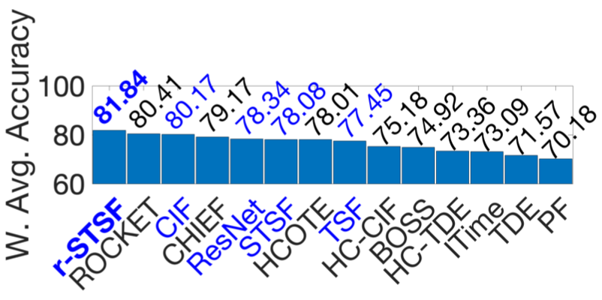
 |  |  |  |  |  |  |  |  |  |  |  |  |  |  |  |  |  |  |  | Nd | Nc |  | MaxAccu | Mi | w
Beef | 5 | 30 | 30 | 470 | SPECTRO | 0.8000 | 0.9333 | 0.7200 | 0.7061 | 0.6867 | 0.8333 | 0.8700 | 0.8333 | 0.8333 | 0.8400 | 0.8633 | 0.7530 | 0.9000 | 0.8000 | 7 | 14 | 6.4774 |  | 0.9333 | 0.89341752775 |  | 71.4734 | 83.3827 | 64.3261 | 63.0842 | 61.3510 | 74.4485 | 77.7273 | 74.4485 | 74.4485 | 75.0471 | 77.1287 | 67.2743 | 80.4076 | 71.4734
Coffee | 2 | 28 | 28 | 286 | SPECTRO | 1.0000 | 1.0000 | 1.0000 | 1.0000 | 1.0000 | 1.0000 | 1.0000 | 1.0000 | 1.0000 | 1.0000 | 1.0000 | 1.0000 | 1.0000 | 1.0000 |  |  |  |  | 1.0000 | 0 |  | 0.0000 | 0.0000 | 0.0000 | 0.0000 | 0.0000 | 0.0000 | 0.0000 | 0.0000 | 0.0000 | 0.0000 | 0.0000 | 0.0000 | 0.0000 | 0.0000
Ham | 2 | 109 | 105 | 431 | SPECTRO | 0.6667 | 0.6667 | 0.6600 | 0.7152 | 0.7048 | 0.7257 | 0.7695 | 0.6286 | 0.6762 | 0.7381 | 0.7429 | 0.7570 | 0.5905 | 0.7619 |  |  |  |  | 0.7695 | 3.0874473785 |  | 205.8401 | 205.8401 | 203.7715 | 220.8142 | 217.6033 | 224.0561 | 237.5791 | 194.0769 | 208.7732 | 227.8845 | 229.3665 | 233.7198 | 182.3064 | 235.2326
Meat | 3 | 60 | 60 | 448 | SPECTRO | 0.9000 | 0.9333 | 0.9333 | 0.8879 | 0.9333 | 0.9450 | 0.9500 | 0.9167 | 0.9333 | 0.9317 | 0.9333 | 0.9680 | 0.8833 | 0.9333 |  |  |  |  | 0.9680 | 0.42862610027 |  | 38.5763 | 40.0037 | 40.0037 | 38.0577 | 40.0037 | 40.5052 | 40.7195 | 39.2922 | 40.0037 | 39.9351 | 40.0037 | 41.4910 | 37.8620 | 40.0037
OliveOil | 4 | 30 | 30 | 570 | SPECTRO | 0.8667 | 0.9000 | 0.8667 | 0.8879 | 0.8200 | 0.9267 | 0.9000 | 0.8667 | 0.8667 | 0.9333 | 0.9067 | 0.8300 | 0.8667 | 0.9333 |  |  |  |  | 0.9333 | 0.89341752775 |  | 77.4325 | 80.4076 | 77.4325 | 79.3265 | 73.2602 | 82.7930 | 80.4076 | 77.4325 | 77.4325 | 83.3827 | 81.0062 | 74.1537 | 77.4295 | 83.3827
Strawberry | 2 | 613 | 370 | 235 | SPECTRO | 0.9757 | 0.9703 | 0.9684 | 0.9663 | 0.9827 | 0.9819 | 0.9684 | 0.9703 | 0.9703 | 0.9638 | 0.9649 | 0.9810 | 0.9757 | 0.9730 |  |  |  |  | 0.9827 | 0.23172598546 |  | 22.6095 | 22.4844 | 22.4403 | 22.3917 | 22.7717 | 22.7532 | 22.4403 | 22.4844 | 22.4844 | 22.3338 | 22.3592 | 22.7323 | 22.6089 | 22.5469
Wine | 2 | 57 | 54 | 234 | SPECTRO | 0.7407 | 0.7778 | 0.5685 | 0.8906 | 0.6593 | 0.8074 | 0.7778 | 0.7222 | 0.7037 | 0.6685 | 0.6296 | 0.7440 | 0.6852 | 0.7407 |  |  |  |  | 0.8906 | 1.4653654803 |  | 108.5396 | 113.9761 | 83.3060 | 130.5054 | 96.6115 | 118.3136 | 113.9761 | 105.8287 | 103.1178 | 97.9597 | 92.2594 | 109.0232 | 100.4047 | 108.5396
 |  |  |  |  |  |  |  |  |  |  |  |  |  |  |  |  |  |  |  |  |  |  |  |  | 7
 |  |  |  |  | average accuracy | 0.84997142857 | 0.88305714286 | 0.8167 | 0.86485714286 | 0.82668571429 | 0.88857142857 | 0.89081428571 | 0.84825714286 | 0.85478571429 | 0.86791428571 | 0.86295714286 | 0.86185714286 | 0.84304815019 | 0.87745714286 |  |  |  |  |  |  | waa | 74.92 | 78.01 | 70.18 | 79.17 | 73.09 | 80.41 | 81.84 | 73.37 | 75.18 | 78.08 | 77.45 | 78.34 | 71.57 | 80.17
 |  |  |  |  |  |  |  |  |  |  |  |  |  |  |  |  |  |  |  |  |  |  |  |  |  | ranks | 10 | 7 | 14 | 4 | 12 | 2 | 1 | 11 | 9 | 6 | 8 | 5 | 13 | 3

$$\sum_{k=1}^{N_{d}}{M_{k}}$$
 |  |  |  |  |  |  |  |  |  |  |  |  |  |  |  |  |  |  |  | Nd | Nc |  | MaxAccu | Mi | w
Car | 4 | 60 | 60 | 577 | SENSOR | 0.8333 | 0.8667 | 0.8467 | 0.8545 | 0.8900 | 0.8917 | 0.8750 | 0.8667 | 0.9000 | 0.8150 | 0.7667 | 0.9250 | 0.8167 | 0.8667 | 16 | 14 | 14.2343 |  | 0.9250 | 0.67963168608 |  | 56.6337 | 58.9037 | 57.5444 | 58.0745 | 60.4872 | 60.6028 | 59.4678 | 58.9037 | 61.1669 | 55.3900 | 52.1074 | 62.8659 | 55.5033 | 58.9037
Earthquakes | 2 | 322 | 139 | 512 | SENSOR | 0.7482 | 0.7482 | 0.7540 | 0.7482 | 0.7424 | 0.7482 | 0.7525 | 0.7482 | 0.7482 | 0.7691 | 0.7482 | 0.7120 | 0.7482 | 0.7482 |  |  |  |  | 0.7691 | 2.0923594175 |  | 156.5503 | 156.5503 | 157.7639 | 156.5503 | 155.3368 | 156.5503 | 157.4500 | 156.5503 | 156.5503 | 160.9234 | 156.5503 | 148.9760 | 156.5506 | 156.5503
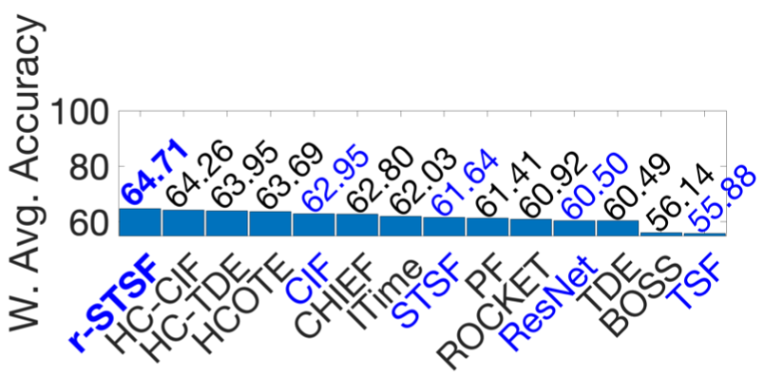
FordA | 2 | 3601 | 1320 | 500 | SENSOR | 0.9295 | 0.9644 | 0.8546 | 0.9410 | 0.9573 | 0.9449 | 0.9768 | 0.9455 | 0.9644 | 0.9630 | 0.8152 | 0.9200 | 0.9295 | 0.9129 |  |  |  |  | 0.9768 | 0.21023273489 |  | 19.5411 | 20.2748 | 17.9665 | 19.7829 | 20.1256 | 19.8649 | 20.5355 | 19.8775 | 20.2748 | 20.2454 | 17.1382 | 19.3414 | 19.5411 | 19.1921
FordB | 2 | 3636 | 810 | 500 | SENSOR | 0.8200 | 0.8235 | 0.7149 | 0.8296 | 0.8489 | 0.8063 | 0.8301 | 0.8395 | 0.8235 | 0.7942 | 0.6877 | 0.9130 | 0.8200 | 0.7543 |  |  |  |  | 0.9130 | 0.78837275585 |  | 64.6466 | 64.9225 | 56.3608 | 65.4034 | 66.9250 | 63.5665 | 65.4428 | 66.1839 | 64.9225 | 62.6126 | 54.2164 | 71.9784 | 64.6466 | 59.4670
InsectWingbeatSound | 11 | 220 | 1980 | 256 | SENSOR | 0.5232 | 0.6551 | 0.6187 | 0.6429 | 0.6304 | 0.6566 | 0.6680 | 0.6571 | 0.6576 | 0.6656 | 0.6328 | 0.5070 | 0.5879 | 0.6662 |  |  |  |  | 0.6680 | 3.0085029304 |  | 157.4049 | 197.0870 | 186.1361 | 193.4167 | 189.6560 | 197.5383 | 200.9680 | 197.6887 | 197.8392 | 200.2460 | 190.3781 | 152.5311 | 176.8635 | 200.4265
ItalyPowerDemand | 2 | 67 | 1029 | 24 | SENSOR | 0.9086 | 0.9631 | 0.9671 | 0.9706 | 0.9642 | 0.9691 | 0.9731 | 0.9660 | 0.9621 | 0.9706 | 0.9700 | 0.9630 | 0.9485 | 0.9699 |  |  |  |  | 0.9731 | 0.24376123141 |  | 22.1481 | 23.4766 | 23.5741 | 23.6595 | 23.5035 | 23.6229 | 23.7204 | 23.5473 | 23.4523 | 23.6595 | 23.6448 | 23.4742 | 23.1206 | 23.6424
Lightning2 | 2 | 60 | 61 | 637 | SENSOR | 0.8361 | 0.8197 | 0.8656 | 0.7481 | 0.7869 | 0.7639 | 0.7672 | 0.7377 | 0.8197 | 0.7246 | 0.7951 | 0.7700 | 0.7869 | 0.7541 |  |  |  |  | 0.8656 | 1.2178999815 |  | 101.8286 | 99.8313 | 105.4214 | 91.1111 | 95.8365 | 93.0354 | 93.4373 | 89.8445 | 99.8313 | 88.2490 | 96.8352 | 93.7783 | 95.8348 | 91.8418
Lightning7 | 7 | 70 | 73 | 319 | SENSOR | 0.6849 | 0.7397 | 0.8219 | 0.7634 | 0.8027 | 0.8219 | 0.7685 | 0.7123 | 0.7534 | 0.7699 | 0.7411 | 0.8450 | 0.7123 | 0.7534 |  |  |  |  | 0.8450 | 1.4045721512 |  | 96.1991 | 103.8962 | 115.4418 | 107.2250 | 112.7450 | 115.4418 | 107.9414 | 100.0477 | 105.8205 | 108.1380 | 104.0928 | 118.6863 | 100.0517 | 105.8205
MoteStrain | 2 | 20 | 1252 | 84 | SENSOR | 0.8786 | 0.9329 | 0.9024 | 0.9475 | 0.8861 | 0.9142 | 0.9448 | 0.9681 | 0.9497 | 0.9236 | 0.8863 | 0.9280 | 0.9505 | 0.8882 |  |  |  |  | 0.9681 | 0.28907001048 |  | 25.3977 | 26.9673 | 26.0857 | 27.3894 | 25.6145 | 26.4268 | 27.3113 | 27.9849 | 27.4530 | 26.6985 | 25.6203 | 26.8257 | 27.4755 | 25.6752
Phoneme | 39 | 214 | 1896 | 1024 | SENSOR | 0.2648 | 0.3824 | 0.3201 | 0.3691 | 0.3281 | 0.2796 | 0.3976 | 0.4124 | 0.3898 | 0.3252 | 0.2120 | 0.3340 | 0.3634 | 0.3803 |  |  |  |  | 0.4124 | 5.3246877166 |  | 140.9977 | 203.6161 | 170.4433 | 196.5342 | 174.7030 | 148.8783 | 211.7096 | 219.5901 | 207.5563 | 173.1588 | 112.8834 | 177.8446 | 193.4974 | 202.4979
Plane | 7 | 105 | 105 | 144 | SENSOR | 1.0000 | 1.0000 | 1.0000 | 1.0000 | 1.0000 | 1.0000 | 1.0000 | 1.0000 | 1.0000 | 1.0000 | 1.0000 | 1.0000 | 1.0000 | 1.0000 |  |  |  |  | 1.0000 | 0 |  | 0.0000 | 0.0000 | 0.0000 | 0.0000 | 0.0000 | 0.0000 | 0.0000 | 0.0000 | 0.0000 | 0.0000 | 0.0000 | 0.0000 | 0.0000 | 0.0000
SonyAIBORobotSurface1 | 2 | 20 | 601 | 70 | SENSOR | 0.6323 | 0.7654 | 0.8458 | 0.8264 | 0.8639 | 0.9241 | 0.8958 | 0.7604 | 0.7537 | 0.9067 | 0.7564 | 0.9580 | 0.5657 | 0.7704 |  |  |  |  | 0.9580 | 0.38059374421 |  | 24.0649 | 29.1306 | 32.1906 | 31.4523 | 32.8795 | 35.1707 | 34.0936 | 28.9403 | 28.6854 | 34.5084 | 28.7881 | 36.4609 | 21.5311 | 29.3209
SonyAIBORobotSurface2 | 2 | 27 | 953 | 65 | SENSOR | 0.8594 | 0.9276 | 0.8963 | 0.9248 | 0.9461 | 0.9164 | 0.8740 | 0.9161 | 0.9465 | 0.8325 | 0.8186 | 0.9780 | 0.8804 | 0.9045 |  |  |  |  | 0.9780 | 0.19935862792 |  | 17.1329 | 18.4925 | 17.8685 | 18.4367 | 18.8613 | 18.2692 | 17.4239 | 18.2632 | 18.8693 | 16.5966 | 16.3195 | 19.4973 | 17.5511 | 18.0320
StarLightCurves | 3 | 1000 | 8236 | 1024 | SENSOR | 0.9778 | 0.9815 | 0.9813 | 0.9824 | 0.9778 | 0.9811 | 0.9794 | 0.9784 | 0.9815 | 0.9784 | 0.9640 | 0.9720 | 0.9767 | 0.9803 |  |  |  |  | 0.9824 | 0.15948690233 |  | 15.5946 | 15.6536 | 15.6504 | 15.6680 | 15.5946 | 15.6473 | 15.6201 | 15.6042 | 15.6536 | 15.6042 | 15.3745 | 15.5021 | 15.5769 | 15.6345
Trace | 4 | 100 | 100 | 275 | SENSOR | 1.0000 | 1.0000 | 1.0000 | 1.0000 | 1.0000 | 1.0000 | 1.0000 | 1.0000 | 1.0000 | 0.9900 | 0.9780 | 1.0000 | 1.0000 | 1.0000 |  |  |  |  | 1.0000 | 0 |  | 0.0000 | 0.0000 | 0.0000 | 0.0000 | 0.0000 | 0.0000 | 0.0000 | 0.0000 | 0.0000 | 0.0000 | 0.0000 | 0.0000 | 0.0000 | 0.0000
Wafer | 2 | 1000 | 6164 | 152 | SENSOR | 0.9948 | 0.9994 | 0.9955 | 0.9991 | 0.9985 | 0.9983 | 0.9997 | 0.9998 | 0.9994 | 0.9998 | 0.9950 | 0.9990 | 0.9998 | 0.9985 |  |  |  |  | 0.9998 | 0.0014701096389 |  | 0.1462 | 0.1469 | 0.1463 | 0.1469 | 0.1468 | 0.1468 | 0.1470 | 0.1470 | 0.1469 | 0.1470 | 0.1463 | 0.1469 | 0.1470 | 0.1468
 |  |  |  |  |  |  |  |  |  |  |  |  |  |  |  |  |  |  |  |  |  |  |  |  | 16
 |  |  |  |  | average accuracy | 0.80571875 | 0.8481 | 0.83655625 | 0.846725 | 0.85145625 | 0.85101875 | 0.85640625 | 0.8442625 | 0.85309375 | 0.8392625 | 0.79794375 | 0.85775 | 0.81790359223 | 0.83424375 |  |  |  |  |  |  | waa | 56.14 | 63.68 | 61.41 | 62.80 | 62.03 | 60.92 | 64.70 | 63.95 | 64.26 | 61.64 | 55.88 | 60.49 | 60.49 | 62.95
 |  |  |  |  |  |  |  |  |  |  |  |  |  |  |  |  |  |  |  |  |  |  |  |  |  | ranks | 13 | 4 | 9 | 6 | 7 | 10 | 1 | 3 | 2 | 8 | 14 | 11 | 12 | 5

$$\sum_{k=1}^{N_{d}}{M_{k}}$$
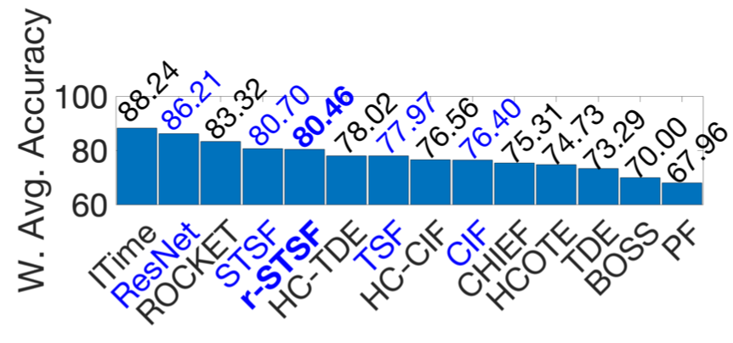
 |  |  |  |  |  |  |  |  |  |  |  |  |  |  |  |  |  |  |  | Nd | Nc |  | MaxAccu | Mi | w
CBF | 3 | 30 | 900 | 128 | SIMULATED | 0.9978 | 0.9989 | 0.9933 | 0.9979 | 0.9978 | 0.9999 | 0.9917 | 1.0000 | 0.9989 | 0.9790 | 0.9727 | 0.9950 | 1.0000 | 0.9989 | 6 | 14 | 5.8519 |  | 1.0000 | 0 |  | 0.0000 | 0.0000 | 0.0000 | 0.0000 | 0.0000 | 0.0000 | 0.0000 | 0.0000 | 0.0000 | 0.0000 | 0.0000 | 0.0000 | 0.0000 | 0.0000
ChlorineConcentration | 3 | 467 | 3840 | 166 | SIMULATED | 0.6609 | 0.7120 | 0.6339 | 0.7167 | 0.8728 | 0.8130 | 0.7782 | 0.7516 | 0.7336 | 0.7804 | 0.7493 | 0.8440 | 0.7023 | 0.7286 |  |  |  |  | 0.8728 | 5.1532748143 |  | 340.5799 | 366.9132 | 326.6661 | 369.3352 | 449.7778 | 418.9612 | 401.0278 | 387.3201 | 378.0442 | 402.1616 | 386.1349 | 434.9364 | 361.9370 | 375.4676
Mallat | 8 | 55 | 2345 | 1024 | SIMULATED | 0.9382 | 0.9620 | 0.9576 | 0.9750 | 0.9406 | 0.9560 | 0.9657 | 0.9544 | 0.9603 | 0.9688 | 0.9646 | 0.9720 | 0.9190 | 0.9791 |  |  |  |  | 0.9791 | 0.84672518569 |  | 79.4398 | 81.4550 | 81.0824 | 82.5557 | 79.6430 | 80.9469 | 81.7683 | 80.8115 | 81.3110 | 82.0307 | 81.6751 | 82.3017 | 77.8121 | 82.9029
ShapeletSim | 2 | 20 | 180 | 500 | SIMULATED | 1.0000 | 1.0000 | 0.7761 | 1.0000 | 0.9167 | 1.0000 | 0.9789 | 1.0000 | 1.0000 | 0.9833 | 0.4778 | 0.7790 | 1.0000 | 0.9889 |  |  |  |  | 1.0000 | 0 |  | 0.0000 | 0.0000 | 0.0000 | 0.0000 | 0.0000 | 0.0000 | 0.0000 | 0.0000 | 0.0000 | 0.0000 | 0.0000 | 0.0000 | 0.0000 | 0.0000
SyntheticControl | 6 | 300 | 300 | 60 | SIMULATED | 0.9667 | 0.9967 | 0.9953 | 0.9979 | 0.9960 | 0.9970 | 0.9900 | 0.9967 | 1.0000 | 0.9903 | 0.9757 | 1.0000 | 0.9933 | 0.9867 |  |  |  |  | 1.0000 | 0 |  | 0.0000 | 0.0000 | 0.0000 | 0.0000 | 0.0000 | 0.0000 | 0.0000 | 0.0000 | 0.0000 | 0.0000 | 0.0000 | 0.0000 | 0.0000 | 0.0000
TwoPatterns | 4 | 1000 | 4000 | 128 | SIMULATED | 0.9930 | 1.0000 | 0.9996 | 1.0000 | 1.0000 | 1.0000 | 0.9969 | 0.9990 | 1.0000 | 0.9977 | 0.9467 | 1.0000 | 0.9965 | 0.9988 |  |  |  |  | 1.0000 | 0 |  | 0.0000 | 0.0000 | 0.0000 | 0.0000 | 0.0000 | 0.0000 | 0.0000 | 0.0000 | 0.0000 | 0.0000 | 0.0000 | 0.0000 | 0.0000 | 0.0000
 |  |  |  |  |  |  |  |  |  |  |  |  |  |  |  |  |  |  |  |  |  |  |  |  | 6
 |  |  |  |  | average accuracy | 0.9261 | 0.94493333333 | 0.89263333333 | 0.94791666667 | 0.95398333333 | 0.96098333333 | 0.95023333333 | 0.95028333333 | 0.9488 | 0.94991666667 | 0.8478 | 0.93166666667 | 0.93519227153 | 0.94683333333 |  |  |  |  |  |  |  | 70.00 | 74.73 | 67.96 | 75.32 | 88.24 | 83.32 | 80.47 | 78.02 | 76.56 | 80.70 | 77.97 | 86.21 | 73.29 | 76.40
 |  |  |  |  |  |  |  |  |  |  |  |  |  |  |  |  |  |  |  |  |  |  |  |  |  | ranks | 13 | 11 | 14 | 10 | 1 | 3 | 5 | 6 | 8 | 4 | 7 | 2 | 12 | 9

$$\sum_{k=1}^{N_{d}}{M_{k}}$$
$$\sum_{k=1}^{N_{d}}{M_{k}}$$
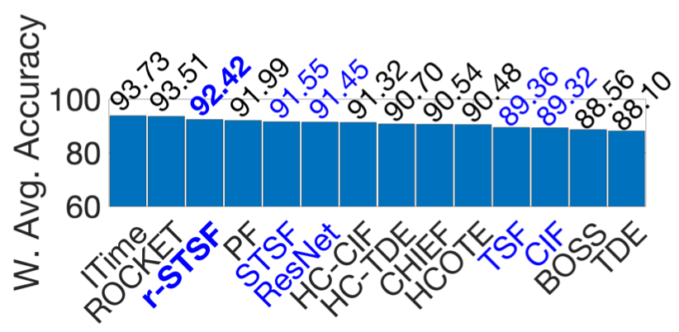
 |  |  |  |  |  |  |  |  |  |  |  |  |  |  |  |  |  |  |  | Nd | Nc |  | MaxAccu | Mi | w
CinCECGTorso | 4 | 40 | 1380 | 1639 | ECG | 0.8870 | 0.9964 | 0.9343 | 0.9832 | 0.8422 | 0.8349 | 0.9993 | 1.0000 | 0.9993 | 0.9849 | 0.9507 | 0.8260 | 0.9964 | 0.9942 | 7 | 14 | 6.7912 |  | 1.0000 | 0 |  | 0.0000 | 0.0000 | 0.0000 | 0.0000 | 0.0000 | 0.0000 | 0.0000 | 0.0000 | 0.0000 | 0.0000 | 0.0000 | 0.0000 | 0.0000 | 0.0000
ECG200 | 2 | 100 | 100 | 96 | ECG | 0.8700 | 0.8500 | 0.9090 | 0.8618 | 0.9180 | 0.9060 | 0.8970 | 0.8600 | 0.8700 | 0.8800 | 0.8550 | 0.8740 | 0.8600 | 0.8400 |  |  |  |  | 0.9180 | 2.7490421456 |  | 239.1667 | 233.6686 | 249.8879 | 236.9125 | 252.3621 | 249.0632 | 246.5891 | 236.4176 | 239.1667 | 241.9157 | 235.0431 | 240.2663 | 236.4176 | 230.9195
ECG5000 | 5 | 500 | 4500 | 140 | ECG | 0.9413 | 0.9462 | 0.9365 | 0.9454 | 0.9393 | 0.9470 | 0.9439 | 0.9473 | 0.9482 | 0.9421 | 0.9389 | 0.9340 | 0.9436 | 0.9396 |  |  |  |  | 0.9482 | 1.7365900383 |  | 163.4652 | 164.3161 | 162.6317 | 164.1772 | 163.1179 | 164.4551 | 163.9167 | 164.5072 | 164.6635 | 163.6041 | 163.0484 | 162.1975 | 163.8569 | 163.1700
ECGFiveDays | 2 | 23 | 861 | 136 | ECG | 1.0000 | 1.0000 | 0.8492 | 1.0000 | 1.0000 | 1.0000 | 0.9948 | 1.0000 | 1.0000 | 0.9777 | 0.9369 | 0.9750 | 1.0000 | 0.9872 |  |  |  |  | 1.0000 | 0 |  | 0.0000 | 0.0000 | 0.0000 | 0.0000 | 0.0000 | 0.0000 | 0.0000 | 0.0000 | 0.0000 | 0.0000 | 0.0000 | 0.0000 | 0.0000 | 0.0000
NonInvasiveFetalECGThorax1 | 42 | 1800 | 1965 | 750 | ECG | 0.8382 | 0.9303 | 0.9066 | 0.9113 | 0.9562 | 0.9514 | 0.9364 | 0.9206 | 0.9303 | 0.9327 | 0.8997 | 0.9450 | 0.8321 | 0.9135 |  |  |  |  | 0.9562 | 1.4683908046 |  | 123.0805 | 136.6044 | 133.1243 | 133.8145 | 140.4075 | 139.7027 | 137.5001 | 135.1801 | 136.6044 | 136.9568 | 132.1111 | 138.7629 | 122.1791 | 134.1375
NonInvasiveFetalECGThorax2 | 42 | 1800 | 1965 | 750 | ECG | 0.9008 | 0.9445 | 0.9399 | 0.9450 | 0.9579 | 0.9688 | 0.9460 | 0.9445 | 0.9445 | 0.9406 | 0.9113 | 0.9460 | 0.9008 | 0.9277 |  |  |  |  | 0.9688 | 1.0459770115 |  | 94.2216 | 98.7925 | 98.3114 | 98.8448 | 100.1941 | 101.3343 | 98.9494 | 98.7925 | 98.7925 | 98.3846 | 95.3199 | 98.9494 | 94.2216 | 97.0353
TwoLeadECG | 2 | 23 | 1139 | 82 | ECG | 0.9807 | 0.9965 | 0.9886 | 0.9946 | 0.9967 | 0.9991 | 0.9844 | 1.0000 | 0.9974 | 0.9872 | 0.9039 | 1.0000 | 1.0000 | 0.9438 |  |  |  |  | 1.0000 | 0 |  | 0.0000 | 0.0000 | 0.0000 | 0.0000 | 0.0000 | 0.0000 | 0.0000 | 0.0000 | 0.0000 | 0.0000 | 0.0000 | 0.0000 | 0.0000 | 0.0000
 |  |  |  |  |  |  |  |  |  |  |  |  |  |  |  |  |  |  |  |  |  |  |  |  | 7
 |  |  |  |  | average accuracy | 0.91685714286 | 0.95198571429 | 0.92344285714 | 0.94875714286 | 0.94432857143 | 0.94388571429 | 0.9574 | 0.9532 | 0.95567142857 | 0.94931428571 | 0.91377142857 | 0.92857142857 | 0.93325620512 | 0.93514285714 |  |  |  |  |  |  |  | 88.56 | 90.48 | 91.99 | 90.54 | 93.73 | 93.51 | 92.42 | 90.70 | 91.32 | 91.55 | 89.36 | 91.45 | 88.10 | 89.32
 |  |  |  |  |  |  |  |  |  |  |  |  |  |  |  |  |  |  |  |  |  |  |  |  |  | ranks | 13 | 10 | 4 | 9 | 1 | 2 | 3 | 8 | 7 | 5 | 11 | 6 | 14 | 12

$$\sum_{k=1}^{N_{d}}{M_{k}}$$
$$\sum_{k=1}^{N_{d}}{M_{k}}$$
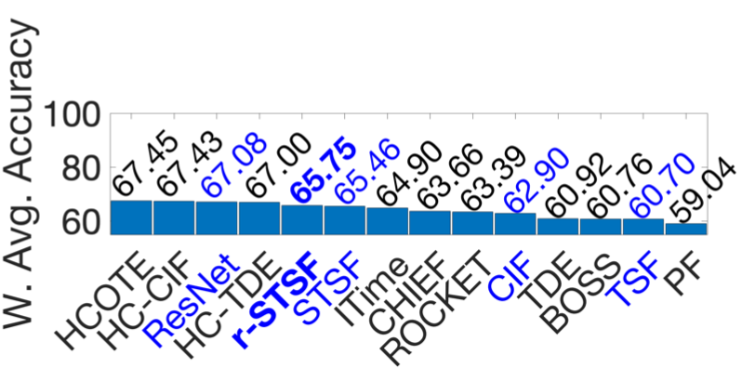
 |  |  |  |  |  |  |  |  |  |  |  |  |  |  |  |  |  |  |  | Nd | Nc |  | MaxAccu | Mi | w
Computers | 2 | 250 | 250 | 720 | DEVICE | 0.7560 | 0.7600 | 0.6444 | 0.7051 | 0.7856 | 0.7600 | 0.7320 | 0.7040 | 0.7760 | 0.7560 | 0.7200 | 0.8150 | 0.6640 | 0.7320 | 6 | 14 | 4.5802 |  | 0.8150 | 0.78180025356 |  | 59.1041 | 59.4168 | 50.3792 | 55.1247 | 61.4182 | 59.4168 | 57.2278 | 55.0387 | 60.6677 | 59.1041 | 56.2896 | 63.7167 | 51.9115 | 57.2278
ElectricDevices | 7 | 8926 | 7711 | 96 | DEVICE | 0.7992 | 0.7703 | 0.7060 | 0.7553 | 0.7086 | 0.7305 | 0.7403 | 0.7461 | 0.7703 | 0.7406 | 0.6925 | 0.7290 | 0.7992 | 0.7304 |  |  |  |  | 0.7992 | 0.84857022116 |  | 67.8177 | 65.3654 | 59.9091 | 64.0925 | 60.1297 | 61.9881 | 62.8197 | 63.3118 | 65.3654 | 62.8451 | 58.7635 | 61.8608 | 67.8177 | 61.9796
LargeKitchenAppliances | 3 | 375 | 375 | 720 | DEVICE | 0.7653 | 0.8640 | 0.7819 | 0.8068 | 0.9003 | 0.9000 | 0.8064 | 0.8880 | 0.8907 | 0.7939 | 0.5707 | 0.9000 | 0.8267 | 0.8000 |  |  |  |  | 0.9003 | 0.42132694746 |  | 32.2442 | 36.4026 | 32.9436 | 33.9927 | 37.9321 | 37.9194 | 33.9758 | 37.4138 | 37.5276 | 33.4491 | 24.0451 | 37.9194 | 34.8297 | 33.7062
RefrigerationDevices | 3 | 375 | 375 | 720 | DEVICE | 0.4987 | 0.5573 | 0.5323 | 0.5583 | 0.5227 | 0.5347 | 0.5904 | 0.5787 | 0.5653 | 0.5803 | 0.5893 | 0.5250 | 0.5173 | 0.5733 |  |  |  |  | 0.5904 | 1.7309480208 |  | 86.3224 | 96.4657 | 92.1384 | 96.6388 | 90.4767 | 92.5538 | 102.1952 | 100.1700 | 97.8505 | 100.4469 | 102.0048 | 90.8748 | 89.5477 | 99.2353
ScreenType | 3 | 375 | 375 | 720 | DEVICE | 0.4640 | 0.5893 | 0.4552 | 0.5081 | 0.5797 | 0.4856 | 0.5461 | 0.5947 | 0.5733 | 0.5333 | 0.4560 | 0.6220 | 0.4507 | 0.4693 |  |  |  |  | 0.6220 | 1.5974080856 |  | 74.1197 | 94.1353 | 72.7140 | 81.1643 | 92.6017 | 77.5701 | 87.2345 | 94.9979 | 91.5794 | 85.1898 | 72.8418 | 99.3588 | 71.9899 | 74.9664
SmallKitchenAppliances | 3 | 375 | 375 | 720 | DEVICE | 0.7253 | 0.8533 | 0.7443 | 0.8221 | 0.7557 | 0.8213 | 0.8235 | 0.8240 | 0.8320 | 0.8344 | 0.8107 | 0.7860 | 0.7973 | 0.8107 |  |  |  |  | 0.8533 | 0.61994647133 |  | 44.9647 | 52.9000 | 46.1426 | 50.9658 | 46.8494 | 50.9162 | 51.0526 | 51.0836 | 51.5795 | 51.7283 | 50.2591 | 48.7278 | 49.4304 | 50.2591
 |  |  |  |  |  |  |  |  |  |  |  |  |  |  |  |  |  |  |  |  |  |  |  |  | 6
 |  |  |  |  | average accuracy | 0.66808333333 | 0.73236666667 | 0.64401666667 | 0.69261666667 | 0.70876666667 | 0.70535 | 0.70645 | 0.72258333333 | 0.7346 | 0.70641666667 | 0.63986666667 | 0.7295 | 0.67586666667 | 0.68595 |  |  |  |  |  |  |  | 60.76 | 67.45 | 59.04 | 63.66 | 64.90 | 63.39 | 65.75 | 67.00 | 67.43 | 65.46 | 60.70 | 67.08 | 60.92 | 62.90
 |  |  |  |  |  |  |  |  |  |  |  |  |  |  |  |  |  |  |  |  |  |  |  |  |  | ranks | 12 | 1 | 14 | 8 | 7 | 9 | 5 | 4 | 2 | 6 | 13 | 3 | 11 | 10

$$\sum_{k=1}^{N_{d}}{M_{k}}$$
$$\sum_{k=1}^{N_{d}}{M_{k}}$$
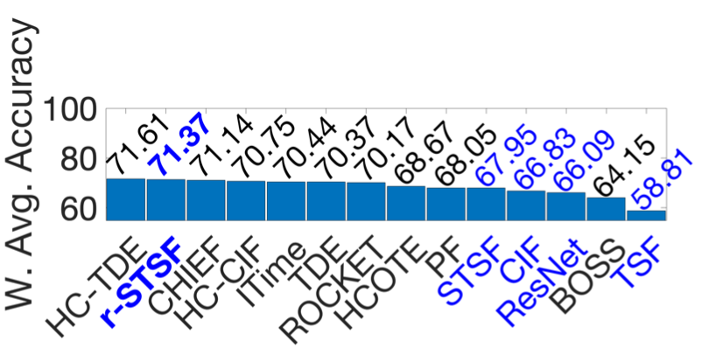
 |  |  |  |  |  |  |  |  |  |  |  |  |  |  |  |  |  |  |  | Nd | Nc |  | MaxAccu | Mi | w
CricketX | 12 | 390 | 390 | 300 | MOTION | 0.7359 | 0.8231 | 0.8021 | 0.8138 | 0.8405 | 0.8223 | 0.7451 | 0.8282 | 0.8462 | 0.6833 | 0.6497 | 0.7910 | 0.8051 | 0.7487 | 14 | 14 | 11.7612 |  | 0.8462 | 0.96178175434 |  | 70.7775 | 79.1643 | 77.1445 | 78.2698 | 80.8378 | 79.0873 | 71.6624 | 79.6548 | 81.3860 | 65.7185 | 62.4870 | 76.0769 | 77.4358 | 72.0086
CricketY | 12 | 390 | 390 | 300 | MOTION | 0.7538 | 0.8487 | 0.7938 | 0.8019 | 0.8390 | 0.8503 | 0.7721 | 0.8154 | 0.8462 | 0.7477 | 0.7087 | 0.8030 | 0.7974 | 0.7744 |  |  |  |  | 0.8503 | 0.93614257883 |  | 70.5664 | 79.4504 | 74.3110 | 75.0693 | 78.5424 | 79.6002 | 72.2796 | 76.3331 | 79.2164 | 69.9954 | 66.3444 | 75.1722 | 74.6514 | 72.4949
CricketZ | 12 | 390 | 390 | 300 | MOTION | 0.7462 | 0.8308 | 0.8010 | 0.8340 | 0.8492 | 0.8577 | 0.7723 | 0.8333 | 0.8282 | 0.7218 | 0.6662 | 0.8120 | 0.8282 | 0.7949 |  |  |  |  | 0.8577 | 0.88986699377 |  | 66.4019 | 73.9301 | 71.2783 | 74.2149 | 75.5675 | 76.3239 | 68.7244 | 74.1526 | 73.6988 | 64.2306 | 59.2829 | 72.2572 | 73.6992 | 70.7355
GunPoint | 2 | 50 | 150 | 150 | MOTION | 1.0000 | 1.0000 | 0.9973 | 1.0000 | 1.0000 | 1.0000 | 0.9700 | 0.9933 | 0.9933 | 0.9200 | 0.9507 | 0.9910 | 1.0000 | 0.9800 |  |  |  |  | 1.0000 | 0 |  | 0.0000 | 0.0000 | 0.0000 | 0.0000 | 0.0000 | 0.0000 | 0.0000 | 0.0000 | 0.0000 | 0.0000 | 0.0000 | 0.0000 | 0.0000 | 0.0000
Haptics | 5 | 155 | 308 | 1092 | MOTION | 0.4610 | 0.5195 | 0.4445 | 0.5168 | 0.5487 | 0.5250 | 0.5156 | 0.5519 | 0.5487 | 0.5075 | 0.4357 | 0.5190 | 0.5357 | 0.4805 |  |  |  |  | 0.5519 | 2.802174279 |  | 129.1802 | 145.5730 | 124.5566 | 144.8164 | 153.7553 | 147.1141 | 144.4801 | 154.6520 | 153.7553 | 142.2103 | 122.0907 | 145.4328 | 150.1165 | 134.6445
InlineSkate | 7 | 100 | 550 | 1884 | MOTION | 0.5164 | 0.5000 | 0.5418 | 0.5269 | 0.4851 | 0.4582 | 0.6675 | 0.5418 | 0.5218 | 0.5547 | 0.3224 | 0.3730 | 0.5200 | 0.4309 |  |  |  |  | 0.6675 | 2.0792745989 |  | 107.3737 | 103.9637 | 112.6551 | 109.5570 | 100.8656 | 95.2724 | 138.7916 | 112.6551 | 108.4965 | 115.3374 | 67.0358 | 77.5569 | 108.1223 | 89.5959
ToeSegmentation1 | 2 | 40 | 228 | 277 | MOTION | 0.9386 | 0.9825 | 0.9246 | 0.9653 | 0.9614 | 0.9702 | 0.8474 | 0.9561 | 0.9737 | 0.8443 | 0.7412 | 0.9630 | 0.9693 | 0.9298 |  |  |  |  | 0.9825 | 0.10943550521 |  | 10.2716 | 10.7520 | 10.1184 | 10.5638 | 10.5211 | 10.6174 | 9.2736 | 10.4631 | 10.6557 | 9.2396 | 8.1114 | 10.5386 | 10.6076 | 10.1753
ToeSegmentation2 | 2 | 36 | 130 | 343 | MOTION | 0.9615 | 0.9538 | 0.8623 | 0.9538 | 0.9431 | 0.9262 | 0.8792 | 0.9231 | 0.9308 | 0.8846 | 0.8154 | 0.9060 | 0.9615 | 0.8846 |  |  |  |  | 0.9615 | 0.24051759386 |  | 23.1258 | 22.9406 | 20.7398 | 22.9406 | 22.6832 | 22.2767 | 21.1463 | 22.2022 | 22.3874 | 21.2762 | 19.6118 | 21.7909 | 23.1267 | 21.2762
UWaveGestureLibraryAll | 8 | 896 | 3582 | 945 | MOTION | 0.9389 | 0.9685 | 0.9723 | 0.9689 | 0.9437 | 0.9757 | 0.9559 | 0.9673 | 0.9685 | 0.9548 | 0.9573 | 0.8600 | 0.9481 | 0.9726 |  |  |  |  | 0.9757 | 0.1519590158 |  | 14.2674 | 14.7172 | 14.7750 | 14.7233 | 14.3404 | 14.8266 | 14.5258 | 14.6990 | 14.7172 | 14.5090 | 14.5470 | 13.0685 | 14.4068 | 14.7795
UWaveGestureLibraryX | 8 | 896 | 3582 | 315 | MOTION | 0.7621 | 0.8398 | 0.8286 | 0.8411 | 0.8138 | 0.8546 | 0.8288 | 0.8319 | 0.8317 | 0.8110 | 0.7896 | 0.7800 | 0.8177 | 0.8191 |  |  |  |  | 0.8546 | 0.90925271184 |  | 69.2941 | 76.3590 | 75.3407 | 76.4772 | 73.9950 | 77.7047 | 75.3589 | 75.6407 | 75.6225 | 73.7404 | 71.7946 | 70.9217 | 74.3496 | 74.4769
UWaveGestureLibraryY | 8 | 896 | 3582 | 315 | MOTION | 0.6851 | 0.7655 | 0.7615 | 0.7723 | 0.7546 | 0.7729 | 0.7575 | 0.7462 | 0.7627 | 0.7416 | 0.7115 | 0.6700 | 0.7272 | 0.7591 |  |  |  |  | 0.7729 | 1.4201601847 |  | 97.2952 | 108.7133 | 108.1452 | 109.6790 | 107.1653 | 109.7642 | 107.5771 | 105.9724 | 108.3156 | 105.3191 | 101.0444 | 95.1507 | 103.2808 | 107.8044
UWaveGestureLibraryZ | 8 | 896 | 3582 | 315 | MOTION | 0.6949 | 0.7831 | 0.7640 | 0.7844 | 0.7502 | 0.7917 | 0.7681 | 0.7945 | 0.7814 | 0.7586 | 0.7358 | 0.7500 | 0.7806 | 0.7702 |  |  |  |  | 0.7945 | 1.285085504 |  | 89.3006 | 100.6350 | 98.1805 | 100.8021 | 96.4071 | 101.7402 | 98.7074 | 102.1000 | 100.4166 | 97.4866 | 94.5566 | 96.3814 | 100.3099 | 98.9773
Worms | 5 | 181 | 77 | 900 | MOTION | 0.5584 | 0.5584 | 0.7182 | 0.8017 | 0.7688 | 0.7273 | 0.7922 | 0.7403 | 0.6623 | 0.7675 | 0.6104 | 0.7910 | 0.7792 | 0.7273 |  |  |  |  | 0.8017 | 1.2400606104 |  | 69.2450 | 69.2450 | 89.0612 | 99.4157 | 95.3359 | 90.1896 | 98.2376 | 91.8017 | 82.1292 | 95.1747 | 75.6933 | 98.0888 | 96.6281 | 90.1896
WormsTwoClass | 2 | 181 | 77 | 900 | MOTION | 0.8312 | 0.7792 | 0.7844 | 0.8158 | 0.7818 | 0.7987 | 0.8052 | 0.8442 | 0.8182 | 0.7909 | 0.6234 | 0.7470 | 0.8052 | 0.8052 |  |  |  |  | 0.8442 | 0.97428866922 |  | 80.9829 | 75.9166 | 76.4232 | 79.4825 | 76.1699 | 77.8164 | 78.4497 | 82.2494 | 79.7163 | 77.0565 | 60.7372 | 72.7794 | 78.4492 | 78.4497
 |  |  |  |  |  |  |  |  |  |  |  |  |  |  |  |  |  |  |  |  |  |  |  |  | 14
 |  |  |  |  | average accuracy | 0.756 | 0.79663571429 | 0.78545714286 | 0.81405 | 0.80570714286 | 0.80934285714 | 0.79120714286 | 0.81196428571 | 0.80812142857 | 0.76345 | 0.69414285714 | 0.76828571429 | 0.80538042722 | 0.77695 |  |  |  |  |  |  |  | 64.15 | 68.67 | 68.05 | 71.14 | 70.44 | 70.17 | 71.37 | 71.61 | 70.75 | 67.95 | 58.81 | 66.09 | 70.37 | 66.83
 |  |  |  |  |  |  |  |  |  |  |  |  |  |  |  |  |  |  |  |  |  |  |  |  |  | ranks | 13 | 8 | 9 | 3 | 5 | 7 | 2 | 1 | 4 | 10 | 14 | 12 | 6 | 11

