Bill of Materials
Bill of Materials
Item # | Item | Part Number | Source | Cost | Qty. | Ext. Cost | Item # | Link
1 | 3x5mm Silicon Rubber Tubing | 372114317823 | Ebay, giorgio11185 | $14.36 | 0.013333333333 | $0.19 | 1 | https://www.ebay.com/itm/US-Stock-50ft-OD-5mm-ID-3mm-Silicone-Food-Grade-Rubber-Tube-Hose-Pipe/372114317823?hash=item56a3bde1ff:g:zukAAOSwl0Va~nvf
2 | Jar w/Cap | 137579 | US Plastic Corp | $0.87 | 1 | $0.87 | 2 | https://www.usplastic.com/catalog/item.aspx?itemid=137579
3 | Submersible Pump | 292F517 | Alibaba, Fbele | $0.33 | 1 | $0.33 | 3 | https://www.alibaba.com/product-detail/DC-3V-mini-water-pump-Horizontal_1600055883828.html?spm=a2700.galleryofferlist.normal_offer.d_title.292f517drDV4D7
4 | PCB |  | PCBWay | $0.62 | 1 | $0.62 | 4
5 | 3ft USB type A to type B mini | 3021055-03 | Mouser | $0.98 | 1 | $0.98 | 5 | https://www.mouser.com/ProductDetail/Qualtek/3021055-03?qs=MLItCLRbWswd6xwF2kMv5g%3D%3D
6 | Rubber Grommet 1/4" ID, 3/8" slot diamter | 9600K25 | McMastercarr | $0.07 | 1 | $0.07 | 6 | https://www.mcmaster.com/9600K25/
7 | #4 x 3/4" Thread Forming Screws for Plastics (48-2) / Phillips / Pan Head / Steel / Zinc | 231428 | Fastener Super Store | $0.01 | 4 | $0.06 | 7 | https://www.fastenersuperstore.com/products/231428/thread-forming-screws
8 | Base - injection molded |  | Xometry | $1.20 | 1 | $1.20 | 8
9 | Base Lid - IM |  | Xometry | $1.02 | 1 | $1.02 | 9
10 | Mid Level Cover - IM |  | Xometry | $0.75 | 1 | $0.75 | 10
11 | Top - IM |  | Xometry | $1.42 | 1 | $1.42 | 11
12 | Top Cover - IM |  | Xometry | $1.04 | 1 | $1.04 | 12
13 | Pump holder - IM |  | Xometry | $0.40 | 1 | $0.40 | 13
14 | Tooling cost per unit |  | Xometry | $1.12 | 1 | $1.12 | 14
15 | Labor Cost (USA) |  | USA Labor (PayScale) | $13.45 | 0.088736 | $1.19 | 15 | https://www.payscale.com/research/US/Job=Assembly_Line_Worker/Hourly_Rate

 |  |  |  |  | Total | $11.26
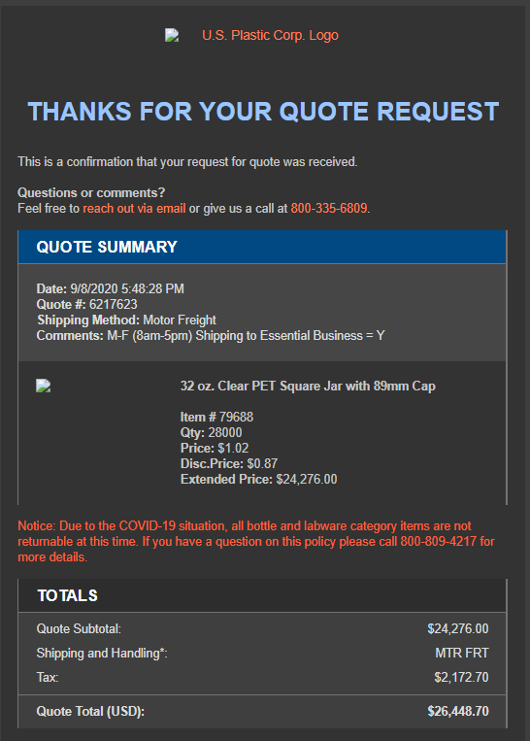
 | Tooling cost |  |  | $31,221.00

