DataProcSeqAndProcesses
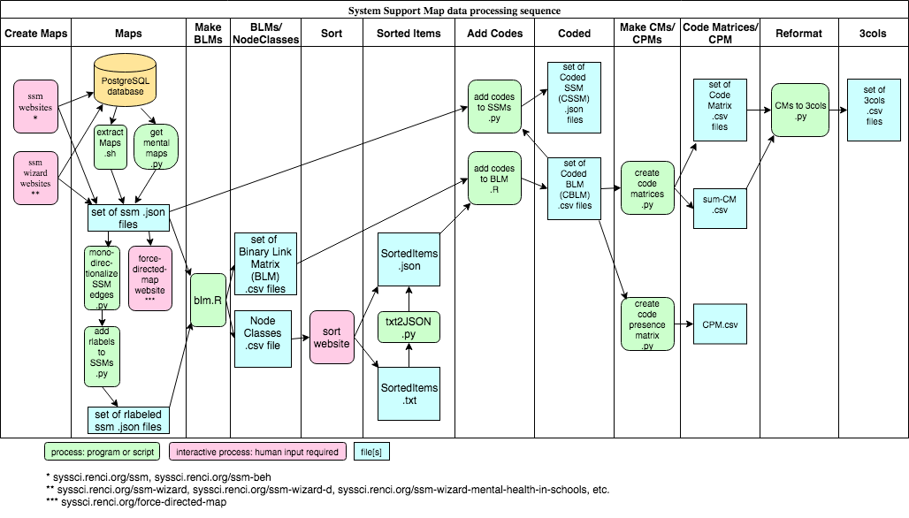

n | Post-processing software | Description | Source | Usage | Language
1 | blm | R script blm.R 2015/10/22 (blm: binary link matrix) Accepts paths to input and output directories as command line arguments. For each json file in the input directory, read that file into variable "map", then create a "binary link matrix" as a data frame of dimension n, where n is the number of nodes in the input JSON file. The rows and columns of the data frame are named by the node names "map$nodes$name". The value of m[i, j] is 1 if there is a link between node[i] and node[j], otherwise 0. For each file write 1) the blm to a csv output file, along with 2) a list of nodes showing id, type (role, responsibility, etc.), and name (associated text), and 3) a list of links showing source and target node ids and name (associated text). Also create a single "node classes" file wth a list of the names of all the nodes from all the files in the input directory, where those names are organized by node type. Thus, names for all the roles are listed together, names for all responsibilities are listed, etc. | https://github.com/steve9000gi/binary-link-matrix | Rscript blm.R inputDir outputDir | R
2 | AddCodesToBLM | Read in a directory of BLM.csv files. Each Binary Link Matrix (BLM) (https://github.com/steve9000gi/binary-link-matrix) represents the connectivity between nodes in a System Support Map (SSM) (http://syssci.renci.org/ssm/). Also read in a SortedItems.json file (https://github.com/steve9000gi/sort), which contains node names from a directory of SSMs, grouped by "codes" by a human being using the sort web page (http://syssci.renci.org/sort/). For each BLM file in path/to/BLMInputDir: 1) For each node in that BLM, find the code with which that node is associated (in the SortedItems.json input file, the keys are "codes" and the values are "node names") and add that code to a new column; 2) Output a Coded BLM (CBLM) file to /path/to/CBLMOutputDir which is identical to its corresponding BLM file, except with the addition of the new column of codes. | https://github.com/steve9000gi/AddCodesToBLM | RScript AddCodesToBLM.R /path/to/SortedItems.json /path/to/BLMInputDir /path/to/CBLMOutputDir | R
3 | text2JSON | The single command line argument is the path to a text file of the format exported by clicking on the 'Save Text' button on http://syssci.renci.org/sort/. The result is another file with the same path except with the extension '.json' that contains a JSON object equivalent to what you would have gotten if you'd clicked on the 'Save JSON' button. See https://github.com/steve9000gi/sort for details. | https://github.com/steve9000gi/ssm_processing | text2JSON.py path_to_text_file | Python
4 | add_codes_to_SSMs | add_codes_to_SSMs.py accepts three arguments: the first is the path to a directory of SSM JSON files (see https://github.com/steve9000gi/ssm), the second is the path to a directory of related CBLM files (seehttps://github.com/steve9000gi/AddCodesToBLM), and the third is the path to a directory into which the CSSMs (Coded System Support Maps) will be placed. It reads each SSM and its associated CBLM file, finds the code associated with each SSM node from the CBLM, adds that code to the corresponding node in the SSM as a new key/value pair,,and writes the updated JSON object to a file in the directory specified by the third command-line argument. Assumes that each SSM in ssm_dir has a corresponding CBLM file in cblm_dir, and that the files for all three directories follow this naming convention: 1) SSM : "_name_.json"; 2) CBLM: "_name_-CBLM.csv"; 3) CSSM: "_name_-C.json" where _name_ is a string that may or may not be constructed according to a convention defined in https://github.com/steve9000gi/extractMaps/blob/master/README.md. | https://github.com/steve9000gi/ssm_processing | add_codes_to_SSMs.py ssm_dir cblm_dir cssm_dir | Python
5 | extractMaps | Read the ids for each row in the Postgresql table ssm.maps into an array. Then loop through that array to write a .json file for each map. See "Key to Filenames for .json Files Extracted from the SSM Database" at https://github.com/steve9000gi/extractMaps/blob/master/README.md. | https://github.com/steve9000gi/extractMaps | extractMaps.sh | Bash shell
6 | create_code_matrices | For each System Support Map (plus a summary CM that adds all the CMs for all SSMs in a project) we create a Code Matrix. The rows and columns are named with the project codes that have been generated. The matrix elements are integers that show, for element[i, j], how often a node that has been associated with code i is connected to a node that has been associated with code j. Assumes that the files in the two directories follow this naming convention: 1) (cblm) coded binary link matrix: "name-CBLM.csv" and 2) code matrix: "name-CM.csv" where name is a string that may or may not be constructed according to a convention defined in https://github.com/steve9000gi/extractMaps/blob/master/README.md. | https://github.com/steve9000gi/ssm_processing | create_code_matrices.py cblm_dir code_matrix_dir | Python
7 | get_mental_maps | get_mental_maps.py: Retrieve and write as .json files all the system support maps (ssms) from the ssm database that are generated from the website http://syssci.renci.org/ssm-wizard-mental-health-in-schools/, i.e., all the system support maps from the ssm database associated with the "Roles in Mental Health Care within Schools in Connecticut" research study. Algorithm: From PostgreSQL database: → extract list of tuples → examine each tuple of metadata + dict → write each dict with key "schoolLocation" to file. | https://github.com/steve9000gi/ssm_processing | get_mental_maps.py output_directory | Python
8 | add_rlabels_to_SSMs | add_rlabels_to_SSMs.py. An "rlabel" is a string that uniquely identifies a Responsibility node in the context of a set (a directory) of System Support Maps (SSMs). Treat each Responsibility node as the root of a graph comprised of all the nodes that are linked to it in the SSM to which it belongs. Traverse that graph, attaching to each node the rlabel that uniquely identifies the root Responsibility. | https://github.com/steve9000gi/ssm_processing | add_rlabels_to_SSMs.py indir outdir [use_full_filename] [undir] | Python
9 | monodirectionalize_SSM_edges | Read in a set (a directory) of System Support Maps (SSMs). For each map, create another map that's identical except that the direction of all the inward-pointing arrows is flipped so that all arrows point outwards. Assumption: that all arrows from Role and Responsibility nodes point outward, and all other arrows point inward. Used as a precursor to add_rlabels_to_SSMs so that the rlabels are assigned correctly. | https://github.com/steve9000gi/ssm_processing | monodirectionalize_SSM_edges.py indir outdir | Python
10 | CMs_to_3cols | Reads in a directory of code matrices (CMs). Outputs a directory of "3cols," which are 2D arrays, each arranged in three columns, thusly: from to value where "from" and "to" are codes, and "value" is the number of edges in the originating set of SSMs that go from "from" to "to." In each 3cols file output there is a row for each element in its corresponding CM. | https://github.com/steve9000gi/ssm_processing | CMs_to_3cols.py cm_dir output_dir [min_val] | Python
 | Miscellaneous scripts | Description | Source | Usage | Language
11 | get_maps_by_version | Retrieve and write as .json files all the system support maps (ssms) from the ssm database that have a "version" value in the "document" field that matches command line argument "version." | https://github.com/steve9000gi/ssm_processing | get_maps_by_version.py version output_directory | Python
12 | get_NY_maps_with_demo | Retrieve and write as .json files all the system support maps (ssms) from the ssm database that have a "state" key in the "document" field and where the associated value is "NY". | https://github.com/steve9000gi/ssm_processing | get_NY_maps_with_demo.py output_directory | Python
13 | get_reg_info | Get registration info for each user associated with one or more of a directory of system support maps. | https://github.com/steve9000gi/ssm_processing | get_reg_info in_dir out_fname | Python
14 | get_ssm_demographics | Read a directory of ssms, write out their demographic info to a csv file called demographics.csv. | https://github.com/steve9000gi/ssm_processing | get_ssm_demographics.py in_dir | Python
14 | rlabels2rcodes.py | Assumes that there exists, for a directory of System Support Maps (SSMs), a JSON file that contains the all Responsibility node text items from those SSMs, sorted by code, and with the same format as output by the "sort" online utility (see https://github.com/steve9000gi/sort). Args: sorted_resp_file: file of responsibility node texts, sorted by codes rlabeled_ssm_dir: A directory (required to exist) that contains a set of rlabeled SSMs.rcoded_ssm_dir: an output directory of SSMs, identical to rlabeled_ssm_dir except that every rlabel in every SSM has been replaced by its corresponding rcode. | https://github.com/steve9000gi/ssm_processing | rlabels2rcodes.py path/to/sorted_resp_file rlabeled_ssm_dir rcoded_ssm_dir | Python
]

