Sheet1
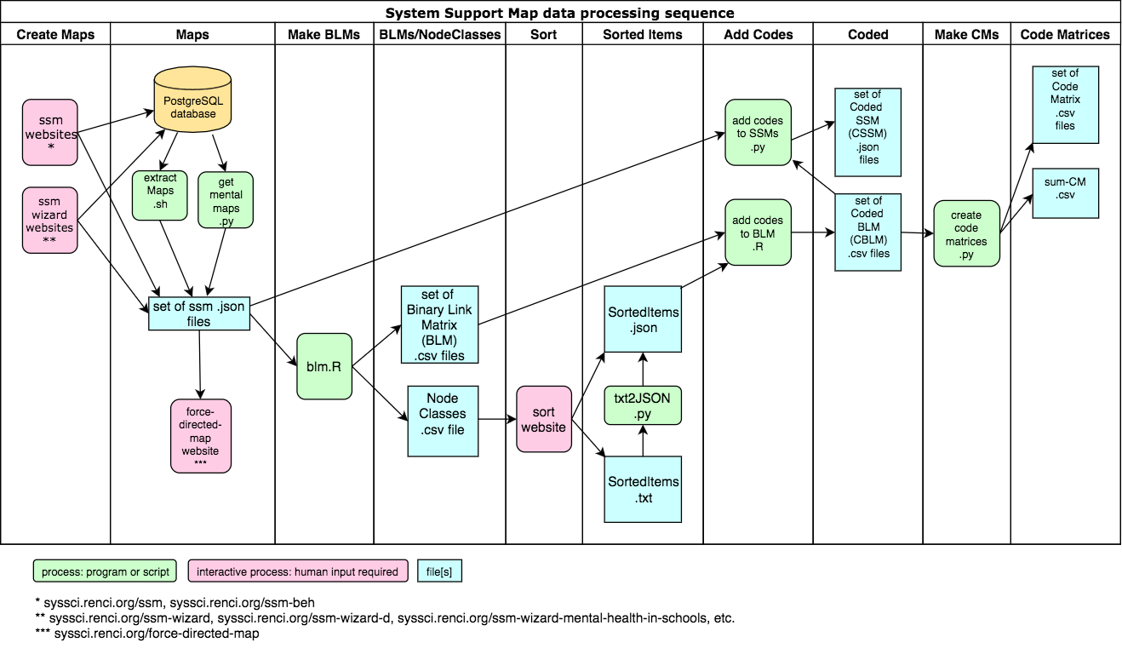
 | The SSM family of websites and related software | 2017-06-05
n | URL | Description | Source | Registration/password required? | Dropdown lists for text entry | Qualtrics survey link* | Review and Next Steps page text assumes "Finish" button?**
1 | http://syssci.renci.org/ssm/ | Interactive tool for creating System Support Maps (SSMs). The base version for the SSM family. | https://github.com/steve9000gi/ssm/tree/master | y | NA | none | NA
2 | http://syssci.renci.org/ssm_beh/ | SSM Behavioral. Same as ssm (above) except rings are as follows from the inside out: 1) "Role/Identity" (green); 2) "Headache Triggers & Features" (red); "Self-Management Activities" (orange); 4) "Needs for Self-Management Activities" (gold); and 5) outer text "Outcomes (positive and negative)" (cyan). Used by Duke Nursing PHD student Deanna Befus for doctoral research project: self-management techniques for 19 female migraine sufferers. | https://github.com/steve9000gi/ssm/tree/ssm_beh | y | NA | none | NA
3 | http://syssci.renci.org/ssm-wizard/?module=CaregiversCYSHCN | Wizard with language and text entry response dropdown lists tuned for CYSHCN caregiver audience. No demographic info requested. | https://github.com/steve9000gi/ssm/tree/wizard | y | CYSHCN | CYSHCN | y
4 | http://syssci.renci.org/ssm-wizard/?module=TitleVWorkforce | Same as ssm-wizard/?module=CaregiversCYSHCN except wizard language and examples tuned for Title V professionals. No text entry response dropdown lists. No demographic info requested. | https://github.com/steve9000gi/ssm/tree/wizard | y | n | TitleV | y
5 | http://syssci.renci.org/ssm-wizard-x/?module=x | Wizard prototype (maintained for backwards compatibility) for caregivers supporting a child with special health needs and/or developmental disabilities requiring responses to these demographic questions: 1) state; 2) county; 3) race; 4) hispanic? 5) language; 6) child's age; 7) insurance; 8) health conditions. Text entry response dropdown lists tuned for CYSHCN caregiver audience. Identical to ssm-wizard-d/?module=CaregiversOfCYSHCN from the user's viewpoint. | https://github.com/steve9000gi/ssm/tree/NY | y | CYSHCN | CYSHCN | y
6 | http://syssci.renci.org/ssm-wizard-d/?module=CaregiversOfCYSHCN | Wizard for caregivers supporting a child with special health needs and/or developmental disabilities requiring responses to these demographic questions: 1) state; 2) county; 3) race; 4) hispanic? 5) language; 6) child's age; 7) insurance; 8) health conditions. Text entry response dropdown lists tuned for CYSHCN caregiver audience. | https://github.com/steve9000gi/ssm/tree/ssm-wizard-d | y | CYSHCN | CYSHCN | y
7 | http://syssci.renci.org/ssm-wizard-mental-health-in-schools/ | Wizard in support of UIC doctoral student Kevin Borrup's "Roles in Mental Health Care within Schools in Connecticut Research Study." Demographic questions: 1) user's position at school; 2) grade[s]; 3) user's age range; 4) years working at school; 5) race/ethnicity; 6) school location. No text entry response dropdown lists. | https://github.com/steve9000gi/ssm/tree/mental-health-in-schools | y | n | none | n
8 | http://syssci.renci.org/ssm-wizard-family-planning | ssm-wizard for UNC-CH doctoral student Amber Dawn Haley's work on Family Planning project/Title X. Based on http://syssci.renci.org/ssm-wizard/?module=TitleVWorkforce but includes custom text and demographic questions. No text entry response dropdown lists. | tbd | y | tbd | none | tbd
9 | http://syssci.renci.org/force-directed-map/ | Displays system support maps, notably those built with syssci.renci.org/ssm, using a force-directed graphing algorithm, i.e., "boingifies" SSMs. Certain node and edge characteristics are not displayed, in particular node shape and size and of course position. Opens with default map but any valid SSM .json file may be loaded (click on cloud icon in lower-left corner). |  | n | NA | none | NA
10 | http://syssci.renci.org/sort/ | Web page for manually sorting output from https://github.com/steve9000gi/binary-link-matrix. Instructions for using the Sort web page at https://github.com/steve9000gi/sort/blob/master/README.md. | https://github.com/steve9000gi/sort | n | NA | none | NA
n | Post-processing software | Description | Source | Usage | Language
1 | blm | R script blm.R 2015/10/22 (blm: binary link matrix) Accepts paths to input and output directories as command line arguments. For each json file in the input directory, read that file into variable "map", then create a "binary link matrix" as a data frame of dimension n, where n is the number of nodes in the input JSON file. The rows and columns of the data frame are named by the node names "map$nodes$name". The value of m[i, j] is 1 if there is a link between node[i] and node[j], otherwise 0. For each file write 1) the blm to a csv output file, along with 2) a list of nodes showing id, type (role, responsibility, etc.), and name (associated text), and 3) a list of links showing source and target node ids and name (associated text). Also create a single "node classes" file wth a list of the names of all the nodes from all the files in the input directory, where those names are organized by node type. Thus, names for all the roles are listed together, names for all responsibilities are listed, etc. | https://github.com/steve9000gi/binary-link-matrix | Rscript blm.R inputDir outputDir | R | * Should the Qualtrics surveys be removed? We need to find out whether anyone's using them. | **The "Finish" button has been hidden in an effort to improve the user experience. Problem: Now, any user changes to the map are not preserved.
2 | AddCodesToBLM | Read in a directory of BLM.csv files. Each Binary Link Matrix (BLM) (https://github.com/steve9000gi/binary-link-matrix) represents the connectivity between nodes in a System Support Map (SSM) (http://syssci.renci.org/ssm/). Also read in a SortedItems.json file (https://github.com/steve9000gi/sort), which contains node names from a directory of SSMs, grouped by "codes" by a human being using the sort web page (http://syssci.renci.org/sort/). For each BLM file in path/to/BLMInputDir: 1) For each node in that BLM, find the code with which that node is associated (in the SortedItems.json input file, the keys are "codes" and the values are "node names") and add that code to a new column; 2) Output a Coded BLM (CBLM) file to /path/to/CBLMOutputDir which is identical to its corresponding BLM file, except with the addition of the new column of codes. | https://github.com/steve9000gi/AddCodesToBLM | RScript AddCodesToBLM.R /path/to/SortedItems.json /path/to/BLMInputDir /path/to/CBLMOutputDir | R
3 | text2JSON | The single command line argument is the path to a text file of the format exported by clicking on the 'Save Text' button on http://syssci.renci.org/sort/. The result is another file with the same path except with the extension '.json' that contains a JSON object equivalent to what you would have gotten if you'd clicked on the 'Save JSON' button. See https://github.com/steve9000gi/sort for details. | https://github.com/steve9000gi/text2JSON | text2JSON.py path_to_text_file | Python
4 | add_codes_to_SSMs | add_codes_to_SSMs.py accepts three arguments: the first is the path to a directory of SSM JSON files (see https://github.com/steve9000gi/ssm), the second is the path to a directory of related CBLM files (seehttps://github.com/steve9000gi/AddCodesToBLM), and the third is the path to a directory into which the CSSMs (Coded System Support Maps) will be placed. It reads each SSM and its associated CBLM file, finds the code associated with each SSM node from the CBLM, adds that code to the corresponding node in the SSM as a new key/value pair,,and writes the updated JSON object to a file in the directory specified by the third command-line argument. Assumes that each SSM in ssm_dir has a corresponding CBLM file in cblm_dir, and that the files for all three directories follow this naming convention: 1) SSM : "_name_.json"; 2) CBLM: "_name_-CBLM.csv"; 3) CSSM: "_name_-C.json" where _name_ is a string that may or may not be constructed according to a convention defined in https://github.com/steve9000gi/extractMaps/blob/master/README.md. | https://github.com/steve9000gi/add_codes_to_SSMs | add_codes_to_SSMs.py ssm_dir cblm_dir cssm_dir | Python
5 | extractMaps | Read the ids for each row in the Postgresql table ssm.maps into an array. Then loop through that array to write a .json file for each map. See "Key to Filenames for .json Files Extracted from the SSM Database" at https://github.com/steve9000gi/extractMaps/blob/master/README.md. | https://github.com/steve9000gi/extractMaps | extractMaps.sh | Bash shell
6 | create_code_matrices | Assumes that the files in the two directories follow this naming convention: 1) (cblm) coded binary link matrix: "name-CBLM.csv" and 2) code matrix: "name-CM.csv" where name is a string that may or may not be constructed according to a convention defined in https://github.com/steve9000gi/extractMaps/blob/master/README.md. | https://github.com/steve9000gi/create_code_matrices | create_code_matrices.py cblm_dir code_matrix_dir | Python
7 | get_mental_maps | get_mental_maps.py: Retrieve and write as .json files all the system support maps (ssms) from the ssm database that are generated from the website http://syssci.renci.org/ssm-wizard-mental-health-in-schools/, i.e., all the system support maps from the ssm database associated with the "Roles in Mental Health Care within Schools in Connecticut" research study. Algorithm: From PostgreSQL database: → extract list of tuples → examine each tuple of metadata + dict → write each dict with key "schoolLocation" to file. | https://github.com/steve9000gi/get_mental_maps | get_mental_maps.py output_directory | Python

