Help
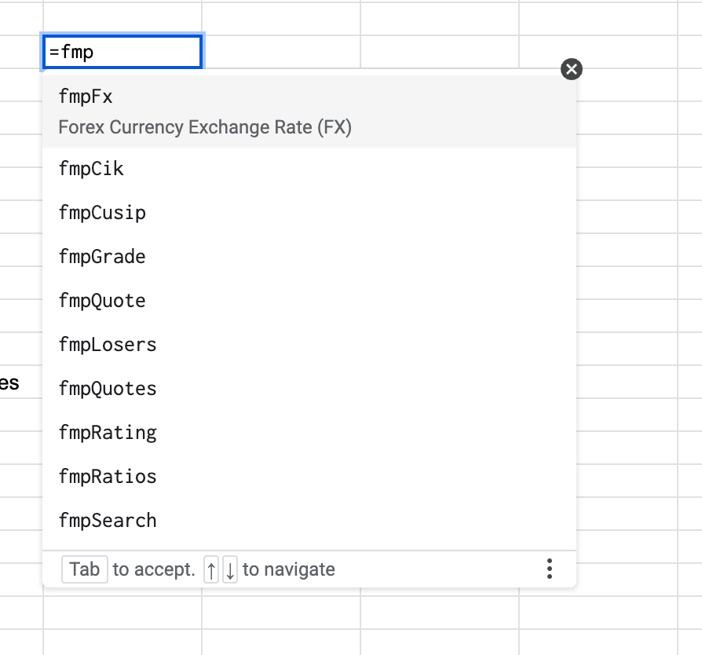
Instructions (scroll down)
Video on how to use

To get started type in `=fmp` and a list of all FMP functions appears; hit enter and the data will fill down/right.
Note that if there is an error or the function returns too much data it will not appear in Sheets.

