Notes
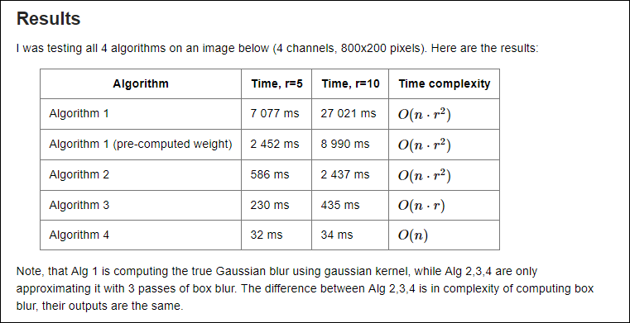
A Cmake Release build includes the 'O2' optimization flags. It is not necessary to define CXXFLAGS with additional switches.

The order of np_fill and releif_fill is critical. When np_fill follows relief_fill there is optimization which makes it much faster (8X).
If the array targets are different, there is no performance difference.

